Instructions
 | Fluid PO Log PO Genereator
⦿ | This workbook is designed to work in tandem to with an excel budget file, such as True Budget or Hot Budget.
⦿ | This workbook has 3 primary functions.
⦿ | It provides and generates PO Pages, without the need for manual duplication and numeration.
⦿ | Each PO Page is designed to work in synchronicity with the PO Log, without requiring the double entry thereof
⦿ | It exports all pages seperately, with ease, and in batch. With appropriate filing numeration, to make wrap that much easier.

 | PAGES
 | LineNo
⦿ | In the line No Page, copy the line numbers from your job.
⦿ | Be aware there is also a section for CS Sections as well. Should you need to line items to general Cs Section.For example CS17 Travel, etc

 | POData
⦿ | In the POData tab, you can generate and delete the Pos that are needed for your job
⦿ | Enter Production Company Name, Job Name, Job No, Address -> all of this will be sent to TemplatePO
⦿ | If you would like to add company logo, add currency conversion if needed, or make other changes/additions etc,. modify the TemplatePO page before generating pages.

⦿ | Enter the range of PO numbers that will be needed for your job, by entering the starting number, and ending number.
⦿ | If there is a prefix for the range, enter the prefix in the prefix cell. If the company is using just a linear start number, and end number, leave the prefix cell blank
⦿ | Enter range needed. Will immediately display in PO Range table. If to your satisfaction, click Generate POs
⦿ | In the event you need additional Pos, simply enter the range needed. And subsequently click Generate Pos
⦿ | In the event you need to delete a large amount of Pos, repeat the process, but hit Delete all POs instead

 | (po pages)
⦿ | The PO pages have a PO Log Preview to let you know an item has registered and carried over to the PO Log.
⦿ | Each PO Page, has a max of 8 different Pay ID combo's it can display on the PO Log
⦿ | A Pay ID combo being a UNIQUE set of Line No + Pay ID + Date
⦿ | For an item to register, it must have a Line, Date, and Pay ID registered
⦿ | Often accounts payable requires a broad Pay ID type. The coding strip satisifies this need, but does NOT link to the PO Log.

 | 1

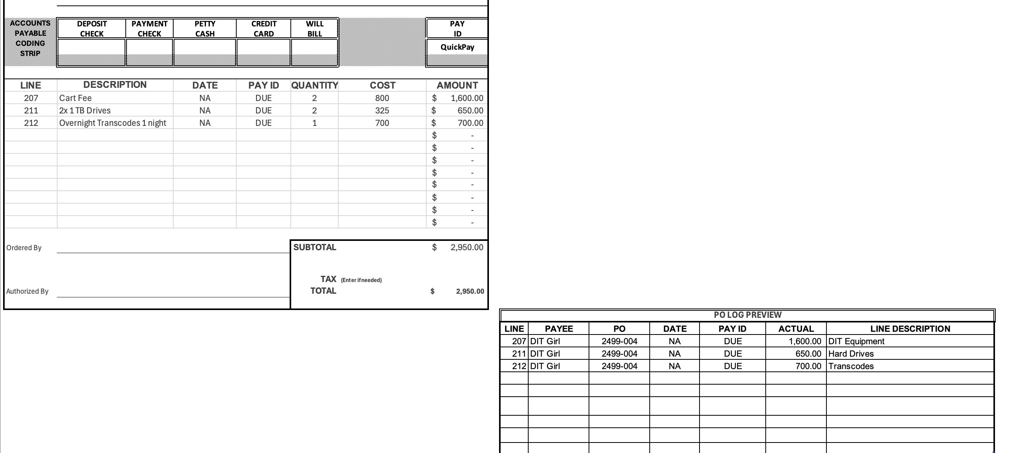

 | PO Log
⦿ | The true benefit of this workbook is to work in synchronous tandem with your PO Log
⦿ | Unlike a HotBudget file the PO Log should NOT be edited.
⦿ | The PO Log works best as a device to copy into your TrueBudget file
⦿ | To do so select + copy Line through Actual fields in PO Log
⦿ | Cmd + Option + V in your TrueBudget file. Select PASTE VALUES or UNICODE TEXT

 | 1 | 2
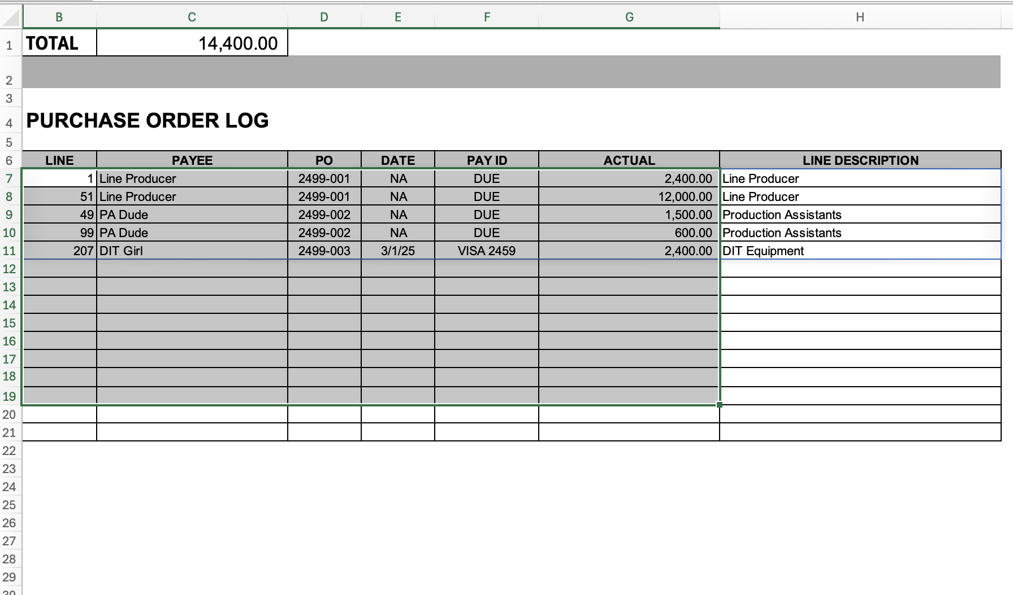
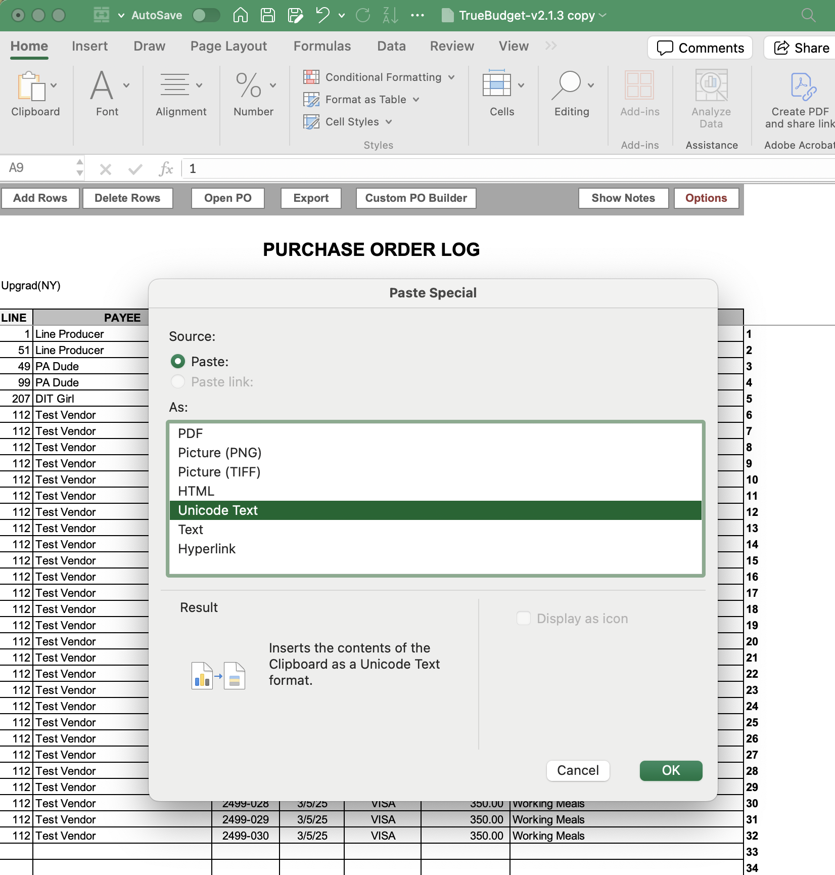

 | Export Pos
⦿ | At the wrap of your job, when POs need to be PDF'd accordingly, the export PO option tries to make this easier.
⦿ | In the Export PO Tab
⦿ | Hit Export
⦿ | The excel, will generate a PDF of every PO page seperatly, output to the folder that the PO Book is currently in.
⦿ | Each PDF file name will be that of its tab name, ie its PO
⦿ | From here, exported PDF POs can simply be dragged into the proper folders in your Finder window
⦿ | This is a beta feature. If it doesn't work, you may need to modify the Macro yourself. Under developer tab, macros, MACRO NAME

