Fibonacci
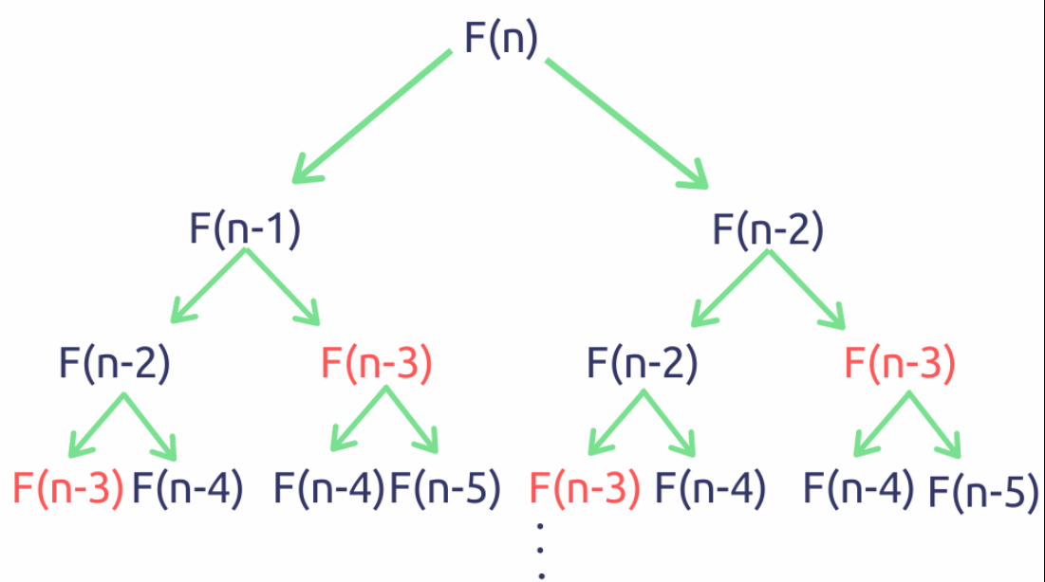
n | 0 | 1 | 1 | 2 | 3 | 5 | 8 | 12 | 13 | 14 | 15 | 16
fib(n) | 0 | 1 | 1 | 2 | 3 | 5 | 8 | 13 | 21 | 34 | 55 | 89

Knapsack
0-1 Knapsack Problem

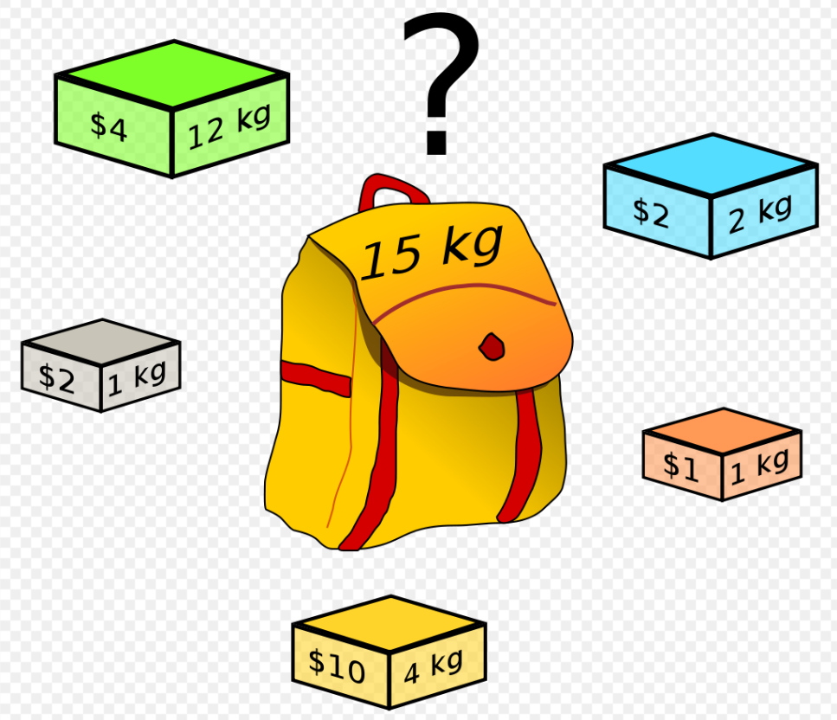

 |  |  |  |  |  |  |  |  |  |  | n=5
 |  |  |  |  |  |  |  |  |  |  | c=15

 |  |  |  |  |  |  |  |  |  |  | i | 0 | 1 | 2 | 3 | 4
 |  |  |  |  |  |  |  |  |  |  | v[i] | 4 | 2 | 10 | 1 | 2 | $
 |  |  |  |  |  |  |  |  |  |  | w[i] | 12 | 1 | 4 | 1 | 2 | kgs

 |  |  |  |  |  |  |  |  |  |  | Max value | $15

Items (down) | Capacity => | 0 | 1 | 2 | 3 | 4 | 5 | 6 | 7 | 8 | 9 | 10 | 11 | 12 | 13 | 14 | 15
Empty | 0 | 0 | 0 | 0 | 0 | 0 | 0 | 0 | 0 | 0 | 0 | 0 | 0 | 0 | 0 | 0 | 0
v[1]=4, w[1]=12 | 1 | 0 | 0 | 0 | 0 | 0 | 0 | 0 | 0 | 0 | 0 | 0 | 0 | 4 | 4 | 4 | 4
v[2]=2, w[2]=1 | 2 | 0 | 2 | 2 | 2 | 2 | 2 | 2 | 2 | 2 | 2 | 2 | 2 | 4 | 6 | 6 | 6
v[3]=10, w[3]=4 | 3 | 0 | 2 | 2 | 2 | 10 | 12 | 12 | 12 | 12 | 12 | 12 | 12 | 12 | 12 | 12 | 12
v[4]=1, w[4]=1 | 4 | 0 | 2 | 2 | 2 | 10 | 12 | 13 | 13 | 13 | 13 | 13 | 13 | 13 | 13 | 13 | 13
v[5]=2, w[5]=2 | 5 | 0 | 2 | 2 | 4 | 10 | 12 | 13 | 14 | 15 | 15 | 15 | 15 | 15 | 15 | 15 | 15

Maximum value that can be obtained from ‘n’ items is the max of the following two values:
- Maximum value obtained by n-1 items and W weight (excluding nth item).
- Value of nth item plus maximum value obtained by n-1 items and W minus the weight of the nth item (including nth item).

