Sheet1
[LV1][LV2][LV3] (When Summoned) When you don't control another "Loto", you can summon a "Loto" from your Hand, without paying the cost.

[LV1][LV2][LV3] When opposing effects remove this Spirit from the field, destroy an opposing 3000 BP or less Spirit and draw a card.

[LV1][LV2] (When Summoned) You can reveal three cards from your decktop. Add a "Mothership" family Nexus and a "Kshatriya" among them to your Hand. Remaining cards are returned to either only the decktop or only the deckbottom in any order.

[LV2] (Your Main Step) Add an "Unicorn Gundam"-named card revealed by this Spirit's effect to your Hand.

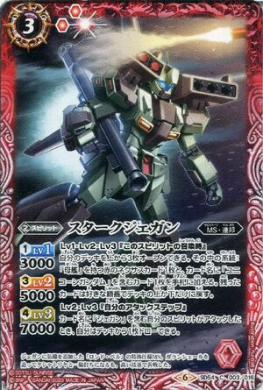
[LV1][LV2][LV3] (When Summoned) You can reveal three cards from your decktop. Add a "Mothership" family Nexus card and "Unicorn Gundam"-named card to your hand. Remaining cards are returned either only to the deckbottom or only the decktop, in any order.

[LV2][LV3] (Your Attack Step) When your "Jegan"-named Spirit attacks, you can draw a card.

You can have any amount of copies of this card in your deck.

[LV1][LV2] (When Attacks) Summon any amount of "Jegan"-named Spirit cards from your Hand, without paying the cost.

[LV1][LV2] (When Attacks) Draw a card. Also, when braved to a "Pilot" family Brave, this Spirit can't be blocked by opposing 10000 BP or less Spirits.

[LV2] (When Attacks) Destroy an opposing 5000 BP or less Spirit.

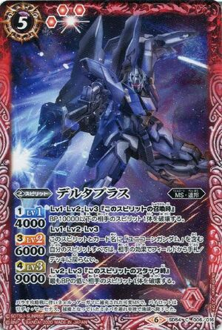
[LV1][LV2][LV3] (When Summoned) Destroy an opposing 10000 BP or less Spirit.

[LV1][LV2][LV3] This Spirit and "Unicorn Gundam"-named Spirits you control can't be returned to the Hand/Deck by opposing effects.

[LV2][LV3] (When Attacks) Destroy the opposing Spirit with the lowest BP.

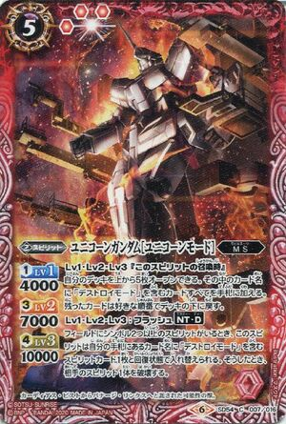
[LV1][LV2][LV3] (When Summoned) You can reveal five cards from your decktop. Add every "Destroy Mode"-named card among them to your Hand. Remaining cards are returned to the deckbottom in any order.

[LV1][LV2][LV3] Flash- NT-D
When any player controls a Spirit with at least two symbols, this Spirit can change places with a refreshed "Destroy Mode"-named Spirit card from your Hand. When you've done so, destroy an opposing Spirit.

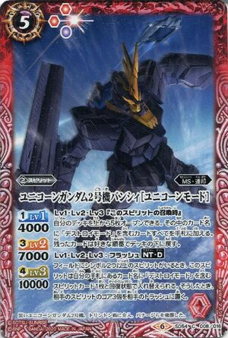
[LV1][LV2][LV3] (When Summoned) You can reveal five cards from your decktop. Add every "Destroy Mode"-named card among them to your Hand. Remaining cards are returned to the deckbottom in any order.

[LV1][LV2][LV3] Flash- NT-D
When any player controls a Spirit with at least two symbols, this Spirit can change places with a "Destroy Mode"-named Spirit card from your Hand in refreshed state. When you've done so, send three cores from any opposing Spirit(s) to the Trash.

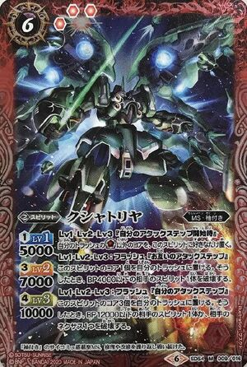
[LV1][LV2][LV3] (Start of Your Attack Step) Put any amount of cores other than from your Trash to this Spirit.

[LV1][LV2][LV3] Flash - (Either Attack Step) You can send one core from this Spirit to the Trash. When you've done so, destroy an opposing 4000 BP or less Spirit.

[LV1][LV2][LV3] Flash - (Your Attack Step) You can send three cores from this Spirit to the Trash. When you've done so, either destroy an opposing 12000 BP or less Spirit, or an opposing Nexus.

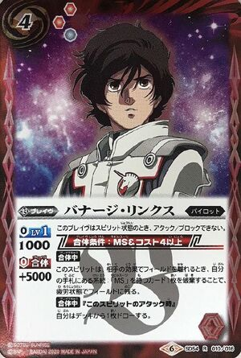
This Brave in Spirit condition can't attack/block.

[During Brave] When this Spirit would leave the Field due to an opposing effect, by discarding one "MS" family card from your Hand, it remains on the Field, exhausted.

[During Brave] (When Attacks) Draw a card.

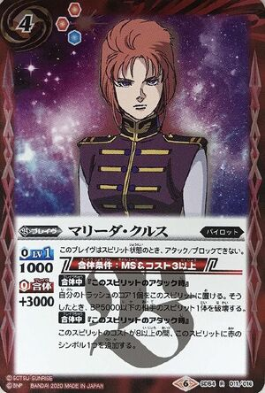
This Brave in Spirit condition can't attack/block.

[During Brave] (When Attacks) You can put a core from the Trash to this Spirit. When you've done so, destroy an opposing 5000 BP or less Spirit.

[During Brave] (When Attacks) While this Spirit is Cost 8 or more, it gains an extra Red symbol.

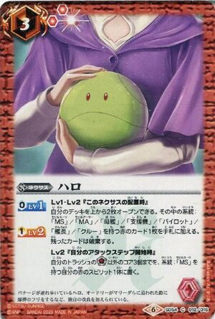
[LV1][LV2] (When Deployed) You can reveal two cards from your decktop. Add a Red "MS"/"MA"/"Mothership"/"Support Fighter"/"Pilot"/"Captain"/"Crew" family card among them to your Hand. Remaining cards are discarded.

[LV2] (Start of Your Attack Step) Put up to three cores other than
from your Trash to a Red "MS" family Spirit you control.

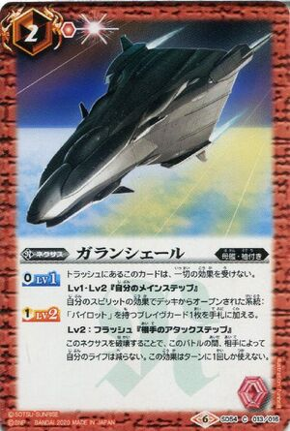
This card in Trash is unaffected by any effect.

[LV1][LV2] (Your Main Step) You can add a "Pilot" family Brave card revealed by your Spirit's effect to your Hand.

[LV2] Flash - (Opposing Attack Step) By destroying this Nexus, during this battle, your Life can't be reduced by the opponent. This effect can only be used once per turn.

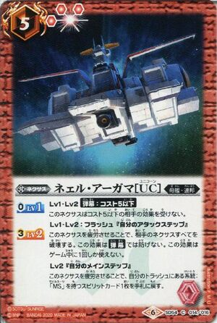
[LV1][LV2] Barrage: Cost 5 or less - This Nexus is unaffected by opposing Cost 5 or less effects.

[LV1][LV2] Flash - (Your Attack Step) By exhausting this Nexus, destroy every opposing Nexus. This effect can't be prevented by Barrage. This effect can only be used once per game.

[LV2] (Your Main Step) By exhausting this Nexus, return an "MS" family Spirit card from the Trash to your Hand.

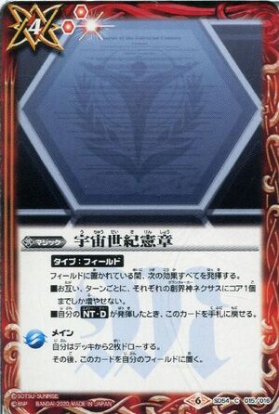
While on the field, all the following effects are active:
█ Neither player can put more than one core on each Grandwalker Nexus per turn.
█ When you activate NT-D, you can return this card to your Hand.

Main - Draw two cards. Then put this card on your Field.

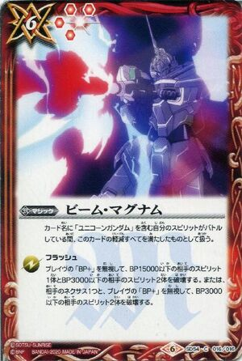
While your "Unicorn Gundam"-named Spirit is battling, treat all of this card's reduction as filled.

Flash - Ignoring the BP+ of Braves, destroy an opposing 15000 BP or less Spirit and two 3000 BP or less Spirits. Or, destroy an opposing Nexus and, ignoring the BP+ of Braves, two opposing 3000 BP or less Spirits.

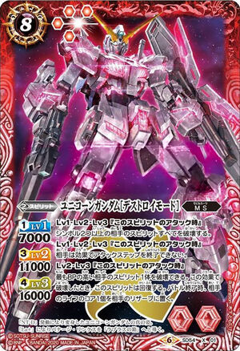
[LV1][LV2][LV3] (When Attacks) Destroy every opposing Spirit with two symbols or more.

[LV1][LV2][LV3] (When Attacks) The opponent can't end the Attack Step via effects.

[LV2][LV3] (When Attacks) You can destroy an opposing Spirit with the highest BP. When this effect destroys, this Spirit refreshes. At the end of battle, send an opposing Life to the Reserve.

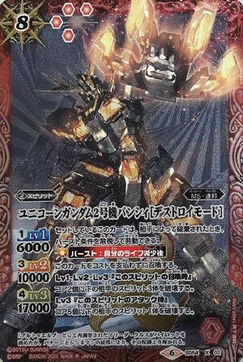
When this Set card is discarded by the opponent, you can activate it, ignoring the Burst condition.

☼[ Burst: After Your Life Decreases]
Summon this card without paying the cost.

[LV1][LV2][LV3] (When Summoned) Destroy three opposing Spirits with 2 or less cores on them.

[LV3] (When Attacks) Destroy an opposing Spirit with 5 or less cores on it.

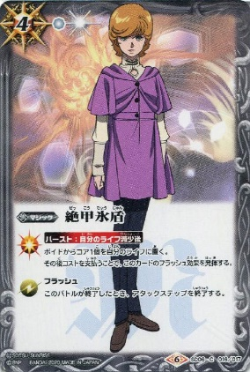
[ Burst: After your Life is reduced ]
Put a core from the Void to your Life. Then by paying the cost, activate this card's Flash effect.

Flash
At the end of battle, end the Attack Step.

Sheet2
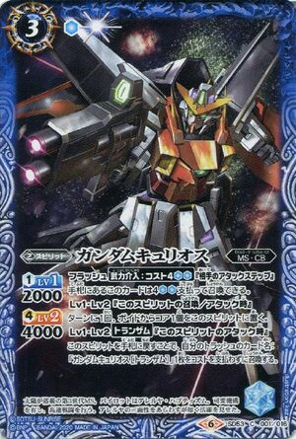
Flash - Armed Intervention - Cost 4 () (Opposing Attack Step)
You can summon this card from your Hand as a Cost 4 (
).

[LV1][LV2] (When Summoned/Attacks) Once per turn, put a core from the Void to this Spirit.

[LV1][LV2] Trans-Am - (When Attacks) By returning this Spirit to your Hand, summon a "Gundam Kyrios (Trans-Am)" from your Trash, without paying the cost.

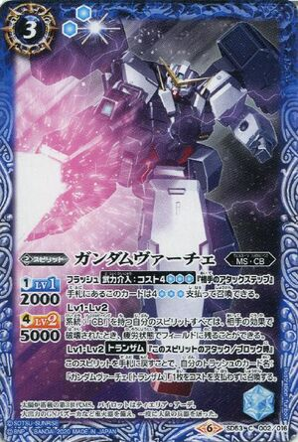
Flash - Armed Intervention - Cost 4 () (Opposing Attack Step)
You can summon this card from your Hand as a Cost 4 (
).

[LV1][LV2] When your "CB" family Spirits are destroyed by opposing effects, they can remain on the Field, exhausted.

[LV1][LV2] Trans-Am - (When Attacks/Blocks) By returning this Spirit to your Hand, summon a "Gundam Virtue (Trans-Am)" from your Trash, without paying the cost.

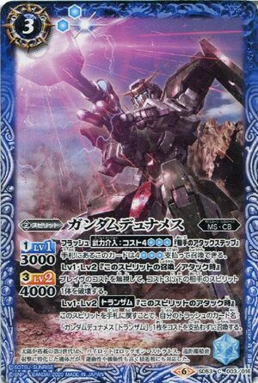
Flash - Armed Intervention - Cost 4 () (Opposing Attack Step)
You can summon this card from your Hand as a Cost 4 (
).

[LV1][LV2] (When Summoned/Attacks) Ignoring the Cost of Braves, destroy an opposing Cost 3 or less Spirit.

[LV1][LV2] Trans-Am (When Attacks) By returning this Spirit to your Hand, summon a "Gundam Dynames (Trans-Am)" from your Trash, without paying the cost.

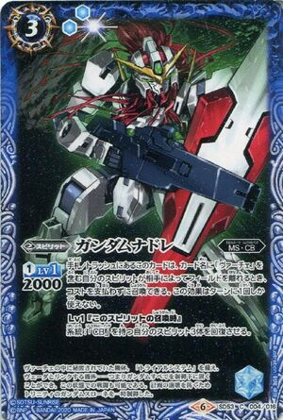
When your "Virtue"-named Spirit would leave the Field due to the opponent, you can summon this card from the Hand/Trash, without paying the cost. This effect can only be used once per turn.

[LV1] (When Summoned) Refresh three "CB" family Spirits you control.

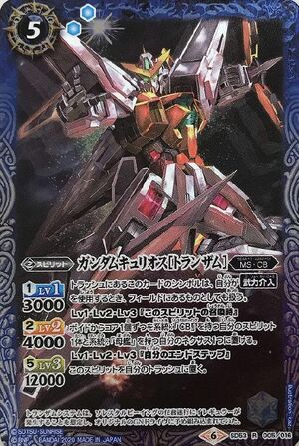
When you use Armed Intervention, the symbol of this card in Trash is treated as being on the Field.

[LV1][LV2][LV3] (When Summoned) You can put a core from the Void each to one "CB" family Spirit and to one "Mothership" family Nexus you control.

[LV1][LV2][LV3] (Your End Step) Send this Spirit to your Trash.

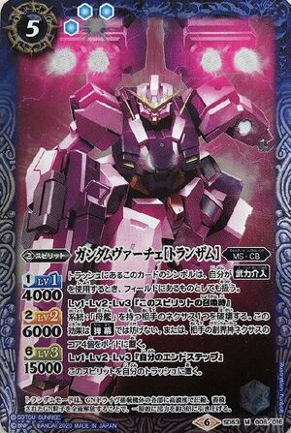
When you use Armed Intervention, the symbol of this card in Trash is treated as being on the Field.

[LV1][LV2][LV3] (When Summoned) Destroy an opposing "Mothership" family Nexus. This effect can't be prevented by Barrage. Or, you can send four cores from any opposing Grandwalker Nexus(es) to the Void.

[LV1][LV2][LV3] (Your End Step) Send this Spirit to your Trash.

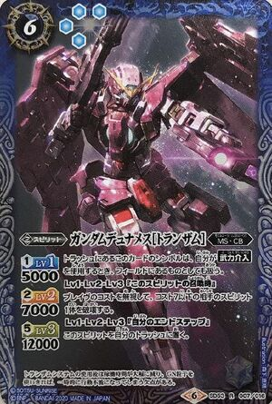
When you use Armed Intervention, the symbol of this card in the Trash is treated as being on the Field.

[LV1][LV2][LV3] (When Summoned) Ignoring the cost of Braves, destroy an opposing Cost 7 or less Spirit.

[LV1][LV2][LV3] (Your End Step) Send this Spirit to your Trash.

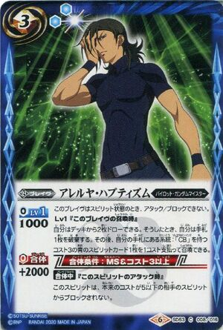
This Brave in Spirit condition cannot attack or block.

[LV1] (When Summoned) You can draw two cards. When you've done so, discard a card from your Hand. Then, you can pay one cost to summon a Cost 3 Blue "CB" family Spirit card from your Hand.

[During Brave] (When Attacks) This Spirit can't be blocked by opposing originally Cost 5 or less Spirits.

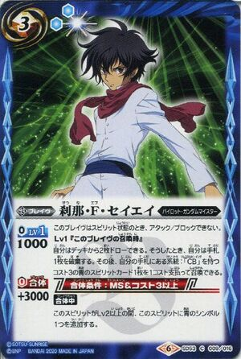
This Brave in Spirit condition can't attack/block.

[LV1] (When Summoned) You can draw two cards. When you've done so, discard a card from your Hand. Then, you can pay one cost to summon a Blue Cost 3 "CB" family Spirit card from your Hand.

[During Brave] While this Spirit is [LV2] or higher, it gains an extra Blue symbol.

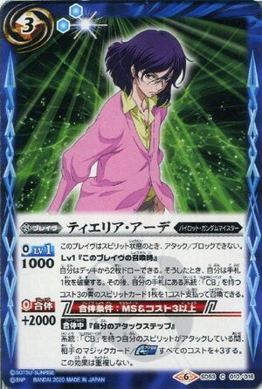
This Brave in Spirit condition can't attack/block.

[LV1] (When Summoned) You can draw two cards. When you've done so, discard a card from your Hand. Then, you can pay one cost to summon a Blue Cost 3 "CB" family Spirit card from your Hand.

[During Brave] (Your Attack Step) While your "CB" family Spirits are attacking, increase the cost of every opposing Magic card/Accel by +3. This effect doesn't stack.

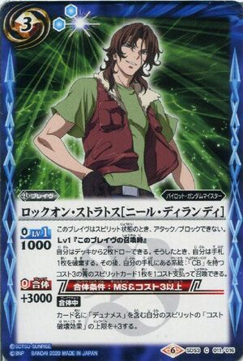
This Brave in Spirit condition can't attack/block.

[LV1] (When Summoned) You can draw two cards. When you've done so, discard a card from your Hand. Then, you can pay one cost to summon a Cost 3 Blue "CB" family Spirit card from your Hand.

[During Brave] Increase the limit of your "Dynames"-named Spirit's "Cost Destruction effect" by +3.

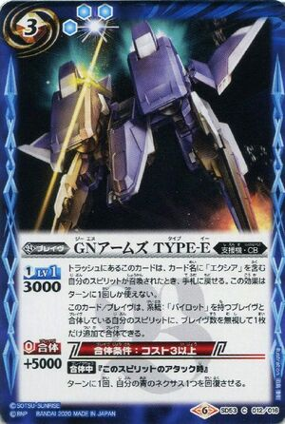
When your "Exia"-named Spirit is summoned, you can return this card from the Trash to your Hand. This effect can only be used once per turn.

One and only copy of this card/Brave can be braved to a Spirit that is braved to a "Pilot" family Brave you control, ignoring the amount of Braves on it.

[During Brave] (When Attacks) Once per turn, refresh a Blue Nexus you control.

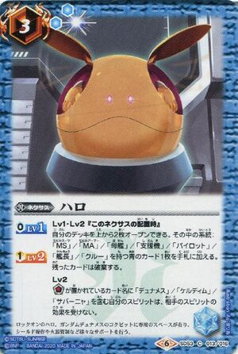
[LV1][LV2] (When Deployed) You can reveal two cards from your decktop. Add a Blue "MS"/"MA"/"Mothership"/"Support Fighter"/"Pilot"/"Captain"/"Crew" family card among them to your Hand. Remaining cards are discarded.

[LV2] Your "Dynames"/"Cherudim"/"Zabanya"-named Spirit with
on it is unaffected by opposing Spirit effects.

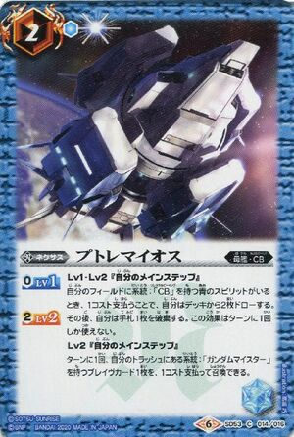
[LV1][LV2] (Your Main Step) If you control any Blue "CB" family Spirit, by paying one cost, draw two cards. Then, discard a card from your Hand. This effect can only be used once per turn.

[LV2] (Your Main Step) Once per turn, you can pay one cost to summon a "Gundam Meister" family Brave card from your Trash.

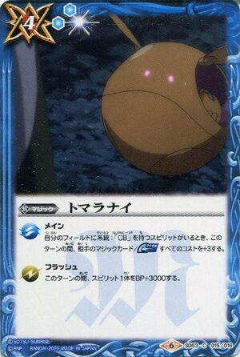
Main - If you control any "CB" family Spirit, during this turn, increases the costs of opposing Magic cards/Accel by +3.

Flash - During this turn, give a Spirit +3000 BP.

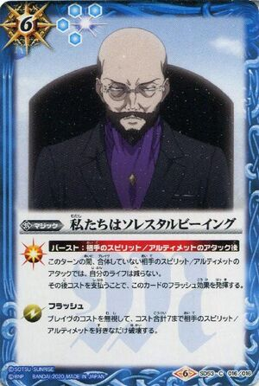
☼[ Burst: After an opposing Spirit/Ultimate attacks ]
During this turn, attacks of opposing non-braved Spirits/Ultimates can't decrease your Life. Then, by paying the cost, activate this card's Flash effect.

Flash - Ignoring the cost of Braves, destroy any number of opposing Spirits/Ultimates up to a total cost of 7.

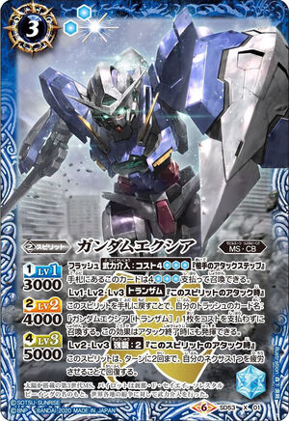
Flash - Armed Intervention: Cost 4 () (Opposing Attack Step)
You can summon this card from your Hand as Cost 4 (
).

[LV1][LV2][LV3] Trans-Am (When Attacks) By returning this Spirit to your Hand, summon a "Gundam Exia (Trans-Am)" from your Trash, without paying the cost. This effect can also activate at the end of the attack.

[LV2][LV3] Assault: 2 (When Attacks) This Spirit can, up to twice per turn, be refreshed by exhausting one of your Nexuses.

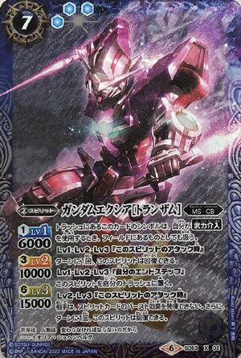
When you use Armed Intervention, the symbol of this card in your Trash is treated as being on the Field.

[LV1][LV2][LV3] (When Attacks) Once per turn, you can refresh this Spirit.

[LV1][LV2][LV3] (Your End Step) Put this Spirit on the Trash.

[LV2][LV3] (When Attacks) The opponent can't activate the Burst effect of Spirit cards. Also, once per turn, this Spirit can refresh.

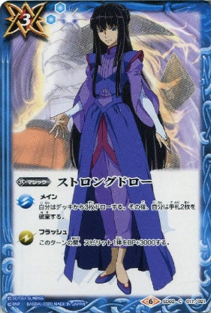
Main
Draw three cards, then discard two cards from your Hand.

Flash
During this turn, give a Spirit +3000 BP.

