Inductance
More inductance means less inductor ripple current and less output voltage ripple (for a given size of output capacitor).

 | Voltage |  |  |  | Current (Worst case)
LCD Backlight NHD-4.3-480272MF-ATXI-T-1 |  | Min. (V) | Typ. (V) | Max. (V) |  | Min. @ 21 V (A) | Typ. @ 21 V (A) | Max. @ 21 V (A)
 | Vled | 20 | 21 | 22 | Iled (A) |  | 3.20E-02 | 4.00E-02
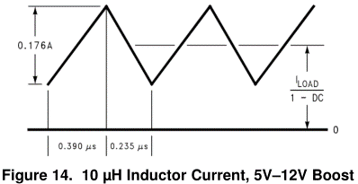
 |  |  |  |  | Imean (A) |  | 0.1344 | 0.168
 |  |  |  |  | Requivalent (Ω) |  | 656.25 | 550

