Diode
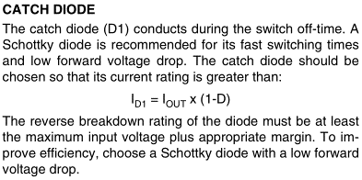

Id1 (A) | 0.29964035586

Feedback resistors
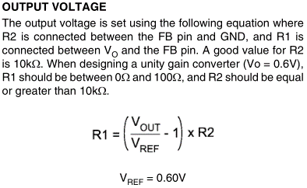
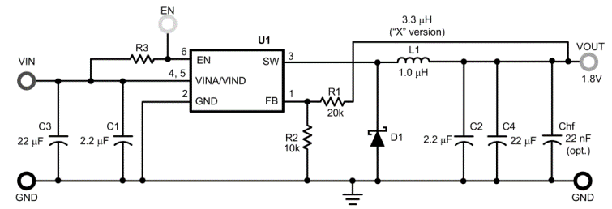

R2 (Ω) | 10000
R1 (Ω) | 45000

