Sheet1
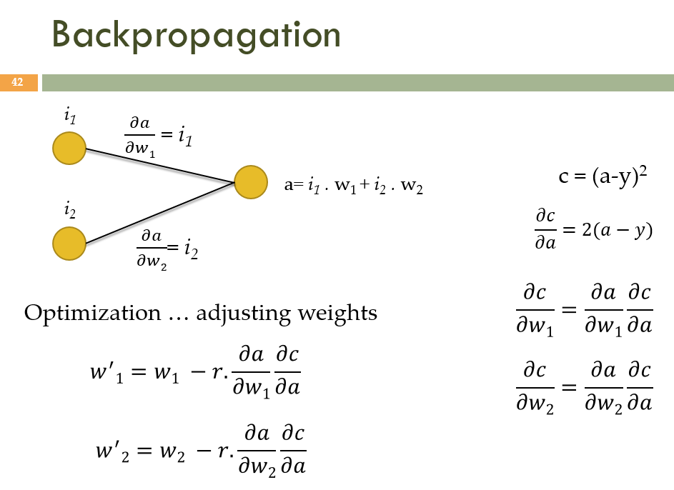
 | desired output |  | 0.5
 |  | r | 0.03
 | input |  | initial | Step #1 | Step #2 | Step #3 | Step #4 | Step #5 | Step #6 | Step #7 | Step #8 | Step #9 | Step #10 | Step #11 | Step #12 | Step #13 | Step #14 | Step #15
i1 | 1.5 | w1 | 0.3 | 0.5565 | 0.5321325 | 0.5344474125 | 0.53422749581 | 0.5342483879 | 0.53424640315 | 0.5342465917 | 0.53424657379 | 0.53424657549 | 0.53424657533 | 0.53424657534 | 0.53424657534 | 0.53424657534 | 0.53424657534 | 0.53424657534
 |  | a | -2.35 | 0.77075 | 0.47427875 | 0.50244351875 | 0.49976786572 | 0.50002205276 | 0.49999790499 | 0.50000019903 | 0.49999998109 | 0.5000000018 | 0.49999999983 | 0.50000000002 | 0.5 | 0.5 | 0.5 | 0.5
i2 | -4 | w2 | 0.7 | 0.016 | 0.08098 | 0.0748069 | 0.0753933445 | 0.075337632273 | 0.075342924934 | 0.075342422131 | 0.075342469898 | 0.07534246536 | 0.075342465791 | 0.07534246575 | 0.075342465754 | 0.075342465753 | 0.075342465753 | 0.075342465753

Feuil1
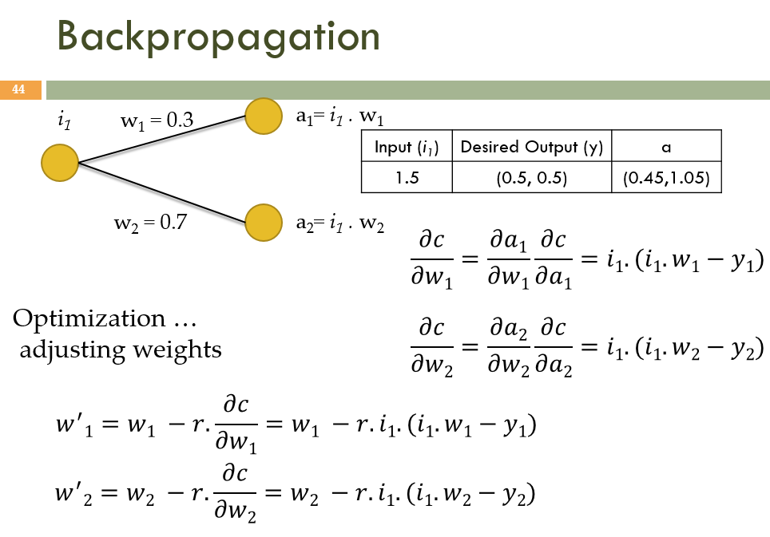
 |  |  | y1 | y2
 | desired output |  | 0.5 | 0.5
 |  | r | 0.3
 | input |  | initial | Step #1 | Step #2 | Step #3 | Step #4 | Step #5 | Step #6 | Step #7 | Step #8 | Step #9 | Step #10 | Step #11 | Step #12 | Step #13 | Step #14 | Step #15
i1 | 1.5 | w1 | 0.3 | 0.3225 | 0.3298125 | 0.3321890625 | 0.33296144531 | 0.33321246973 | 0.33329405266 | 0.33332056711 | 0.33332918431 | 0.3333319849 | 0.33333289509 | 0.33333319091 | 0.33333328704 | 0.33333331829 | 0.33333332844 | 0.33333333174
 |  | a1 | 0.45 | 0.48375 | 0.49471875 | 0.49828359375 | 0.49944216797 | 0.49981870459 | 0.49994107899 | 0.49998085067 | 0.49999377647 | 0.49999797735 | 0.49999934264 | 0.49999978636 | 0.49999993057 | 0.49999997743 | 0.49999999267 | 0.49999999762
 |  | a2 | 1.05 | 0.67875 | 0.55809375 | 0.51888046875 | 0.50613615234 | 0.50199424951 | 0.50064813109 | 0.5002106426 | 0.50006845885 | 0.50002224913 | 0.50000723097 | 0.50000235006 | 0.50000076377 | 0.50000024823 | 0.50000008067 | 0.50000002622
 |  | w2 | 0.7 | 0.4525 | 0.3720625 | 0.3459203125 | 0.33742410156 | 0.33466283301 | 0.33376542073 | 0.33347376174 | 0.33337897256 | 0.33334816608 | 0.33333815398 | 0.33333490004 | 0.33333384251 | 0.33333349882 | 0.33333338712 | 0.33333335081

