Sheet1
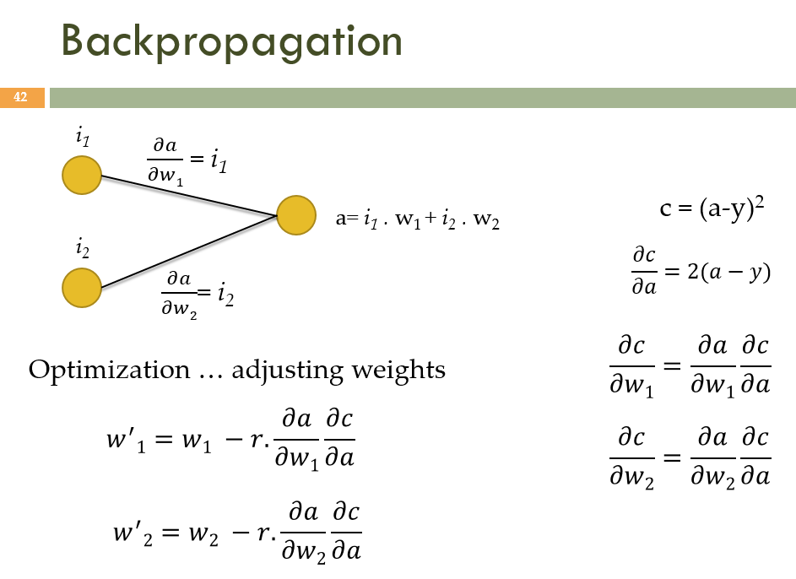
 | desired output |  | 0.5
 |  | r | 0.03
 | input |  | initial | Step #1 | Step #2 | Step #3 | Step #4 | Step #5 | Step #6 | Step #7 | Step #8 | Step #9 | Step #10 | Step #11 | Step #12 | Step #13 | Step #14 | Step #15
i1 | 1.5 | w1 | 0.3 | 0.5565 | 0.5321325 | 0.5344474125 | 0.53422749581 | 0.5342483879 | 0.53424640315 | 0.5342465917 | 0.53424657379 | 0.53424657549 | 0.53424657533 | 0.53424657534 | 0.53424657534 | 0.53424657534 | 0.53424657534 | 0.53424657534
 |  | a | -2.35 | 0.77075 | 0.47427875 | 0.50244351875 | 0.49976786572 | 0.50002205276 | 0.49999790499 | 0.50000019903 | 0.49999998109 | 0.5000000018 | 0.49999999983 | 0.50000000002 | 0.5 | 0.5 | 0.5 | 0.5
i2 | -4 | w2 | 0.7 | 0.016 | 0.08098 | 0.0748069 | 0.0753933445 | 0.075337632273 | 0.075342924934 | 0.075342422131 | 0.075342469898 | 0.07534246536 | 0.075342465791 | 0.07534246575 | 0.075342465754 | 0.075342465753 | 0.075342465753 | 0.075342465753

