CASE_01_pivot
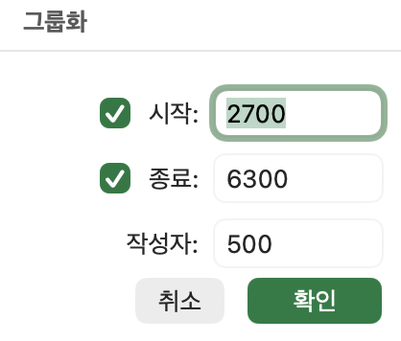
평균 : 체중(g) | 열 레이블
행 레이블 | FEMALE | MALE | 총합계
Adelie Penguin (Pygoscelis adeliae) | 3367 | 4054 | 3703
Chinstrap penguin (Pygoscelis antarctica) | 3527 | 3939 | 3730
Gentoo penguin (Pygoscelis papua) | 4680 | 5489 | 5091
총합계 | 3867 | 4565 | 4214

ㄴ 값 필드 설정 -> 값 요약 기준 '평균'으로 변경

개수 : 개체ID | 열 레이블
행 레이블 | 2700-3199 | 3200-3699 | 3700-4199 | 4200-4699 | 4700-5199 | 5200-5699 | 5700-6199 | 6200-6699 | 총합계
Adelie Penguin (Pygoscelis adeliae) | 20 | 49 | 45 | 22 | 3 |  |  |  | 139
Chinstrap penguin (Pygoscelis antarctica) | 2 | 30 | 28 | 6 | 1 |  |  |  | 67
Gentoo penguin (Pygoscelis papua) |  |  | 2 | 24 | 40 | 35 | 16 | 1 | 118
총합계 | 22 | 79 | 75 | 52 | 44 | 35 | 16 | 1 | 324

ㄴ피벗 테이블 -> 임의의 셀 선택 -> 피벗 테이블 분석 -> 그룹화 -> 단위 변경

