OrderDate-Sales
Sales Trend by Quarter

Region-Sales
Sales by Region
West bölgesi en yüksek satış performansına sahipken, South bölgesi en düşük performansı göstermektedir.
Bu fark, bölgedeki mağaza sayısı, müşteri yoğunluğu veya ürün erişilebilirliği gibi faktörlerden kaynaklanıyor olabilir.
Özellikle South bölgesi için satış artırıcı aksiyonlar planlanmalı ve West bölgesindeki başarılı stratejiler diğer bölgelere uygulanmalıdır.

SubCategory-Sales
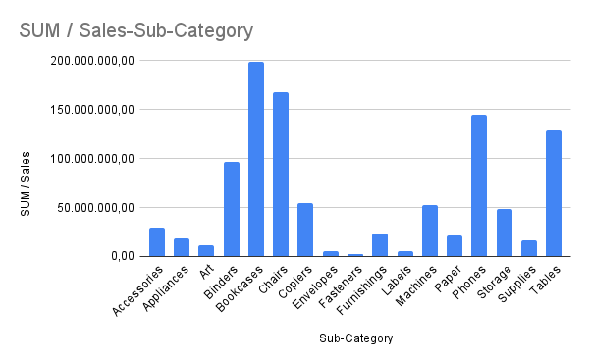

Category-Sales
Sales by Category
Furniture kategorisi en yüksek satışa sahip olup toplam satışların büyük bir kısmını oluşturmaktadır. Bu durum, bu kategorinin güçlü bir talebe sahip olduğunu göstermektedir. Bu kategoriye yönelik stok ve kampanya stratejileri ile satışlar daha da artırılabilir.
Satışların belirli kategorilerde yoğunlaşması, ürün çeşitliliği açısından risk oluşturabilir.

