Exam
1 | Which of the following gives the correct electron configuration for Carbon (a) 1s21p62s22p2 (b) 1s22s22p2 (c) 1s22s22p6 (d) 1s21p61d102s2

2 | Which of the following gives the correct electron configuration for Neon (a) 1s21p62s22p2 (b) 1s22s22p2 (c) 1s22s22p6 (d) 1s21p61d102s2

3 | According to VSEPR theory, the anion NO3- will have which shape? (a) Tetrahedral (b) Trigonal planer (c) Trigonal pyramidal (d) Bent

4 | According to VSEPR theory, the molecule CH4 will have which shape? (a) Tetrahedral (b) Trigonal planer (c) Trigonal pyramidal (d) Bent

5 | Which of the following statements is INCORRECT? (a) Sigma and pi bonds are the same shape (b) Pi bonds are generally weaker than sigma bonds (c) A pi bond is formed by the sideways overlap of two p orbitals. (d) When 2s and 2p orbitals are hybridised to form 2sp2 hybrid orbitals, electrons in these hydrid orbitals have a lower energy than any electrons remaining in unhybridised 2p orbitals.

6 | Which of the following statements about nucleophilic substitutions is CORRECT? (a) An SN2 mechanism always occurs in two steps. (b) A strong nucleophile is essential for a substitution via an SN1 machanism. (c) An SN2 reaction is stereospecific. (d) An SN1 reaction will be slower in a more polar solvent.

7 | Which of the following statements concerning the formation of a disulfide linkage between two cysteine residues in a peptide/protein is CORRECT? (a) The cysteine residues have been oxidised. (b) The cysteine residues have been hydrolysed (c) The cysteine residues have been reduced. (d) The cysteine residues have been ionised.

8 | Which of the following metal ions complex with cellular ATP to neutralize some of its negative charges in order that nucleophilic substitution reactions proceed rapidly? (a) Manganese. (b) Iron. (c) Magnesium. (d) Calcium.

9 | Which of the following explains the kinetic stability of ATP (adenosine triphosphate)? (a) ATP is positively charged at physiological pH. (b) The hydrolysis of ATP occurs rapidly in the absence of catalyst because the phosphate bonds are thermodynamically stable. (c) Water, the major component of cytoplasm, is a strong and very reactive nucleophile. (d) ATP is negatively charged at physiological pH and thus repels the approach of nucleophiles.

10 | Which heterocyclic base found in RNA does not occur in DNA? (a) Guanine. (b) Thymine. (c) Cytosine. (d) Uracil.

11 | Which of the following is CORRECT about SN1 mechanisms? (a) The mechanism proceeds via a transitional carbocation intermediate. (b) The central carbon where the substitution occurs has +I (positively inductive) groups attached to it. (c) The resulting product is enantiomerically pure. (d) (a) and (b) are both true.

12 | 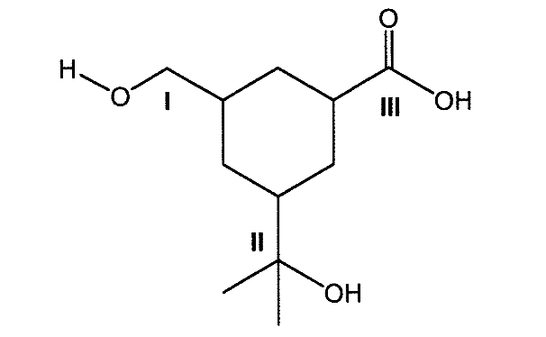 The polyfunctional compound shown below is treated with an excess of a mild oxidant, acidified dichromate solution. Identify the site(s) of oxidation in the polyfunctional compound. (a) I (b) II (c) III (d) I and II

13 | Which of the following oxidation states exist for a copper cation (we are not counting the elemental state) (a) +1 (b) +2 (c) +3 (d) (a) and (b)

14 | Which of the following is a poor leaving group in nucleophilic substitutions? (a) OH- (b) Br- (c) H20 (d) All of the above

15 | Which of the following is a good leaving group in nucleophilic substitutions? (a) OH- (b) Br- (c) H20 (d) All of the above

16 | Which of the following statements best explains the stability of a peptide towards hydrolysis at pH =7? (a) The water is sterically hindered by the bulk of the amino acid side chain. (b) The rigidity of the peptide bond restricts the approach of the nucleophile. (c) The C=O bond of the peptide is unreactive towards weak nucleophiles. (d) The peptide bond is charged and repels the approach of nucleophiles.

 | 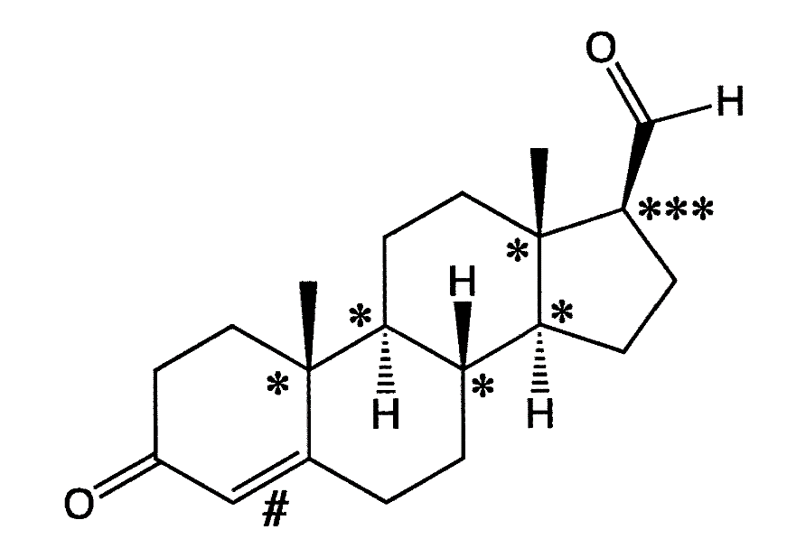 Questions 17-18 refer to the molecule shown below which is related to progesterone, an important steroid hormone.

17 | Which of the following functional groups is NOT present in the steroid? (a) Amide. (b) Ketone. (c) Alkene. (d) Aldehyde.

18 | The chiral carbons in the steroid are marked with either * or ***. How many possible stereoisomers does the steroid have? (a) 4 (b) 64 (c) 256 (d) 512

19 | Which of the following functional groups is formed by the condensation of an aldehyde and an amine? (a) Amide. (b) Imine. (c) Ester. (d) Ether.

20 | 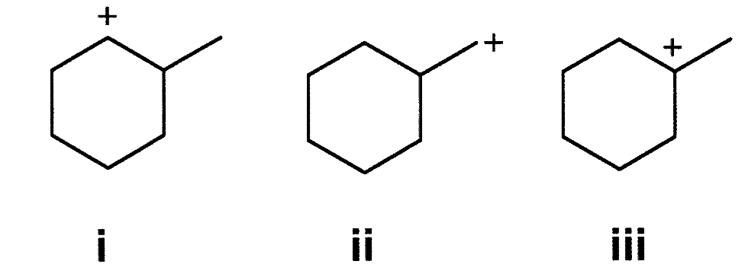 Order the following carbocations in terms of increasing stability (i.e from lowest to highest) (a) i, ii, iii (b) ii, iii, i (c) iii, ii, i (d) ii, i, iii

