F1.0
 | Bottom 50% | Middle 40% | Top 10% | Top 1%
Adult Population | 0.5 | 0.4 | 0.1 | 0.01

F1.1
F1.1 Global income and wealth inequality, 2021
 | Bottom 50% | Middle 40% | Top 10% | Top 1%
Income | 8% | 39% | 52% | 19%
Wealth | 2% | 22% | 76% | 38%

F1.2a
Figure 1.2a Average income across world regions, 2021

 | average_inc
Sub-Saharan Africa | 31%
South & South-East Asia | 50%
Latin America | 82%
Russia & Central Asia | 104%
MENA | 112%
East Asia | 117%
Europe | 215%
North America | 315%

Interpretation: In 2021, the average income of North America is 315% of world average income (at Purchasing Power Parity). Sources and series: wir2022.wid.world/methodology

F1.2b
Figure 1.2b Average wealth across world regions, 2021
 | average_weal
Sub-Saharan Africa | 17%
South & South-East Asia | 40%
Latin America | 51%
MENA | 54%
Russia & Central Asia | 54%
East Asia | 142%
Europe | 230%
North America | 390%

Interpretation: In 2021, the average wealth of North America is 390% of world average income (at Purchasing Power Parity). Net household wealth is equal to the sum of financial assets (e.g. equity or bonds) and non-financial assets (e.g. housing or land) owned by individuals, net of their debts. Sources and series: wir2022.wid.world/methodology

F1.3
F1.3 The poorest half lags behind: Bottom 50%, middle 40% and top 10% income shares across the world in 2021
 | Bottom 50% | Middle 40% | Top 10%
Europe | 19% | 45% | 36%
East Asia | 14% | 43% | 43%
North America | 13% | 41% | 46%
Russia & Central Asia | 15% | 39% | 47%
South & South-East Asia | 12% | 33% | 55%
Latin America | 10% | 34% | 55%
Sub-Saharan Africa | 9% | 35% | 56%
MENA | 9% | 33% | 58%

 | North America

F1.4
F1.4 Income gaps across the world: Top 10 % vs. bottom 50%, 2021
Europe | 9.4592084885
East Asia | 15.609665871
Russia & Central Asia | 15.931750298
North America | 17.301439285
South & South-East Asia | 22.237474442
Latin America | 27.25071907
Sub-Saharan Africa | 31.225378036
MENA | 32.303104401

Interpretation: In Latin America, the bottom 50% earns 27 times less than the top 10%. The value is 9 in Europe. Income is measured after pension and unemployment benefits are received by individuals, but before other taxes they pay and transfers they receive. Sources and series: wir2022.wid.world/methodology

F1.5
F1.5 Top 10/Bottom 50 income gaps across the world, 2021

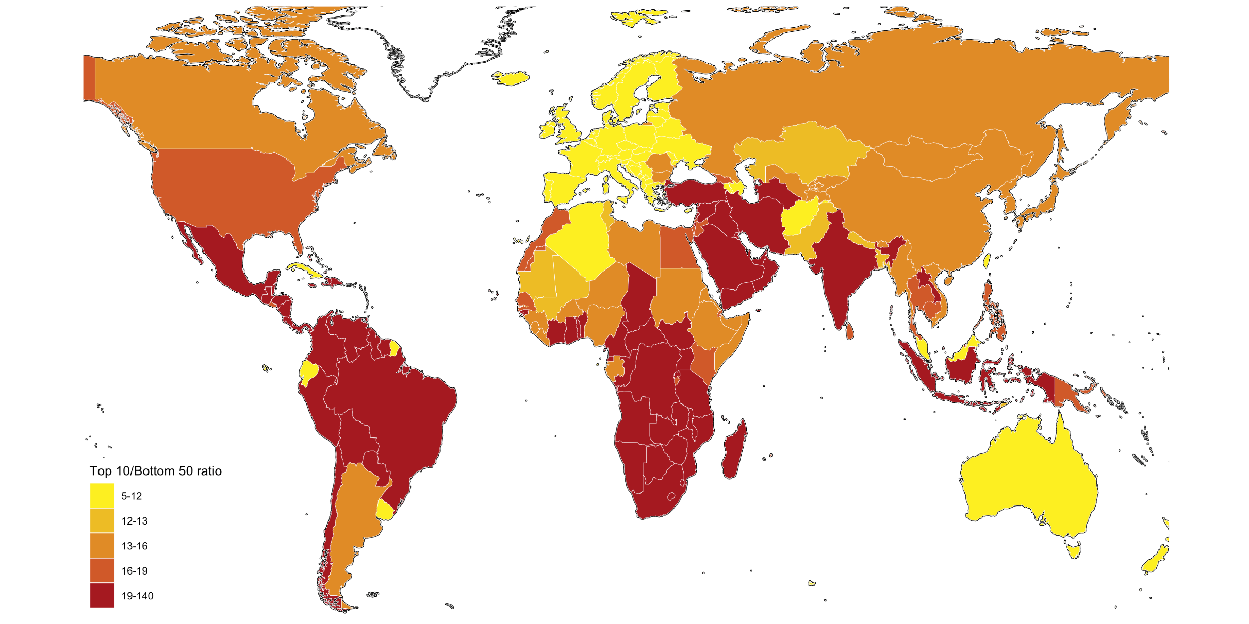

Interpretation: In Brazil, the bottom 50% earns 29 times less than the top 10%. The value is 7 in France. Income is measured after pension and unemployment benefits are received by individuals, but before other taxes they pay and transfers they receive. Sources and series: wir2022.wid.world/methodology

F1.6a
F1.6a Top 10% income shares across the world, 2021

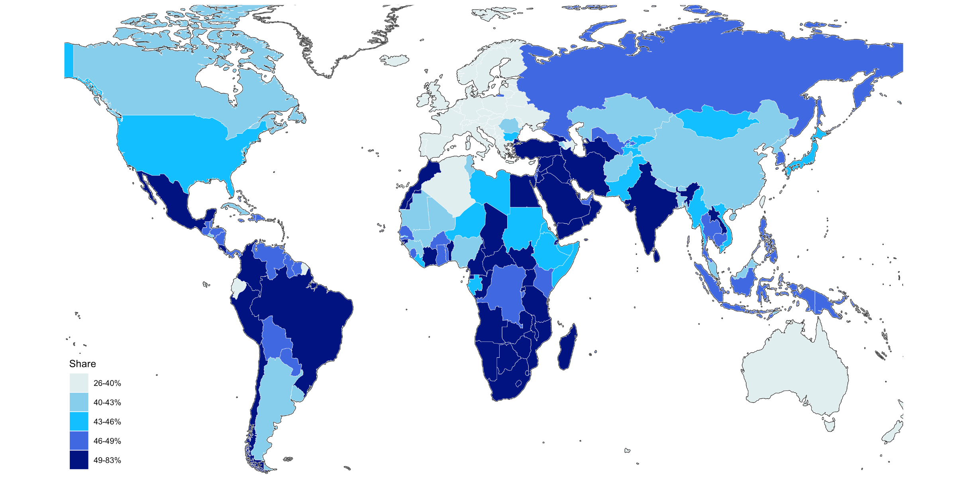

Interpretation: In South Africa, the top 10% captures 67% of total national income, whereas the value is 32% in France. Income is measured after pension and unemployment benefits are received by individuals, but before other taxes they pay and transfers they receive. Sources and series: wir2022.wid.world/methodology

F1.6b
F1.6b Bottom 50% income shares across the world, 2021

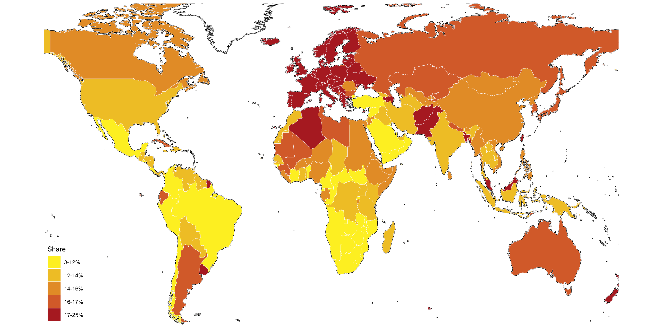

Interpretation: In South Africa, the bottom 50% captures 5% of total national income, whereas the value is 23% in France. Income is measured after pension and unemployment are benefits received by individuals, but before other taxes they pay and transfers they receive. Sources and series: wir2022.wid.world/methodology

F1.7
 | North America | Europe | East Asia | Russia & Central Asia | MENA | Latin America | South & South-East Asia | Sub-Saharan Africa
1 | 0% | 0% | 0% | 0% | 0% | 0% | 0% | 0%
1 | 0% | 0% | 0% | 0% | 0% | 0% | 0% | 0%
1 | 0% | 0% | 0% | 0% | 0% | 0% | 0% | 0%
1 | 0% | 0% | 0% | 0% | 0% | 0% | 0% | 0%
1 | 0% | 0% | 0% | 0% | 0% | 0% | 0% | 0%
1 | 0% | 0% | 0% | 0% | 0% | 0% | 0% | 0%
1 | 0% | 0% | 0% | 0% | 0% | 0% | 0% | 0%
2 | 0% | 0% | 0% | 0% | 0% | 0% | 0% | 0%
2 | 0% | 0% | 0% | 0% | 0% | 0% | 0% | 0%
2 | 0% | 0% | 0% | 0% | 0% | 0% | 0% | 0%
2 | 0% | 0% | 0% | 0% | 0% | 0% | 0% | 0%
2 | 0% | 0% | 0% | 0% | 0% | 0% | 0% | 0%
2 | 0% | 0% | 0% | 0% | 0% | 0% | 0% | 0%
2 | 0% | 0% | 0% | 0% | 0% | 0% | 0% | 0%
2 | 0% | 0% | 0% | 0% | 0% | 0% | 0% | 0%
2 | 0% | 0% | 0% | 0% | 0% | 0% | 0% | 0%
2 | 0% | 0% | 0% | 0% | 0% | 0% | 0% | 0%
3 | 0% | 0% | 0% | 0% | 0% | 0% | 0% | 0%
3 | 0% | 0% | 0% | 0% | 0% | 0% | 0% | 0%
3 | 0% | 0% | 0% | 0% | 0% | 0% | 0% | 0%
3 | 0% | 0% | 0% | 0% | 0% | 0% | 0% | 0%
3 | 0% | 0% | 0% | 0% | 0% | 0% | 0% | 0%
3 | 0% | 0% | 0% | 0% | 0% | 0% | 0% | 0%
4 | 0% | 0% | 0% | 0% | 0% | 0% | 0% | 0%
4 | 0% | 0% | 0% | 0% | 0% | 0% | 0% | 0%
4 | 0% | 0% | 0% | 0% | 0% | 0% | 0% | 0%
4 | 0% | 0% | 0% | 0% | 0% | 0% | 0% | 0%
4 | 0% | 0% | 0% | 0% | 0% | 0% | 0% | 0%
5 | 0% | 0% | 0% | 0% | 0% | 0% | 0% | 0%
5 | 0% | 0% | 0% | 0% | 0% | 0% | 0% | 0%
5 | 0% | 0% | 0% | 0% | 0% | 0% | 0% | 0%
6 | 0% | 0% | 0% | 0% | 0% | 0% | 0% | 0%
6 | 0% | 0% | 0% | 0% | 0% | 0% | 0% | 0%
6 | 0% | 0% | 0% | 0% | 0% | 0% | 0% | 0%
7 | 0% | 0% | 0% | 0% | 0% | 0% | 0% | 0%
7 | 0% | 0% | 0% | 0% | 0% | 0% | 0% | 0%
7 | 0% | 0% | 0% | 0% | 0% | 0% | 0% | 0%
8 | 0% | 0% | 0% | 0% | 0% | 0% | 0% | 0%
8 | 0% | 0% | 0% | 0% | 0% | 0% | 0% | 0%
9 | 0% | 0% | 0% | 0% | 0% | 0% | 0% | 0%
9 | 0% | 0% | 0% | 0% | 0% | 0% | 0% | 0%
10 | 0% | 0% | 0% | 0% | 0% | 0% | 0% | 0%
10 | 0% | 0% | 0% | 0% | 0% | 0% | 0% | 0%
11 | 0% | 0% | 0% | 0% | 0% | 0% | 0% | 0%
11 | 0% | 0% | 0% | 0% | 0% | 0% | 0% | 0%
12 | 0% | 0% | 0% | 0% | 0% | 0% | 0% | 0%
13 | 0% | 0% | 0% | 0% | 0% | 0% | 0% | 0%
13 | 0% | 0% | 0% | 0% | 0% | 0% | 0% | 0%
14 | 0% | 0% | 0% | 0% | 0% | 0% | 0% | 0%
15 | 0% | 0% | 0% | 0% | 0% | 0% | 0% | 0%
...

F1.8
 | India | Other Asia | China | Sub-Saharan Africa | Latin America | MENA | Russia & Central Asia | Europe | North America & Oceania
 | 16% | 17% | 17% | 24% | 9% | 7% | 3% | 4% | 3%
 | 17% | 17% | 15% | 26% | 10% | 7% | 2% | 3% | 2%
 | 18% | 17% | 13% | 29% | 11% | 7% | 2% | 3% | 1%
 | 18% | 16% | 12% | 32% | 11% | 7% | 2% | 2% | 1%
 | 18% | 15% | 11% | 33% | 12% | 6% | 2% | 2% | 1%
10 | 18% | 15% | 11% | 34% | 11% | 6% | 2% | 1% | 1%
 | 19% | 15% | 11% | 34% | 11% | 6% | 2% | 1% | 1%
 | 19% | 16% | 11% | 34% | 11% | 6% | 2% | 1% | 1%
 | 20% | 17% | 11% | 33% | 10% | 6% | 2% | 1% | 1%
 | 21% | 18% | 11% | 31% | 9% | 6% | 2% | 1% | 1%
 | 23% | 18% | 11% | 30% | 9% | 5% | 2% | 1% | 1%
 | 25% | 18% | 10% | 28% | 8% | 5% | 2% | 1% | 1%
 | 27% | 19% | 10% | 26% | 8% | 5% | 2% | 1% | 1%
 | 30% | 19% | 10% | 24% | 8% | 5% | 2% | 1% | 1%
 | 33% | 20% | 9% | 22% | 8% | 5% | 2% | 1% | 1%
20 | 35% | 20% | 9% | 20% | 7% | 4% | 2% | 1% | 1%
 | 38% | 20% | 8% | 19% | 7% | 4% | 2% | 1% | 1%
 | 39% | 21% | 8% | 17% | 7% | 4% | 2% | 1% | 1%
 | 40% | 21% | 8% | 16% | 7% | 4% | 2% | 1% | 1%
 | 40% | 22% | 8% | 15% | 7% | 4% | 2% | 1% | 1%
 | 40% | 22% | 8% | 15% | 7% | 4% | 2% | 1% | 1%
 | 40% | 23% | 8% | 14% | 7% | 4% | 2% | 1% | 1%
 | 40% | 23% | 8% | 14% | 7% | 4% | 2% | 1% | 1%
 | 39% | 23% | 9% | 13% | 7% | 4% | 2% | 1% | 1%
 | 39% | 23% | 9% | 13% | 7% | 5% | 2% | 1% | 1%
30 | 39% | 23% | 9% | 13% | 7% | 5% | 2% | 1% | 1%
 | 38% | 23% | 9% | 12% | 8% | 5% | 2% | 1% | 1%
 | 37% | 23% | 10% | 12% | 8% | 5% | 2% | 1% | 1%
 | 36% | 23% | 11% | 12% | 9% | 6% | 2% | 1% | 1%
 | 34% | 22% | 12% | 11% | 10% | 6% | 2% | 1% | 1%
 | 34% | 22% | 13% | 11% | 10% | 6% | 2% | 1% | 1%
 | 33% | 22% | 14% | 10% | 11% | 6% | 2% | 1% | 1%
 | 32% | 22% | 15% | 10% | 11% | 7% | 2% | 1% | 1%
 | 31% | 22% | 15% | 9% | 12% | 7% | 2% | 1% | 1%
 | 30% | 21% | 16% | 9% | 12% | 7% | 2% | 1% | 1%
40 | 29% | 21% | 16% | 9% | 12% | 8% | 3% | 1% | 1%
 | 29% | 21% | 16% | 9% | 12% | 8% | 3% | 2% | 1%
 | 28% | 21% | 17% | 9% | 11% | 8% | 3% | 2% | 1%
 | 27% | 21% | 17% | 9% | 11% | 8% | 3% | 2% | 1%
 | 26% | 22% | 18% | 9% | 11% | 8% | 3% | 2% | 1%
 | 25% | 21% | 19% | 9% | 11% | 9% | 4% | 2% | 1%
 | 23% | 21% | 20% | 9% | 11% | 9% | 4% | 2% | 1%
 | 22% | 21% | 21% | 8% | 12% | 9% | 4% | 2% | 1%
 | 21% | 20% | 22% | 8% | 12% | 9% | 4% | 2% | 2%
 | 20% | 20% | 23% | 8% | 12% | 9% | 4% | 2% | 2%
50 | 18% | 20% | 24% | 8% | 13% | 9% | 4% | 2% | 2%
 | 17% | 19% | 25% | 7% | 13% | 9% | 5% | 2% | 2%
 | 16% | 19% | 26% | 7% | 13% | 9% | 5% | 2% | 2%
 | 16% | 18% | 27% | 7% | 13% | 9% | 6% | 2% | 2%
 | 15% | 18% | 28% | 7% | 12% | 9% | 6% | 2% | 2%
...

F1.9a
 | T10B50post | T10B50
Europe | 5.8701734543 | 9.4592084885
East Asia | 11.603722572 | 15.609665871
Russia & Central Asia | 13.102200508 | 15.931750298
North America | 9.3703222275 | 17.301439285
South & South-East Asia | 19.498428345 | 22.237474442
Latin America | 18.924749374 | 27.25071907
Sub-Saharan Africa | 26.349140167 | 31.225378036
MENA | 20.672355652 | 32.303104401

Solid lines: after pension and unemployment insurance and before income tax
Dotted lines: after income tax & all transfers

Interpretation: In North America, the bottom 50% earns 17 times less than the top 10% before income tax, whereas after income tax and all transfers, the bottom 50% earns 9 times less than the top 10%. Income is measured after pension and unemployment payments and benefits received by individuals but before other taxes they pay and transfers they receive. Sources and series: wir2022.wid.world/methodology

F1.9b
Figure 1.9b Inequality before and after taxes, 2018-2021: T10/B50 income gap
9.4592084885 | 38%
15.609665871 | 26%
15.931750298 | 18%
17.301439285 | 46%
22.237474442 | 12%
27.25071907 | 31%
31.225378036 | 16%
32.303104401 | 36%

Interpretation: In 2018-2021, the bottom 50% in Europe earns 9 times less than the top 10%, and Inequality decreases by 38% after taxes. Income is measured after pension and unemployment payments and benefits received by individuals but before other taxes they pay and transfers they receive. Sources and series: wir2022.wid.world/methodology

F1.10.
Figure 1.10 Inequality before and after taxes 2018-2021 T10/B50 income gap
11.66960907 | 12.681470871
8.9899559021 | 7.0005908012
10.957555771 | 7.6199655533
13.180249214 | 7.4357089996
7.6796565056 | 4.4707665443
10.393104553 | 4.9566082954
9.6300048828 | 7.9452109337
9.321849823 | 6.0245556831
12.561267853 | 11.687540054
8.0607919693 | 3.9716682434
15.711232185 | 13.52493763
13.200155258 | 9.0679893494
28.280578613 | 15.157450676
17.261541367 | 14.875832558
23.97782135 | 21.272256851
19.253274918 | 18.412626266
29.074697495 | 19.063144684
19.253276825 | 15.154978752
36.492847443 | 22.451543808
7.4172744751 | 6.2177066803
19.253274918 | 13.255678177
13.057886124 | 6.1940426826
19.317314148 | 18.30295372
42.524852753 | 39.322315216
28.200511932 | 25.399927139
7.1766204834 | 5.4111475945
23.599094391 | 15.571891785
28.942710876 | 17.892631531
24.472314835 | 22.935991287
14.505123138 | 10.985621452
24.207662582 | 15.149100304
23.365573883 | 15.395693779
11.863262177 | 5.6912288666
9.494887352 | 6.6509022713
5.6075773239 | 3.8910536766
9.7601509094 | 5.5969691277
7.9181928635 | 3.4034042358
19.253274918 | 15.905640602
10.012038231 | 8.7574653625
11.562455177 | 11.315022469
9.5220689774 | 6.8245034218
16.815822601 | 12.097885132
8.1618757248 | 5.2414498329
14.358125687 | 13.143913269
7.9007191658 | 4.4835429192
7.0910902023 | 4.1195802689
15.022304535 | 13.722927094
8.7665729523 | 4.855963707
17.63293457 | 7.8754935265
20.029220581 | 18.169898987
...

Interpretation: Before taxes, the bottom 50% in South Africa earns 63 times less than the top 10%, whereas after taxes, the bottom 50% earns 24 times less than the top 10%. Income is measured after pension and unemployment payments and benefits received by individuals but before other taxes they pay and transfers they receive. Data for 2018-2021. Sources and series: wir2022.wid.world/methodology

F1.11.
 | Bottom 50% | Middle 40% | Top 10%
Europe | 4% | 37% | 59%
South & South-East Asia | 5% | 28% | 67%
East Asia | 5% | 26% | 69%
North America | 2% | 28% | 70%
Sub-Saharan Africa | 1% | 26% | 73%
Russia & Central Asia | 3% | 24% | 73%
MENA | 1% | 22% | 77%
Latin America | 1% | 22% | 77%

F1.12
Europe | 25%
East Asia | 30%
South & South-East Asia | 34%
North America | 35%
Sub-Saharan Africa | 38%
MENA | 44%
Latin America | 46%
Russia & Central Asia | 46%

Interpretation: The Top 1% in Russia and Central Asia captures 46% of total household wealth. Net household wealth is equal to the sum of financial assets (e.g. equity or bonds) and non-financial assets (e.g. housing or land) owned by individuals, net of their debts. Sources and series: wir2022.wid.world/methodology

F1.13
 | T10B50
Europe | 66.803649902
East Asia | 70.582824707
South & South-East Asia | 71.581741333
Russia & Central Asia | 127.6132431
North America | 197.41572571
MENA | 306.44000244
Sub-Saharan Africa | 351.63461304
Latin America | 630.90161133

Interpretation: The Bottom 50% in Latin America holds 630 times less of household wealth than the Top 10%. Net household wealth is equal to the sum of financial assets (e.g. equity or bonds) and non-financial assets (e.g. housing or land) owned by individuals, net of their debts. Sources and series: wir2022.wid.world/methodology

F1.14a
F1.12a The Top 10% household wealth shares across the world, 2021

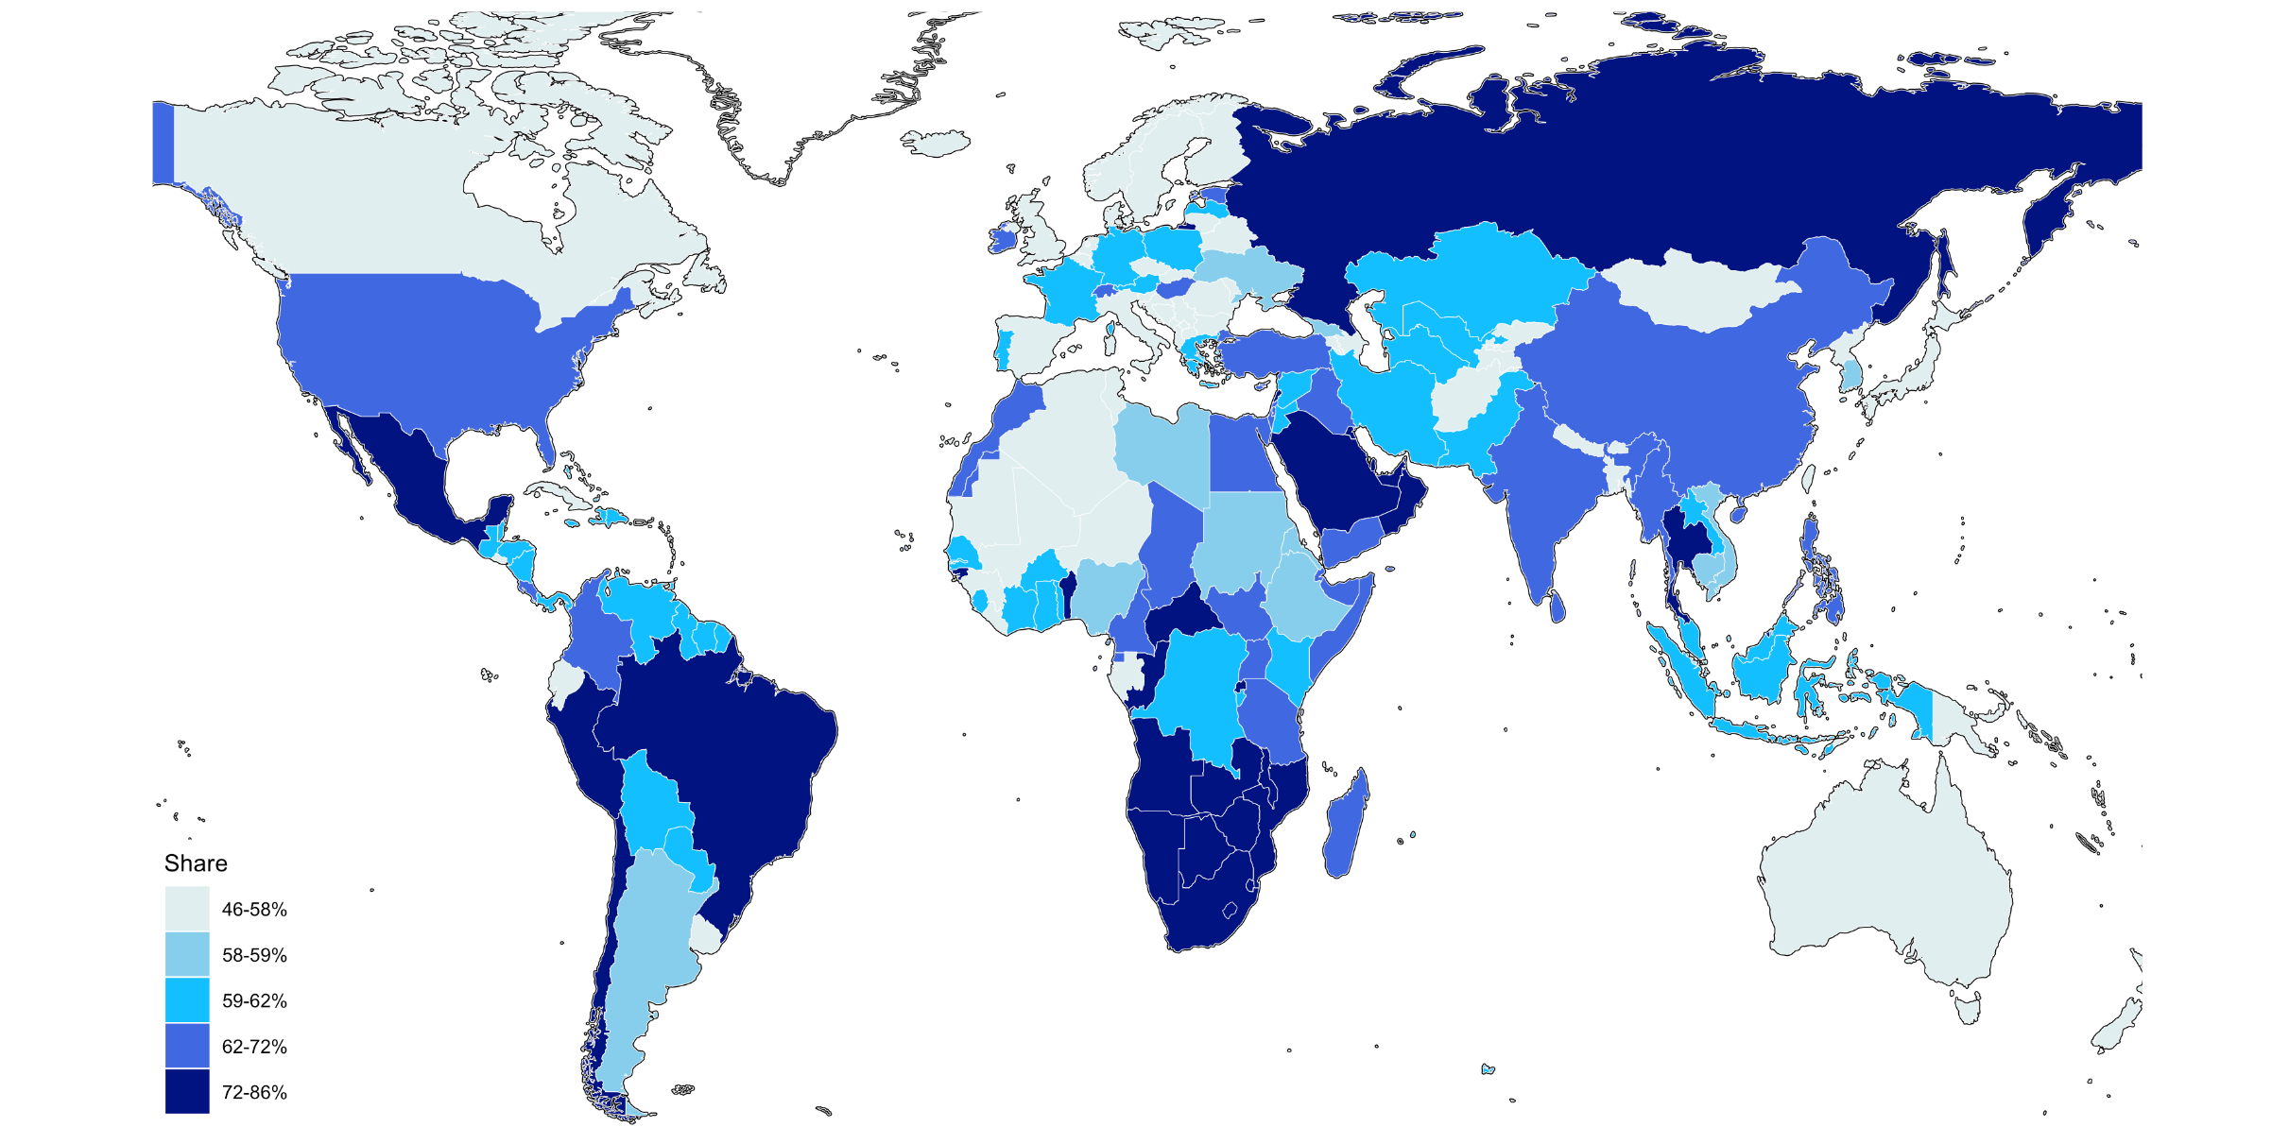

Interpretation: In Mexico, the Top 10% captures 79% of total household wealth, whereas the value is 52% in Norway. Net household wealth is equal to the sum of financial assets (e.g. equity or bonds) and non-financial assets (e.g. housing or land) owned by individuals, net of their debts. Sources and series: wir2022.wid.world/methodology

F1.14b
F1.12a Bottom 50% household wealth shares across the world, 2021

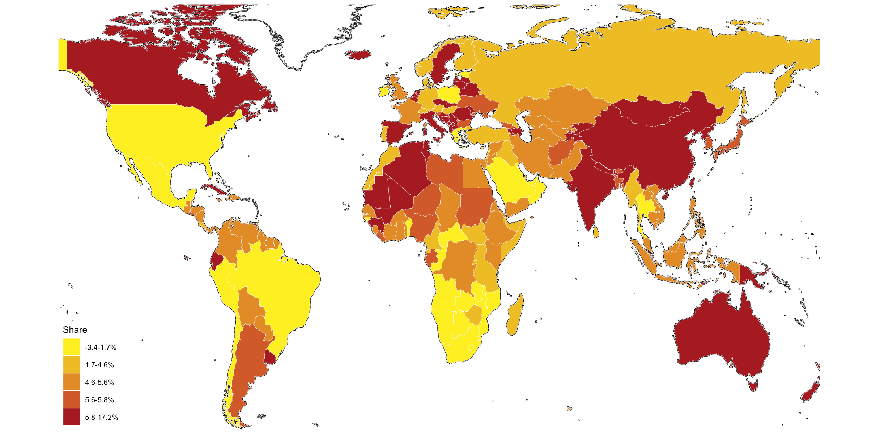

Interpretation: In Spain, the Bottom 50% captures 17% of total household wealth, whereas the value is -2% in Greece: individuals from the bottom 50% have more debt than wealth on average. Net household wealth is equal to the sum of financial assets (e.g. equity or bonds) and non-financial assets (e.g. housing or land) owned by individuals, net of their debts. Sources and series: wir2022.wid.world/methodology

F1.14c
F1.12a Middle 40% household wealth shares across the world, 2021

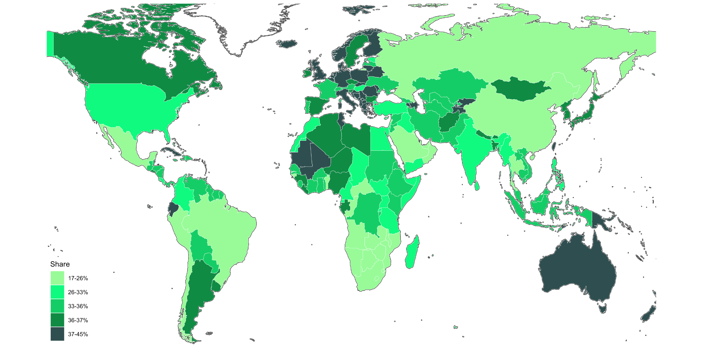

Interpretation: In Australia, the Middle 40% captures 38% of total household wealth, whereas the value is 23% in Russia. Net household wealth is equal to the sum of financial assets (e.g. equity or bonds) and non-financial assets (e.g. housing or land) owned by individuals, net of their debts. Sources and series: wir2022.wid.world/methodology

F1.15
F1.15 Global household wealth distribution in 2021

 | North America | Europe | Russia & Central Asia | MENA | Latin America | Sub-Saharan Africa | East Asia | South & South-East Asia
 | 0% | 0% | 0% | 0% | 0% | 0% | 0% | 0%
 | 0% | 0% | 0% | 0% | 0% | 0% | 0% | 0%
10 | 0% | 0% | 0% | 0% | 0% | 0% | 0% | 0%
10 | 0% | 0% | 0% | 0% | 0% | 0% | 0% | 0%
10 | 0% | 0% | 0% | 0% | 0% | 0% | 0% | 0%
10 | 0% | 0% | 0% | 0% | 0% | 0% | 0% | 0%
10 | 0% | 0% | 0% | 0% | 0% | 0% | 0% | 0%
10 | 0% | 0% | 0% | 0% | 0% | 0% | 0% | 0%
10 | 0% | 0% | 0% | 0% | 0% | 0% | 0% | 0%
10 | 0% | 0% | 0% | 0% | 0% | 0% | 0% | 0%
10 | 0% | 0% | 0% | 0% | 0% | 0% | 0% | 0%
10 | 0% | 0% | 0% | 0% | 0% | 0% | 0% | 0%
10 | 0% | 0% | 0% | 0% | 0% | 0% | 0% | 0%
10 | 0% | 0% | 0% | 0% | 0% | 0% | 0% | 0%
10 | 0% | 0% | 0% | 0% | 0% | 0% | 0% | 0%
10 | 0% | 0% | 0% | 0% | 0% | 0% | 0% | 0%
10 | 0% | 0% | 0% | 0% | 0% | 0% | 0% | 0%
20 | 0% | 0% | 0% | 0% | 0% | 0% | 0% | 0%
20 | 0% | 0% | 0% | 0% | 0% | 0% | 0% | 0%
20 | 0% | 0% | 0% | 0% | 0% | 0% | 0% | 0%
20 | 0% | 0% | 0% | 0% | 0% | 0% | 0% | 0%
20 | 0% | 0% | 0% | 0% | 0% | 0% | 0% | 0%
20 | 0% | 0% | 0% | 0% | 0% | 0% | 0% | 0%
20 | 0% | 0% | 0% | 0% | 0% | 0% | 0% | 0%
30 | 0% | 0% | 0% | 0% | 0% | 0% | 0% | 0%
30 | 0% | 0% | 0% | 0% | 0% | 0% | 0% | 0%
30 | 0% | 0% | 0% | 0% | 0% | 0% | 0% | 0%
30 | 0% | 0% | 0% | 0% | 0% | 0% | 0% | 0%
30 | 0% | 0% | 0% | 0% | 0% | 0% | 0% | 0%
40 | 0% | 0% | 0% | 0% | 0% | 0% | 0% | 0%
40 | 0% | 0% | 0% | 0% | 0% | 0% | 0% | 0%
40 | 0% | 0% | 0% | 0% | 0% | 0% | 0% | 0%
50 | 0% | 0% | 0% | 0% | 0% | 0% | 0% | 0%
50 | 0% | 0% | 0% | 0% | 0% | 0% | 0% | 0%
50 | 0% | 0% | 0% | 0% | 0% | 0% | 0% | 0%
60 | 0% | 0% | 0% | 0% | 0% | 0% | 0% | 0%
60 | 0% | 0% | 0% | 0% | 0% | 0% | 0% | 0%
70 | 0% | 0% | 0% | 0% | 0% | 0% | 0% | 0%
70 | 0% | 0% | 0% | 0% | 0% | 0% | 0% | 0%
80 | 0% | 0% | 0% | 0% | 0% | 0% | 0% | 0%
80 | 0% | 0% | 0% | 0% | 0% | 0% | 0% | 0%
90 | 0% | 0% | 0% | 0% | 0% | 0% | 0% | 0%
100 | 0% | 0% | 0% | 0% | 0% | 1% | 0% | 0%
100 | 0% | 0% | 0% | 0% | 0% | 1% | 0% | 0%
110 | 0% | 0% | 0% | 0% | 0% | 1% | 0% | 0%
120 | 0% | 0% | 0% | 0% | 0% | 1% | 0% | 0%
130 | 0% | 0% | 0% | 0% | 0% | 1% | 0% | 0%
140 | 0% | 0% | 0% | 0% | 0% | 1% | 0% | 0%
150 | 0% | 0% | 0% | 0% | 0% | 1% | 0% | 0%
160 | 0% | 0% | 0% | 0% | 0% | 1% | 0% | 0%
...

F1.16
 | India | Other Asia | China | Sub-Saharan Africa | Latin America | MENA | Russia & Central Asia | Europe | North America & Oceania
 | 9% | 19% | 5% | 23% | 10% | 8% | 5% | 6% | 14%
 | 9% | 17% | 3% | 27% | 10% | 8% | 5% | 6% | 15%
 | 9% | 17% | 3% | 30% | 9% | 8% | 5% | 5% | 15%
 | 9% | 17% | 3% | 32% | 8% | 8% | 4% | 5% | 15%
 | 9% | 18% | 3% | 33% | 8% | 8% | 4% | 4% | 14%
10 | 9% | 19% | 3% | 33% | 9% | 8% | 4% | 4% | 12%
 | 10% | 20% | 3% | 32% | 10% | 8% | 4% | 3% | 9%
 | 10% | 22% | 4% | 30% | 11% | 9% | 5% | 3% | 6%
 | 11% | 23% | 5% | 29% | 11% | 9% | 5% | 3% | 4%
 | 11% | 24% | 6% | 27% | 12% | 9% | 5% | 3% | 3%
 | 12% | 25% | 6% | 24% | 13% | 10% | 5% | 2% | 3%
 | 13% | 25% | 6% | 23% | 13% | 10% | 5% | 2% | 3%
 | 14% | 25% | 7% | 21% | 13% | 10% | 5% | 2% | 2%
 | 15% | 24% | 7% | 21% | 13% | 10% | 5% | 2% | 2%
 | 16% | 24% | 8% | 20% | 13% | 10% | 5% | 2% | 2%
20 | 17% | 23% | 8% | 20% | 13% | 10% | 5% | 2% | 1%
 | 19% | 23% | 8% | 20% | 13% | 10% | 5% | 2% | 1%
 | 20% | 23% | 8% | 19% | 12% | 9% | 5% | 2% | 1%
 | 20% | 23% | 8% | 19% | 12% | 9% | 6% | 2% | 1%
 | 21% | 23% | 8% | 18% | 12% | 9% | 6% | 2% | 1%
 | 21% | 23% | 8% | 18% | 11% | 9% | 6% | 2% | 1%
 | 22% | 23% | 9% | 17% | 11% | 9% | 5% | 2% | 1%
 | 22% | 23% | 9% | 17% | 12% | 9% | 5% | 2% | 1%
 | 23% | 24% | 9% | 16% | 12% | 9% | 5% | 2% | 1%
 | 24% | 24% | 9% | 16% | 12% | 9% | 5% | 2% | 1%
30 | 24% | 24% | 9% | 15% | 12% | 9% | 4% | 2% | 1%
 | 25% | 23% | 8% | 15% | 12% | 9% | 4% | 3% | 1%
 | 26% | 23% | 8% | 14% | 12% | 9% | 4% | 3% | 1%
 | 26% | 23% | 9% | 13% | 12% | 8% | 4% | 3% | 1%
 | 26% | 22% | 12% | 13% | 11% | 8% | 4% | 2% | 1%
 | 25% | 22% | 15% | 12% | 11% | 8% | 4% | 2% | 1%
 | 23% | 22% | 19% | 11% | 10% | 8% | 4% | 2% | 1%
 | 22% | 21% | 21% | 10% | 10% | 7% | 4% | 3% | 1%
 | 22% | 20% | 22% | 10% | 10% | 7% | 4% | 3% | 1%
 | 22% | 20% | 23% | 10% | 10% | 7% | 4% | 3% | 1%
40 | 22% | 20% | 23% | 10% | 10% | 8% | 4% | 3% | 1%
 | 23% | 20% | 22% | 10% | 10% | 8% | 4% | 3% | 1%
 | 23% | 20% | 20% | 10% | 10% | 8% | 4% | 3% | 1%
 | 24% | 21% | 18% | 10% | 10% | 8% | 4% | 3% | 2%
 | 26% | 21% | 17% | 10% | 10% | 8% | 4% | 3% | 2%
 | 26% | 20% | 16% | 10% | 10% | 8% | 4% | 3% | 2%
 | 26% | 20% | 18% | 9% | 10% | 8% | 4% | 3% | 1%
 | 26% | 20% | 19% | 9% | 10% | 8% | 4% | 3% | 2%
 | 25% | 19% | 21% | 8% | 9% | 8% | 4% | 3% | 2%
 | 24% | 19% | 23% | 8% | 9% | 8% | 4% | 3% | 2%
50 | 24% | 18% | 25% | 8% | 9% | 7% | 5% | 3% | 2%
 | 23% | 18% | 26% | 8% | 9% | 7% | 5% | 3% | 2%
 | 23% | 18% | 26% | 7% | 9% | 7% | 5% | 3% | 2%
 | 23% | 18% | 26% | 7% | 9% | 7% | 5% | 3% | 2%
 | 23% | 18% | 26% | 7% | 9% | 7% | 5% | 3% | 2%
...

FB1.1
 | 2020 | 2021
East Asia | 0% | 9%
Sub-Saharan Africa | -3% | 1%
MENA | -3% | 0%
Russia & Central Asia | -4% | 1%
World | -4% | 3%
North America & Oceania | -5% | 3%
South & South-East Asia | -6% | 3%
Europe | -8% | -2%
Latin America | -8% | -6%

FB1.2
Figure B1.2. Share of 2020 global recession captured by world region
 | region 5
Europe | 31%
South & South-East Asia | 24%
North America & Oceania | 19%
Latin America | 14%
MENA | 6%
Russia & Central Asia | 4%
Sub-Saharan Africa | 2%
East Asia | 0%

