Sheet1
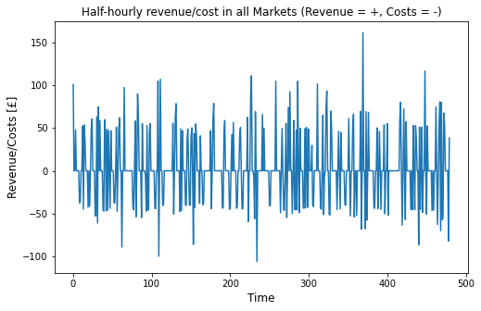
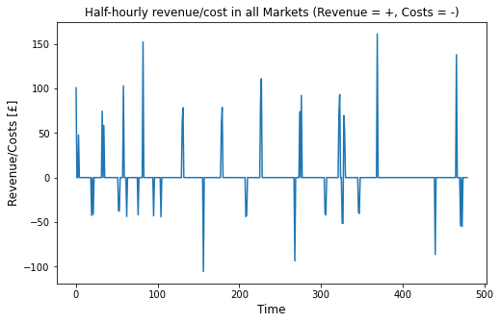
Time | Without Charge/Discharge Cycle Limitations (High Degradation) |  |  |  |  |  |  | With Charge/Discharge Cycle Limitations (Low Degradation) |  |  |  |  |  |  | Without Cycle Limitations (High Degradation) Results in Figures | With Cycle Limitations (Low Degradation) Results in Figures
 | Charging |  |  | Discharging |  |  | Market Revenue/Costs [GBP] | Charging |  |  | Discharging |  |  | Market Revenue/Costs [GBP]
 | Market 1 | Market 2 | Market 3 | Market 1 | Market 2 | Market 3 |  | Market 1 | Market 2 | Market 3 | Market 1 | Market 2 | Market 3
1/1/18 | 0 | 0 | 0 | 2 | 2 | 0 | 100.65 | 0 | 0 | 0 | 2 | 2 | 0 | 100.65
1/1/18 | 0.32132963989 | 0 | 0 | 0 | 0 | 0 | -8.0027146814 | 0 | 0 | 0 | 0 | 0 | 0 | 0
1/1/18 | 0 | 0 | 0 | 0 | 0 | 0 | 0 | 0 | 0 | 0 | 0 | 0 | 0 | 0
1/1/18 | 0 | 0 | 0 | 1.0019762797E-15 | 2 | 0 | 55.84 | 0 | 0 | 0 | 0 | 1.71 | 0 | 47.7432
1/1/18 | 0 | 0 | 0 | 0 | 0 | 0 | 0 | 0 | 0 | 0 | 0 | 0 | 0 | 0
1/1/18 | 0 | 0 | 0 | 0 | 0 | 0 | 0 | 0 | 0 | 0 | 0 | 0 | 0 | 0
1/1/18 | 0 | 0 | 0 | 0 | 0 | 0 | 0 | 0 | 0 | 0 | 0 | 0 | 0 | 0
1/1/18 | 0 | 0 | 0 | 0 | 0 | 0 | 0 | 0 | 0 | 0 | 0 | 0 | 0 | 0
1/1/18 | 2 | 0 | 0 | 0 | 0 | 0 | -37.55 | 0 | 0 | 0 | 0 | 0 | 0 | 0
1/1/18 | 2 | 0 | 0 | 0 | 0 | 0 | -36.56 | 0 | 0 | 0 | 0 | 0 | 0 | 0
1/1/18 | 0 | 0 | 0 | 0 | 0 | 0 | 0 | 0 | 0 | 0 | 0 | 0 | 0 | 0
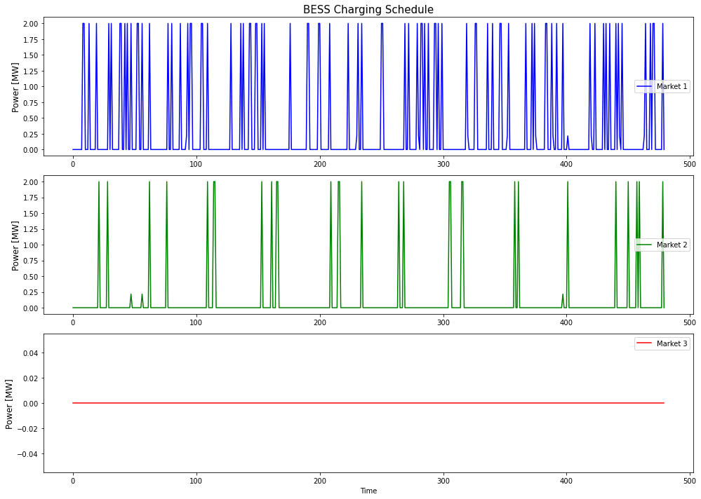
1/1/18 | 0 | 0 | 0 | 0 | 0 | 0 | 0 | 0 | 0 | 0 | 0 | 0 | 0 | 0
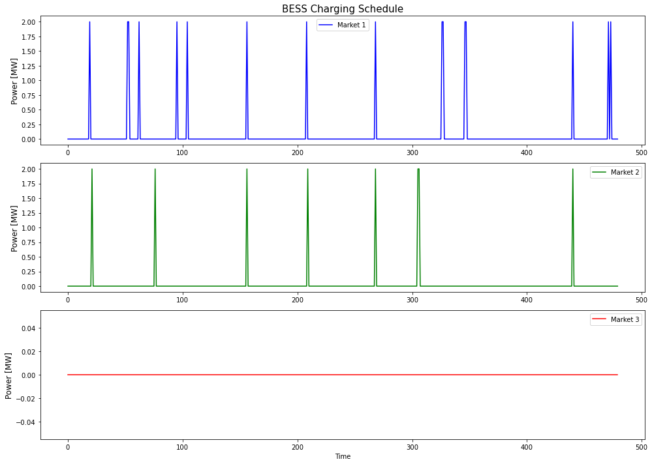
1/1/18 | 0 | 0 | 0 | 0 | 2 | 0 | 52.32 | 0 | 0 | 0 | 0 | 0 | 0 | 0
1/1/18 | 2 | 0 | 0 | 0 | 0 | 0 | -44.83 | 0 | 0 | 0 | 0 | 0 | 0 | 0
1/1/18 | 0 | 0 | 0 | 0 | 2 | 0 | 53.35 | 0 | 0 | 0 | 0 | 0 | 0 | 0
1/1/18 | 0 | 0 | 0 | 0 | 1.415 | 0 | 36.04005 | 0 | 0 | 0 | 0 | 0 | 0 | 0
1/1/18 | 0 | 0 | 0 | 0 | 0 | 0 | 0 | 0 | 0 | 0 | 0 | 0 | 0 | 0
1/1/18 | 0 | 0 | 0 | 0 | 0 | 0 | 0 | 0 | 0 | 0 | 0 | 0 | 0 | 0
1/1/18 | 0 | 0 | 0 | 0 | 0 | 0 | 0 | 0 | 0 | 0 | 0 | 0 | 0 | 0
1/1/18 | 2 | 0 | 0 | 0 | 0 | 0 | -42.59 | 2 | 0 | 0 | 0 | 0 | 0 | -42.59
1/1/18 | 0 | 0 | 0 | 0 | 0 | 0 | 0 | 0 | 0 | 0 | 0 | 0 | 0 | 0
1/1/18 | 0 | 2 | 0 | 0 | 0 | 0 | -41.34 | 0 | 2 | 0 | 0 | 0 | 0 | -41.34
1/1/18 | 0 | 0 | 0 | 0 | 0 | 0 | 0 | 0 | 0 | 0 | 0 | 0 | 0 | 0
1/1/18 | 0 | 0 | 0 | 1.61 | 0 | 0 | 48.75885 | 0 | 0 | 0 | 0 | 0 | 0 | 0
1/1/18 | 0 | 0 | 0 | 0 | 2 | 0 | 60.6 | 0 | 0 | 0 | 0 | 0 | 0 | 0
1/1/18 | 0 | 0 | 0 | 0 | 0 | 0 | 0 | 0 | 0 | 0 | 0 | 0 | 0 | 0
1/1/18 | 0 | 0 | 0 | 0 | 0 | 0 | 0 | 0 | 0 | 0 | 0 | 0 | 0 | 0
1/1/18 | 0 | 0 | 0 | 0 | 0 | 0 | 0 | 0 | 0 | 0 | 0 | 0 | 0 | 0
1/1/18 | 0 | 2 | 0 | 0 | 0 | 0 | -52.57 | 0 | 0 | 0 | 0 | 0 | 0 | 0
1/1/18 | 2 | 0 | 0 | 0 | 0 | 0 | -52.55 | 0 | 0 | 0 | 0 | 0 | 0 | 0
1/1/18 | 0 | 0 | 0 | 0 | 1.805 | 0 | 62.97645 | 0 | 0 | 0 | 0 | 0 | 0 | 0
1/1/18 | 2 | 0 | 0 | 0 | 0 | 0 | -61.01 | 0 | 0 | 0 | 0 | 0 | 0 | 0
1/1/18 | 0 | 0 | 0 | 0 | 2 | 0 | 74.56 | 0 | 0 | 0 | 0 | 2 | 0 | 74.56
1/1/18 | 0.43213296399 | 0 | 0 | 0 | 0 | 0 | -14.024875346 | 0 | 0 | 0 | 0 | 0 | 0 | 0
1/1/18 | 0 | 0 | 0 | 0 | 2 | 0 | 72.77 | 0 | 0 | 0 | 0 | 1.61 | 0 | 58.57985
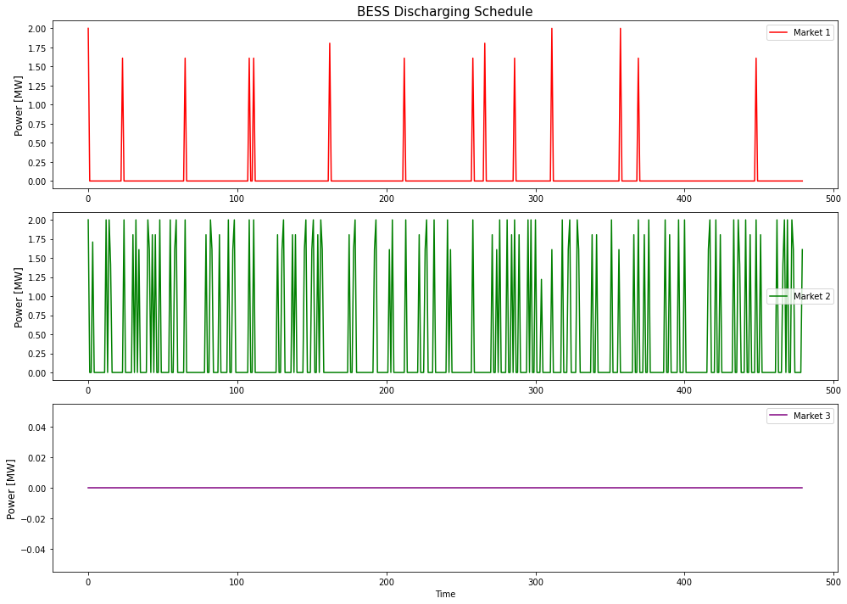
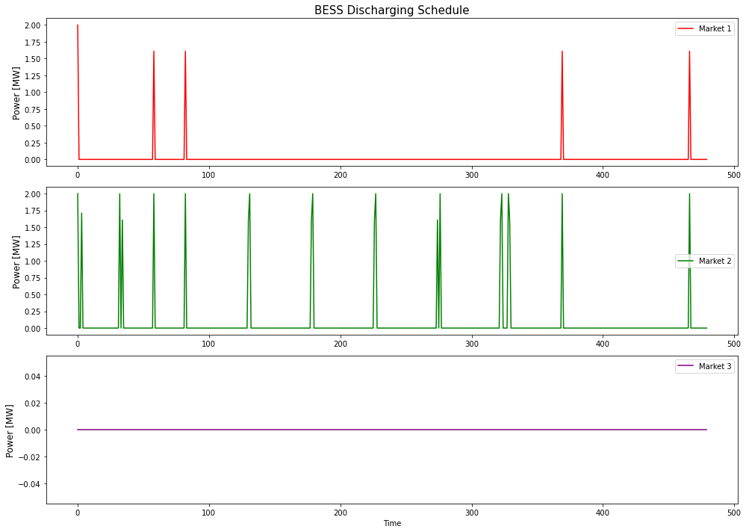
1/1/18 | 0 | 0 | 0 | 0 | 0 | 0 | 0 | 0 | 0 | 0 | 0 | 0 | 0 | 0
1/1/18 | 0 | 0 | 0 | 0 | 0 | 0 | 0 | 0 | 0 | 0 | 0 | 0 | 0 | 0
1/1/18 | 0 | 0 | 0 | 0 | 0 | 0 | 0 | 0 | 0 | 0 | 0 | 0 | 0 | 0
1/1/18 | 2 | 0 | 0 | 0 | 0 | 0 | -46.13 | 0 | 0 | 0 | 0 | 0 | 0 | 0
1/1/18 | 2 | 0 | 0 | 0 | 0 | 0 | -47.03 | 0 | 0 | 0 | 0 | 0 | 0 | 0
1/1/18 | 0 | 0 | 0 | 0 | 2 | 0 | 59.55 | 0 | 0 | 0 | 0 | 0 | 0 | 0
1/1/18 | 0 | 0 | 0 | 0 | 1.61 | 0 | 45.08 | 0 | 0 | 0 | 0 | 0 | 0 | 0
1/1/18 | 2 | 0 | 0 | 0 | 0 | 0 | -46.95 | 0 | 0 | 0 | 0 | 0 | 0 | 0
1/1/18 | 0 | 0 | 0 | 0 | 1.805 | 0 | 48.455225 | 0 | 0 | 0 | 0 | 0 | 0 | 0
1/1/18 | 2 | 0 | 0 | 0 | 0 | 0 | -46.08 | 0 | 0 | 0 | 0 | 0 | 0 | 0
1/1/18 | 0 | 0 | 0 | 0 | 1.805 | 0 | 47.0744 | 0 | 0 | 0 | 0 | 0 | 0 | 0
1/1/18 | 0 | 0 | 0 | 0 | 0 | 0 | 0 | 0 | 0 | 0 | 0 | 0 | 0 | 0
1/1/18 | 2 | 0.21606648199 | 0 | 0 | 0 | 0 | -43.76800554 | 0 | 0 | 0 | 0 | 0 | 0 | 0
1/2/18 | 0 | 0 | 0 | 0 | 2 | 0 | 46.73 | 0 | 0 | 0 | 0 | 0 | 0 | 0
1/2/18 | 2 | 0 | 0 | 0 | 0 | 0 | -40.6 | 0 | 0 | 0 | 0 | 0 | 0 | 0
1/2/18 | 0 | 0 | 0 | 0 | 1.805 | 0 | 40.693725 | 0 | 0 | 0 | 0 | 0 | 0 | 0
1/2/18 | 0 | 0 | 0 | 0 | 0 | 0 | 0 | 0 | 0 | 0 | 0 | 0 | 0 | 0
1/2/18 | 2 | 0 | 0 | 0 | 0 | 0 | -37.28 | 2 | 0 | 0 | 0 | 0 | 0 | -37.28
1/2/18 | 2 | 0 | 0 | 0 | 0 | 0 | -37.66 | 2 | 0 | 0 | 0 | 0 | 0 | -37.66
1/2/18 | 0 | 0 | 0 | 0 | 0 | 0 | 0 | 0 | 0 | 0 | 0 | 0 | 0 | 0
1/2/18 | 0 | 0 | 0 | 0 | 2 | 0 | 50.99 | 0 | 0 | 0 | 0 | 0 | 0 | 0
1/2/18 | 2 | 0 | 0 | 0 | 0 | 0 | -42.21 | 0 | 0 | 0 | 0 | 0 | 0 | 0
1/2/18 | 0.21606648199 | 0 | 0 | 0 | 0 | 0 | -4.6540720222 | 0 | 0 | 0 | 0 | 0 | 0 | 0
1/2/18 | 0 | 0 | 0 | 0 | 1.61 | 0 | 47.48695 | 0 | 0 | 0 | 1.61 | 2 | 0 | 102.93495
1/2/18 | 0 | 0 | 0 | 0 | 2 | 0 | 62.02 | 0 | 0 | 0 | 0 | 0 | 0 | 0
1/2/18 | 0 | 0 | 0 | 0 | 0 | 0 | 0 | 0 | 0 | 0 | 0 | 0 | 0 | 0
1/2/18 | 0 | 0 | 0 | 0 | 0 | 0 | 0 | 0 | 0 | 0 | 0 | 0 | 0 | 0
1/2/18 | 2 | 2 | 0 | 0 | 0 | 0 | -89.06 | 2 | 0 | 0 | 0 | 0 | 0 | -43.64
1/2/18 | 0 | 0 | 0 | 0 | 0 | 0 | 0 | 0 | 0 | 0 | 0 | 0 | 0 | 0
1/2/18 | 0 | 0 | 0 | 0 | 0 | 0 | 0 | 0 | 0 | 0 | 0 | 0 | 0 | 0
1/2/18 | 0 | 0 | 0 | 1.61 | 2 | 0 | 97.2624 | 0 | 0 | 0 | 0 | 0 | 0 | 0
1/2/18 | 0 | 0 | 0 | 0 | 0 | 0 | 0 | 0 | 0 | 0 | 0 | 0 | 0 | 0
1/2/18 | 0 | 2 | 0 | 0 | 0 | 0 | -47.37 | 0 | 0 | 0 | 0 | 0 | 0 | 0
1/2/18 | 0 | 0 | 0 | 0 | 0 | 0 | 0 | 0 | 0 | 0 | 0 | 0 | 0 | 0
1/2/18 | 0 | 0 | 0 | 0 | 0 | 0 | 0 | 0 | 0 | 0 | 0 | 0 | 0 | 0
1/2/18 | 0 | 0 | 0 | 0 | 0 | 0 | 0 | 0 | 0 | 0 | 0 | 0 | 0 | 0
1/2/18 | 0 | 0 | 0 | 1.805 | 0 | 0 | 47.462475 | 0 | 0 | 0 | 0 | 0 | 0 | 0
1/2/18 | 0 | 0 | 0 | 0 | 0 | 0 | 0 | 0 | 0 | 0 | 0 | 0 | 0 | 0
1/2/18 | 0 | 0 | 0 | 0 | 0 | 0 | 0 | 0 | 0 | 0 | 0 | 0 | 0 | 0
1/2/18 | 0 | 0 | 0 | 0 | 0 | 0 | 0 | 0 | 0 | 0 | 0 | 0 | 0 | 0
1/2/18 | 0 | 0 | 0 | 0 | 0 | 0 | 0 | 0 | 0 | 0 | 0 | 0 | 0 | 0
1/2/18 | 0 | 2 | 0 | 0 | 0 | 0 | -41.79 | 0 | 2 | 0 | 0 | 0 | 0 | -41.79
1/2/18 | 2 | 0 | 0 | 0 | 0 | 0 | -45.56 | 0 | 0 | 0 | 0 | 0 | 0 | 0
1/2/18 | 0 | 0 | 0 | 0 | 0 | 0 | 0 | 0 | 0 | 0 | 0 | 0 | 0 | 0
1/2/18 | 0 | 0 | 0 | 0 | 1.805 | 0 | 58.0849 | 0 | 0 | 0 | 0 | 0 | 0 | 0
1/2/18 | 2 | 0 | 0 | 0 | 0 | 0 | -53.69 | 0 | 0 | 0 | 0 | 0 | 0 | 0
1/2/18 | 0 | 0 | 0 | 0 | 0 | 0 | 0 | 0 | 0 | 0 | 0 | 0 | 0 | 0
1/2/18 | 0 | 0 | 0 | 0 | 2 | 0 | 89.69 | 0 | 0 | 0 | 1.61 | 2 | 0 | 152.4317
1/2/18 | 0 | 0 | 0 | 0 | 1.61 | 0 | 66.09855 | 0 | 0 | 0 | 0 | 0 | 0 | 0
1/2/18 | 0 | 0 | 0 | 0 | 0 | 0 | 0 | 0 | 0 | 0 | 0 | 0 | 0 | 0
1/2/18 | 0 | 0 | 0 | 0 | 0 | 0 | 0 | 0 | 0 | 0 | 0 | 0 | 0 | 0
1/2/18 | 0 | 0 | 0 | 0 | 0 | 0 | 0 | 0 | 0 | 0 | 0 | 0 | 0 | 0
1/2/18 | 2 | 0 | 0 | 0 | 0 | 0 | -54.67 | 0 | 0 | 0 | 0 | 0 | 0 | 0
1/2/18 | 0 | 0 | 0 | 1.5820678101E-16 | 1.805 | 0 | 55.061525 | 0 | 0 | 0 | 0 | 0 | 0 | 0
1/2/18 | 0 | 0 | 0 | 0 | 0 | 0 | 0 | 0 | 0 | 0 | 0 | 0 | 0 | 0
1/2/18 | 0 | 0 | 0 | 0 | 0 | 0 | 0 | 0 | 0 | 0 | 0 | 0 | 0 | 0
1/2/18 | 0 | 0 | 0 | 0 | 0 | 0 | 0 | 0 | 0 | 0 | 0 | 0 | 0 | 0
1/2/18 | 0.21606648199 | 0 | 0 | 0 | 0 | 0 | -5.1229362881 | 0 | 0 | 0 | 0 | 0 | 0 | 0
1/2/18 | 2 | 0 | 0 | 0 | 0 | 0 | -47.13 | 0 | 0 | 0 | 0 | 0 | 0 | 0
1/2/18 | 0 | 0 | 0 | 0 | 2 | 0 | 53.04 | 0 | 0 | 0 | 0 | 0 | 0 | 0
1/2/18 | 2 | 0 | 0 | 0 | 0 | 0 | -43.08 | 2 | 0 | 0 | 0 | 0 | 0 | -43.08
1/3/18 | 2 | 0 | 0 | 0 | 0 | 0 | -45.97 | 0 | 0 | 0 | 0 | 0 | 0 | 0
1/3/18 | 0 | 0 | 0 | 0 | 1.61 | 0 | 44.114 | 0 | 0 | 0 | 0 | 0 | 0 | 0
1/3/18 | 0 | 0 | 0 | 0 | 2 | 0 | 54.93 | 0 | 0 | 0 | 0 | 0 | 0 | 0
1/3/18 | 0 | 0 | 0 | 0 | 0 | 0 | 0 | 0 | 0 | 0 | 0 | 0 | 0 | 0
1/3/18 | 0 | 0 | 0 | 0 | 0 | 0 | 0 | 0 | 0 | 0 | 0 | 0 | 0 | 0
1/3/18 | 0 | 0 | 0 | 0 | 0 | 0 | 0 | 0 | 0 | 0 | 0 | 0 | 0 | 0
1/3/18 | 0 | 0 | 0 | 0 | 0 | 0 | 0 | 0 | 0 | 0 | 0 | 0 | 0 | 0
1/3/18 | 0 | 0 | 0 | 0 | 0 | 0 | 0 | 0 | 0 | 0 | 0 | 0 | 0 | 0
1/3/18 | 2 | 0 | 0 | 0 | 0 | 0 | -44.08 | 2 | 0 | 0 | 0 | 0 | 0 | -44.08
1/3/18 | 2 | 0 | 0 | 0 | 0 | 0 | -44.35 | 0 | 0 | 0 | 0 | 0 | 0 | 0
1/3/18 | 0 | 0 | 0 | 0 | 0 | 0 | 0 | 0 | 0 | 0 | 0 | 0 | 0 | 0
1/3/18 | 0 | 0 | 0 | 0 | 0 | 0 | 0 | 0 | 0 | 0 | 0 | 0 | 0 | 0
1/3/18 | 0 | 0 | 0 | 1.61 | 2 | 0 | 104.7407 | 0 | 0 | 0 | 0 | 0 | 0 | 0
1/3/18 | 2 | 2 | 0 | 0 | 0 | 0 | -99.78 | 0 | 0 | 0 | 0 | 0 | 0 | 0
1/3/18 | 0 | 0 | 0 | 0 | 0 | 0 | 0 | 0 | 0 | 0 | 0 | 0 | 0 | 0
1/3/18 | 0 | 0 | 0 | 1.61 | 2 | 0 | 106.87265 | 0 | 0 | 0 | 0 | 0 | 0 | 0
1/3/18 | 0 | 0 | 0 | 0 | 0 | 0 | 0 | 0 | 0 | 0 | 0 | 0 | 0 | 0
1/3/18 | 0 | 0 | 0 | 0 | 0 | 0 | 0 | 0 | 0 | 0 | 0 | 0 | 0 | 0
1/3/18 | 0 | 2 | 0 | 0 | 0 | 0 | -40.47 | 0 | 0 | 0 | 0 | 0 | 0 | 0
1/3/18 | 0 | 2 | 0 | 0 | 0 | 0 | -40.01 | 0 | 0 | 0 | 0 | 0 | 0 | 0
1/3/18 | 0 | 0 | 0 | 0 | 0 | 0 | 0 | 0 | 0 | 0 | 0 | 0 | 0 | 0
1/3/18 | 0 | 0 | 0 | 0 | 0 | 0 | 0 | 0 | 0 | 0 | 0 | 0 | 0 | 0
1/3/18 | 0 | 0 | 0 | 0 | 0 | 0 | 0 | 0 | 0 | 0 | 0 | 0 | 0 | 0
1/3/18 | 0 | 0 | 0 | 0 | 0 | 0 | 0 | 0 | 0 | 0 | 0 | 0 | 0 | 0
1/3/18 | 0 | 0 | 0 | 0 | 0 | 0 | 0 | 0 | 0 | 0 | 0 | 0 | 0 | 0
1/3/18 | 0 | 0 | 0 | 0 | 0 | 0 | 0 | 0 | 0 | 0 | 0 | 0 | 0 | 0
1/3/18 | 0 | 0 | 0 | 0 | 0 | 0 | 0 | 0 | 0 | 0 | 0 | 0 | 0 | 0
1/3/18 | 0 | 0 | 0 | 0 | 0 | 0 | 0 | 0 | 0 | 0 | 0 | 0 | 0 | 0
1/3/18 | 0 | 0 | 0 | 0 | 0 | 0 | 0 | 0 | 0 | 0 | 0 | 0 | 0 | 0
1/3/18 | 0 | 0 | 0 | 0 | 0 | 0 | 0 | 0 | 0 | 0 | 0 | 0 | 0 | 0
1/3/18 | 0 | 0 | 0 | 0 | 0 | 0 | 0 | 0 | 0 | 0 | 0 | 0 | 0 | 0
1/3/18 | 0 | 0 | 0 | 0 | 1.805 | 0 | 55.404475 | 0 | 0 | 0 | 0 | 0 | 0 | 0
1/3/18 | 2 | 0 | 0 | 0 | 0 | 0 | -50.68 | 0 | 0 | 0 | 0 | 0 | 0 | 0
1/3/18 | 0 | 0 | 0 | 0 | 0 | 0 | 0 | 0 | 0 | 0 | 0 | 0 | 0 | 0
1/3/18 | 0 | 0 | 0 | 0 | 1.61 | 0 | 62.951 | 0 | 0 | 0 | 0 | 1.61 | 0 | 62.951
1/3/18 | 0 | 0 | 0 | 0 | 2 | 0 | 78.44 | 0 | 0 | 0 | 0 | 2 | 0 | 78.44
1/3/18 | 0 | 0 | 0 | 0 | 0 | 0 | 0 | 0 | 0 | 0 | 0 | 0 | 0 | 0
1/3/18 | 0 | 0 | 0 | 0 | 0 | 0 | 0 | 0 | 0 | 0 | 0 | 0 | 0 | 0
1/3/18 | 0 | 0 | 0 | 0 | 0 | 0 | 0 | 0 | 0 | 0 | 0 | 0 | 0 | 0
1/3/18 | 0.21606648199 | 0 | 0 | 0 | 0 | 0 | -5.2298891967 | 0 | 0 | 0 | 0 | 0 | 0 | 0
1/3/18 | 2 | 0 | 0 | 0 | 0 | 0 | -47.62 | 0 | 0 | 0 | 0 | 0 | 0 | 0
1/3/18 | 0 | 0 | 0 | 0 | 2 | 0 | 54.2 | 0 | 0 | 0 | 0 | 0 | 0 | 0
1/3/18 | 2 | 0 | 0 | 0 | 0 | 0 | -46.58 | 0 | 0 | 0 | 0 | 0 | 0 | 0
1/3/18 | 0 | 0 | 0 | 1.5820678101E-16 | 1.805 | 0 | 46.939025 | 0 | 0 | 0 | 0 | 0 | 0 | 0
1/3/18 | 0 | 0 | 0 | 0 | 0 | 0 | 0 | 0 | 0 | 0 | 0 | 0 | 0 | 0
1/3/18 | 0 | 0 | 0 | 0 | 0 | 0 | 0 | 0 | 0 | 0 | 0 | 0 | 0 | 0
1/3/18 | 0 | 0 | 0 | 0 | 0 | 0 | 0 | 0 | 0 | 0 | 0 | 0 | 0 | 0
1/3/18 | 2 | 0 | 0 | 0 | 0 | 0 | -40.08 | 0 | 0 | 0 | 0 | 0 | 0 | 0
1/4/18 | 2 | 0 | 0 | 0 | 0 | 0 | -40.31 | 0 | 0 | 0 | 0 | 0 | 0 | 0
1/4/18 | 0 | 0 | 0 | 0 | 1.61 | 0 | 36.7724 | 0 | 0 | 0 | 0 | 0 | 0 | 0
1/4/18 | 0 | 0 | 0 | 0 | 2 | 0 | 48.75 | 0 | 0 | 0 | 0 | 0 | 0 | 0
1/4/18 | 0 | 0 | 0 | 0 | 0 | 0 | 0 | 0 | 0 | 0 | 0 | 0 | 0 | 0
1/4/18 | 2 | 0 | 0 | 0 | 0 | 0 | -39.87 | 0 | 0 | 0 | 0 | 0 | 0 | 0
1/4/18 | 2 | 0 | 0 | 0 | 0 | 0 | -40.26 | 0 | 0 | 0 | 0 | 0 | 0 | 0
1/4/18 | 0 | 0 | 0 | 0 | 1.61 | 0 | 38.5434 | 0 | 0 | 0 | 0 | 0 | 0 | 0
1/4/18 | 0 | 0 | 0 | 0 | 2 | 0 | 50.03 | 0 | 0 | 0 | 0 | 0 | 0 | 0
1/4/18 | 0 | 0 | 0 | 0 | 0 | 0 | 0 | 0 | 0 | 0 | 0 | 0 | 0 | 0
1/4/18 | 2 | 2 | 0 | 0 | 0 | 0 | -85.91 | 0 | 0 | 0 | 0 | 0 | 0 | 0
1/4/18 | 0 | 0 | 0 | 0 | 1.805 | 0 | 43.55465 | 0 | 0 | 0 | 0 | 0 | 0 | 0
1/4/18 | 2 | 0 | 0 | 0 | 0 | 0 | -43.04 | 0 | 0 | 0 | 0 | 0 | 0 | 0
1/4/18 | 0 | 0 | 0 | 0 | 2 | 0 | 54.74 | 2 | 2 | 0 | 0 | 0 | 0 | -105.45
1/4/18 | 0 | 0 | 0 | 0 | 1.61 | 0 | 41.4736 | 0 | 0 | 0 | 0 | 0 | 0 | 0
1/4/18 | 0 | 0 | 0 | 0 | 0 | 0 | 0 | 0 | 0 | 0 | 0 | 0 | 0 | 0
1/4/18 | 0 | 0 | 0 | 0 | 0 | 0 | 0 | 0 | 0 | 0 | 0 | 0 | 0 | 0
1/4/18 | 0 | 0 | 0 | 0 | 0 | 0 | 0 | 0 | 0 | 0 | 0 | 0 | 0 | 0
1/4/18 | 0 | 2 | 0 | 0 | 0 | 0 | -37.96 | 0 | 0 | 0 | 0 | 0 | 0 | 0
1/4/18 | 0 | 0 | 0 | 1.805 | 0 | 0 | 40.657625 | 0 | 0 | 0 | 0 | 0 | 0 | 0
1/4/18 | 0 | 0 | 0 | 0 | 0 | 0 | 0 | 0 | 0 | 0 | 0 | 0 | 0 | 0
1/4/18 | 0 | 0 | 0 | 0 | 0 | 0 | 0 | 0 | 0 | 0 | 0 | 0 | 0 | 0
1/4/18 | 0 | 2 | 0 | 0 | 0 | 0 | -39.75 | 0 | 0 | 0 | 0 | 0 | 0 | 0
1/4/18 | 0 | 2 | 0 | 0 | 0 | 0 | -38.31 | 0 | 0 | 0 | 0 | 0 | 0 | 0
1/4/18 | 0 | 0 | 0 | 0 | 0 | 0 | 0 | 0 | 0 | 0 | 0 | 0 | 0 | 0
1/4/18 | 0 | 0 | 0 | 0 | 0 | 0 | 0 | 0 | 0 | 0 | 0 | 0 | 0 | 0
1/4/18 | 0 | 0 | 0 | 0 | 0 | 0 | 0 | 0 | 0 | 0 | 0 | 0 | 0 | 0
1/4/18 | 0 | 0 | 0 | 0 | 0 | 0 | 0 | 0 | 0 | 0 | 0 | 0 | 0 | 0
1/4/18 | 0 | 0 | 0 | 0 | 0 | 0 | 0 | 0 | 0 | 0 | 0 | 0 | 0 | 0
1/4/18 | 0 | 0 | 0 | 0 | 0 | 0 | 0 | 0 | 0 | 0 | 0 | 0 | 0 | 0
1/4/18 | 0 | 0 | 0 | 0 | 0 | 0 | 0 | 0 | 0 | 0 | 0 | 0 | 0 | 0
1/4/18 | 0 | 0 | 0 | 0 | 0 | 0 | 0 | 0 | 0 | 0 | 0 | 0 | 0 | 0
1/4/18 | 0 | 0 | 0 | 3.0528151912E-16 | 1.805 | 0 | 46.902925 | 0 | 0 | 0 | 0 | 0 | 0 | 0
1/4/18 | 2 | 0 | 0 | 0 | 0 | 0 | -44.3 | 0 | 0 | 0 | 0 | 0 | 0 | 0
1/4/18 | 0 | 0 | 0 | 0 | 0 | 0 | 0 | 0 | 0 | 0 | 0 | 0 | 0 | 0
1/4/18 | 0 | 0 | 0 | 0 | 1.61 | 0 | 60.59235 | 0 | 0 | 0 | 0 | 1.61 | 0 | 60.59235
1/4/18 | 0 | 0 | 0 | 0 | 2 | 0 | 78.67 | 0 | 0 | 0 | 0 | 2 | 0 | 78.67
1/4/18 | 0 | 0 | 0 | 0 | 0 | 0 | 0 | 0 | 0 | 0 | 0 | 0 | 0 | 0
1/4/18 | 0 | 0 | 0 | 0 | 0 | 0 | 0 | 0 | 0 | 0 | 0 | 0 | 0 | 0
1/4/18 | 0 | 0 | 0 | 0 | 0 | 0 | 0 | 0 | 0 | 0 | 0 | 0 | 0 | 0
1/4/18 | 2 | 0 | 0 | 0 | 0 | 0 | -53.69 | 0 | 0 | 0 | 0 | 0 | 0 | 0
1/4/18 | 0 | 0 | 0 | 0 | 1.805 | 0 | 53.84315 | 0 | 0 | 0 | 0 | 0 | 0 | 0
1/4/18 | 0 | 0 | 0 | 0 | 0 | 0 | 0 | 0 | 0 | 0 | 0 | 0 | 0 | 0
1/4/18 | 0 | 0 | 0 | 0 | 0 | 0 | 0 | 0 | 0 | 0 | 0 | 0 | 0 | 0
1/4/18 | 0 | 0 | 0 | 0 | 0 | 0 | 0 | 0 | 0 | 0 | 0 | 0 | 0 | 0
1/4/18 | 0 | 0 | 0 | 0 | 0 | 0 | 0 | 0 | 0 | 0 | 0 | 0 | 0 | 0
1/4/18 | 0 | 0 | 0 | 0 | 0 | 0 | 0 | 0 | 0 | 0 | 0 | 0 | 0 | 0
1/4/18 | 2 | 0 | 0 | 0 | 0 | 0 | -43.21 | 0 | 0 | 0 | 0 | 0 | 0 | 0
1/4/18 | 2 | 0 | 0 | 0 | 0 | 0 | -43.53 | 0 | 0 | 0 | 0 | 0 | 0 | 0
1/5/18 | 0 | 0 | 0 | 0 | 1.61 | 0 | 43.309 | 0 | 0 | 0 | 0 | 0 | 0 | 0
1/5/18 | 0 | 0 | 0 | 0 | 2 | 0 | 58.66 | 0 | 0 | 0 | 0 | 0 | 0 | 0
1/5/18 | 0 | 0 | 0 | 0 | 0 | 0 | 0 | 0 | 0 | 0 | 0 | 0 | 0 | 0
1/5/18 | 0 | 0 | 0 | 0 | 0 | 0 | 0 | 0 | 0 | 0 | 0 | 0 | 0 | 0
1/5/18 | 0 | 0 | 0 | 0 | 0 | 0 | 0 | 0 | 0 | 0 | 0 | 0 | 0 | 0
1/5/18 | 0 | 0 | 0 | 0 | 0 | 0 | 0 | 0 | 0 | 0 | 0 | 0 | 0 | 0
1/5/18 | 0 | 0 | 0 | 0 | 0 | 0 | 0 | 0 | 0 | 0 | 0 | 0 | 0 | 0
1/5/18 | 2 | 0 | 0 | 0 | 0 | 0 | -44.81 | 0 | 0 | 0 | 0 | 0 | 0 | 0
1/5/18 | 2 | 0 | 0 | 0 | 0 | 0 | -44.78 | 0 | 0 | 0 | 0 | 0 | 0 | 0
1/5/18 | 0 | 0 | 0 | 0 | 1.415 | 0 | 36.231075 | 0 | 0 | 0 | 0 | 0 | 0 | 0
1/5/18 | 0 | 0 | 0 | 0 | 2 | 0 | 52.61 | 0 | 0 | 0 | 0 | 0 | 0 | 0
1/5/18 | 2 | 0 | 0 | 0 | 0 | 0 | -46.03 | 0 | 0 | 0 | 0 | 0 | 0 | 0
1/5/18 | 0 | 0 | 0 | 0 | 2 | 0 | 56.36 | 0 | 0 | 0 | 0 | 0 | 0 | 0
1/5/18 | 0 | 0 | 0 | 0 | 0 | 0 | 0 | 0 | 0 | 0 | 0 | 0 | 0 | 0
1/5/18 | 0 | 0 | 0 | 0 | 0 | 0 | 0 | 0 | 0 | 0 | 0 | 0 | 0 | 0
1/5/18 | 0 | 0 | 0 | 0 | 0 | 0 | 0 | 0 | 0 | 0 | 0 | 0 | 0 | 0
1/5/18 | 2 | 0 | 0 | 0 | 0 | 0 | -43.77 | 2 | 0 | 0 | 0 | 0 | 0 | -43.77
1/5/18 | 0 | 2 | 0 | 0 | 0 | 0 | -42.1 | 0 | 2 | 0 | 0 | 0 | 0 | -42.1
1/5/18 | 0 | 0 | 0 | 0 | 0 | 0 | 0 | 0 | 0 | 0 | 0 | 0 | 0 | 0
1/5/18 | 0 | 0 | 0 | 0 | 0 | 0 | 0 | 0 | 0 | 0 | 0 | 0 | 0 | 0
1/5/18 | 0 | 0 | 0 | 1.61 | 0 | 0 | 40.6203 | 0 | 0 | 0 | 0 | 0 | 0 | 0
1/5/18 | 0 | 0 | 0 | 0 | 2 | 0 | 50.48 | 0 | 0 | 0 | 0 | 0 | 0 | 0
1/5/18 | 0 | 0 | 0 | 0 | 0 | 0 | 0 | 0 | 0 | 0 | 0 | 0 | 0 | 0
1/5/18 | 0 | 2 | 0 | 0 | 0 | 0 | -44.36 | 0 | 0 | 0 | 0 | 0 | 0 | 0
1/5/18 | 0 | 2 | 0 | 0 | 0 | 0 | -44.44 | 0 | 0 | 0 | 0 | 0 | 0 | 0
1/5/18 | 0 | 0 | 0 | 0 | 0 | 0 | 0 | 0 | 0 | 0 | 0 | 0 | 0 | 0
1/5/18 | 0 | 0 | 0 | 0 | 0 | 0 | 0 | 0 | 0 | 0 | 0 | 0 | 0 | 0
1/5/18 | 0 | 0 | 0 | 0 | 0 | 0 | 0 | 0 | 0 | 0 | 0 | 0 | 0 | 0
1/5/18 | 0 | 0 | 0 | 0 | 0 | 0 | 0 | 0 | 0 | 0 | 0 | 0 | 0 | 0
1/5/18 | 0 | 0 | 0 | 0 | 0 | 0 | 0 | 0 | 0 | 0 | 0 | 0 | 0 | 0
1/5/18 | 0 | 0 | 0 | 0 | 1.805 | 0 | 62.4169 | 0 | 0 | 0 | 0 | 0 | 0 | 0
1/5/18 | 2 | 0 | 0 | 0 | 0 | 0 | -59.23 | 0 | 0 | 0 | 0 | 0 | 0 | 0
1/5/18 | 0 | 0 | 0 | 0 | 0 | 0 | 0 | 0 | 0 | 0 | 0 | 0 | 0 | 0
1/5/18 | 0 | 0 | 0 | 0 | 0 | 0 | 0 | 0 | 0 | 0 | 0 | 0 | 0 | 0
1/5/18 | 0 | 0 | 0 | 0 | 1.61 | 0 | 86.60995 | 0 | 0 | 0 | 0 | 1.61 | 0 | 86.60995
1/5/18 | 0 | 0 | 0 | 0 | 2 | 0 | 110.91 | 0 | 0 | 0 | 0 | 2 | 0 | 110.91
1/5/18 | 0 | 0 | 0 | 0 | 0 | 0 | 0 | 0 | 0 | 0 | 0 | 0 | 0 | 0
1/5/18 | 0 | 0 | 0 | 0 | 0 | 0 | 0 | 0 | 0 | 0 | 0 | 0 | 0 | 0
1/5/18 | 0.21606648199 | 0 | 0 | 0 | 0 | 0 | -6.4333795014 | 0 | 0 | 0 | 0 | 0 | 0 | 0
1/5/18 | 2 | 0 | 0 | 0 | 0 | 0 | -55.97 | 0 | 0 | 0 | 0 | 0 | 0 | 0
1/5/18 | 0 | 0 | 0 | 0 | 2 | 0 | 69.04 | 0 | 0 | 0 | 0 | 0 | 0 | 0
1/5/18 | 0 | 0 | 0 | 0 | 0 | 0 | 0 | 0 | 0 | 0 | 0 | 0 | 0 | 0
1/5/18 | 2 | 2 | 0 | 0 | 0 | 0 | -105.81 | 0 | 0 | 0 | 0 | 0 | 0 | 0
1/5/18 | 0 | 0 | 0 | 0 | 0 | 0 | 0 | 0 | 0 | 0 | 0 | 0 | 0 | 0
1/5/18 | 0 | 0 | 0 | 0 | 0 | 0 | 0 | 0 | 0 | 0 | 0 | 0 | 0 | 0
1/5/18 | 0 | 0 | 0 | 0 | 0 | 0 | 0 | 0 | 0 | 0 | 0 | 0 | 0 | 0
1/5/18 | 0 | 0 | 0 | 0 | 0 | 0 | 0 | 0 | 0 | 0 | 0 | 0 | 0 | 0
1/5/18 | 0 | 0 | 0 | 0 | 0 | 0 | 0 | 0 | 0 | 0 | 0 | 0 | 0 | 0
1/6/18 | 0 | 0 | 0 | 0 | 0 | 0 | 0 | 0 | 0 | 0 | 0 | 0 | 0 | 0
1/6/18 | 0 | 0 | 0 | 0 | 2 | 0 | 65.65 | 0 | 0 | 0 | 0 | 0 | 0 | 0
1/6/18 | 0 | 0 | 0 | 0 | 0 | 0 | 0 | 0 | 0 | 0 | 0 | 0 | 0 | 0
1/6/18 | 0 | 0 | 0 | 0 | 1.61 | 0 | 49.72485 | 0 | 0 | 0 | 0 | 0 | 0 | 0
1/6/18 | 0 | 0 | 0 | 0 | 0 | 0 | 0 | 0 | 0 | 0 | 0 | 0 | 0 | 0
1/6/18 | 0 | 0 | 0 | 0 | 0 | 0 | 0 | 0 | 0 | 0 | 0 | 0 | 0 | 0
1/6/18 | 0 | 0 | 0 | 0 | 0 | 0 | 0 | 0 | 0 | 0 | 0 | 0 | 0 | 0
1/6/18 | 0 | 0 | 0 | 0 | 0 | 0 | 0 | 0 | 0 | 0 | 0 | 0 | 0 | 0
1/6/18 | 0 | 0 | 0 | 0 | 0 | 0 | 0 | 0 | 0 | 0 | 0 | 0 | 0 | 0
1/6/18 | 0 | 0 | 0 | 0 | 0 | 0 | 0 | 0 | 0 | 0 | 0 | 0 | 0 | 0
1/6/18 | 2 | 0 | 0 | 0 | 0 | 0 | -41.04 | 0 | 0 | 0 | 0 | 0 | 0 | 0
1/6/18 | 2 | 0 | 0 | 0 | 0 | 0 | -40.62 | 0 | 0 | 0 | 0 | 0 | 0 | 0
1/6/18 | 0 | 0 | 0 | 0 | 0 | 0 | 0 | 0 | 0 | 0 | 0 | 0 | 0 | 0
1/6/18 | 0 | 0 | 0 | 0 | 0 | 0 | 0 | 0 | 0 | 0 | 0 | 0 | 0 | 0
1/6/18 | 0 | 0 | 0 | 0 | 0 | 0 | 0 | 0 | 0 | 0 | 0 | 0 | 0 | 0
1/6/18 | 0 | 0 | 0 | 0 | 0 | 0 | 0 | 0 | 0 | 0 | 0 | 0 | 0 | 0
1/6/18 | 0 | 0 | 0 | 0 | 0 | 0 | 0 | 0 | 0 | 0 | 0 | 0 | 0 | 0
1/6/18 | 0 | 0 | 0 | 0 | 0 | 0 | 0 | 0 | 0 | 0 | 0 | 0 | 0 | 0
1/6/18 | 0 | 0 | 0 | 1.61 | 2 | 0 | 104.61645 | 0 | 0 | 0 | 0 | 0 | 0 | 0
1/6/18 | 0 | 0 | 0 | 0 | 0 | 0 | 0 | 0 | 0 | 0 | 0 | 0 | 0 | 0
1/6/18 | 0 | 0 | 0 | 0 | 0 | 0 | 0 | 0 | 0 | 0 | 0 | 0 | 0 | 0
1/6/18 | 0 | 0 | 0 | 0 | 0 | 0 | 0 | 0 | 0 | 0 | 0 | 0 | 0 | 0
1/6/18 | 0 | 0 | 0 | 0 | 0 | 0 | 0 | 0 | 0 | 0 | 0 | 0 | 0 | 0
1/6/18 | 0 | 0 | 0 | 0 | 0 | 0 | 0 | 0 | 0 | 0 | 0 | 0 | 0 | 0
1/6/18 | 0 | 2 | 0 | 0 | 0 | 0 | -49.13 | 0 | 0 | 0 | 0 | 0 | 0 | 0
1/6/18 | 0 | 0 | 0 | 0 | 0 | 0 | 0 | 0 | 0 | 0 | 0 | 0 | 0 | 0
1/6/18 | 0 | 0 | 0 | 1.805 | 0 | 0 | 49.51115 | 0 | 0 | 0 | 0 | 0 | 0 | 0
1/6/18 | 0 | 0 | 0 | 0 | 0 | 0 | 0 | 0 | 0 | 0 | 0 | 0 | 0 | 0
1/6/18 | 0 | 2 | 0 | 0 | 0 | 0 | -45.19 | 2 | 2 | 0 | 0 | 0 | 0 | -93.62
1/6/18 | 2 | 0 | 0 | 0 | 0 | 0 | -46.26 | 0 | 0 | 0 | 0 | 0 | 0 | 0
1/6/18 | 0 | 0 | 0 | 0 | 0 | 0 | 0 | 0 | 0 | 0 | 0 | 0 | 0 | 0
1/6/18 | 0 | 0 | 0 | 0 | 1.805 | 0 | 55.205925 | 0 | 0 | 0 | 0 | 0 | 0 | 0
1/6/18 | 2 | 0 | 0 | 0 | 0 | 0 | -54.59 | 0 | 0 | 0 | 0 | 0 | 0 | 0
1/6/18 | 0 | 0 | 0 | 0 | 0 | 0 | 0 | 0 | 0 | 0 | 0 | 0 | 0 | 0
1/6/18 | 0 | 0 | 0 | 0 | 1.61 | 0 | 74.0117 | 0 | 0 | 0 | 0 | 1.61 | 0 | 74.0117
1/6/18 | 0 | 0 | 0 | 0 | 0 | 0 | 0 | 0 | 0 | 0 | 0 | 0 | 0 | 0
1/6/18 | 0 | 0 | 0 | 0 | 2 | 0 | 92.22 | 0 | 0 | 0 | 0 | 2 | 0 | 92.22
1/6/18 | 0 | 0 | 0 | 0 | 0 | 0 | 0 | 0 | 0 | 0 | 0 | 0 | 0 | 0
1/6/18 | 0 | 0 | 0 | 0 | 0 | 0 | 0 | 0 | 0 | 0 | 0 | 0 | 0 | 0
1/6/18 | 2 | 0 | 0 | 0 | 0 | 0 | -50.11 | 0 | 0 | 0 | 0 | 0 | 0 | 0
1/6/18 | 0 | 0 | 0 | 0 | 1.805 | 0 | 53.653625 | 0 | 0 | 0 | 0 | 0 | 0 | 0
1/6/18 | 0 | 0 | 0 | 0 | 0 | 0 | 0 | 0 | 0 | 0 | 0 | 0 | 0 | 0
1/6/18 | 2 | 0 | 0 | 0 | 0 | 0 | -45.46 | 0 | 0 | 0 | 0 | 0 | 0 | 0
1/6/18 | 2 | 0 | 0 | 0 | 0 | 0 | -45.43 | 0 | 0 | 0 | 0 | 0 | 0 | 0
1/6/18 | 0 | 0 | 0 | 0 | 1.805 | 0 | 47.6881 | 0 | 0 | 0 | 0 | 0 | 0 | 0
1/6/18 | 2 | 0 | 0 | 0 | 0 | 0 | -45.63 | 0 | 0 | 0 | 0 | 0 | 0 | 0
1/6/18 | 0 | 0 | 0 | 1.61 | 2 | 0 | 104.52335 | 0 | 0 | 0 | 0 | 0 | 0 | 0
1/6/18 | 0 | 0 | 0 | 0 | 0 | 0 | 0 | 0 | 0 | 0 | 0 | 0 | 0 | 0
1/7/18 | 2 | 0 | 0 | 0 | 0 | 0 | -49.02 | 0 | 0 | 0 | 0 | 0 | 0 | 0
1/7/18 | 0 | 0 | 0 | 0 | 1.805 | 0 | 49.610425 | 0 | 0 | 0 | 0 | 0 | 0 | 0
1/7/18 | 0 | 0 | 0 | 0 | 0 | 0 | 0 | 0 | 0 | 0 | 0 | 0 | 0 | 0
1/7/18 | 0 | 0 | 0 | 0 | 0 | 0 | 0 | 0 | 0 | 0 | 0 | 0 | 0 | 0
1/7/18 | 0 | 0 | 0 | 0 | 0 | 0 | 0 | 0 | 0 | 0 | 0 | 0 | 0 | 0
1/7/18 | 2 | 0 | 0 | 0 | 0 | 0 | -43.18 | 0 | 0 | 0 | 0 | 0 | 0 | 0
1/7/18 | 2 | 0 | 0 | 0 | 0 | 0 | -43.73 | 0 | 0 | 0 | 0 | 0 | 0 | 0
1/7/18 | 0 | 0 | 0 | 0 | 2 | 0 | 49.2 | 0 | 0 | 0 | 0 | 0 | 0 | 0
1/7/18 | 2 | 0 | 0 | 0 | 0 | 0 | -43.24 | 0 | 0 | 0 | 0 | 0 | 0 | 0
1/7/18 | 0 | 0 | 0 | 0 | 2 | 0 | 50.64 | 0 | 0 | 0 | 0 | 0 | 0 | 0
1/7/18 | 0 | 0 | 0 | 0 | 0 | 0 | 0 | 0 | 0 | 0 | 0 | 0 | 0 | 0
1/7/18 | 2 | 0 | 0 | 0 | 0 | 0 | -42.74 | 0 | 0 | 0 | 0 | 0 | 0 | 0
1/7/18 | 0 | 0 | 0 | 0 | 2 | 0 | 48.67 | 0 | 0 | 0 | 0 | 0 | 0 | 0
1/7/18 | 0 | 0 | 0 | 0 | 0 | 0 | 0 | 0 | 0 | 0 | 0 | 0 | 0 | 0
1/7/18 | 0.86426592798 | 0 | 0 | 0 | 0 | 0 | -18.953351801 | 0 | 0 | 0 | 0 | 0 | 0 | 0
1/7/18 | 0 | 0 | 0 | 0 | 0 | 0 | 0 | 0 | 0 | 0 | 0 | 0 | 0 | 0
1/7/18 | 0 | 0 | 0 | 0 | 2 | 0 | 48.61 | 0 | 0 | 0 | 0 | 0 | 0 | 0
1/7/18 | 0 | 2 | 0 | 0 | 0 | 0 | -39.72 | 0 | 2 | 0 | 0 | 0 | 0 | -39.72
1/7/18 | 0 | 2 | 0 | 0 | 0 | 0 | -41.92 | 0 | 2 | 0 | 0 | 0 | 0 | -41.92
1/7/18 | 0 | 0 | 0 | 0 | 0 | 0 | 0 | 0 | 0 | 0 | 0 | 0 | 0 | 0
1/7/18 | 0 | 0 | 0 | 0 | 0 | 0 | 0 | 0 | 0 | 0 | 0 | 0 | 0 | 0
1/7/18 | 0 | 0 | 0 | 0 | 0 | 0 | 0 | 0 | 0 | 0 | 0 | 0 | 0 | 0
1/7/18 | 0 | 0 | 0 | 0 | 0 | 0 | 0 | 0 | 0 | 0 | 0 | 0 | 0 | 0
1/7/18 | 0 | 0 | 0 | 2 | 1.61 | 0 | 101.3097 | 0 | 0 | 0 | 0 | 0 | 0 | 0
1/7/18 | 0 | 0 | 0 | 0 | 0 | 0 | 0 | 0 | 0 | 0 | 0 | 0 | 0 | 0
1/7/18 | 0 | 0 | 0 | 0 | 0 | 0 | 0 | 0 | 0 | 0 | 0 | 0 | 0 | 0
1/7/18 | 0 | 0 | 0 | 0 | 0 | 0 | 0 | 0 | 0 | 0 | 0 | 0 | 0 | 0
1/7/18 | 0 | 2 | 0 | 0 | 0 | 0 | -43.62 | 0 | 0 | 0 | 0 | 0 | 0 | 0
1/7/18 | 0 | 2 | 0 | 0 | 0 | 0 | -44.9 | 0 | 0 | 0 | 0 | 0 | 0 | 0
1/7/18 | 0 | 0 | 0 | 0 | 0 | 0 | 0 | 0 | 0 | 0 | 0 | 0 | 0 | 0
1/7/18 | 0 | 0 | 0 | 0 | 2 | 0 | 64.81 | 0 | 0 | 0 | 0 | 0 | 0 | 0
1/7/18 | 2 | 0 | 0 | 0 | 0 | 0 | -51.23 | 0 | 0 | 0 | 0 | 0 | 0 | 0
1/7/18 | 0.21606648199 | 0 | 0 | 0 | 0 | 0 | -5.9040166205 | 0 | 0 | 0 | 0 | 0 | 0 | 0
1/7/18 | 0 | 0 | 0 | 0 | 0 | 0 | 0 | 0 | 0 | 0 | 0 | 0 | 0 | 0
1/7/18 | 0 | 0 | 0 | 0 | 1.61 | 0 | 72.8042 | 0 | 0 | 0 | 0 | 1.61 | 0 | 72.8042
1/7/18 | 0 | 0 | 0 | 0 | 2 | 0 | 93.18 | 0 | 0 | 0 | 0 | 2 | 0 | 93.18
1/7/18 | 0 | 0 | 0 | 0 | 0 | 0 | 0 | 0 | 0 | 0 | 0 | 0 | 0 | 0
1/7/18 | 0 | 0 | 0 | 0 | 0 | 0 | 0 | 0 | 0 | 0 | 0 | 0 | 0 | 0
1/7/18 | 2 | 0 | 0 | 0 | 0 | 0 | -51.14 | 2 | 0 | 0 | 0 | 0 | 0 | -51.14
1/7/18 | 2 | 0 | 0 | 0 | 0 | 0 | -51.54 | 2 | 0 | 0 | 0 | 0 | 0 | -51.54
1/7/18 | 0 | 0 | 0 | 0 | 2 | 0 | 69.75 | 0 | 0 | 0 | 0 | 2 | 0 | 69.75
1/7/18 | 0 | 0 | 0 | 0 | 1.61 | 0 | 52.5182 | 0 | 0 | 0 | 0 | 1.61 | 0 | 52.5182
1/7/18 | 0 | 0 | 0 | 0 | 0 | 0 | 0 | 0 | 0 | 0 | 0 | 0 | 0 | 0
1/7/18 | 0 | 0 | 0 | 0 | 0 | 0 | 0 | 0 | 0 | 0 | 0 | 0 | 0 | 0
1/7/18 | 0 | 0 | 0 | 0 | 0 | 0 | 0 | 0 | 0 | 0 | 0 | 0 | 0 | 0
1/7/18 | 0 | 0 | 0 | 0 | 0 | 0 | 0 | 0 | 0 | 0 | 0 | 0 | 0 | 0
1/7/18 | 0 | 0 | 0 | 0 | 0 | 0 | 0 | 0 | 0 | 0 | 0 | 0 | 0 | 0
1/7/18 | 0.21606648199 | 0 | 0 | 0 | 0 | 0 | -4.9219944598 | 0 | 0 | 0 | 0 | 0 | 0 | 0
1/8/18 | 2 | 0 | 0 | 0 | 0 | 0 | -45.24 | 0 | 0 | 0 | 0 | 0 | 0 | 0
1/8/18 | 0 | 0 | 0 | 0 | 0 | 0 | 0 | 0 | 0 | 0 | 0 | 0 | 0 | 0
1/8/18 | 0 | 0 | 0 | 0 | 2 | 0 | 51.19 | 0 | 0 | 0 | 0 | 0 | 0 | 0
1/8/18 | 0 | 0 | 0 | 0 | 0 | 0 | 0 | 0 | 0 | 0 | 0 | 0 | 0 | 0
1/8/18 | 2 | 0 | 0 | 0 | 0 | 0 | -44.52 | 0 | 0 | 0 | 0 | 0 | 0 | 0
1/8/18 | 0 | 0 | 0 | 0 | 1.805 | 0 | 44.809125 | 0 | 0 | 0 | 0 | 0 | 0 | 0
1/8/18 | 0 | 0 | 0 | 0 | 0 | 0 | 0 | 0 | 0 | 0 | 0 | 0 | 0 | 0
1/8/18 | 2 | 0 | 0 | 0 | 0 | 0 | -41.88 | 0 | 0 | 0 | 0 | 0 | 0 | 0
1/8/18 | 0 | 0 | 0 | 0 | 1.805 | 0 | 41.939175 | 0 | 0 | 0 | 0 | 0 | 0 | 0
1/8/18 | 0 | 0 | 0 | 0 | 0 | 0 | 0 | 0 | 0 | 0 | 0 | 0 | 0 | 0
1/8/18 | 2 | 0 | 0 | 0 | 0 | 0 | -39 | 2 | 0 | 0 | 0 | 0 | 0 | -39
1/8/18 | 2 | 0 | 0 | 0 | 0 | 0 | -40.33 | 2 | 0 | 0 | 0 | 0 | 0 | -40.33
1/8/18 | 0 | 0 | 0 | 0 | 0 | 0 | 0 | 0 | 0 | 0 | 0 | 0 | 0 | 0
1/8/18 | 0 | 0 | 0 | 0 | 0 | 0 | 0 | 0 | 0 | 0 | 0 | 0 | 0 | 0
1/8/18 | 0 | 0 | 0 | 0 | 0 | 0 | 0 | 0 | 0 | 0 | 0 | 0 | 0 | 0
1/8/18 | 0 | 0 | 0 | 0 | 2 | 0 | 61.02 | 0 | 0 | 0 | 0 | 0 | 0 | 0
1/8/18 | 0.21606648199 | 0 | 0 | 0 | 0 | 0 | -5.7938227147 | 0 | 0 | 0 | 0 | 0 | 0 | 0
1/8/18 | 2 | 0 | 0 | 0 | 0 | 0 | -52.74 | 0 | 0 | 0 | 0 | 0 | 0 | 0
1/8/18 | 0 | 0 | 0 | 0 | 0 | 0 | 0 | 0 | 0 | 0 | 0 | 0 | 0 | 0
1/8/18 | 0 | 0 | 0 | 0 | 0 | 0 | 0 | 0 | 0 | 0 | 0 | 0 | 0 | 0
1/8/18 | 0 | 0 | 0 | 0 | 1.61 | 0 | 52.79995 | 0 | 0 | 0 | 0 | 0 | 0 | 0
1/8/18 | 0 | 0 | 0 | 2 | 0 | 0 | 66.08 | 0 | 0 | 0 | 0 | 0 | 0 | 0
1/8/18 | 0 | 2 | 0 | 0 | 0 | 0 | -54.02 | 0 | 0 | 0 | 0 | 0 | 0 | 0
1/8/18 | 0 | 0 | 0 | 0 | 0 | 0 | 0 | 0 | 0 | 0 | 0 | 0 | 0 | 0
1/8/18 | 0 | 0 | 0 | 0 | 0 | 0 | 0 | 0 | 0 | 0 | 0 | 0 | 0 | 0
1/8/18 | 0 | 2 | 0 | 0 | 0 | 0 | -52.36 | 0 | 0 | 0 | 0 | 0 | 0 | 0
1/8/18 | 0 | 0 | 0 | 0 | 0 | 0 | 0 | 0 | 0 | 0 | 0 | 0 | 0 | 0
1/8/18 | 0 | 0 | 0 | 0 | 0 | 0 | 0 | 0 | 0 | 0 | 0 | 0 | 0 | 0
1/8/18 | 0 | 0 | 0 | 0 | 0 | 0 | 0 | 0 | 0 | 0 | 0 | 0 | 0 | 0
1/8/18 | 0 | 0 | 0 | 0 | 0 | 0 | 0 | 0 | 0 | 0 | 0 | 0 | 0 | 0
1/8/18 | 0 | 0 | 0 | 0 | 1.805 | 0 | 69.3481 | 0 | 0 | 0 | 0 | 0 | 0 | 0
1/8/18 | 2 | 0 | 0 | 0 | 0 | 0 | -68.21 | 0 | 0 | 0 | 0 | 0 | 0 | 0
1/8/18 | 0 | 0 | 0 | 0 | 0 | 0 | 0 | 0 | 0 | 0 | 0 | 0 | 0 | 0
1/8/18 | 0 | 0 | 0 | 1.61 | 2 | 0 | 161.1398 | 0 | 0 | 0 | 1.61 | 2 | 0 | 161.1398
1/8/18 | 0 | 0 | 0 | 0 | 0 | 0 | 0 | 0 | 0 | 0 | 0 | 0 | 0 | 0
1/8/18 | 0.21606648199 | 0 | 0 | 0 | 0 | 0 | -7.4488919668 | 0 | 0 | 0 | 0 | 0 | 0 | 0
1/8/18 | 2 | 0 | 0 | 0 | 0 | 0 | -67.65 | 0 | 0 | 0 | 0 | 0 | 0 | 0
1/8/18 | 0 | 0 | 0 | 0 | 2 | 0 | 76.66 | 0 | 0 | 0 | 0 | 0 | 0 | 0
1/8/18 | 2 | 0 | 0 | 0 | 0 | 0 | -57.65 | 0 | 0 | 0 | 0 | 0 | 0 | 0
1/8/18 | 0 | 0 | 0 | 0 | 1.805 | 0 | 62.50715 | 0 | 0 | 0 | 0 | 0 | 0 | 0
1/8/18 | 2 | 0 | 0 | 0 | 0 | 0 | -57.31 | 0 | 0 | 0 | 0 | 0 | 0 | 0
1/8/18 | 0 | 0 | 0 | 0 | 1.805 | 0 | 58.10295 | 0 | 0 | 0 | 0 | 0 | 0 | 0
1/8/18 | 0 | 0 | 0 | 0 | 0 | 0 | 0 | 0 | 0 | 0 | 0 | 0 | 0 | 0
1/8/18 | 0 | 0 | 0 | 0 | 0 | 0 | 0 | 0 | 0 | 0 | 0 | 0 | 0 | 0
1/8/18 | 0 | 0 | 0 | 0 | 0 | 0 | 0 | 0 | 0 | 0 | 0 | 0 | 0 | 0
1/8/18 | 0 | 0 | 0 | 0 | 0 | 0 | 0 | 0 | 0 | 0 | 0 | 0 | 0 | 0
1/8/18 | 0 | 0 | 0 | 0 | 0 | 0 | 0 | 0 | 0 | 0 | 0 | 0 | 0 | 0
1/8/18 | 2 | 0 | 0 | 0 | 0 | 0 | -43.51 | 0 | 0 | 0 | 0 | 0 | 0 | 0
1/9/18 | 2 | 0 | 0 | 0 | 0 | 0 | -43.68 | 0 | 0 | 0 | 0 | 0 | 0 | 0
1/9/18 | 0 | 0 | 0 | 0 | 0 | 0 | 0 | 0 | 0 | 0 | 0 | 0 | 0 | 0
1/9/18 | 0 | 0 | 0 | 0 | 0 | 0 | 0 | 0 | 0 | 0 | 0 | 0 | 0 | 0
1/9/18 | 0 | 0 | 0 | 0 | 2 | 0 | 50.14 | 0 | 0 | 0 | 0 | 0 | 0 | 0
1/9/18 | 2 | 0 | 0 | 0 | 0 | 0 | -44.3 | 0 | 0 | 0 | 0 | 0 | 0 | 0
1/9/18 | 0.21606648199 | 0 | 0 | 0 | 0 | 0 | -4.8204432133 | 0 | 0 | 0 | 0 | 0 | 0 | 0
1/9/18 | 0 | 0 | 0 | 0 | 1.805 | 0 | 45.910175 | 0 | 0 | 0 | 0 | 0 | 0 | 0
1/9/18 | 0 | 0 | 0 | 0 | 0 | 0 | 0 | 0 | 0 | 0 | 0 | 0 | 0 | 0
1/9/18 | 2 | 0 | 0 | 0 | 0 | 0 | -45.08 | 0 | 0 | 0 | 0 | 0 | 0 | 0
1/9/18 | 0 | 0 | 0 | 0 | 0 | 0 | 0 | 0 | 0 | 0 | 0 | 0 | 0 | 0
1/9/18 | 0 | 0 | 0 | 0 | 0 | 0 | 0 | 0 | 0 | 0 | 0 | 0 | 0 | 0
1/9/18 | 0 | 0 | 0 | 0 | 0 | 0 | 0 | 0 | 0 | 0 | 0 | 0 | 0 | 0
1/9/18 | 0 | 0 | 0 | 0 | 2 | 0 | 53.51 | 0 | 0 | 0 | 0 | 0 | 0 | 0
1/9/18 | 2 | 0.21606648199 | 0 | 0 | 0 | 0 | -50.25099723 | 0 | 0 | 0 | 0 | 0 | 0 | 0
1/9/18 | 0 | 0 | 0 | 0 | 0 | 0 | 0 | 0 | 0 | 0 | 0 | 0 | 0 | 0
1/9/18 | 0 | 0 | 0 | 0 | 0 | 0 | 0 | 0 | 0 | 0 | 0 | 0 | 0 | 0
1/9/18 | 0 | 0 | 0 | 0 | 2 | 0 | 54.95 | 0 | 0 | 0 | 0 | 0 | 0 | 0
1/9/18 | 0.21606648199 | 2 | 0 | 0 | 0 | 0 | -51.977396122 | 0 | 0 | 0 | 0 | 0 | 0 | 0
1/9/18 | 0 | 0 | 0 | 0 | 0 | 0 | 0 | 0 | 0 | 0 | 0 | 0 | 0 | 0
1/9/18 | 0 | 0 | 0 | 0 | 0 | 0 | 0 | 0 | 0 | 0 | 0 | 0 | 0 | 0
1/9/18 | 0 | 0 | 0 | 0 | 0 | 0 | 0 | 0 | 0 | 0 | 0 | 0 | 0 | 0
1/9/18 | 0 | 0 | 0 | 0 | 0 | 0 | 0 | 0 | 0 | 0 | 0 | 0 | 0 | 0
1/9/18 | 0 | 0 | 0 | 0 | 0 | 0 | 0 | 0 | 0 | 0 | 0 | 0 | 0 | 0
1/9/18 | 0 | 0 | 0 | 0 | 0 | 0 | 0 | 0 | 0 | 0 | 0 | 0 | 0 | 0
1/9/18 | 0 | 0 | 0 | 0 | 0 | 0 | 0 | 0 | 0 | 0 | 0 | 0 | 0 | 0
1/9/18 | 0 | 0 | 0 | 0 | 0 | 0 | 0 | 0 | 0 | 0 | 0 | 0 | 0 | 0
1/9/18 | 0 | 0 | 0 | 0 | 0 | 0 | 0 | 0 | 0 | 0 | 0 | 0 | 0 | 0
1/9/18 | 0 | 0 | 0 | 0 | 0 | 0 | 0 | 0 | 0 | 0 | 0 | 0 | 0 | 0
1/9/18 | 0 | 0 | 0 | 0 | 0 | 0 | 0 | 0 | 0 | 0 | 0 | 0 | 0 | 0
1/9/18 | 0 | 0 | 0 | 0 | 0 | 0 | 0 | 0 | 0 | 0 | 0 | 0 | 0 | 0
1/9/18 | 0 | 0 | 0 | 0 | 0 | 0 | 0 | 0 | 0 | 0 | 0 | 0 | 0 | 0
1/9/18 | 0 | 0 | 0 | 0 | 2 | 0 | 76.5 | 0 | 0 | 0 | 0 | 0 | 0 | 0
1/9/18 | 0.43213296399 | 0 | 0 | 0 | 0 | 0 | -14.753019391 | 0 | 0 | 0 | 0 | 0 | 0 | 0
1/9/18 | 0 | 0 | 0 | 0 | 2 | 0 | 80.04 | 0 | 0 | 0 | 0 | 0 | 0 | 0
1/9/18 | 0 | 0 | 0 | 0 | 0 | 0 | 0 | 0 | 0 | 0 | 0 | 0 | 0 | 0
1/9/18 | 2 | 0 | 0 | 0 | 0 | 0 | -63.51 | 0 | 0 | 0 | 0 | 0 | 0 | 0
1/9/18 | 0.21606648199 | 0 | 0 | 0 | 0 | 0 | -6.9627423823 | 0 | 0 | 0 | 0 | 0 | 0 | 0
1/9/18 | 0 | 0 | 0 | 0 | 2 | 0 | 72.1 | 0 | 0 | 0 | 0 | 0 | 0 | 0
1/9/18 | 0 | 0 | 0 | 0 | 0 | 0 | 0 | 0 | 0 | 0 | 0 | 0 | 0 | 0
1/9/18 | 2 | 0 | 0 | 0 | 0 | 0 | -56.91 | 0 | 0 | 0 | 0 | 0 | 0 | 0
1/9/18 | 0 | 0 | 0 | 0 | 1.805 | 0 | 57.570475 | 0 | 0 | 0 | 0 | 0 | 0 | 0
1/9/18 | 0 | 0 | 0 | 0 | 0 | 0 | 0 | 0 | 0 | 0 | 0 | 0 | 0 | 0
1/9/18 | 0 | 0 | 0 | 0 | 0 | 0 | 0 | 0 | 0 | 0 | 0 | 0 | 0 | 0
1/9/18 | 0 | 0 | 0 | 0 | 0 | 0 | 0 | 0 | 0 | 0 | 0 | 0 | 0 | 0
1/9/18 | 0 | 0 | 0 | 0 | 0 | 0 | 0 | 0 | 0 | 0 | 0 | 0 | 0 | 0
1/9/18 | 0 | 0 | 0 | 0 | 0 | 0 | 0 | 0 | 0 | 0 | 0 | 0 | 0 | 0
1/9/18 | 2 | 0 | 0 | 0 | 0 | 0 | -45.08 | 0 | 0 | 0 | 0 | 0 | 0 | 0
1/9/18 | 0 | 0 | 0 | 0 | 0 | 0 | 0 | 0 | 0 | 0 | 0 | 0 | 0 | 0
1/10/18 | 2 | 0 | 0 | 0 | 0 | 0 | -45.74 | 0 | 0 | 0 | 0 | 0 | 0 | 0
1/10/18 | 0 | 0 | 0 | 0 | 2 | 0 | 52.91 | 0 | 0 | 0 | 0 | 0 | 0 | 0
1/10/18 | 0.21606648199 | 0 | 0 | 0 | 0 | 0 | -4.9900554017 | 0 | 0 | 0 | 0 | 0 | 0 | 0
1/10/18 | 2 | 0 | 0 | 0 | 0 | 0 | -45.34 | 0 | 0 | 0 | 0 | 0 | 0 | 0
1/10/18 | 0 | 0 | 0 | 0 | 2 | 0 | 52.63 | 0 | 0 | 0 | 0 | 0 | 0 | 0
1/10/18 | 0 | 0 | 0 | 0 | 1.61 | 0 | 42.15785 | 0 | 0 | 0 | 0 | 0 | 0 | 0
1/10/18 | 0 | 0 | 0 | 0 | 0 | 0 | 0 | 0 | 0 | 0 | 0 | 0 | 0 | 0
1/10/18 | 0 | 0 | 0 | 0 | 0 | 0 | 0 | 0 | 0 | 0 | 0 | 0 | 0 | 0
1/10/18 | 2 | 2 | 0 | 0 | 0 | 0 | -86.34 | 2 | 2 | 0 | 0 | 0 | 0 | -86.34
1/10/18 | 0 | 0 | 0 | 0 | 2 | 0 | 50.98 | 0 | 0 | 0 | 0 | 0 | 0 | 0
1/10/18 | 2 | 0 | 0 | 0 | 0 | 0 | -45.09 | 0 | 0 | 0 | 0 | 0 | 0 | 0
...

