Summary
Category | Count
Passed | 2
Failed | 1
Skipped | 1
Total | 4
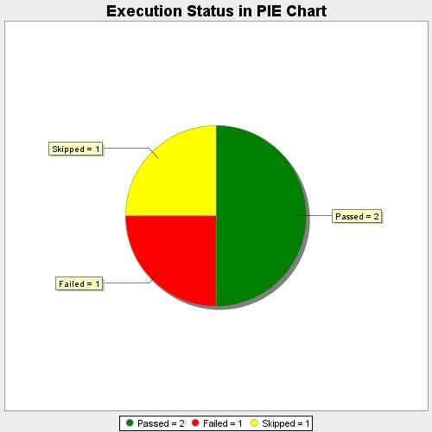
Start Time | 2018-01-22T12:34:56Z
End Time | 2018-01-22T12:35:11Z
Duration | 14501 ms

