Sheet
Sl No | Project | Serial Number | Date | NCR Number | Customer Part Number | Internal FG Part Number | PO Number | Details | Quantity | Remaining | Consumed | Added Quantity | NCR Status | Approval Status | Approval Date | Site | Customer | Product Description | Issue Reported Stage | PO Details | Product Rev | Issued by | Issued to | LOT | LOT and Defect Status
1 | 45345 | CDL2324-0375 | 2023-10-03 | 456456 | 1245 | 5465 | 6456 | sdfgsdfgsdf | 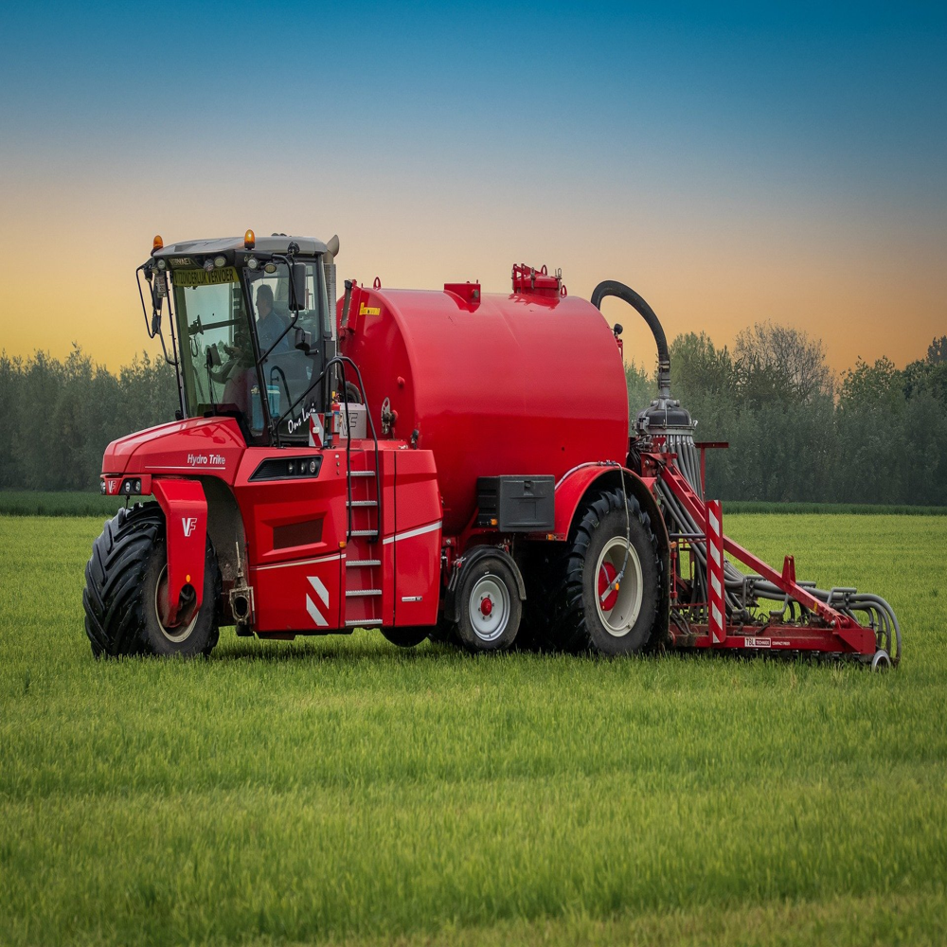 100 | 100 | 0 | 0 | In_Progress | Approved | 2023-10-18 | 4545 | 564 | xgcfxc | fgfdg | fdgdfg | 22 | fdgdf | fdgfg | fgd | fgdf
2 | 46546 | CDL2324-0376 | 2023-10-03 | 456456 | 4545 | 54654 | 545 | dfgfdg |  343 | 343 | 0 | 0 | In_Progress | Approved | 2023-10-03 | 4545 | 564 | qwer | aras | asrad | 444 | dfadsf | dsfs | fsdf | sdfsd

