Day21-Pyspark
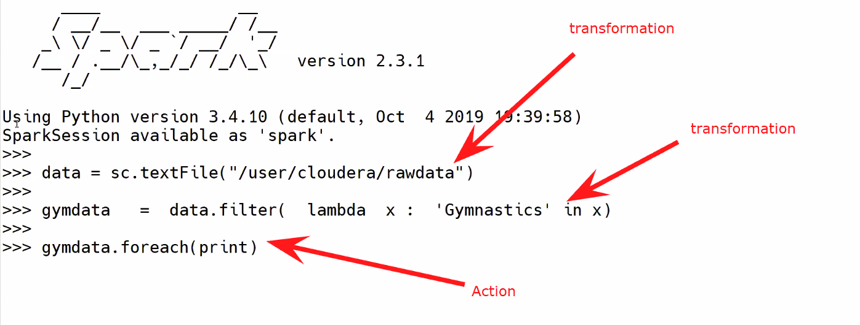
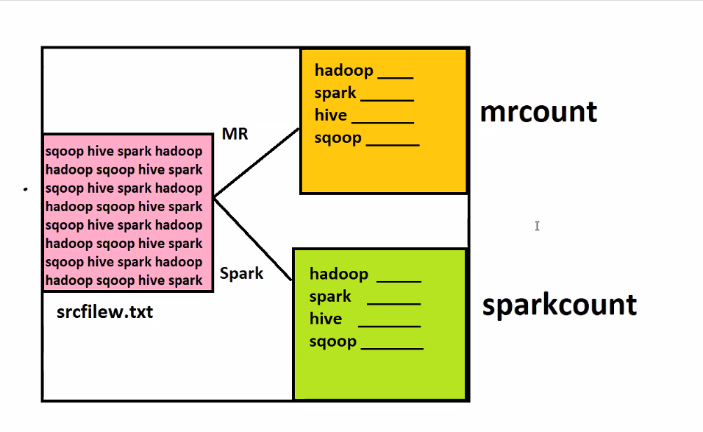
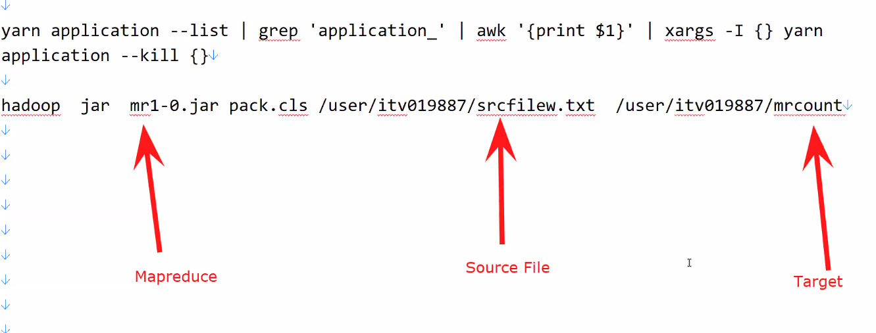
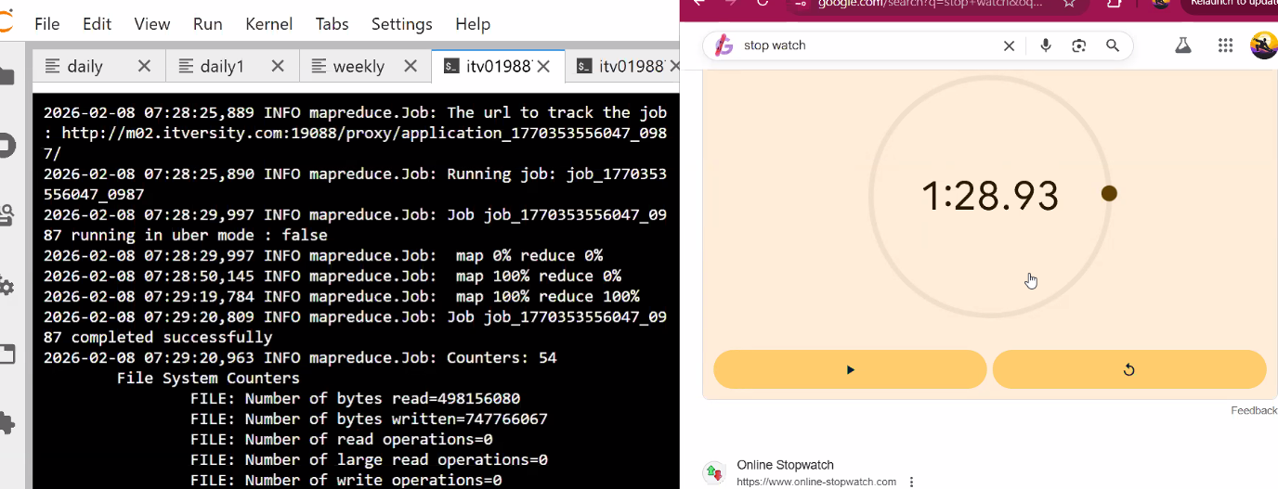
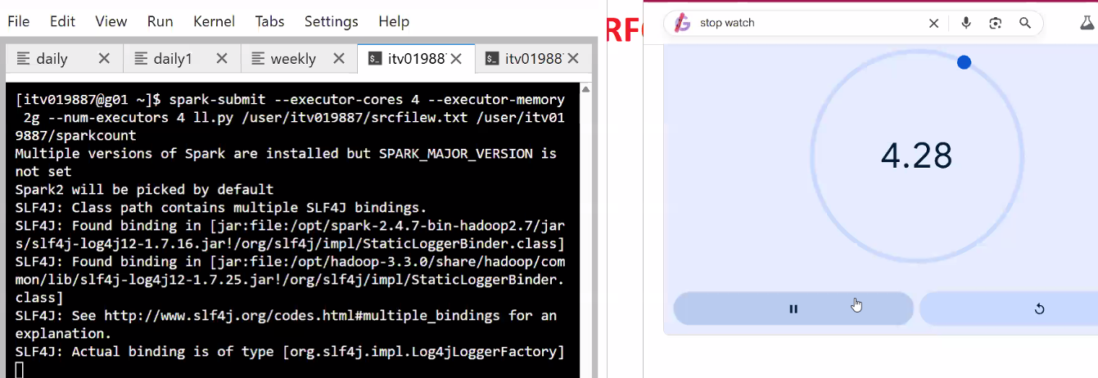
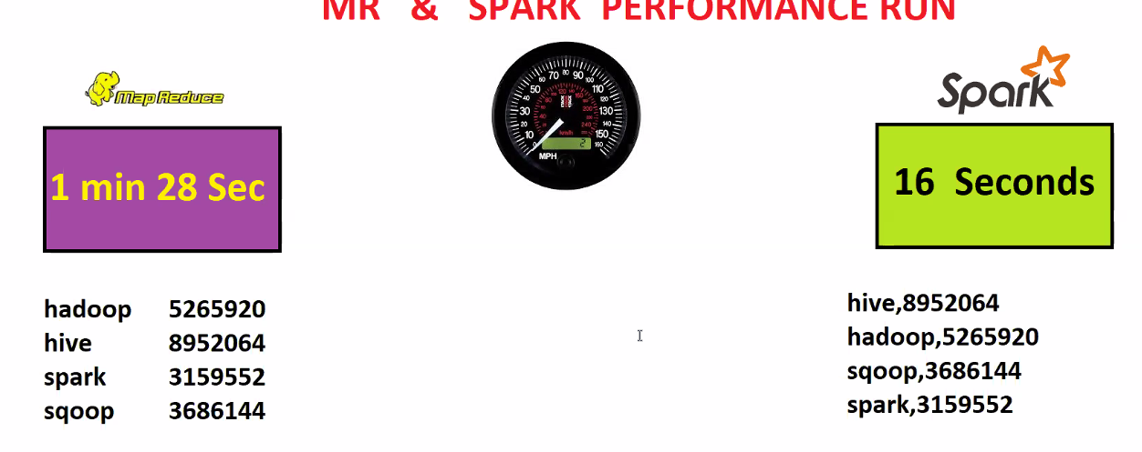
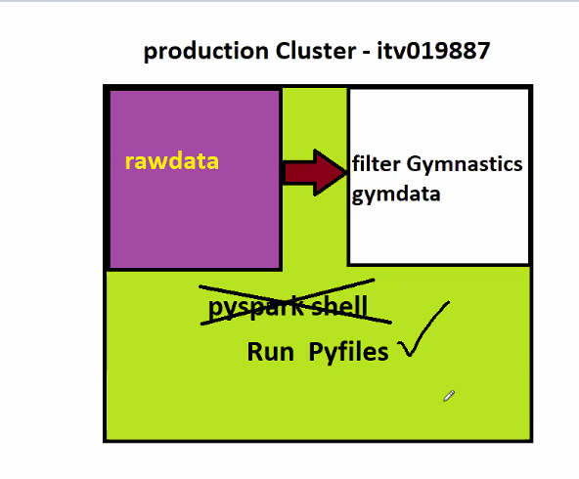
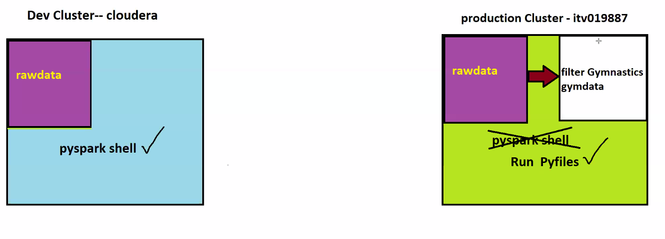
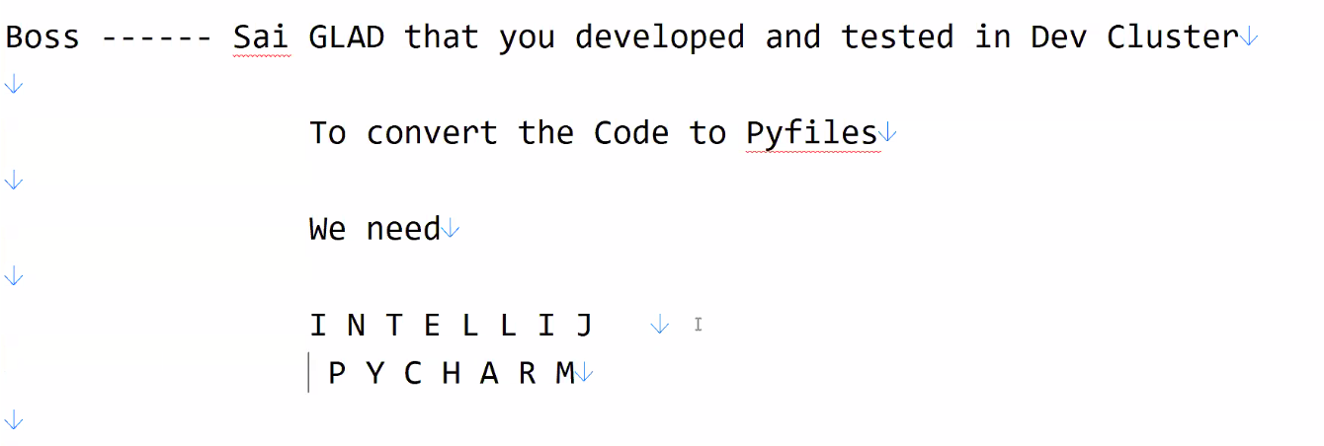
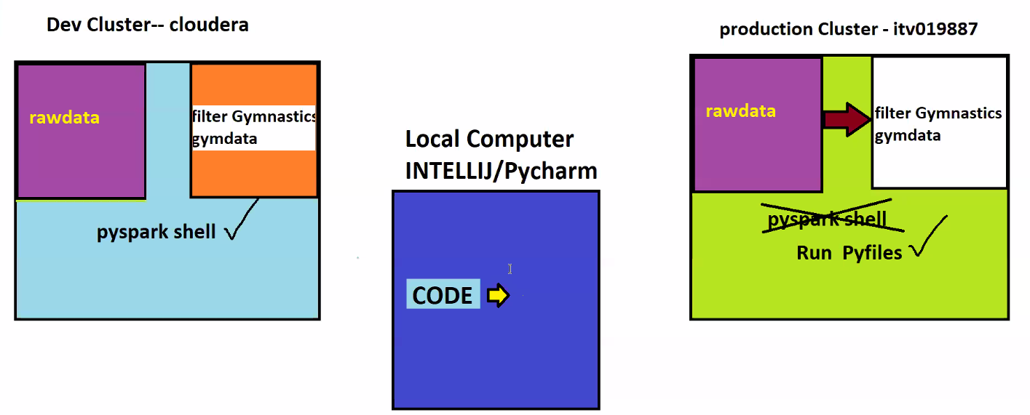
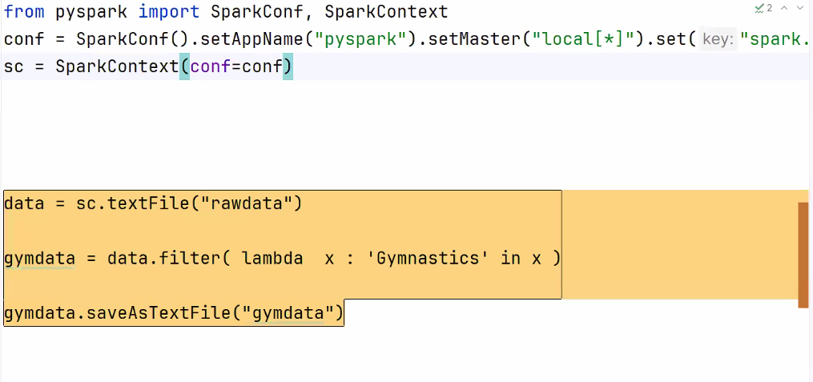
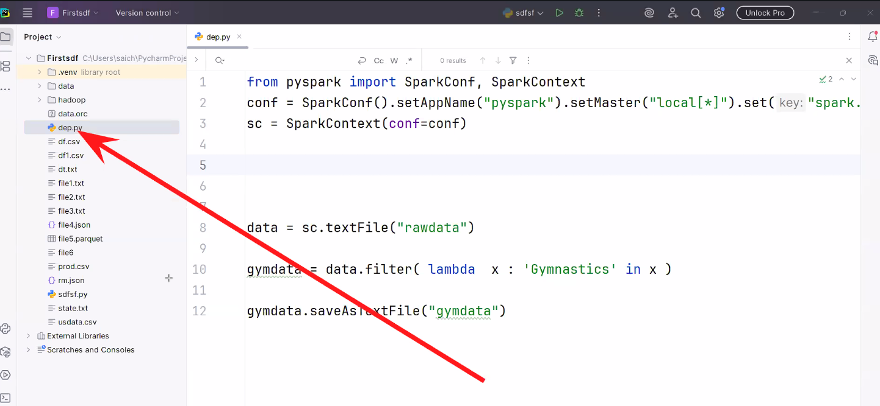
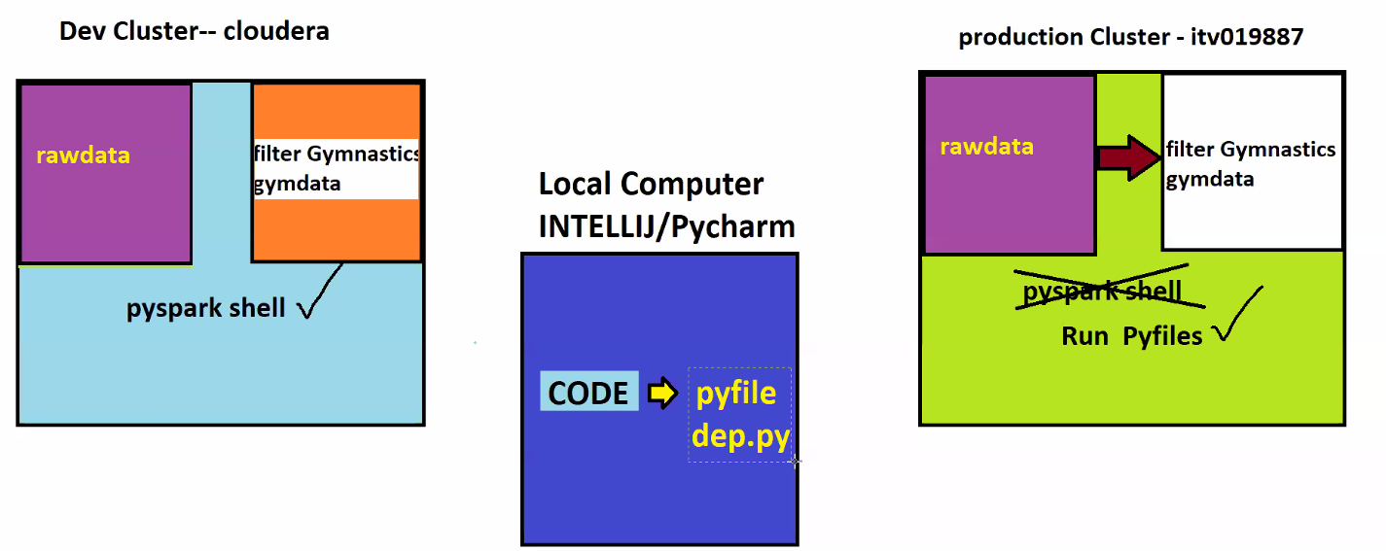
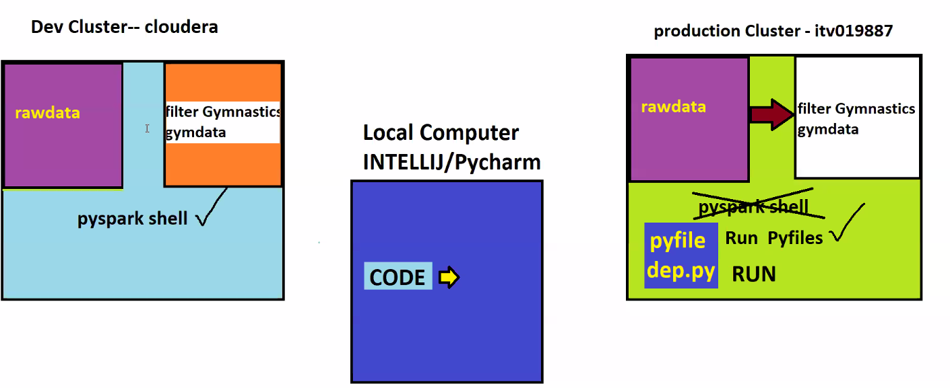
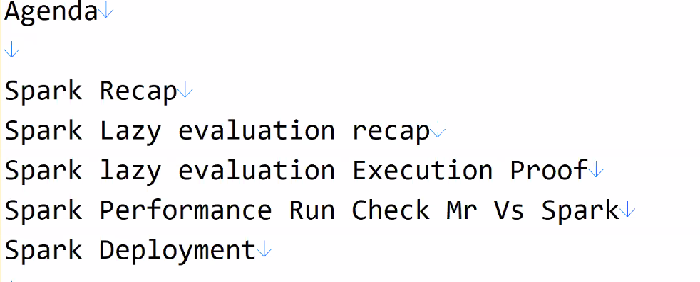

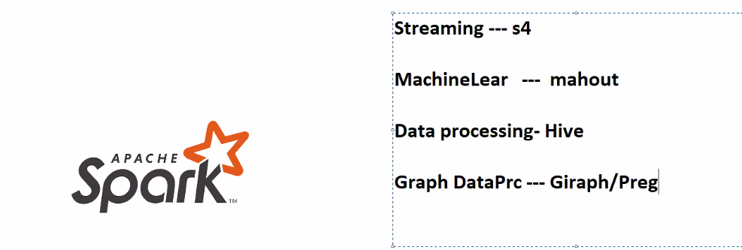
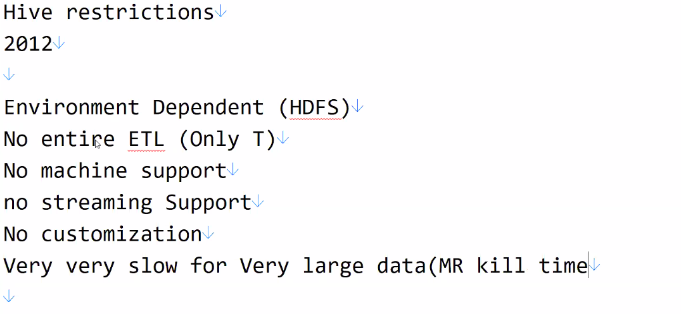

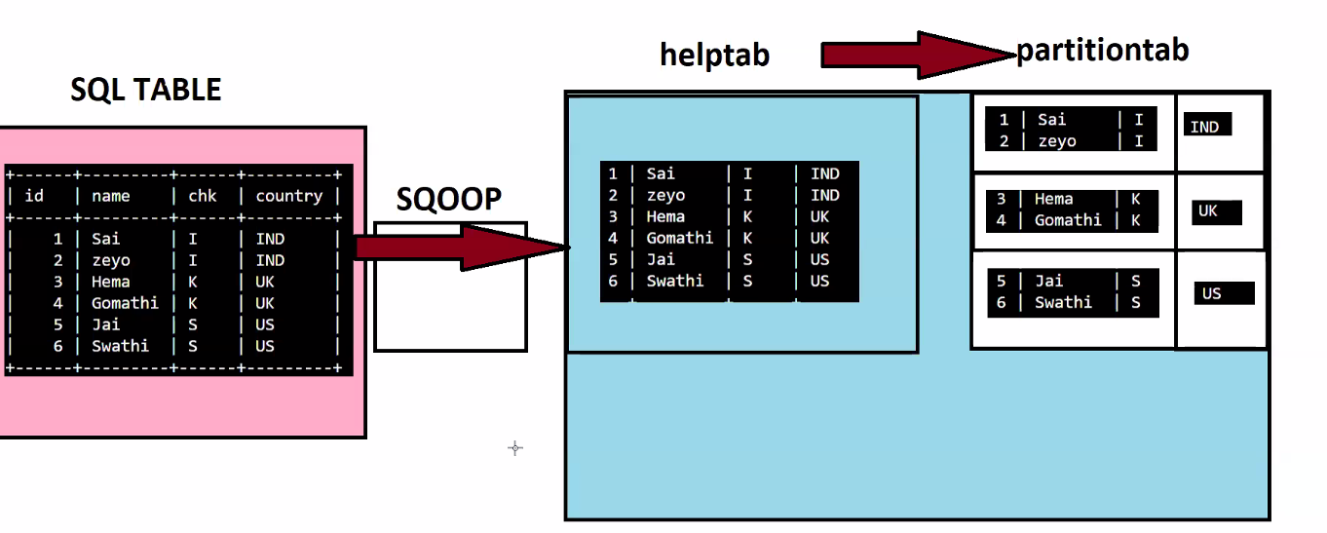

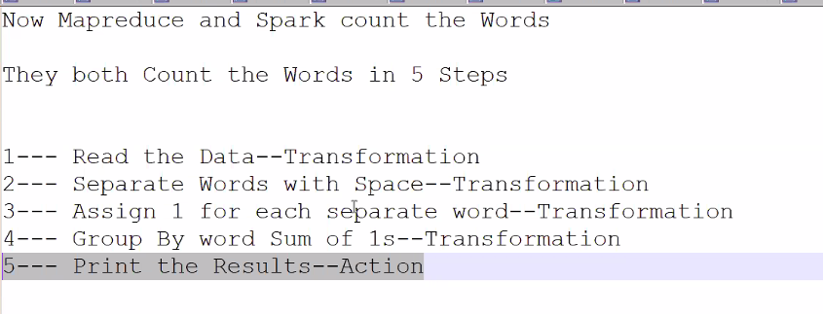
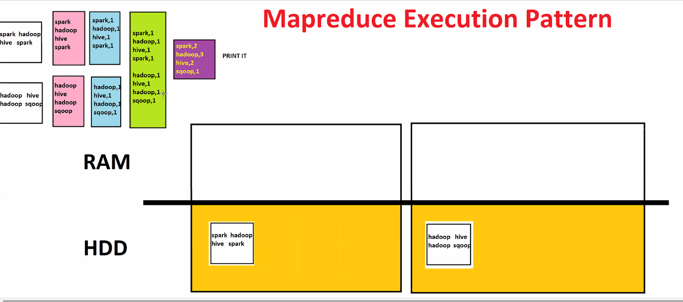

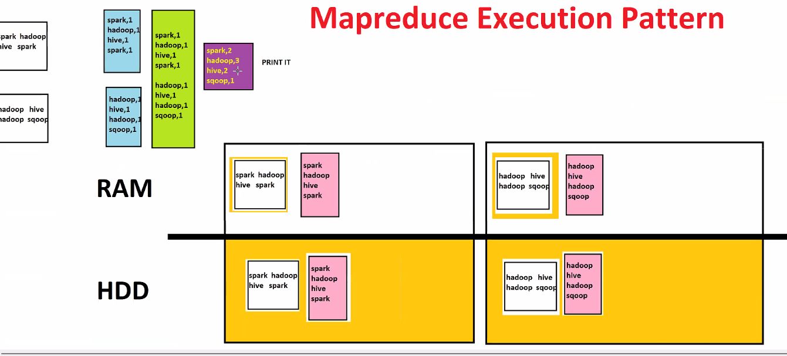

Intermediate data will hit HDD

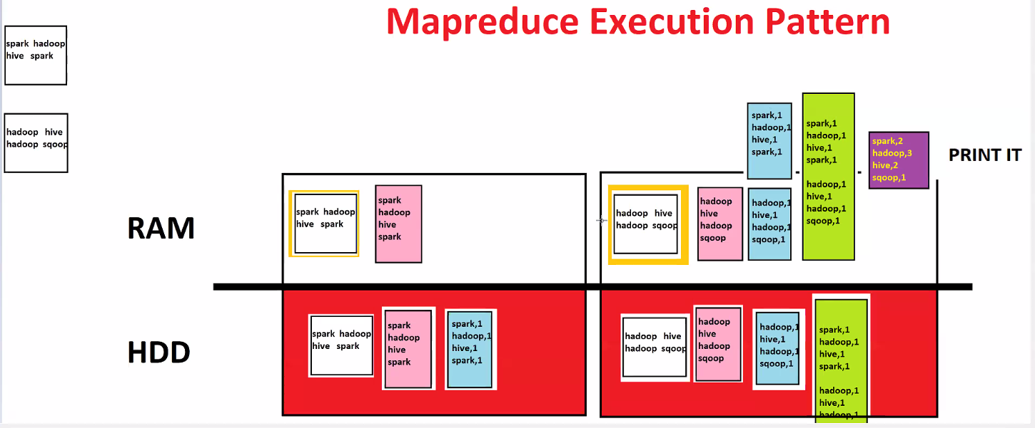

Hit HDD every transformation

Day22-SparkLAb
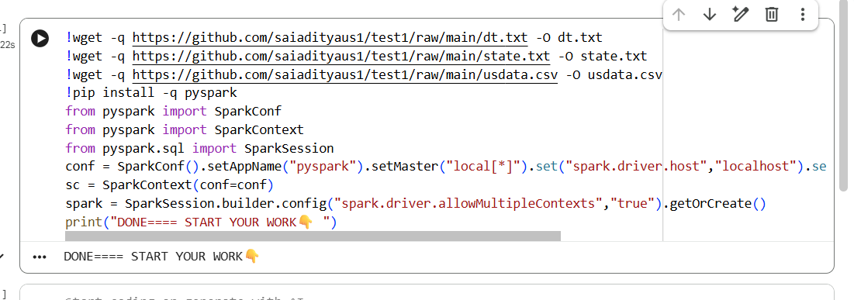
Colab WORKING URL -- Just 2 Minutes Work
=============
https://colab.research.google.com/#create=true

=============
FIRST BOX CODE-RUN IT
=============
https://tinyurl.com/ymnw8rb7

!wget -q https://github.com/saiadityaus1/test1/raw/main/dt.txt -O dt.txt
!wget -q https://github.com/saiadityaus1/test1/raw/main/state.txt -O state.txt
!wget -q https://github.com/saiadityaus1/test1/raw/main/usdata.csv -O usdata.csv
!pip install -q pyspark
from pyspark import SparkConf
from pyspark import SparkContext
from pyspark.sql import SparkSession
conf = SparkConf().setAppName("pyspark").setMaster("local[*]").set("spark.driver.host","localhost").set("spark.driver.allowMultipleContexts","true")
sc = SparkContext(conf=conf)
spark = SparkSession.builder.config("spark.driver.allowMultipleContexts","true").getOrCreate()
print("DONE==== START YOUR WORK👇 ")

Day22-Spark
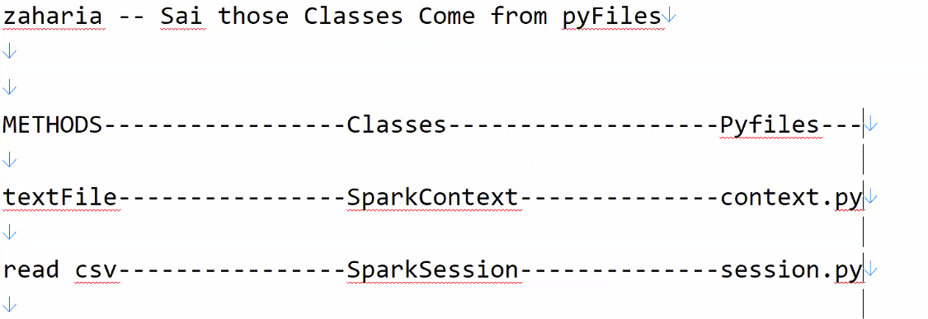

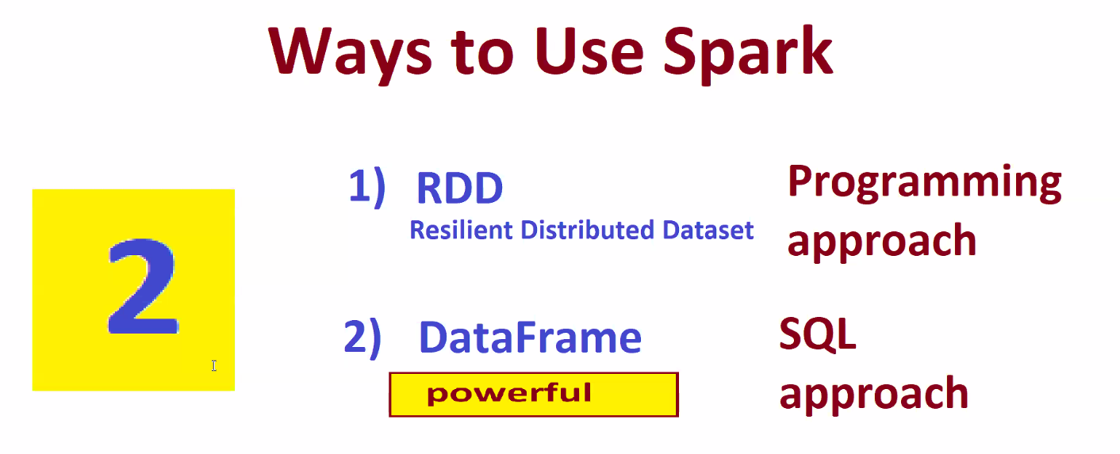

Day23-Spark RDD
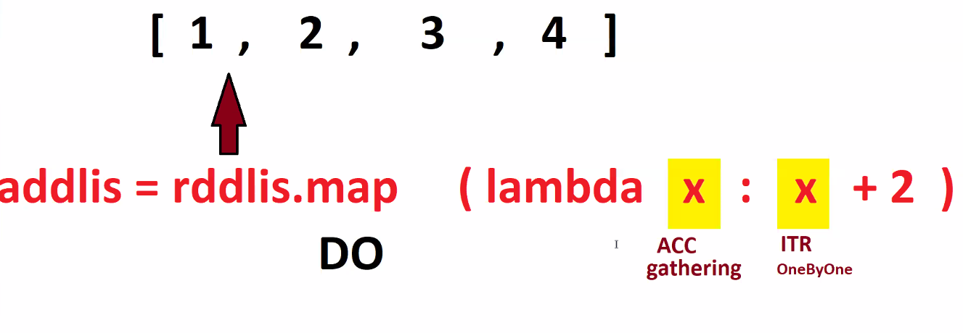
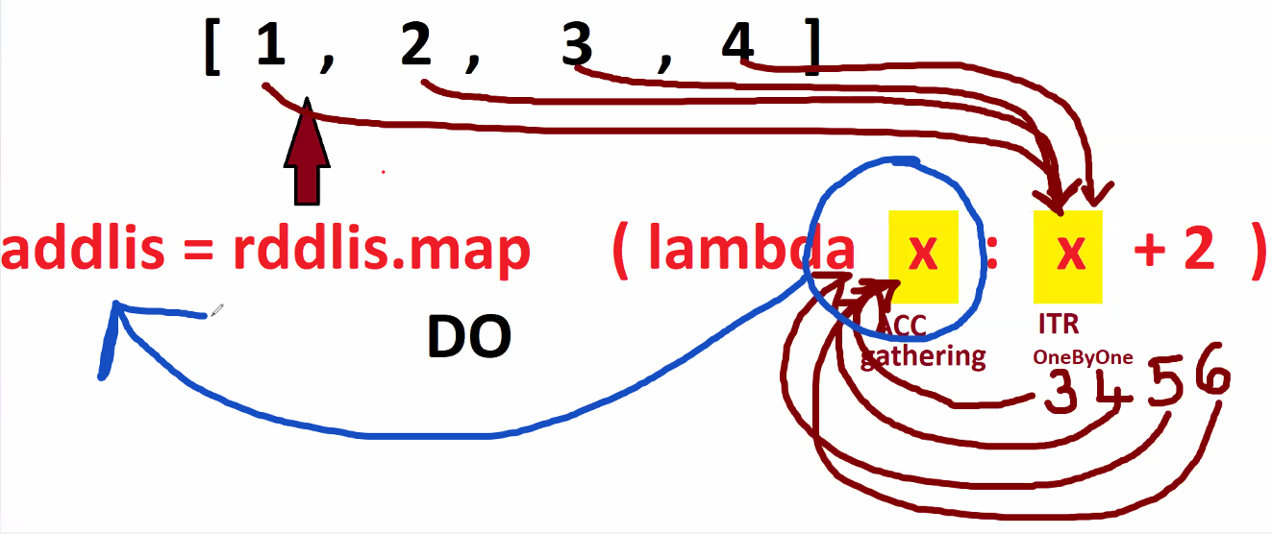
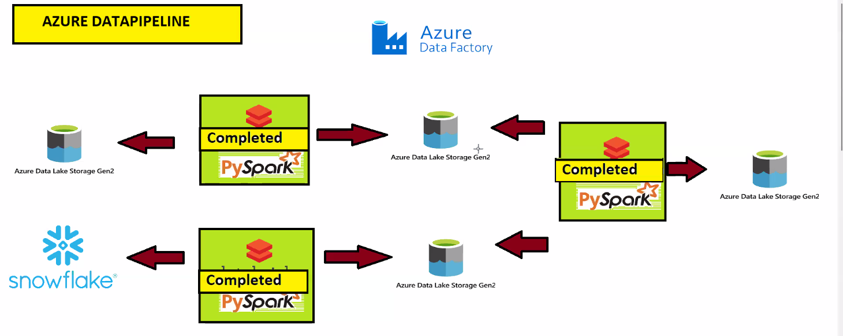
 | RDD in Spark

 | RDD stands for Resilient Distributed Dataset.

 | It is the core data structure of Apache Spark.

 | 🔹 Simple Definition

 | 👉 RDD = Distributed collection of data that can be processed in parallel.

 | Break the name:

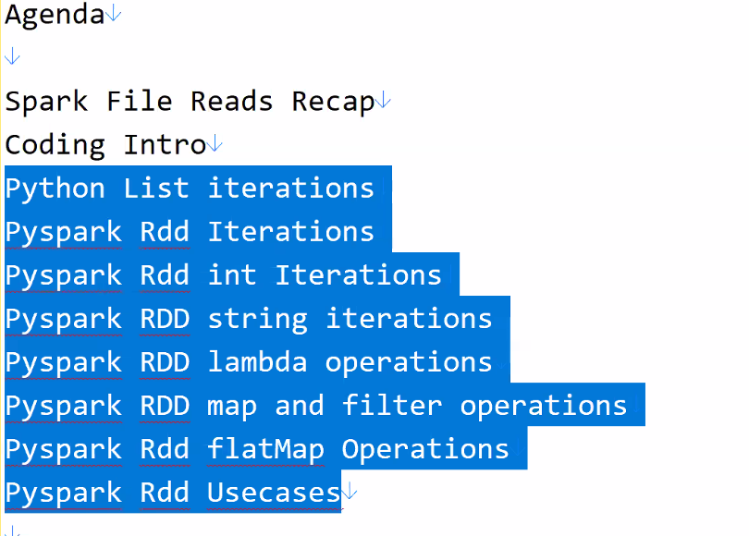
 | Resilient → Fault tolerant (can recover data)

 | Distributed → Stored across multiple nodes

 | Dataset → Collection of data

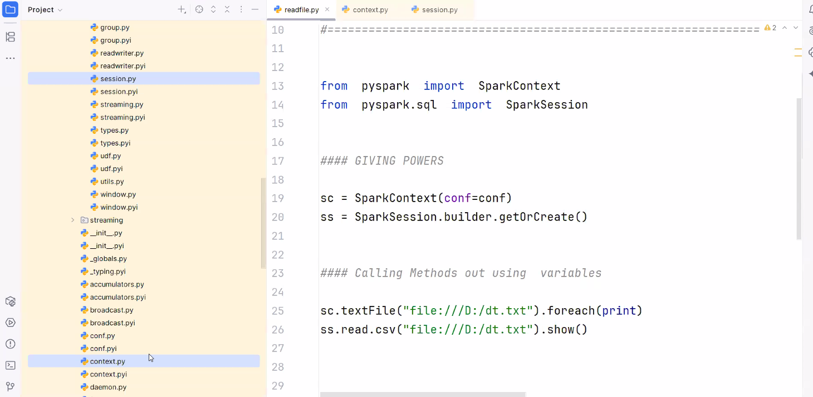

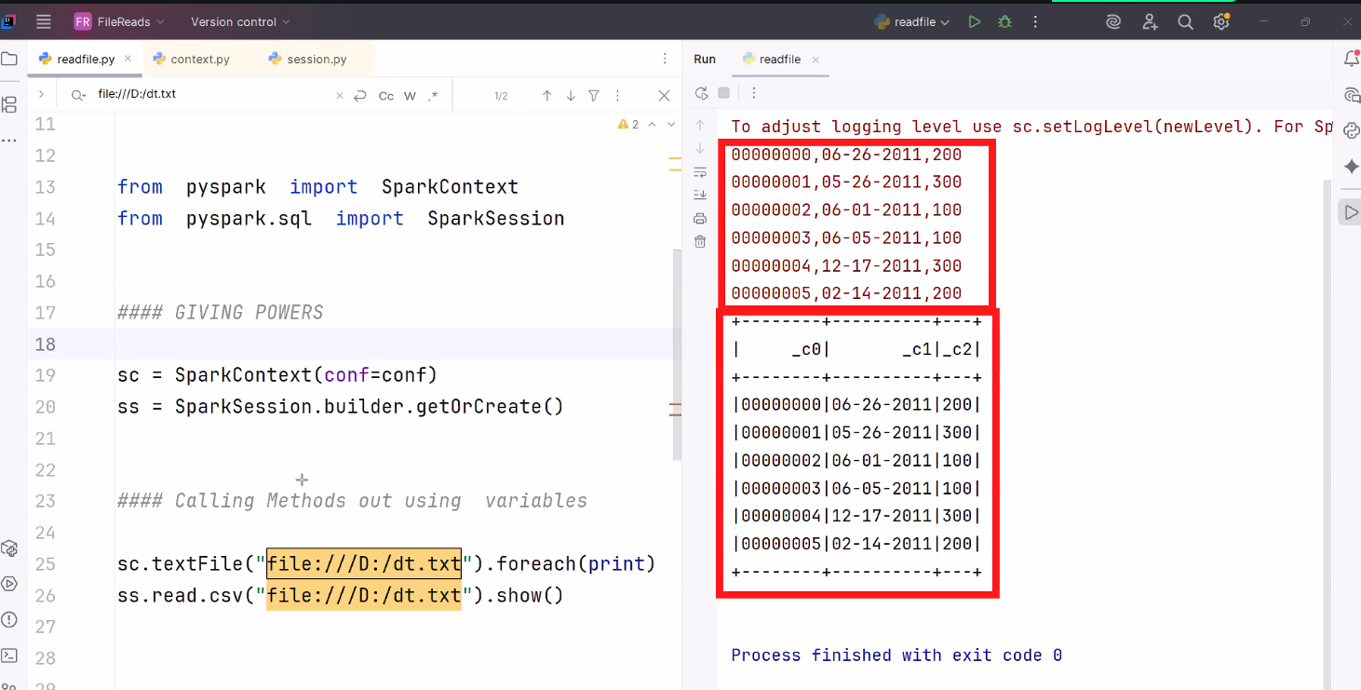

print("========STARTED========")

a = 2
print(a)

b = a + 2
print(b)

c = "zeyobron"
print(c)

d = c + "Analytics"
print(d)

##################🔴🔴🔴🔴🔴🔴 -> DONT TOUCH ABOVE CODE -- TYPE BELOW ####################################

print("======== Started=========")

li = [1,2,3,4,5]
print()
print("======RAW LIST=========")
print(li)

print()
print("======RDD LIST=========")
rdd_li=sc.parallelize(li)
print(rdd_li.collect())

Day24-Interview Q
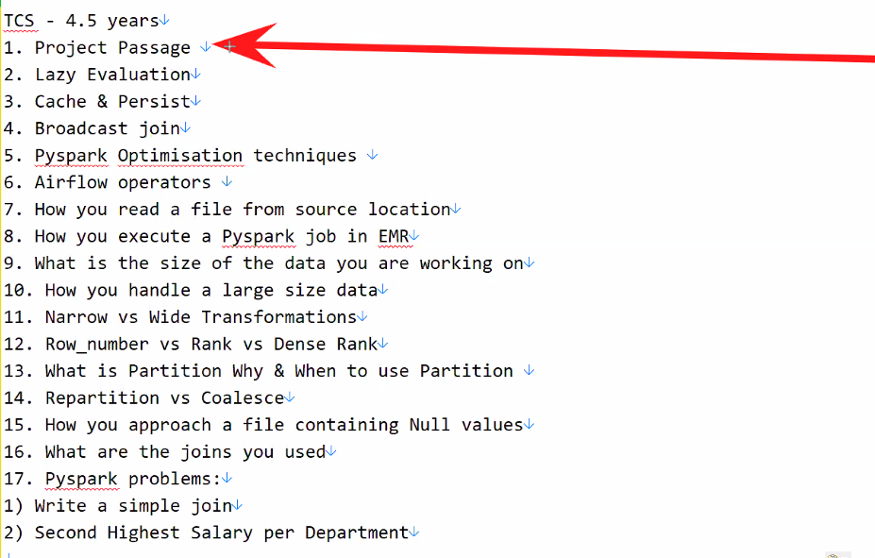

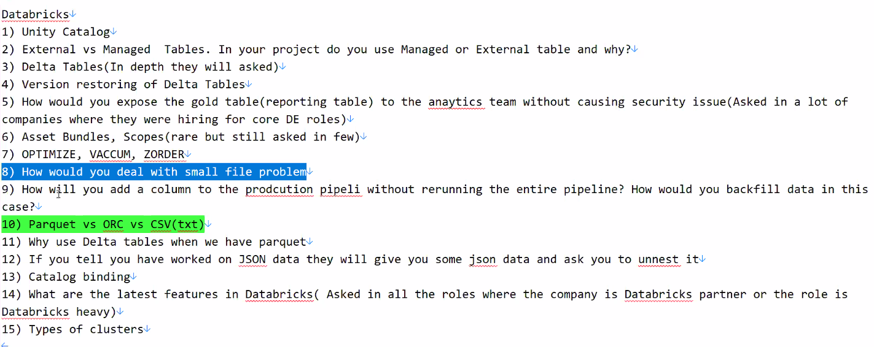

Day24
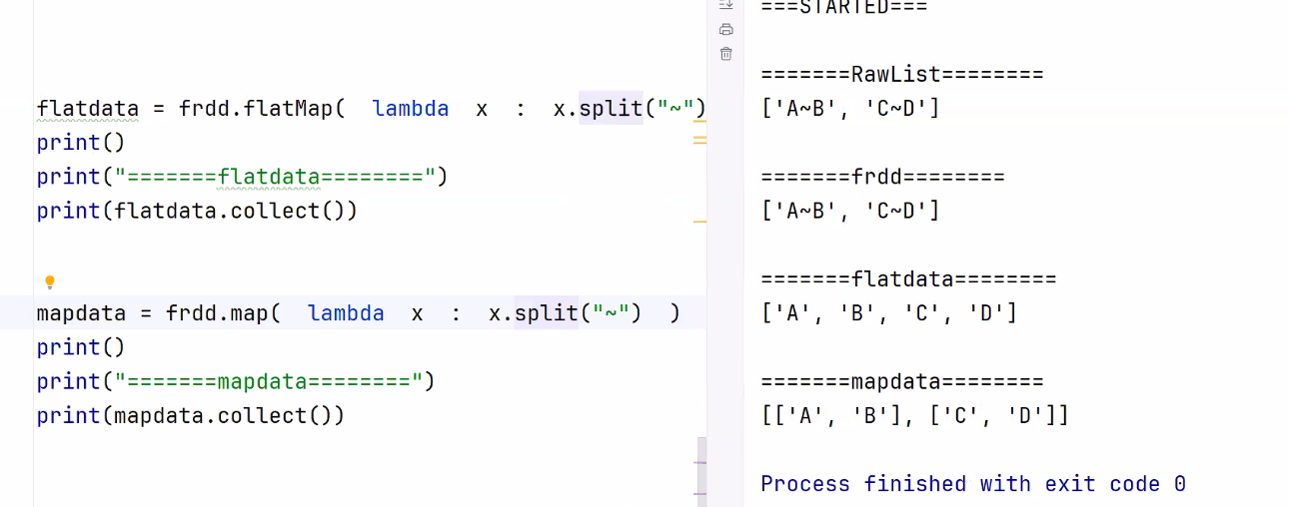

Day25
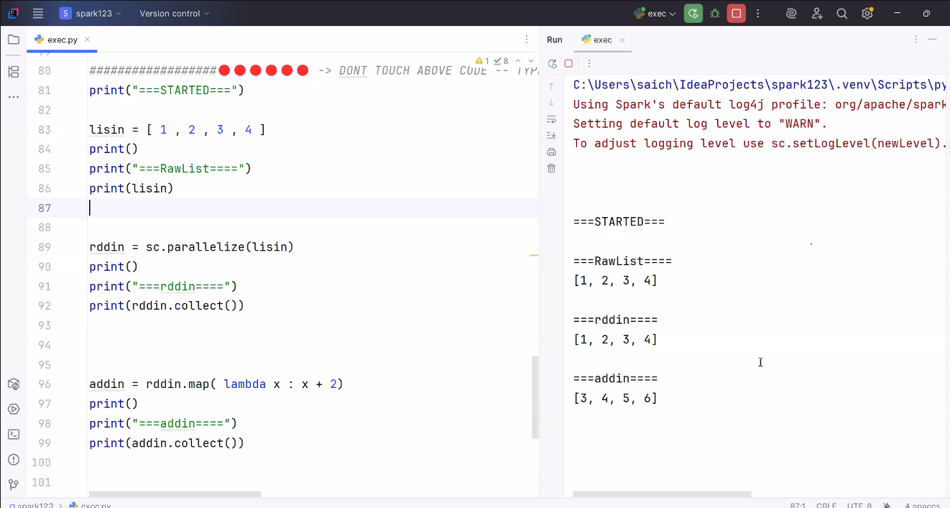

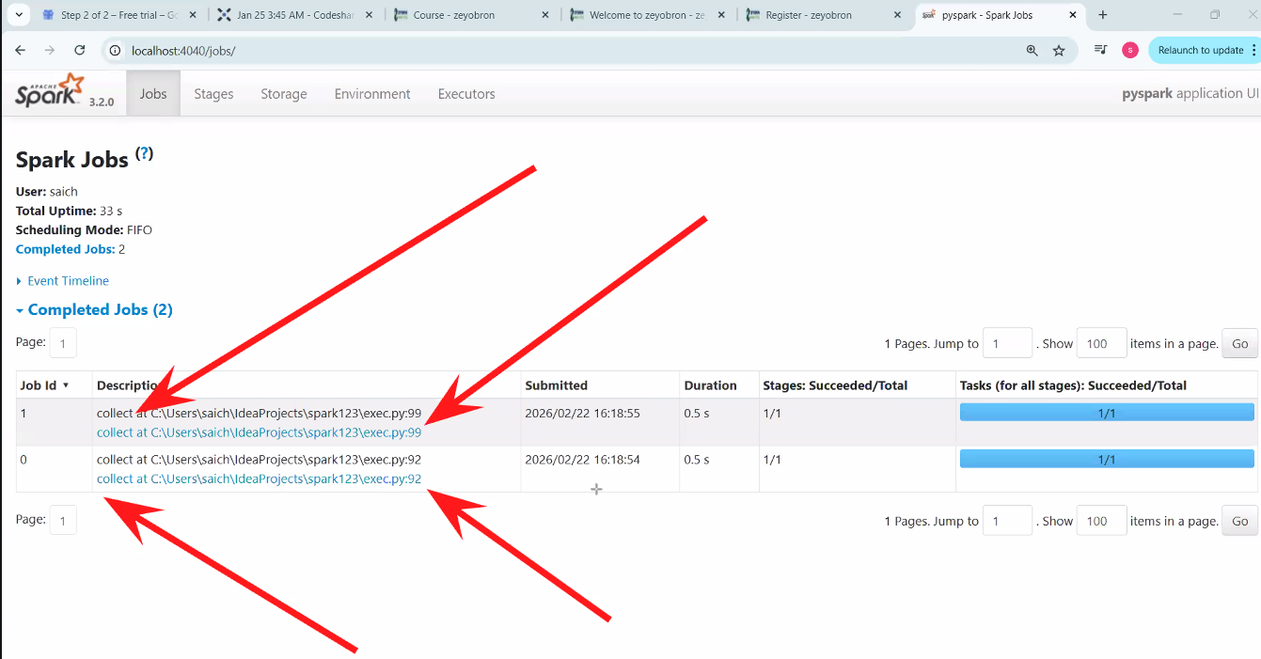

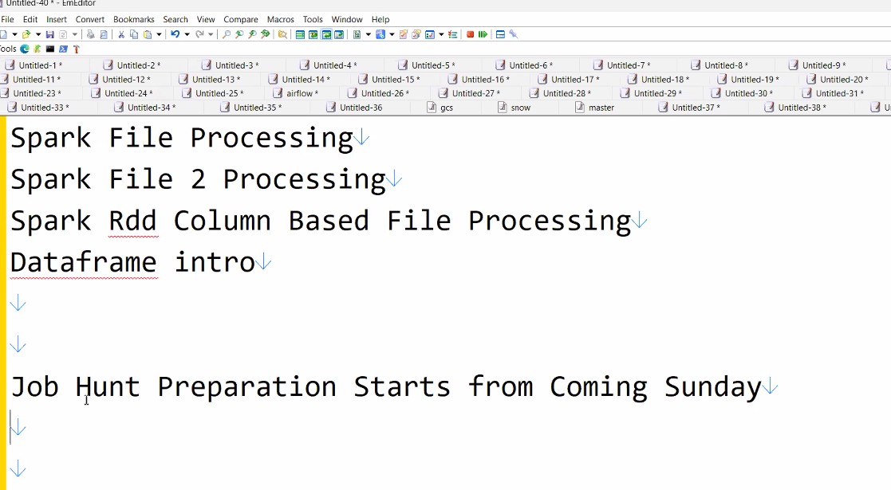

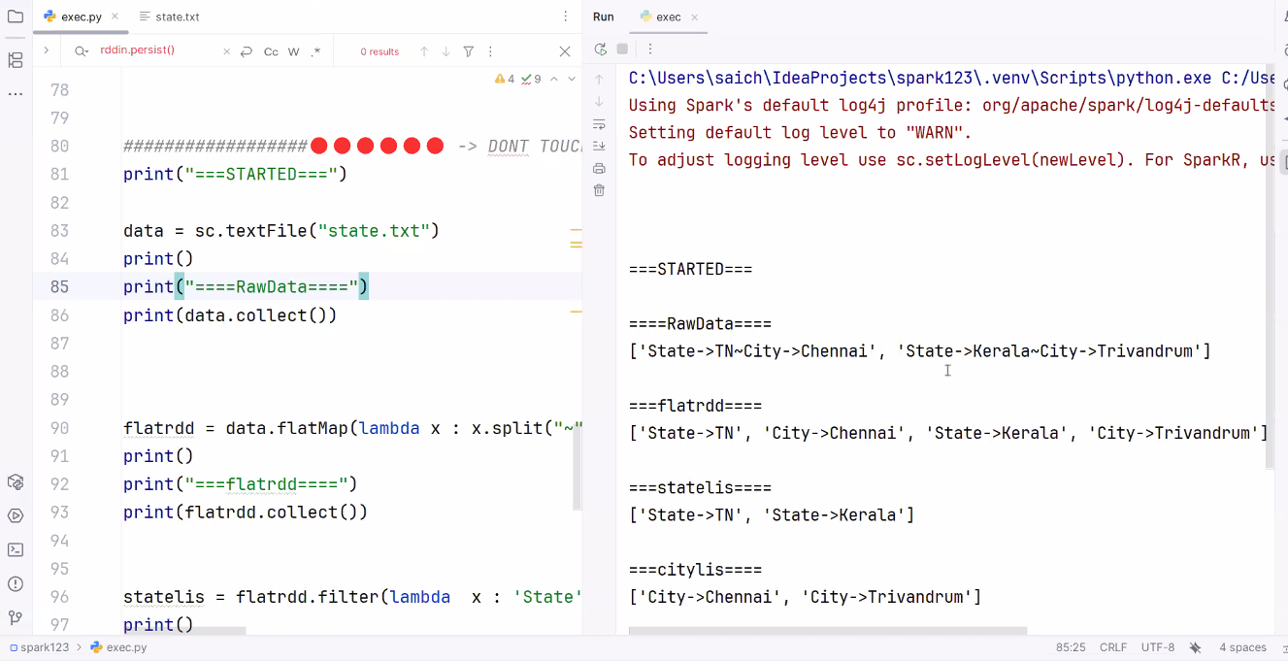

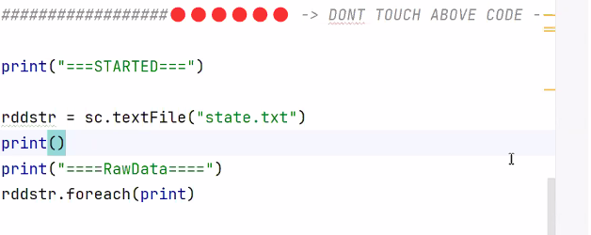

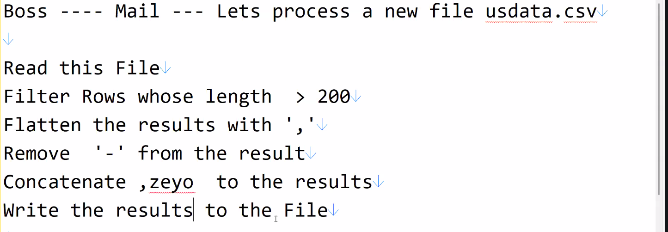

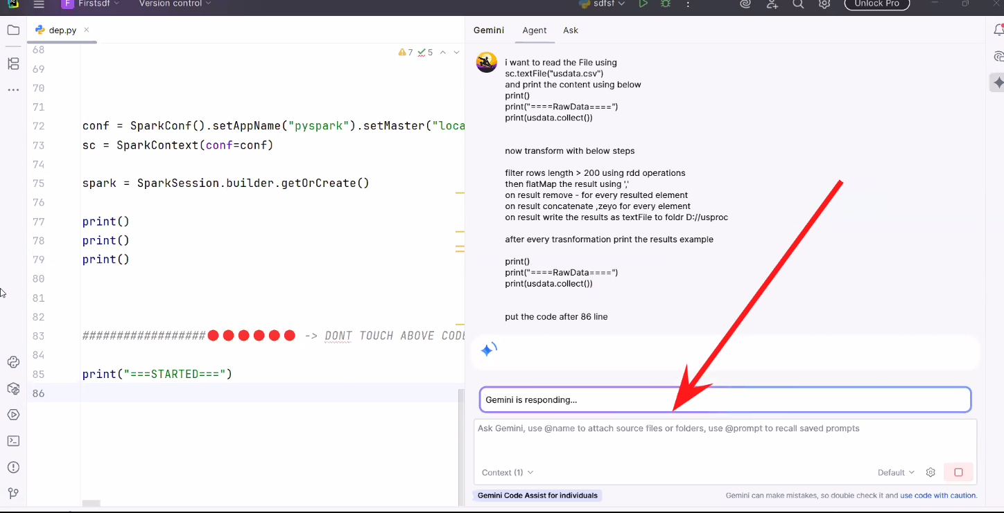

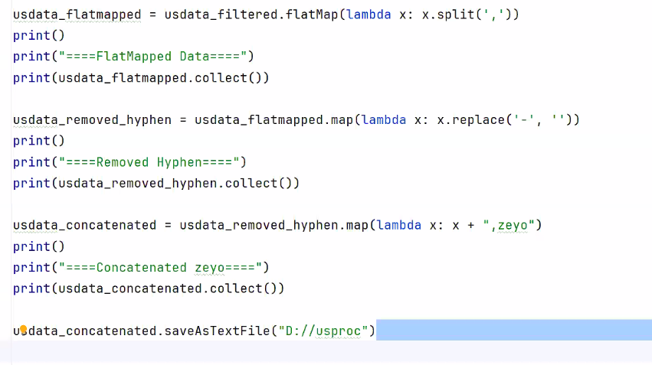

Day26-Intellij Gemini setup
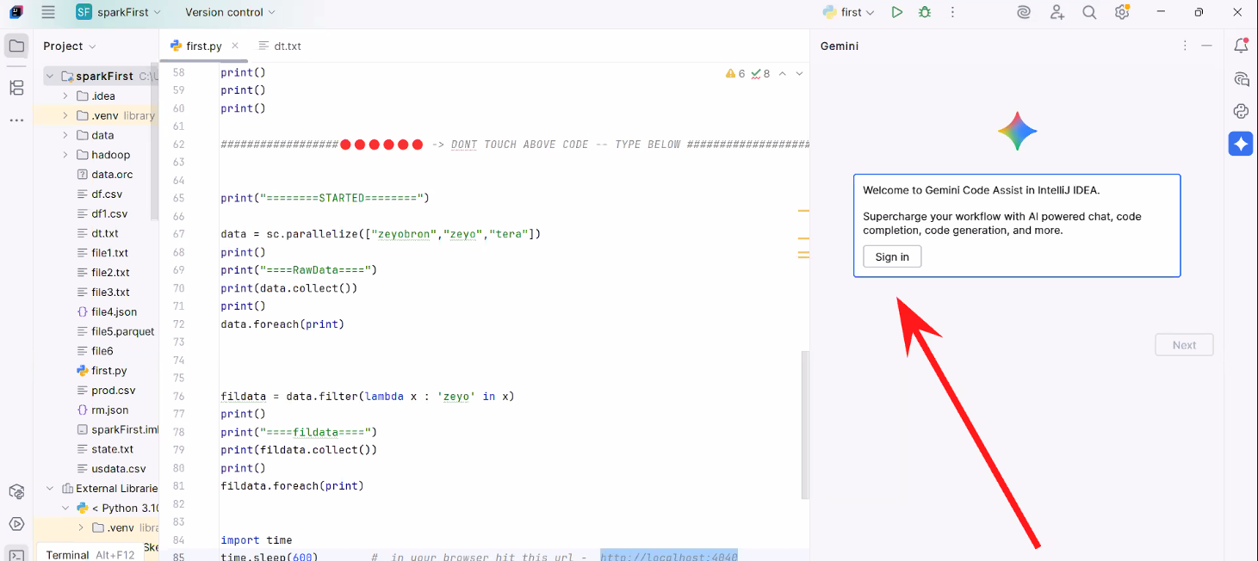
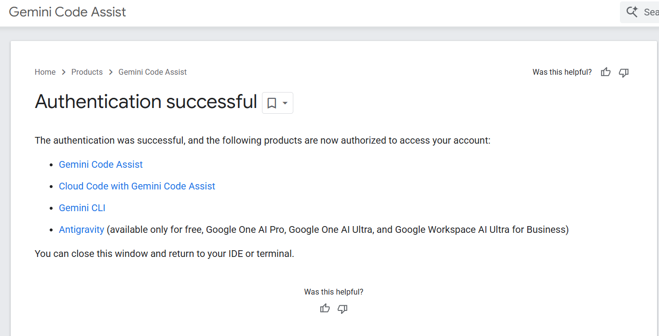
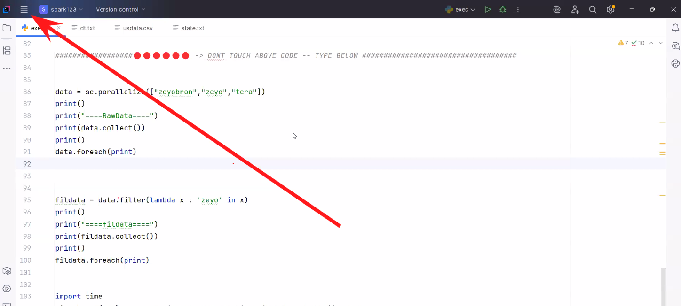

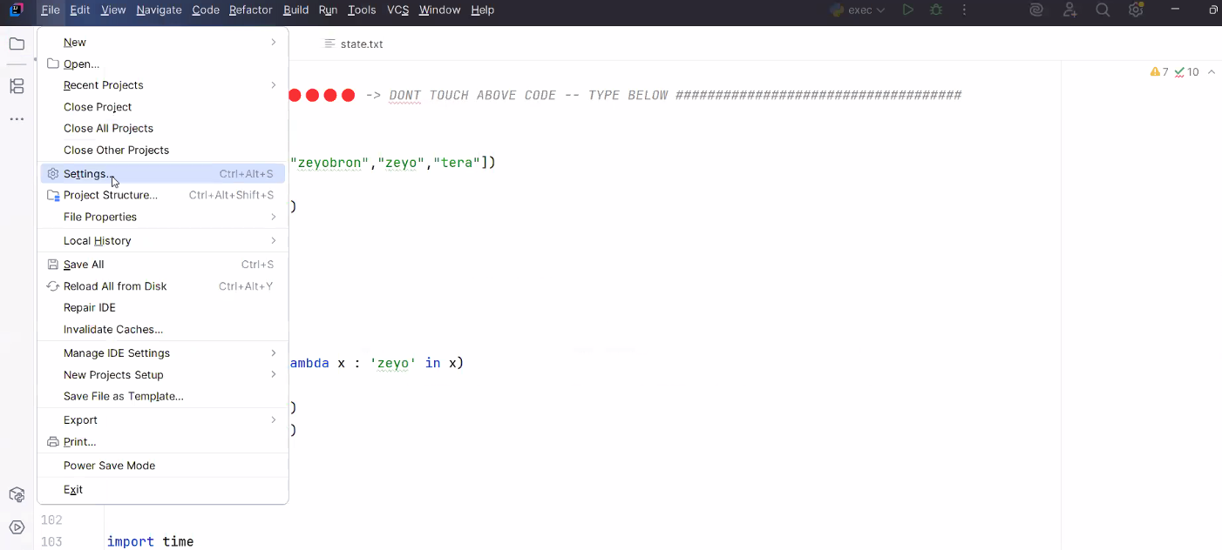

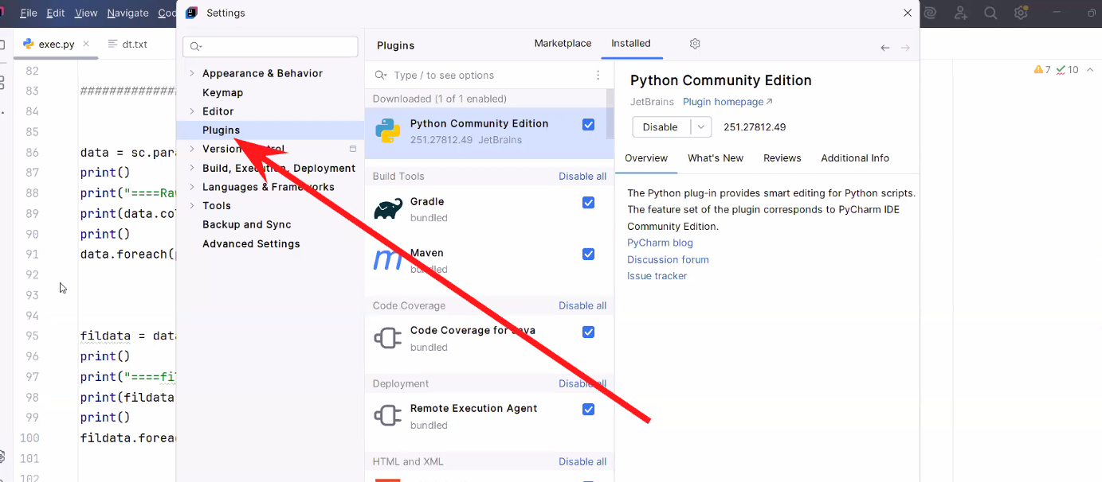

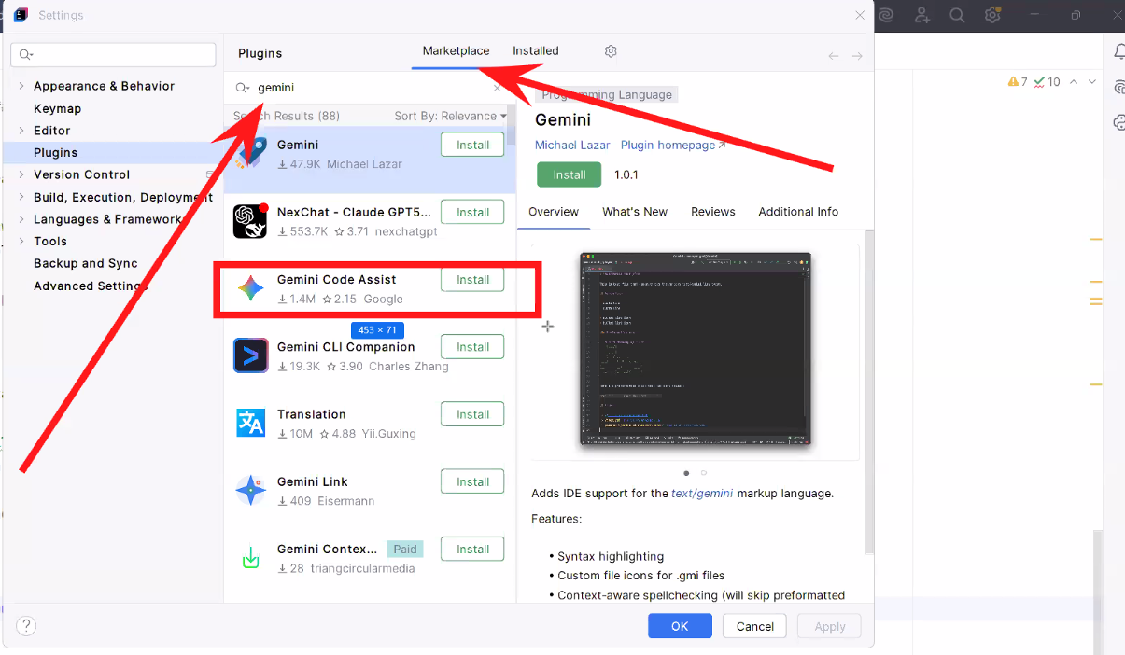

Restart IDE

Day26
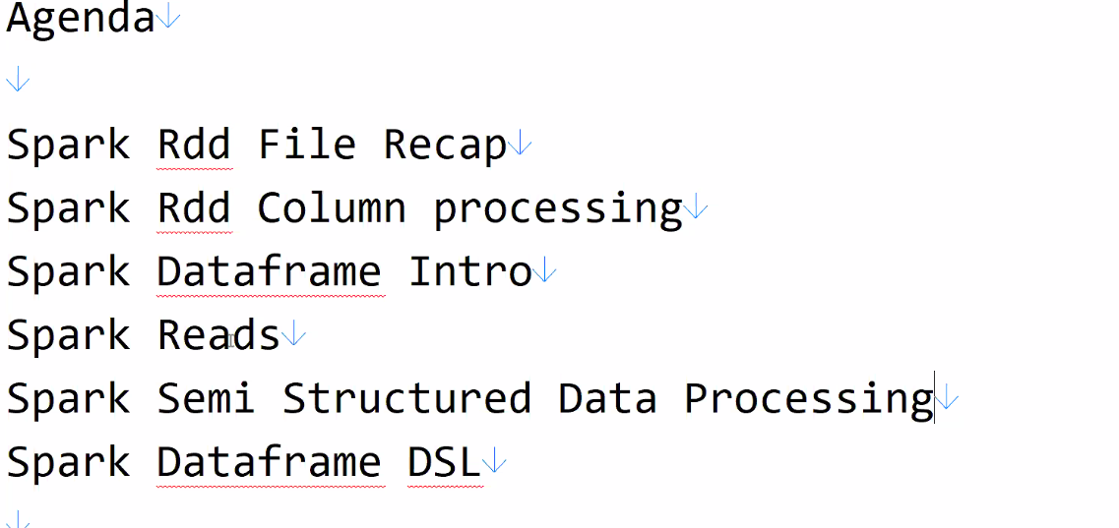

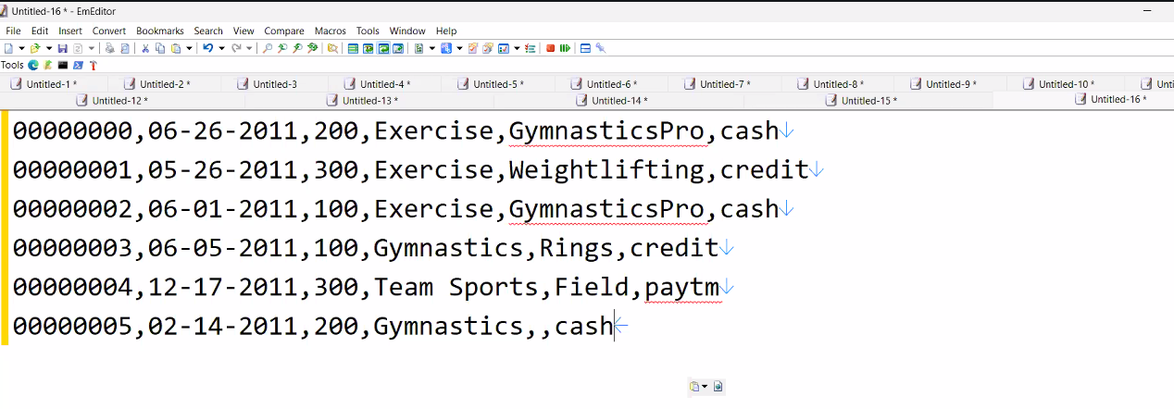






Day26-SQL Practice

SQL GET READY CODE

VIDEO ---- https://youtu.be/yVOTP0gy7TU

data = [ (0, "06-26-2011", 300.4, "Exercise", "GymnasticsPro", "cash"),

(1, "05-26-2011", 200.0, "Exercise Band", "Weightlifting", "credit"),

(2, "06-01-2011", 300.4, "Exercise", "Gymnastics Pro", "cash"),

(3, "06-05-2011", 100.0, "Gymnastics", "Rings", "credit"),

(4, "12-17-2011", 300.0, "Team Sports", "Field", "cash"),

(5, "02-14-2011", 200.0, "Gymnastics", None, "cash"),

(6, "06-05-2011", 100.0, "Exercise", "Rings", "credit"),

(7, "12-17-2011", 300.0, "Team Sports", "Field", "cash"),

(8, "02-14-2011", 200.0, "Gymnastics", None, "cash")
]

df = spark.createDataFrame(data, ["id", "tdate", "amount", "category", "product", "spendby"]) df.show()

data2 = [ (4, "12-17-2011", 300.0, "Team Sports", "Field", "cash"),

(5, "02-14-2011", 200.0, "Gymnastics", None, "cash"),

(6, "02-14-2011", 200.0, "Winter", None, "cash"),

(7, "02-14-2011", 200.0, "Winter", None, "cash")
]

df1 = spark.createDataFrame(data2, ["id", "tdate", "amount", "category", "product", "spendby"])

df1.show()

data4 = [ (1, "raj"),

(2, "ravi"),

(3, "sai"),

(5, "rani")
]

cust = spark.createDataFrame(data4, ["id", "name"]) cust.show()

data3 = [ (1, "mouse"),

(3, "mobile"),

(7, "laptop")
]

prod = spark.createDataFrame(data3, ["id", "product"])

prod.show()

df.createOrReplaceTempView("df")

df1.createOrReplaceTempView("df1")

cust.createOrReplaceTempView("cust")

prod.createOrReplaceTempView("prod")

Day27-





x

Day28-Prerecording
Memory tuning memory


1) spark-submit --executor-cores --executor-memory --num-executors --driver-cores --driver-memory dep.py

2) Coalesce & Repartition

3) Difference between Rank / Dense Rank / Row Number

4) what is data skewness in Spark

5) What is salting techniques in Spark ?

6) What is broadcast variable in Spark ?

7) Spark vs Mapreduce

8) Lazy Evaluation

10) Narrow Transformation and Wide Transformation

11) Cache vs persist

12) RDD vs Dataframe

12) Spark architecture

13) Spark DAG

14) What is catalyst optimizer

15) what are the joins used in Spark

16) What is AQE

17) What is Delta Lake

Day28




dsl_df=df.selectExpr("txnno",
"CAST(txnno as int) as txnno"
,"txndate"
,"year(from_unixtime(unix_timestamp(txndate,'MM-dd-yyyy'))) as txndate1"
,"split(txndate,'-')[2] as year_2"
,"CAST(amt+100 as int) as amt","upper(category)"
,"concat(product,'~Zeyo') as product","mode"
)

Day29-Prerecording


Day29








