Sheet1
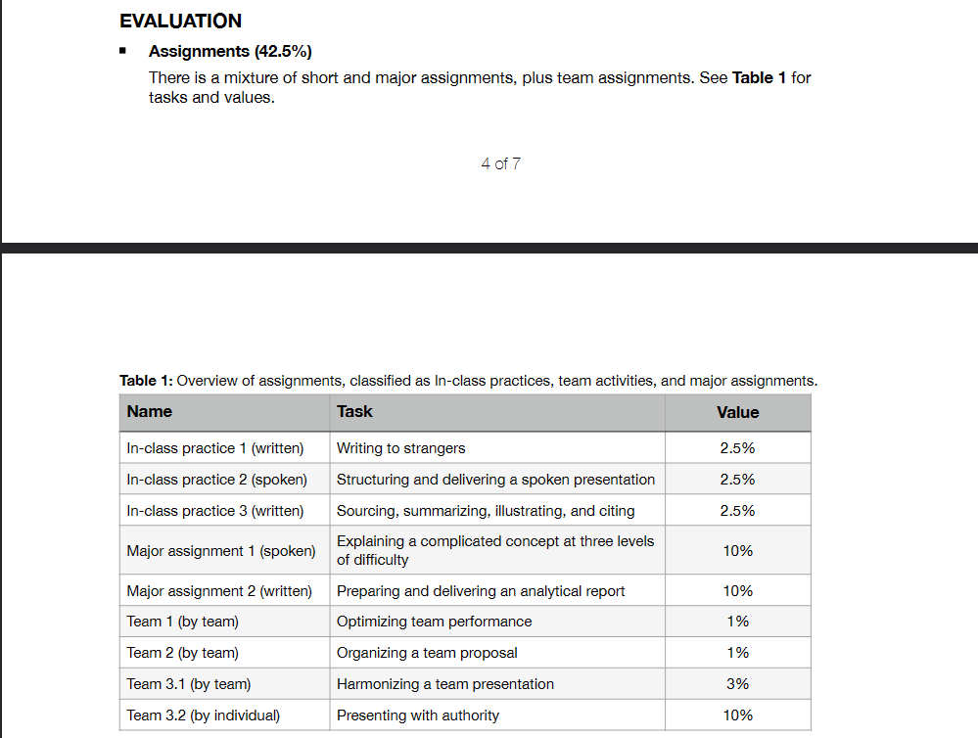
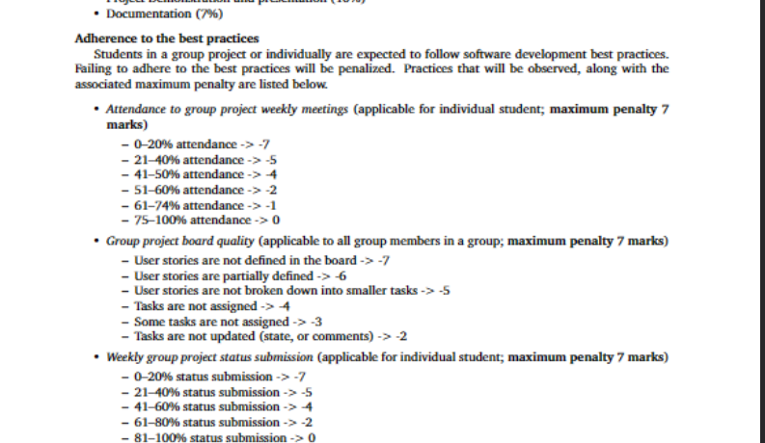
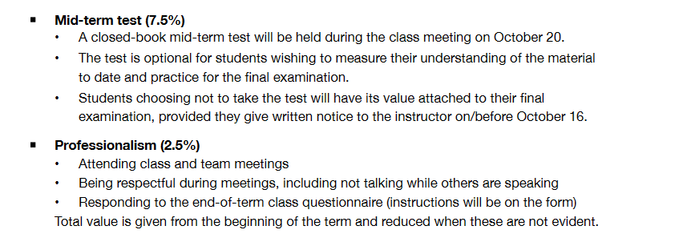
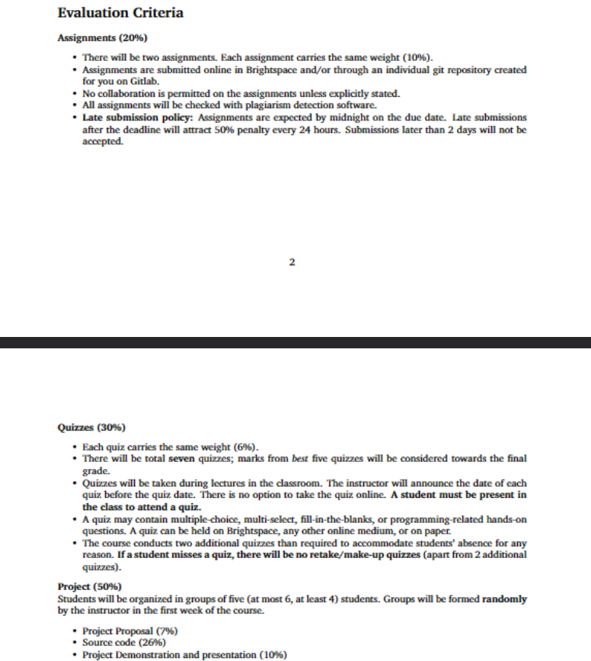
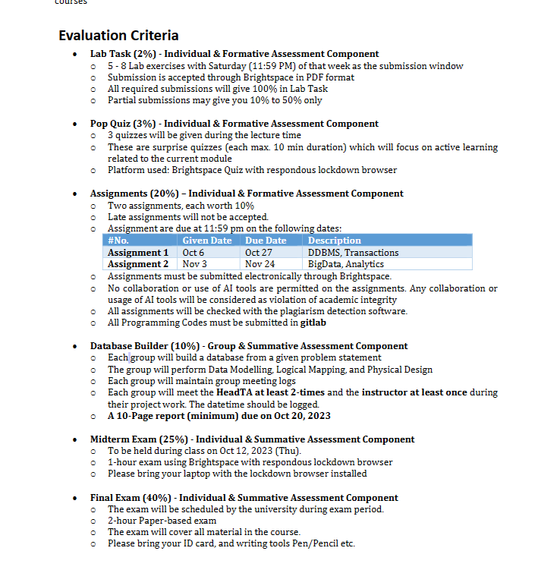
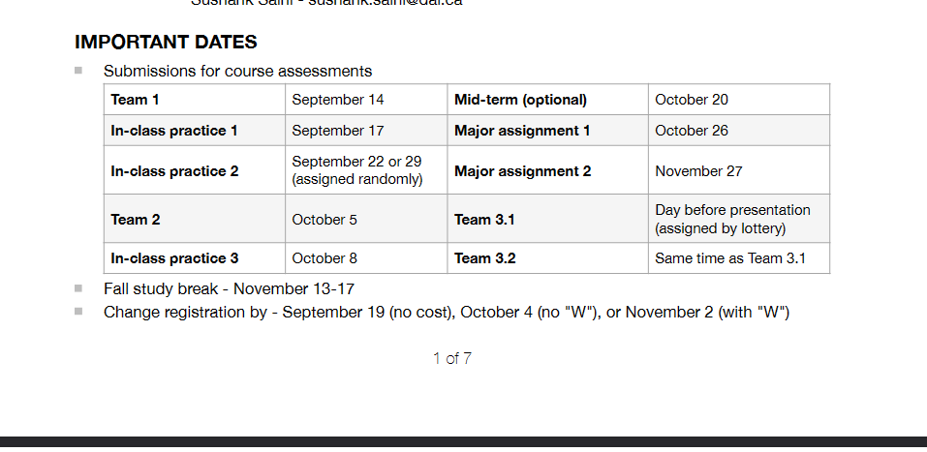
Assignment/Project | Deadline | Weightage | Status
Lab 4 |  | <2% | Done
DBMS Assignment 1 | 2023-10-28 | 10% | Done
Builder 4: Project report | 2023-11-02 | 10% | Done
Communication Video assignment | 2023-10-26 | 10% | Done
ATSDC jUnit Assignment | 2023-10-31 | 10% | Done
Quiz -2 & 3 | 2023-10-26 | 12% | Done
Mid term demo | 2023-10-27 |  | Done

TikTok | 2023-10-27 |  | Done
Cisco | 2023-10-29 |  | Done

