MLP
 |  |  |  | Hidden |  |  | Output |  |  | Reference Network:
 |  |  | Inputs | Weights | Values | Activation | Weights | Values | Activation
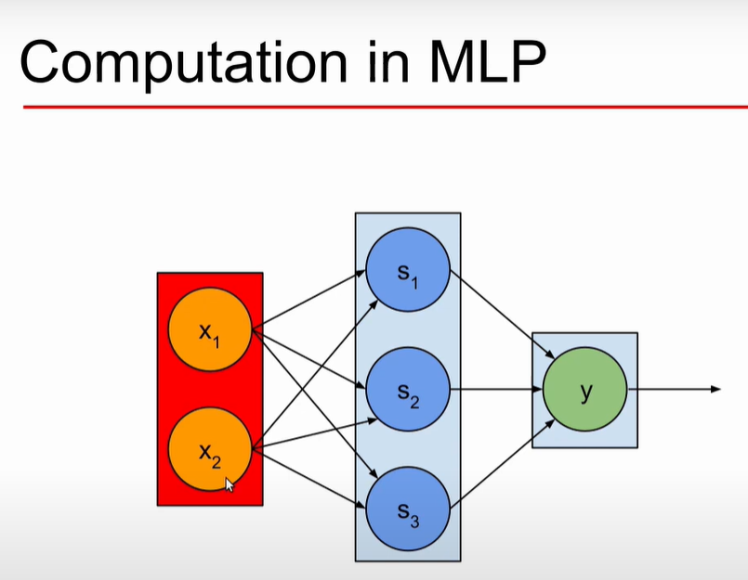
 |  | x1 | 0.8 | s1 | 2.96 | 0.95073399392 | 1 | 0.95073399392
 |  |  |  | 1.2
 |  |  |  | 2
 |  | x2 | 1 | s2 | 1.16 | 0.76133271484 | 0.9 | 0.68519944336
 |  |  |  | 0.7
 |  |  |  | 0.6
 |  |  |  | s3 | 2.6 | 0.93086157966 | 1.5 | 1.3962923695
Activation Function: |  |  |  | 1
 | Sigmoid |  |  | 1.8 |  |  |  | 3.0322258068 | 0.95400893096
 | =1/(1+ exp(h - values))
 |  |  |  | Simulation of the above with wrong values (as per video #5)
 |  |  |  |  |  | 0.95073399392 | 1 | 0.95073399392
 |  |  |  |  |  | 0.83 | 0.9 | 0.747
 |  |  |  |  |  | 0.86 | 1.5 | 1.29

 |  |  |  |  |  |  |  | 2.9877339939 | 0.95201690332

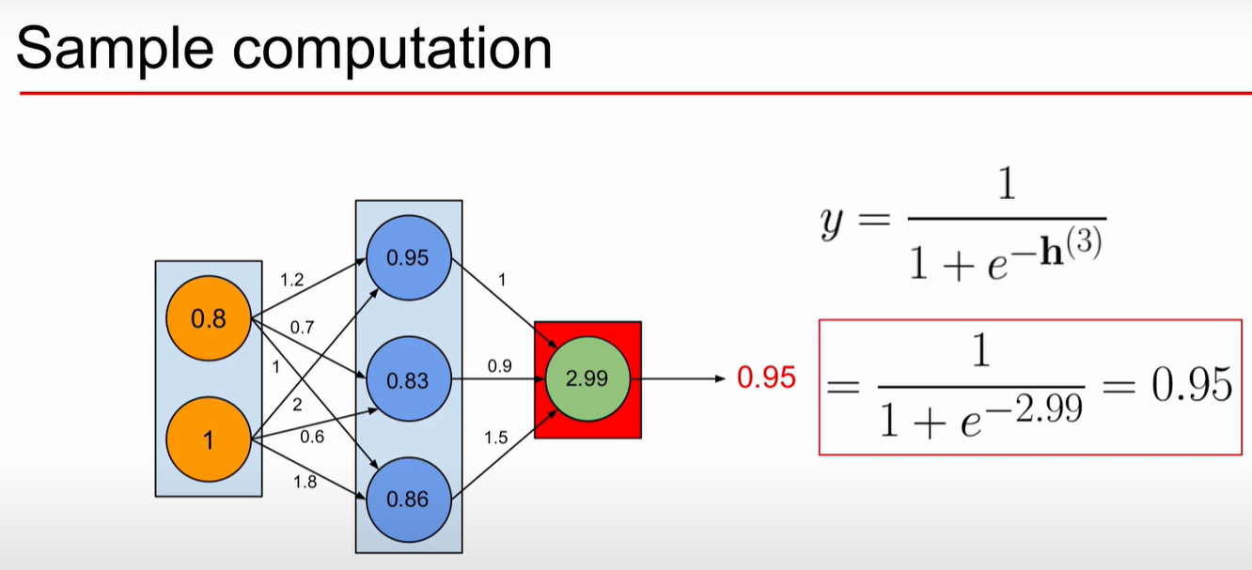
 | One more small sample:
 |  | Only input and ouput - no Hidden layers
 | Inputs | Weights | Values

 | 0.5 | 0.4 | 0.2
 | 0.3 | 0.7 | 0.21
 | 0.2 | 0.2 | 0.04

 |  |  | 0.45
 | Activation (Final Output): |  | 0.61063923395

