Sheet1
S.No | Task | Page | Priority | Status | Assigned to | Estimated Date to complete | Comments | Description | Reported by | Type | Completed Date
1 | Individual scaling for line chart–If there is no option to have only one YR YL, please keep all the things in the YL axis | 1 and 2 | High | Closed | UI Team | 2017-03-01 |  |  |  | Tasks
2 | Keep the NK if none of the field is selected. | 1 and 2 | High | Closed | UI Team | 2017-03-01
3 | When you click reset button, please reset the date to 25th May 2016.(This is the temporary fix). Once we got the data for all the dates, we can reset to current date -1. | 1 and 2 | High | Closed | UI Team | 2017-03-01
4 | iPad Landscape view – Please come up with the screenshots a. iPad Landscape view is important than portrait, b. Please come up with the mockup for all the controls in the first page and 2nd Page. If required, please remove the gauge inside the KPI control. | 1 and 2 |  |  | UI Team | 2017-03-01
5 | Plot the GC based map in the GC Page. |  |  | Open | Ram | 2017-03-01
6 | Add following Capacity KPI as a checkbox in the checkbox filter to plot the line chart. i. Liquid handling capacity ii. DCP iii. DWP iv. Water handling capacity. | 3 | High | Closed | UI Team | 2017-03-01
 |  |  |  |  |  | 2017-03-01
 |  |  |  |  |  | 2017-03-01
 |  |  |  |  |  | 2017-03-01
 |  |  |  |  |  | 2017-03-01
 |  |  |  |  |  | 2017-03-01
7 | Make the donut chart slices are clickable and show the selected field level data in all the controls- | 3 | High | Closed | UI Team | 2017-03-01
8 | Bring the field level map in the 3rd page | 3 |  | Open | Ram | 2017-03-01
9 | Add the check box filter for the fields | 4 | High | Closed | UI Team | 2017-03-01
10 | Add all the bottle neck categories as the check boxes in the chart filter area. Based on this, it should draw the line | 4 | High | Closed | UI Team | 2017-03-01
11 | Share the updated Data mappings documents and the data for 5 and 6th Page |  |  | Closed | DB | 2017-03-01
12 | Show the selected GC name instead of Selected field in the Filter control. | 2 |  | Closed | UI Team | 2017-03-01
13 | Line color for the Line chart and the line chart color (Inside the KPI is not getting matched) – Previously this functionality was there and now it is missing. | 1 and 2 |  | Closed | UI Team | 2017-03-01
14 | Create the colors are configurable for the KPI chart. | 1 and 2 | Medium | Open | UI Team | 2017-03-01
15 | Bullet Chart – Show 3 legends(Actual, Target and Field) when you hover any place | 1 | Medium | Open | UI Team | 2017-03-01
16 | Remove the . from the Gauge tooltip | 2 | High | Closed | UI Team | 2017-03-01
 | 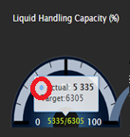 |  |  | Closed | UI Team | 2017-03-01
17 | Change the highlighted symbil to Round Gray color when KPI change value is 0. | 1 and 2 | High | Closed | UI Team | 2017-03-01
 |  |  |  | Closed | UI Team | 2017-03-01
18 | Active wells in the Donut chart and the active wells in the line chart is not matching. This is applicable for Inactive wells and the total wells also | 3 | High | Open | UI Team | 2017-03-01
19 | Pie chart is cilckable but it is not working as we expected. It is getting refreshed when we do each click. So it required 2 click on it to highlight the selected fields. | 3 | High | Closed | UI Team | 2017-03-01
20 | We need the % data for the GC utilization chart – Data team | 2 |  | Closed | Data | 2017-03-01
21 | If possible, please show the values inside the bars (For Stacked column chart and Waterfall chart) | 3 | Low | Open | UI Team | 2017-03-01
22 | Pick some bright color for the each slice in the Downtime By Loss and Cause web parts (Waterfall chart) – Like the Donut chart. | 3 | Medium | Closed | UI Team | 2017-03-01
23 | Show the selected field in the filter control. If the user selects all the field, please show :”NK” | 3 nad 4 |  | Closed | UI Team | 2017-03-01
24 | Use the HTML application to navigate to the different page (DXP Page) Get the HTML application from the below Github https://github.com/balamuruganj/KwIDF2 |  | High | Open | UI Team | 2017-03-01
25 | When we click the slices in donut chart, the following controls are not getting updated. Line chart Both the Waterfall chart | 3 |  | Closed | UI Team | 2017-03-01
26 | We we click outside of the donut chart the donut chart not getting refreshed to show all field data | 3 | High | Closed | UI Team | 2017-03-01
27 | Tooltp changes - Change the tool tip as Field: RA Total Wells: 555 | 3 | High | Closed | UI Team | 2017-03-01
28 | 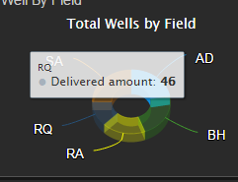 |  |  | Closed | UI Team | 2017-03-01
29 | Filter the line chart data based on the selected filters (Downtime filters, Field and Date) | 4 | High | Closed | UI Team | 2017-03-01
30 | Data validation for the 3rd and 4th Page | 3 and 4 | High |  | UI Team | 2017-03-01
 |  | 3 | High | Closed | UI Team | 2017-04-01
28 | Issue in the 2nd Page filter control - Show the Selected GC instead of Selected Field | 2 | High | Closed | UI Team | 2017-04-01
 | 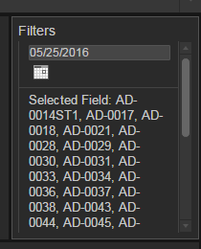 | 2 | High | Closed | UI Team | 2017-04-01
29 | Data Issue in the Bar chart in Page 2: It is not showing the correct data / filtering | 3 | High | Open | UI Team | 2017-04-01 |  | showing data what is available in database. Please check the view. SELECT GC, SUM([OilProductionGainLoss]) OILGAINLOSS FROM [ProdOps].[dbo].[OS_Manager_DataByGc] WHERE DATE = '2016-01-27 00:00:00.000' GROUP BY GC
 | 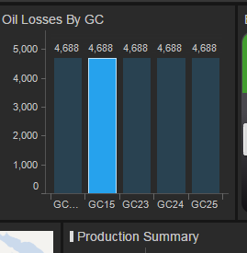 | 2 | High | Open | UI Team | 2017-04-01
30 | Icons Are missing in the KPI chart: | 3 | High | Open | UI Team | 2017-04-01
 |  | 3 | High | Open | UI Team | 2017-04-01 |  | it is not reproducing here
31 | Page 3: In Donut Chart – In side the Circle, please show the total count also Show the Slice Indicator as like RA,56 When I reset the OOB bar charts in the 3rd Page(Loss by Field / Downtime by field) the Donut chart is not getting refreshed. GC utilization – Show the GC is utilized for the Day. This should vary only based on the date and will not vary with any other filter in the page | 3 | High | Open | UI Team | 2017-04-01
32 | Page 4: Show Valid Legends in a valid format. | 4
 | 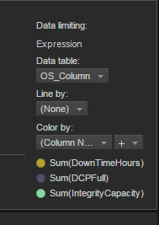 | 4 |  | Closed
 | (In Y axis) |  |  | Closed
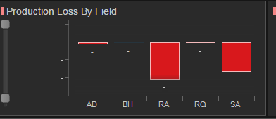

33 | In KPI chart, the comma is missing | All | High | Open
 | 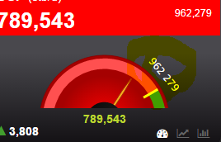
34 | KPI Chart lable should align with the below icons | All | High | Open
 | 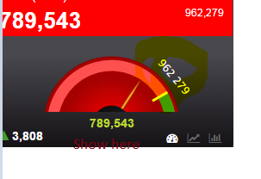
35 | Remove the decimals in the OOB webpars (Y axis) | All | High | Open
36 | Show the highlighted dot as small in size in the line chart (Inside the KPI chart) | All | High | Open
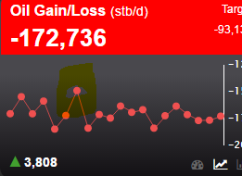

37 | In Budget control, when we change the amount as $, the heading should say (Expenditure ($). Currently it is showing KD for all.
38 | IN all the page filters, please remove the highlighted line. Also keep the font sixe and the font name as same. Keep Ariel , 10 and Bold | All | High | Open
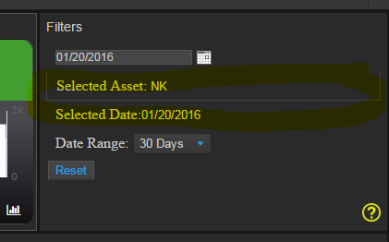

39 | Move the help icon to right corner in filter page
40 | Export excel functionality is working but exporting empty excel. | Engg-Well Facility | High | Open
41 | In all KPI chart, Keep the un selected black backround as the selected backround and come up with the new color for un selected. | All -KPI | High | Open
42 | Show No data if the selected date has no data. | All -KPI | High | Open
43 | Change the KPI Chart Gray color (No Target KPI control) | All -KPI | High | Open
44 | In Engg Production Page, well filter from map is not working. | All -KPI | High | Open | Balamurugan
45 | In Engg Production Page, Show the selected Field label in the text area. | In Engg Production Page
46 | Sanity Ratio contril - Check the data - Show the last 30 days data | In Engg Production Page
47 | Change the alert message in the In Engg Production Page, WHEN YOU CLICK THE Check boxes. Currently it is showing, "Do you want to continue?". | In Engg Production Page
48 | Change the Bar width in allocation factor control |  |  |  | Balamurugan
49 | Load valid GC map in the Engg - Well Facility Page
50 | Show the calendar image from local path

