Sheet1
Annai Engineering Company , Coimbatore
Test Report of Submersible Pumpset, IS 14220

Pump Type |  |  | : ATS2050 |  | Head Range , mWC |  |  | : 18.7/ 23.1 |  | No. of Stages |  |  | : 1
Pump S.No |  |  | : 18_06_11_1 |  | Overall Efficiency, % |  |  | : 33.0 |  | No. of Phases |  |  | : 1
Delivery size , mm |  |  | : 50 |  | Motor Rating , kW/HP |  |  | : 1.5/2.0 |  | Rated Frequency , Hz |  |  | : 50
Rated Head , mWC |  |  | : 22.0 |  | Voltage , V |  |  | : 220 |  | Gauge Distance,m |  |  | : 1.8
Rated Discharge,lps |  |  | : 5.0 |  | Current,A |  |  | : 19.00

Sl. No | Actual Frequency, Hz | HEAD ,mWC |  |  | Discharge, lps | Voltage , V | Current , A | Motor Input Power , kW | PERFORMANCE AT RATED FREQUENCY
 |  | Delivery Gauge Reading | Velocity head Correction | Total Head |  |  |  |  | Motor Input Power,kW | Total Head , mWC | Discharge, lps | Pump Output Power,kW | Overall Efficiency , %

1 | 49.90 | 29.00 | 0.00 | 30.80 | 0.00 | 220.00 | 4.67 | 1.00 | 1.01 | 30.92 | 0.00 | 0.00 | 0.00
2 | 50.00 | 27.00 | 0.03 | 28.83 | 1.58 | 220.00 | 5.14 | 1.13 | 1.13 | 28.83 | 1.58 | 0.45 | 39.39
3 | 50.00 | 24.00 | 0.15 | 25.95 | 3.39 | 220.00 | 6.14 | 1.34 | 1.34 | 25.95 | 3.39 | 0.86 | 64.27
4 | 50.10 | 22.00 | 0.29 | 24.09 | 4.71 | 220.00 | 6.68 | 1.49 | 1.48 | 24.00 | 4.70 | 1.11 | 74.72
5 | 50.20 | 20.00 | 0.40 | 22.20 | 5.51 | 220.00 | 7.13 | 1.58 | 1.56 | 22.02 | 5.49 | 1.19 | 76.05
6 | 50.20 | 18.00 | 0.54 | 20.34 | 6.38 | 220.00 | 7.67 | 1.69 | 1.67 | 20.18 | 6.35 | 1.26 | 75.14
7 | 50.20 | 12.00 | 0.86 | 14.66 | 8.08 | 220.00 | 8.75 | 1.88 | 1.86 | 14.55 | 8.05 | 1.15 | 61.62
8 | 50.20 | 9.00 | 0.98 | 11.78 | 8.62 | 220.00 | 9.24 | 1.94 | 1.91 | 11.69 | 8.59 | 0.98 | 51.38

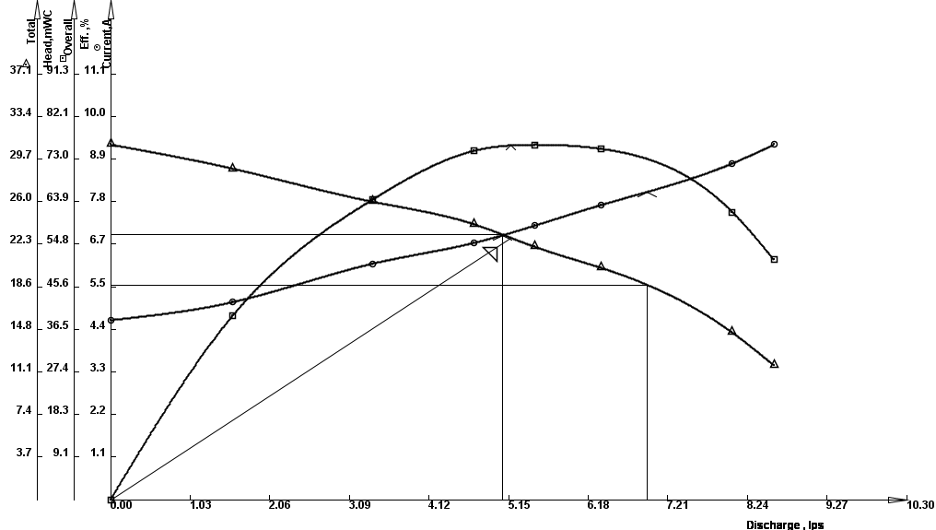

Annai Engineering Company |  |  |  |  | IS 14220 |  | Duty Point |  | Q , lps | T.H. ,mWC |  | OAEff,% | Imax,A
Type : ATS2050 |  |  |  |  | S.No: | 18_06_11_1 | Guaranteeed |  | 5.00 | 22.00 |  | 33.00 | 19.00
Head Range , mWC : 18.7 / 23.1 |  |  |  |  | Freq.,Hz : 50 |  | Actual |  | 5.18 | 22.80 |  | 75.90 | 8.01
Date : 18-06-2011 |  |  |  |  |  |  | Result |  | Pass | Pass |  | Pass | Pass
Casing Pressure Text : Withstood a pressure of 1.5 times max. disch pressure.

Authorised Signatory, Q.A.

