Sheet1
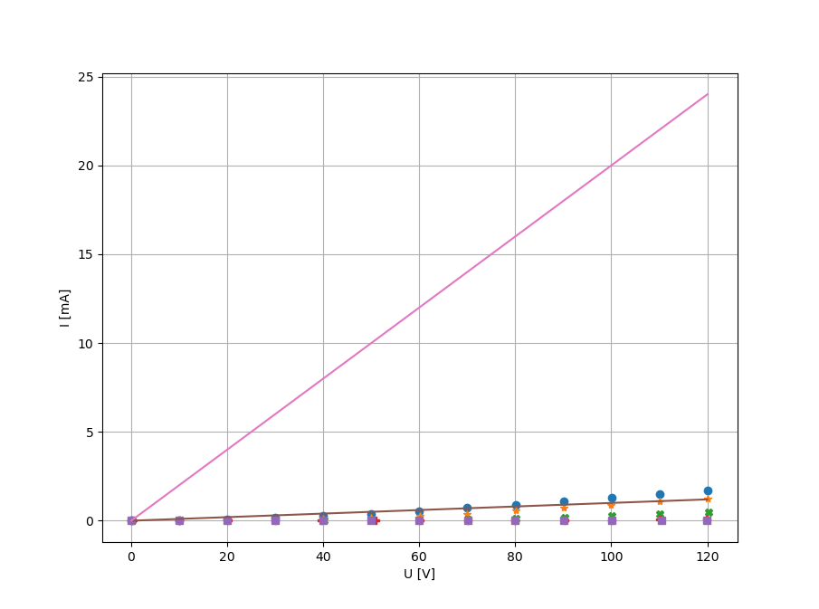
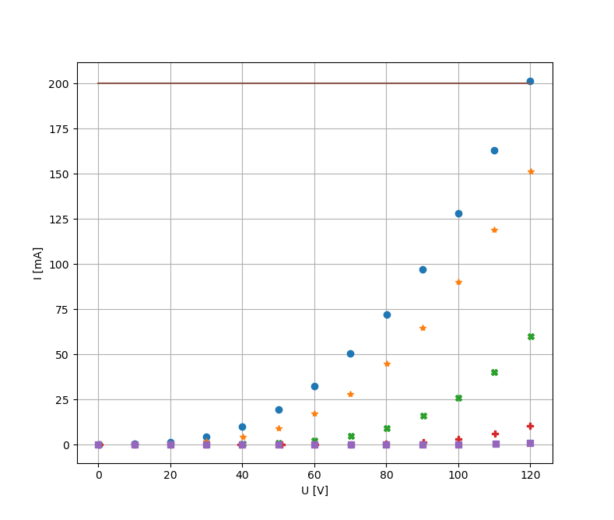
U_g [V] | 0.0516 | 0.4994 |  | 1.0054 |  | 1.5068 |  | 1.9875
U_a [V] | I_a [mA] | U_a | I_a | U_a | I_a | U_a | I_a | U_a | I_a
0.05 | 0.0068 | 0.11 | 0.002 | 0.19 | 0 | 0.37 | 0 | 0 | 0
10.01 | 0.0324 | 10.01 | 0.0098 | 10.02 | 0.0002 | 10.01 | 0 | 10 | 0
20.01 | 0.077 | 20.01 | 0.026 | 20.04 | 0.001 | 20.08 | 0 | 20 | 0
30.04 | 0.1506 | 30 | 0.0576 | 29.99 | 0.0032 | 30.01 | 0 | 30 | 0
40.02 | 0.2536 | 40.05 | 0.1096 | 40.08 | 0.0084 | 39.57 | 0 | 40 | 0
50 | 0.3862 | 50 | 0.1852 | 50.04 | 0.0186 | 50.86 | 0.0006 | 50 | 0
60 | 0.54 | 60.05 | 0.2888 | 60.03 | 0.0366 | 60.17 | 0.0016 | 60 | 0
70.01 | 0.72 | 70 | 0.4 | 70.12 | 0.0682 | 70.1 | 0.0038 | 70.14 | 0
80.03 | 0.9 | 80.04 | 0.56 | 80.17 | 0.1138 | 79.95 | 0.0084 | 79.96 | 0.0002
90.04 | 1.08 | 90.05 | 0.72 | 90.25 | 0.1762 | 90.25 | 0.0172 | 90.07 | 0.0008
100.01 | 1.28 | 99.96 | 0.9 | 100.09 | 0.2598 | 100.13 | 0.0316 | 100.01 | 0.0022
110.03 | 1.48 | 110.05 | 1.08 | 110.07 | 0.3642 | 110.18 | 0.0552 | 110.43 | 0.0048
120.01 | 1.68 | 120.14 | 1.26 | 120.2 | 0.5 | 119.9 | 0.0882 | 119.92 | 0.0092

Sheet2
R_a = 100 kOhm | U_a = 117.56 120+-0.5 | U_vst = 0.2 | U_g = -1.0008V | R_a = 5 kOhm
f [Hz] | U_vyst | U_a | f | U_vyst | U_a
30 | 6 | 118.67 | 30 | 0.88 | 118.27
40 | 6.8 | 118.66 | 40 | 0.98 | 118.64
60 | 7.6 | 118.71 | 60 | 1.1 | 118.71
80 | 7.8 | 118.75 | 80 | 1.1 | 118.68
100 | 8 | 118.72 | 100 | 1.1 | 118.64
200 | 8.2 | 118.71 | 200 | 1.2 | 118.62
400 | 8.4 | 118.72 | 400 | 1.2 | 118.57
800 | 8.4 | 117.52 | 800 | 1.2 | 118.59
1600 | 8.4 | 117.88 | 1600 | 1.2 | 118.5
3200 | 8.2 | 118.83 | 3200 | 1.2 | 118.47
6400 | 7.8 | 118.84 | 6400 | 1.2 | 118.59
12800 | 7 | 118.42 | 12800 | 1.2 | 118.69
25600 | 5 | 118.24 | 25600 | 1.2 | 118.79
51200 | 3 | 118.16 | 51200 | 1.1 | 118.82
100000 | 1.6 | 118.1 | 100000 | 1 | 118.82
200000 | 0.82 | 118.83 | 200000 | 0.82 | 118.82
400000 | 0.4 | 118.82 | 400000 | 0.5 | 118.81
800000 | 0.2 | 118.8 | 800000 | 0.28 | 118.83

