Sheet1
Bugs |  |  | QA Status | QA Comments
Bug 1: | Bug 1: |  | Closed
 | Steps: 1. open the URL : https://delightful-sky-0a0da3f00-preview.eastasia.4.azurestaticapps.net/
 | 2. click on new button
 | 3. Fill all the mandatory fields and click on upoald and choose the file and click on save.
 | Comments
 | Uday told that all file types be allowed, with a size limit of 10MB.

Bug 2 | Incorrect time displayed in the "Created On" field. |  | Closed
 | Steps: 1. open the URL : https://delightful-sky-0a0da3f00-preview.eastasia.4.azurestaticapps.net/
 | 2. click on new button & fill all the mandatory fields and click on save.
 | 3. Validate the time displayed.
 | Status: Resolved

Bug 3 | JobTitle is not displayed in the Manager Info when the new ticket is raised. |  | Closed
 | Steps: 1. open the URL : https://delightful-sky-0a0da3f00-preview.eastasia.4.azurestaticapps.net/
 | 2. click on new button & fill all the mandatory fields and click on save.
 | 3. Validate the JobTitle field under the manager info.
 | Comments
 | We are fetching employee data from the organization's Microsoft account, but some records lack job titles. To handle this, we are using "-" as a placeholder.

Bug 4 | Unable to select "All Tickets" after selecting other filter options in the dropdown. |  | open
 | Steps: 1. open the URL : https://delightful-sky-0a0da3f00-preview.eastasia.4.azurestaticapps.net/dashboard/115
 | 2. click on filter dropdown
 | 3. select any one of the filter status checkbox other than "All Tickets" then select "All Tickets" option
 | Comments
 | We have disabled the "All Tickets" checkbox to prevent users from performing an empty filter by unchecking it.

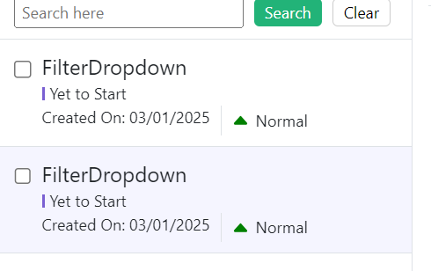
Bug 5 | Cloning allows creation of duplicate tickets with the same title. |  | Closed
 | Steps: 1. open the URL : https://delightful-sky-0a0da3f00-preview.eastasia.4.azurestaticapps.net/dashboard/115
 | 2. Open an existing ticket.
 | 3. Click the clone button to duplicate the ticket.
 | 4. Fill out the necessary fields, keeping the values identical to the original ticket.
 | 5. Save the cloned ticket without any unique changes.
 | Comments
 | The Clone feature is designed to create an exact duplicate of a ticket. While the ticket's title may be the same, the ticket ID remains unique to each instance.

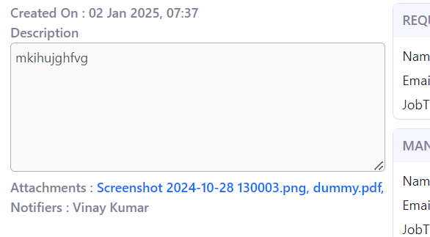
Bug 6 | Old file still displayed after cloning ticket and uploading new one |  | Closed
 | Steps: 1. open the URL : https://delightful-sky-0a0da3f00-preview.eastasia.4.azurestaticapps.net/dashboard/115
 | 2. Click on the clone button to create a duplicate ticket.
 | 3. Upload a new file to the cloned ticket.
 | 4. Remove the old file from the cloned ticket.
 | 5. Click the save button to save the changes to the cloned ticket.
 | 6. Open the cloned ticket after saving and check the files attached.
 | Status: Resolved

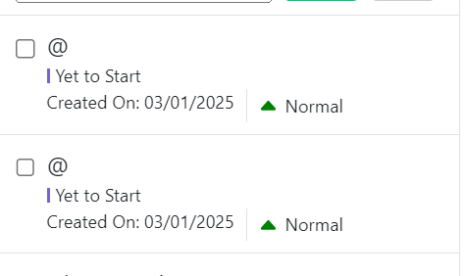
Bug 7 | Ticket creation allowed with only special characters in title |  | Closed
 | Steps: 1. Click on "+ New" Button
 | 2. Enter a title in the ticket title field containing only special characters (e.g., @ or #) without any numbers or alphabets.
 | 3. Fill in the remaining mandatory fields (if any).
 | 4. Click on the save button to create the ticket.
 | 5. Search for the created ticket or view it in the list of tickets.
 | Status: Resolved

Bug 8 | The comments field does not have a size limit, and the comments are not aligned properly. |  | closed
 | Steps: 1. Go to the ticket page and locate the comments field. 2. Enter a very long comment (e.g., several thousand characters) into the comments field. 3. Save the comment. 4. Observe the alignment of the comment displayed on the page.
 | Status: Resolved
 | It is not showing an error message if we are trying to enter more than the max limit

Bug 9 | There is no option to change the ticket to the "In Progress" state. |  | Closed
 | 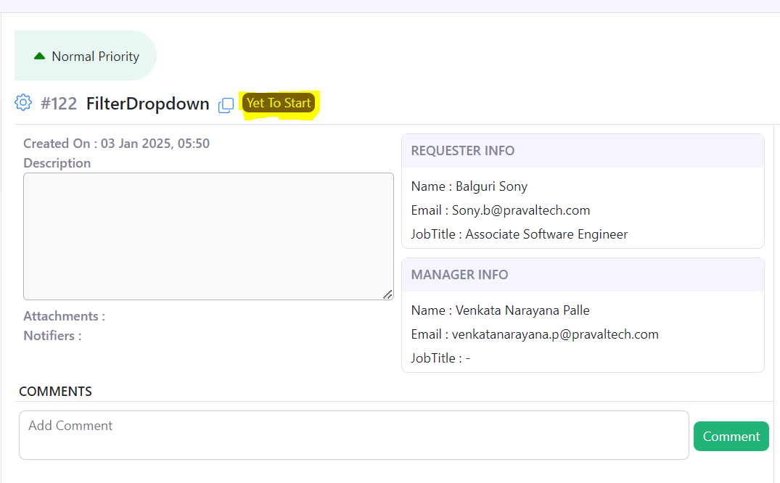 Steps: 1. Open an existing ticket in the interface. 2. Check the available options to update the ticket's status. 3. Search for the "In Progress" state among the status options. 4. Attempt to change the ticket status to "In Progress."
 | Comments
 | User, Can't able to change the Status of a ticket to "In Progress". If you get a comment from admin, the status will change to "In Progress".

Bug 10 | After clicking "Mark As Completed" for the ticket, the status updates only after refreshing the page. |  | Closed
 | Steps: 1. Open an existing ticket with an active status. 2. Click the "Mark As Completed" button to update the ticket's status. 3. Observe the status of the ticket without refreshing the page. 4. Refresh the page and check the status again.
 | Status: Resolved

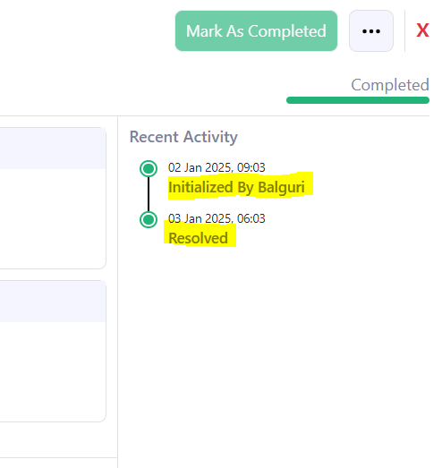
Bug 11 | For completed tickets under recent activity, the username is not displayed next to "Resolved," unlike "Initialized" or "Commented." |  | open
 | Steps: 1. Navigate to the recent activity section for any completed ticket. 2. Check the entries for ticket actions, such as "Initialized," "Commented," and "Resolved." 3. Compare the "Resolved" with other activities like "Initialized" and "Commented."
 | Status: Resolved

Bug 12 | When clicking on the checkbox for a ticket, the checkbox cannot be selected. |  | Closed
 | Steps: 1.Navigate to the ticket list view where checkboxes are displayed next to tickets. 2. Locate a ticket with a checkbox. 3. Attempt to click on the checkbox to select the ticket. 4. Observe the behavior of the checkbox after clicking. | 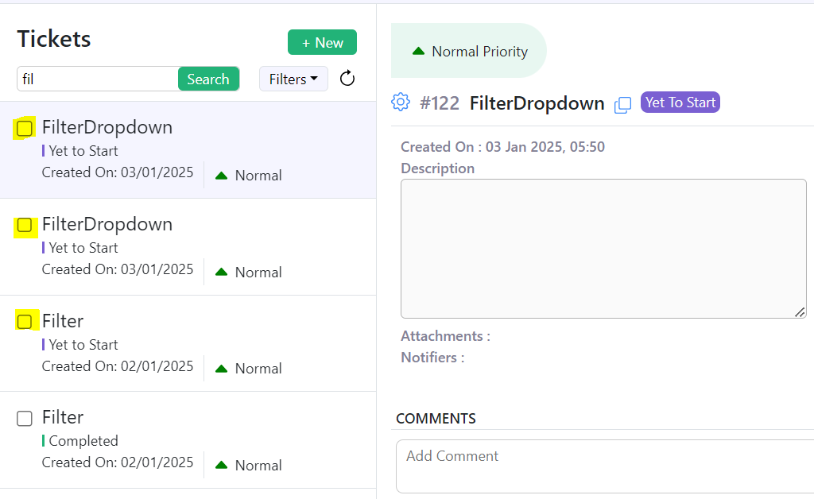
 | Status: Resolved

Bug 13 | After selecting a filter and clicking "Apply," the filter tab does not close automatically. |  | Closed
 | Steps: 1. Go to the section with filtering options for tickets. 2.Open the filter tab and select any filter criteria. 3. Click the "Apply" button to apply the selected filter. 4. Observe the behavior of the filter tab after clicking "Apply."
 | Status: Resolved

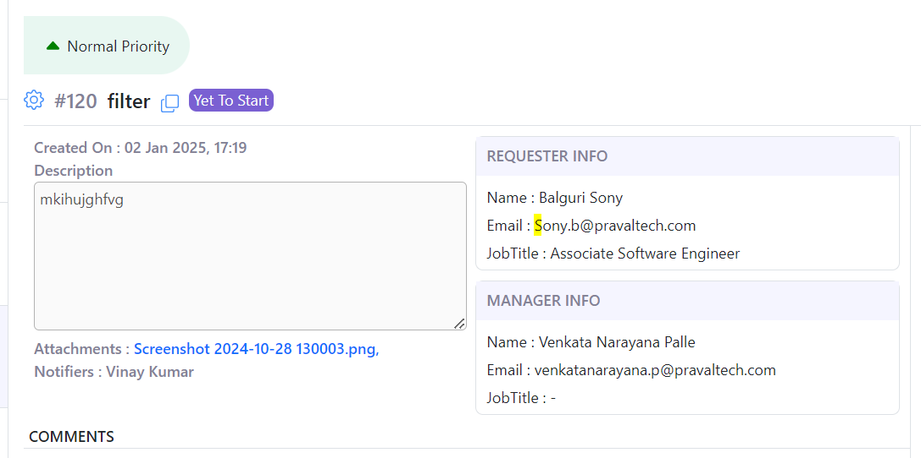
Bug 14 | Under the requester info, the first letter of the email field is displayed in uppercase. |  | closed
 | Steps: 1. Open the ticket details page and navigate to the requester info section. 2. Locate the email field displaying the requester's email address. 3. Check the formatting of the email, specifically the first letter.
 | Status: Resolved

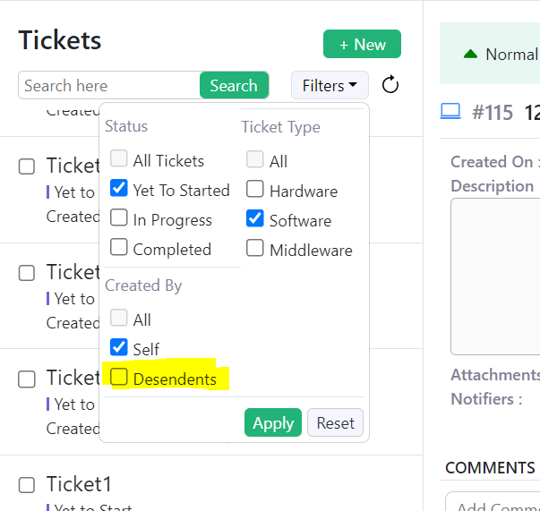
Bug 15 | Incorrect spelling of 'Descendants' as 'Desendents' |  | Closed
 | Steps: 1. click on filter dropdown
 | 2. check the spelling of "Desendents"

Suggestions | 1. The purpose of descendants. : The manager can view the tickets that have been created by descendants.

 | 2. The search input box does not have autosuggestion implemented, and if an incorrect input is entered, a message should appear saying 'Results not found. |  | open

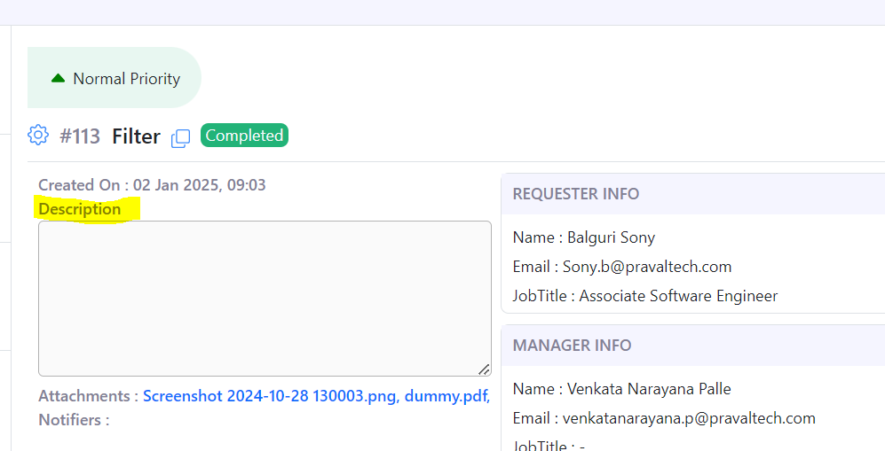

 | 3. A colon (':') should be added to the Description field |  | Closed
 | Status: Implemented

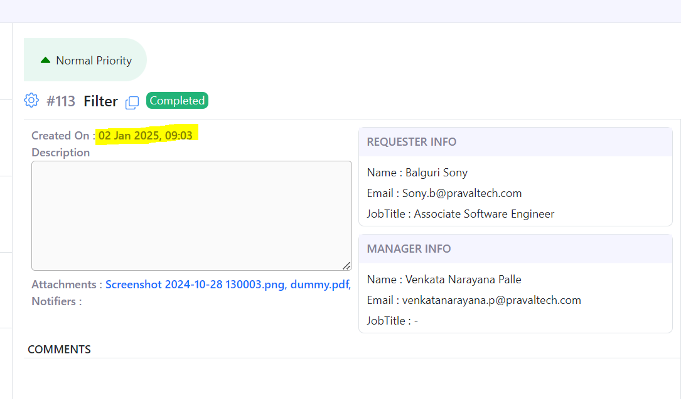
 | 4. What is the time zone, and is the time displayed in a 12-hour or 24-hour format? |  | Closed
 | Status: Implemented

 | 5. Why is there a comma for the attachments field? |  | Closed
 | Status: Implemented

 | 6. Is 'JobTitle' expected, or should there be a space between 'Job' and 'Title'? |  | Closed
 | Status: Implemented

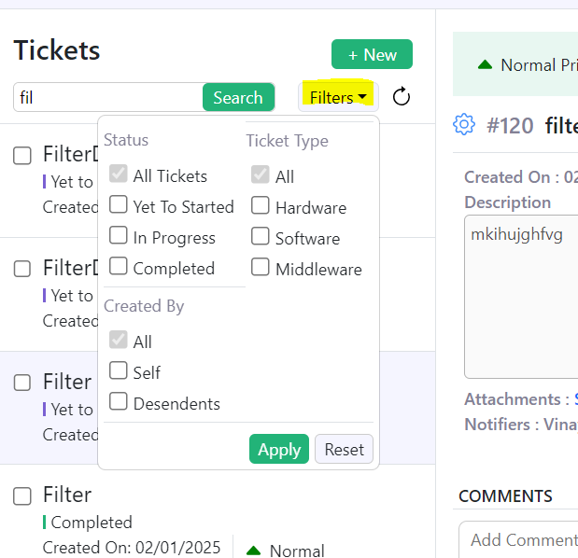
 | 7. We can apply a filter by priority, or we can implement sorting based on priority.
 | Status: Implemented |  | open

