Deployment1
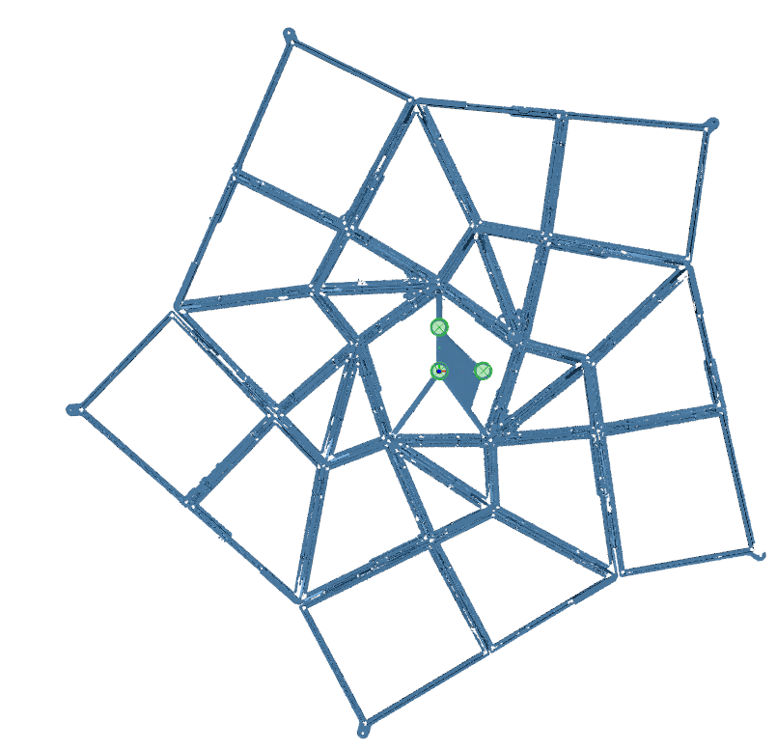
Aper0
G2Ap1
G2Ap2
G1Ap3
G1Ap4
G1Ap5
G1Ap2
G2Ap3
G2Ap4
G2Ap5
G3Ap1
G3Ap2
G3Ap3
G3Ap4
G3Ap5
G4Ap1
G4Ap2
G4Ap3
G4Ap4
G4Ap5
G5Ap1
G5Ap2
G5Ap3
G5Ap4
G1Ap1
G5Ap5
X
Y
Deployment Success 1 Frame Scan
Global
Aperture | Tip (deg) | Tilt (deg) | Rotation (deg) | X De-center (mm) | Y De-center (mm) | Z De-center (mm)* | Flatness (mm)
All | -0.286 | 0.344 | 0.252 | -2.20218 | 2.64414 | 17.0434 | 0.7493
 | Local
Ap1G1 | -0.057 | 0.115 | -0.027 | -0.584 | 0.508 | 0.010 | n/a
Ap1G2 | 0.688 | 0.000 | -0.065 | 0.102 | 0.711 | 0.211 | n/a
Ap1G3 | 0.344 | 0.516 | -0.075 | -0.787 | -0.406 | -0.203 | n/a
Ap1G4 | 0.286 | 0.344 | -0.129 | 0.584 | 0.457 | -0.635 | n/a
Ap1G5 | 0.057 | -0.057 | -0.148 | 0.584 | 0.254 | -1.199 | n/a
Ap2G1 | -0.229 | 0.286 | -0.050 | 0.178 | 0.762 | -0.091 | n/a
Ap2G2 | -0.286 | 0.286 | 0.037 | 0.584 | 0.127 | -0.272 | n/a
Ap2G3 | 0.057 | 0.458 | 0.116 | 0.787 | -0.051 | -0.823 | n/a
Ap2G4 | -0.458 | 0.344 | 0.215 | 0.737 | -0.229 | -1.191 | n/a
Ap2G5 | -0.344 | 0.401 | -0.262 | 0.559 | -0.229 | -0.018 | n/a
Ap3G1 | 0.115 | 0.286 | -0.104 | 0.737 | 0.076 | -0.089 | n/a
Ap3G2 | -0.859 | 0.115 | -0.131 | -0.025 | -0.381 | -0.071 | n/a
Ap3G3 | -0.229 | -0.573 | -0.198 | 0.483 | -0.660 | 0.221 | n/a
Ap3G4 | -0.286 | -0.401 | -0.089 | 0.610 | -0.533 | 0.056 | n/a
Ap3G5 | -0.229 | -0.401 | -0.100 | 0.254 | -0.330 | -0.899 | n/a
Ap4G1 | 0.745 | -0.115 | 0.122 | 0.356 | -0.711 | -0.401 | n/a
Ap4G2 | 0.401 | 0.516 | 0.082 | -0.356 | -0.152 | -0.831 | n/a
Ap4G3 | 0.229 | -0.458 | -0.147 | -0.381 | -0.457 | -0.564 | n/a
Ap4G4 | 0.745 | 0.286 | -0.368 | -0.610 | -0.584 | -0.389 | n/a
Ap4G5 | 0.688 | 0.286 | 0.396 | -0.432 | -0.838 | 1.623 | n/a
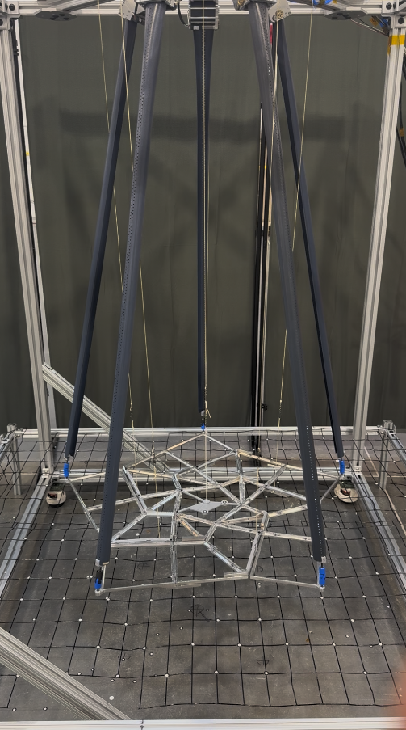
Ap5G1 | 0.000 | 0.630 | 0.111 | -0.533 | -0.254 | 0.178 | n/a
Ap5G2 | 0.344 | 1.146 | 0.110 | -0.533 | 0.305 | 1.135 | n/a
Ap5G3 | -0.115 | 0.974 | -0.050 | -0.381 | 0.330 | 1.016 | n/a
Ap5G4 | 0.573 | 0.802 | -0.157 | -0.330 | 0.559 | 1.288 | n/a
Ap5G5 | 0.745 | 0.688 | 0.123 | -0.914 | 0.533 | 1.334 | n/a

Avg | 0.117 | 0.259 | -0.032 | 0.027 | -0.048 | -0.024 | n/a
Max | 0.859 | 1.146 | 0.396 | 0.914 | 0.838 | 1.623 | n/a

*Z De-center can be shimmed on a flight system after test data is collected.

Deployment2
Aper0
G2Ap1
G2Ap2
G1Ap3
G1Ap4
G1Ap5
G1Ap2
G2Ap3
G2Ap4
G2Ap5
G3Ap1
G3Ap2
G3Ap3
G3Ap4
G3Ap5
G4Ap1
G4Ap2
G4Ap3
G4Ap4
G4Ap5
G5Ap1
G5Ap2
G5Ap3
G5Ap4
G1Ap1
G5Ap5
X
Y
Deployment Success 2 Frame Scan
Global
Aperture | Tip (deg) | Tilt (deg) | Rotation (deg) | X De-center (mm) | Y De-center (mm) | Z De-center (mm)* | Flatness (mm)
All | -0.458 | 0.802 | -0.751 | 8.999 | -15.331 | 19.840 | 1.560
 | Local
Ap1G1 | -0.17188759637 | 0.057295789062 | 0.065 | 1.27 | -0.254 | 0 | n/a
Ap1G2 | 0.80216711876 | 0 | -0.059 | 0.3556 | -0.5334 | 0.05588 | n/a
Ap1G3 | 0.40107373207 | 0.34377673976 | -0.058 | -0.0508 | -1.1938 | -0.03048 | n/a
Ap1G4 | 0.34377673976 | 0.22918372921 | -0.083 | -1.0922 | -1.5748 | -0.34798 | n/a
Ap1G5 | 0.22918372921 | -0.11459163542 | -0.129 | -2.2606 | -1.2192 | -0.74676 | n/a
Ap2G1 | -0.22918372921 | 0.28648009124 | 0.001 | -0.889 | -0.0508 | -0.05588 | n/a
Ap2G2 | -0.22918372921 | 0.28648009124 | 0.064 | -0.4064 | -0.7112 | -0.3683 | n/a
Ap2G3 | 0.17188759637 | 0.45837112549 | 0.056 | -0.9906 | -0.4318 | -1.04394 | n/a
Ap2G4 | -0.45837112549 | 0.34377673976 | 0.161 | -1.524 | 2.1082 | -1.32334 | n/a
Ap2G5 | -0.63026628545 | 0.40107373207 | -0.173 | -1.8034 | 2.0066 | 0.33782 | n/a
Ap3G1 | 0.17188759637 | 0.28648009124 | -0.178 | -0.3048 | 0.762 | -0.09144 | n/a
Ap3G2 | -1.2606088524 | 0.34377673976 | -0.18 | -0.9652 | 0.254 | -0.27432 | n/a
Ap3G3 | -1.0313797309 | 0 | -0.164 | -0.4572 | 1.0414 | 1.09728 | n/a
Ap3G4 | 0.80216711876 | -1.833778 | -0.002 | 0.7112 | 1.8288 | 0.35052 | n/a
Ap3G5 | 0.85946892484 | -1.7764537711 | 0.037 | 1.7018 | 2.3368 | -5.30098 | n/a
Ap4G1 | 0.57296734486 | -0.057295789062 | 0.131 | 0.5334 | 0.4826 | -0.34036 | n/a
Ap4G2 | 1.3179191428 | -0.22918372921 | 0.1 | 0.0508 | 0.8382 | -1.81356 | n/a
Ap4G3 | 0.80216711876 | -1.3179191428 | -0.137 | 0.4318 | 0.7366 | -3.02006 | n/a
Ap4G4 | 1.2032998234 | -0.91677159063 | -0.366 | 1.9304 | -0.0254 | -4.04876 | n/a
Ap4G5 | 0.97407517352 | -1.2032998234 | 0.328 | 2.7178 | -1.397 | -3.10896 | n/a
Ap5G1 | 0.057295789062 | -0.45837112549 | -0.002 | 0.635 | -0.4826 | -0.11938 | n/a
Ap5G2 | 0.40107373207 | 0.057295789062 | 0.036 | 0.8128 | 0.2286 | -0.16256 | n/a
Ap5G3 | -0.057295789062 | 0 | -0.059 | 1.143 | -0.5842 | -0.1524 | n/a
Ap5G4 | 0 | 0 | -0.155 | 0.9398 | -1.6764 | -0.26416 | n/a
Ap5G5 | 0.11459163542 | -0.11459163542 | 0.041 | -0.508 | -2.6924 | 0.06858 | n/a

Avg | 0.206 | -0.197 | -0.029 | 0.079 | -0.008 | -0.828 | n/a
Max | 1.318 | 1.834 | 0.366 | 2.718 | 2.692 | 5.301 | n/a

*Z De-center can be shimmed on a flight system after test data is collected.

 |  |  | NO THE UPDATED VERSION!!!!
 |  |  | THE OTHER SHEEST ARE THE UPDAED VERSION
 |  |  | THE DE CETNER VALUES HERE ARE NOT GOOD

Deployment3
Aper0
G2Ap1
G2Ap2
G1Ap3
G1Ap4
G1Ap5
G1Ap2
G2Ap3
G2Ap4
G2Ap5
G3Ap1
G3Ap2
G3Ap3
G3Ap4
G3Ap5
G4Ap1
G4Ap2
G4Ap3
G4Ap4
G4Ap5
G5Ap1
G5Ap2
G5Ap3
G5Ap4
G1Ap1
G5Ap5
X
Y
Deployment Success 3 Frame Scan
Global
Aperture | Tip (deg) | Tilt (deg) | Rotation (deg) | X De-center (mm) | Y De-center (mm) | Z De-center (mm)* | Flatness (mm)
All | -0.401 | 0.516 | -0.396 | -2.309 | 10.714 | 17.323 | 1.760
 | Local
Ap1G1 | 0 | 0.11459163542 | -0.054 | -0.1778 | -0.4826 | -0.06858 | n/a
Ap1G2 | 1.1459919984 | -0.34377673976 | -0.142 | 0.3302 | -0.4064 | 0.09652 | n/a
Ap1G3 | 0.74486611507 | 0.11459163542 | -0.153 | 0.0254 | -0.9906 | 0.65278 | n/a
Ap1G4 | 0.51566897731 | -0.80216711876 | -0.164 | -0.7366 | -1.27 | 1.0795 | n/a
Ap1G5 | 0.34377673976 | -1.1459919984 | -0.201 | -1.6256 | -0.9652 | 3.14452 | n/a
Ap2G1 | -0.28648009124 | 0.28648009124 | -0.083 | -0.635 | 0.0508 | -0.13462 | n/a
Ap2G2 | -0.28648009124 | -1.08868532 | -0.007 | -0.1778 | -0.6604 | -0.08128 | n/a
Ap2G3 | 0.17188759637 | -0.85946892484 | 0.161 | -0.7874 | -0.3302 | 1.19126 | n/a
Ap2G4 | -0.57296734486 | -0.97407517352 | 0.259 | -1.2446 | 0.3302 | 1.77038 | n/a
Ap2G5 | -0.45837112549 | -0.91677159063 | -0.264 | -1.27 | 1.4478 | 2.79908 | n/a
Ap3G1 | 0.11459163542 | 0.22918372921 | -0.089 | -0.0762 | 0.5334 | -0.00508 | n/a
Ap3G2 | -1.08868532 | -0.057295789062 | -0.108 | -0.8128 | 0.0254 | 0.34036 | n/a
Ap3G3 | -0.74486611507 | -0.57296734486 | -0.214 | -0.2794 | 0.508 | 1.03632 | n/a
Ap3G4 | 1.0313797309 | -2.40713079 | -0.105 | 0.762 | 1.2954 | -0.33782 | n/a
Ap3G5 | 1.08868532 | -2.3497856055 | -0.111 | 1.6002 | 1.7272 | -7.77748 | n/a
Ap4G1 | 0.45837112549 | -0.22918372921 | 0.058 | 0.508 | 0.2286 | -0.26162 | n/a
Ap4G2 | 1.7191313209 | -1.2032998234 | 0.044 | 0.1016 | 0.4318 | -1.8669 | n/a
Ap4G3 | 1.6044915265 | -2.0057619349 | -0.135 | -0.0762 | 0.381 | -4.28752 | n/a
Ap4G4 | 1.7764537711 | -2.2351022438 | -0.429 | 1.4478 | -0.3302 | -6.08584 | n/a
Ap4G5 | 1.5471740673 | -2.4644783874 | 0.401 | 1.9812 | -1.397 | -5.50418 | n/a
Ap5G1 | 0.057295789062 | -0.34377673976 | 0.043 | 0.4318 | -0.508 | -0.32004 | n/a
Ap5G2 | 0.34377673976 | 0.11459163542 | 0.103 | 0.635 | 0.2032 | -0.3175 | n/a
Ap5G3 | -0.17188759637 | -0.11459163542 | -0.152 | 0.762 | -0.2794 | -0.508 | n/a
Ap5G4 | 0.34377673976 | -0.22918372921 | -0.213 | 0.6604 | -1.3716 | -0.47498 | n/a
Ap5G5 | 0.45837112549 | -0.34377673976 | 0.037 | -0.4572 | -2.2098 | 1.02362 | n/a

Avg | 0.394 | -0.793 | -0.061 | 0.036 | -0.162 | -0.596 | n/a
Max | 1.776 | 2.464 | 0.429 | 1.981 | 2.210 | 7.777 | n/a

*Z De-center can be shimmed on a flight system after test data is collected.

Deployment4
Aper0
G2Ap1
G2Ap2
G1Ap3
G1Ap4
G1Ap5
G1Ap2
G2Ap3
G2Ap4
G2Ap5
G3Ap1
G3Ap2
G3Ap3
G3Ap4
G3Ap5
G4Ap1
G4Ap2
G4Ap3
G4Ap4
G4Ap5
G5Ap1
G5Ap2
G5Ap3
G5Ap4
G1Ap1
G5Ap5
X
Y
Deployment Success 4 Frame Scan
Global
Aperture | Tip (deg) | Tilt (deg) | Rotation (deg) | X De-center (mm) | Y De-center (mm) | Z De-center (mm)* | Flatness (mm)
All | -0.229 | 0.573 | -0.654 | -3.157 | 10.234 | 19.715 | 2.525
 | Local
G1Ap1 | -0.115 | 0.057 | 0.022 | -0.254 | -0.279 | -0.064 | n/a
G1Ap2 | 0.516 | -0.115 | -0.130 | 0.406 | -0.203 | -0.196 | n/a
G1Ap3 | 0.115 | 0.516 | -0.119 | 0.152 | -0.559 | -0.625 | n/a
G1Ap4 | -0.057 | -0.286 | -0.182 | -0.737 | -0.991 | -0.950 | n/a
G1Ap5 | -0.229 | -0.688 | -0.185 | -1.600 | -0.762 | 0.505 | n/a
G2Ap1 | -0.917 | 0.688 | -0.051 | -0.635 | 0.203 | -0.630 | n/a
G2Ap2 | -0.859 | -0.688 | -0.026 | -0.178 | -0.635 | -0.640 | n/a
G2Ap3 | -0.401 | -0.401 | 0.172 | -0.330 | -0.457 | 0.404 | n/a
G2Ap4 | -0.172 | -0.172 | 0.241 | -0.940 | 0.356 | 0.671 | n/a
G2Ap5 | -0.344 | -0.229 | -0.262 | -1.016 | 1.321 | 1.285 | n/a
G3Ap1 | 0.057 | 0.229 | -0.091 | 0.051 | 0.533 | -0.097 | n/a
G3Ap2 | -0.974 | 0.057 | -0.120 | -0.635 | 0.051 | 0.137 | n/a
G3Ap3 | -0.573 | -0.573 | -0.192 | -0.152 | 0.406 | 0.620 | n/a
G3Ap4 | 1.662 | -2.809 | -0.082 | 0.813 | 1.168 | -1.405 | n/a
G3Ap5 | 1.662 | -2.694 | -0.140 | 1.524 | 1.600 | -10.107 | n/a
G4Ap1 | 0.745 | -0.115 | 0.095 | 0.584 | 0.152 | -0.389 | n/a
G4Ap2 | 2.178 | -1.604 | 0.075 | 0.076 | 0.584 | -2.385 | n/a
G4Ap3 | 2.292 | -1.948 | -0.136 | -0.254 | 0.229 | -4.732 | n/a
G4Ap4 | 2.120 | -3.268 | -0.404 | 1.143 | -0.305 | -6.916 | n/a
G4Ap5 | 1.776 | -3.555 | 0.368 | 1.600 | -1.321 | -6.934 | n/a
G5Ap1 | 0.057 | -0.401 | 0.021 | 0.330 | -0.483 | -0.142 | n/a
G5Ap2 | 0.286 | 0.000 | 0.113 | 0.559 | 0.178 | -0.244 | n/a
G5Ap3 | -0.745 | 0.000 | -0.046 | 0.813 | -0.305 | -0.638 | n/a
G5Ap4 | -0.458 | -0.458 | -0.180 | 0.584 | -1.219 | -1.847 | n/a
G5Ap5 | -0.229 | -0.573 | 0.114 | -0.914 | -1.956 | -1.430 | n/a

Avg | 0.296 | -0.761 | -0.045 | 0.040 | -0.108 | -1.470 | n/a
Max | 2.292 | 3.555 | 0.404 | 1.600 | 1.956 | 10.107 | n/a

*Z De-center can be shimmed on a flight system after test data is collected.

