Legende Wartungsplan
 |  | FM 6-5c Version: 29.09.2022 | HSGM2 cutting machine maintenance plan

 |  |  | Legend for the HSGM2 cutting machine maintenance plan

Maintenance: | Responsible: | Inspection interval: | Operation |  |  | Photo | Mode | Documentation:
Maintenance | responsible | frequency | operation |  |  | Photo | Mode | documentation
W 1 | Maintenance staff | 1x per month | Check the movable guard on the cutting head, clean and grease the cutting guides. |  |  |  |  | Maintenance plan
 |  |  |  |  |  | 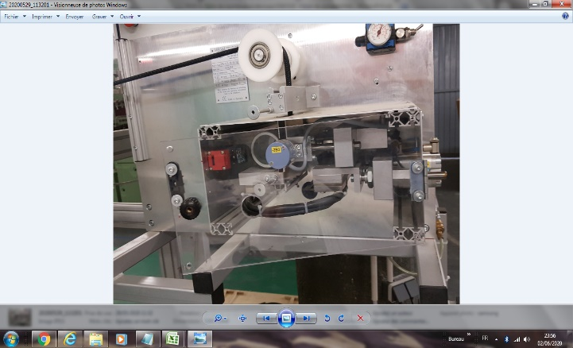 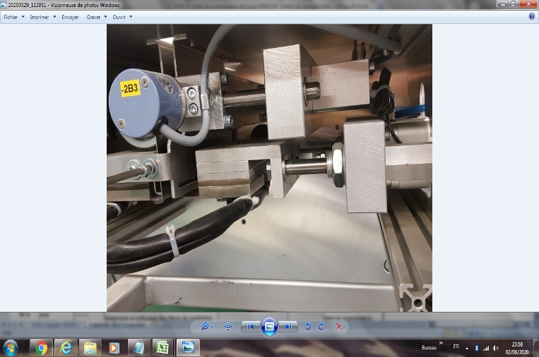 | If the safety door is open, the machine does not start.
W 2 | Maintenance staff | 1x per week | Check the hot-cutting blades for damage, check the ribbed feed rollers for damage |  |  | 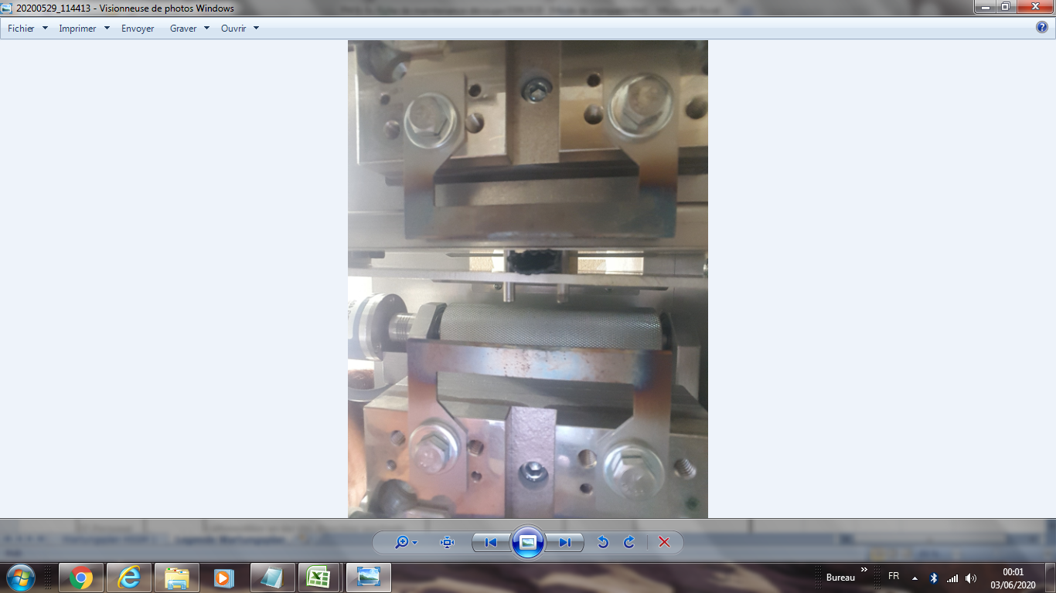 | 2 blades to be checked visually or by touch to see if they are damaged, broken, etc. | Maintenance plan
 |  |  |  |  |  |  | 3 rollers to be checked visually or by touch for damage
W 3 | Maintenance staff | 1x per month | Inspection and cleaning of the ventilation filters on the cutting machine |  |  |  |  | Maintenance plan
 |  |  |  |  |  |  | It consists of 2 cabinets and 4 filters.
 |  |  |  |  |  | 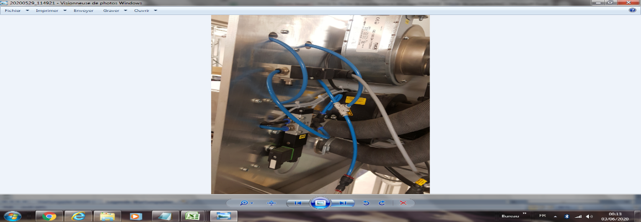 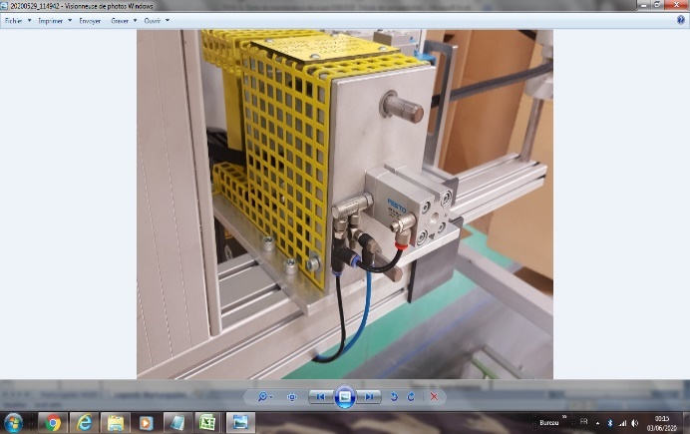 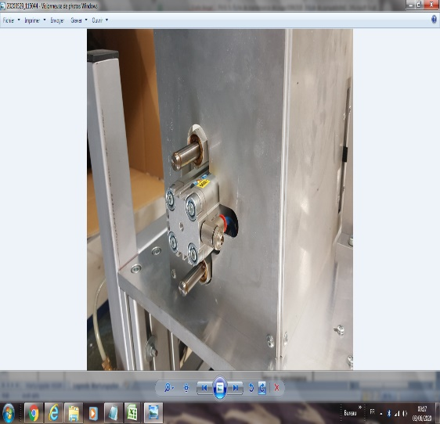 | Smell or hear the air leak
W 5 | Maintenance staff | 1x per year | Replace the ventilation filter on the cutting machine |  |  |  |  | Maintenance plan
 |  |  |  |  |  | 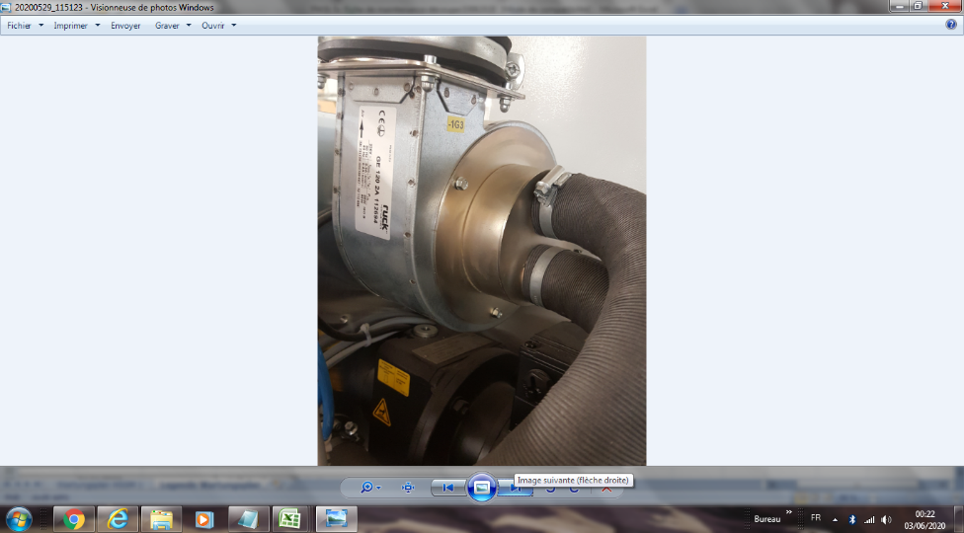
W 6 | Maintenance staff | 1x/month | Check sensors |  |  |  |  | Maintenance plan
 |  |  |  |  |  | 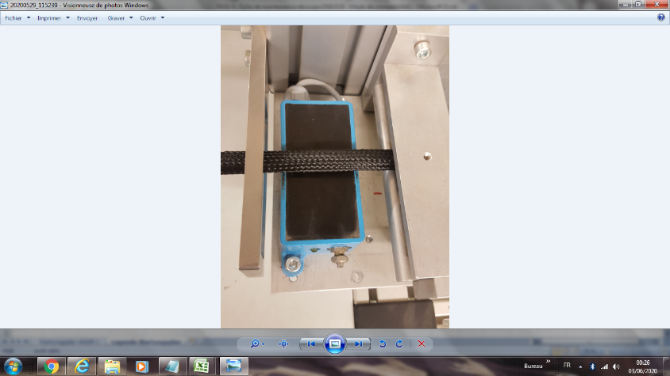 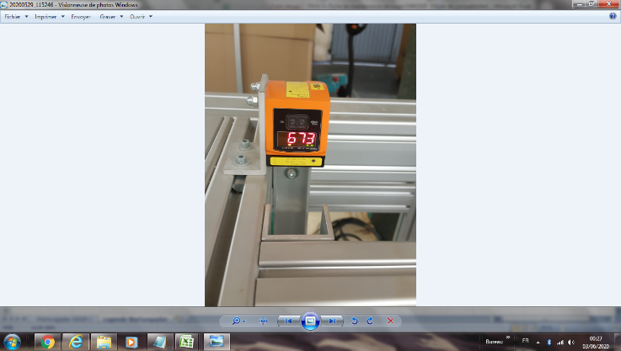 | This concerns 2 sensors
W 7 | Maintenance staff | 1x per month | Check the emergency stop circuit lamp test |  |  |  | By on/off test | Maintenance plan
 |  |  |  |  |  | 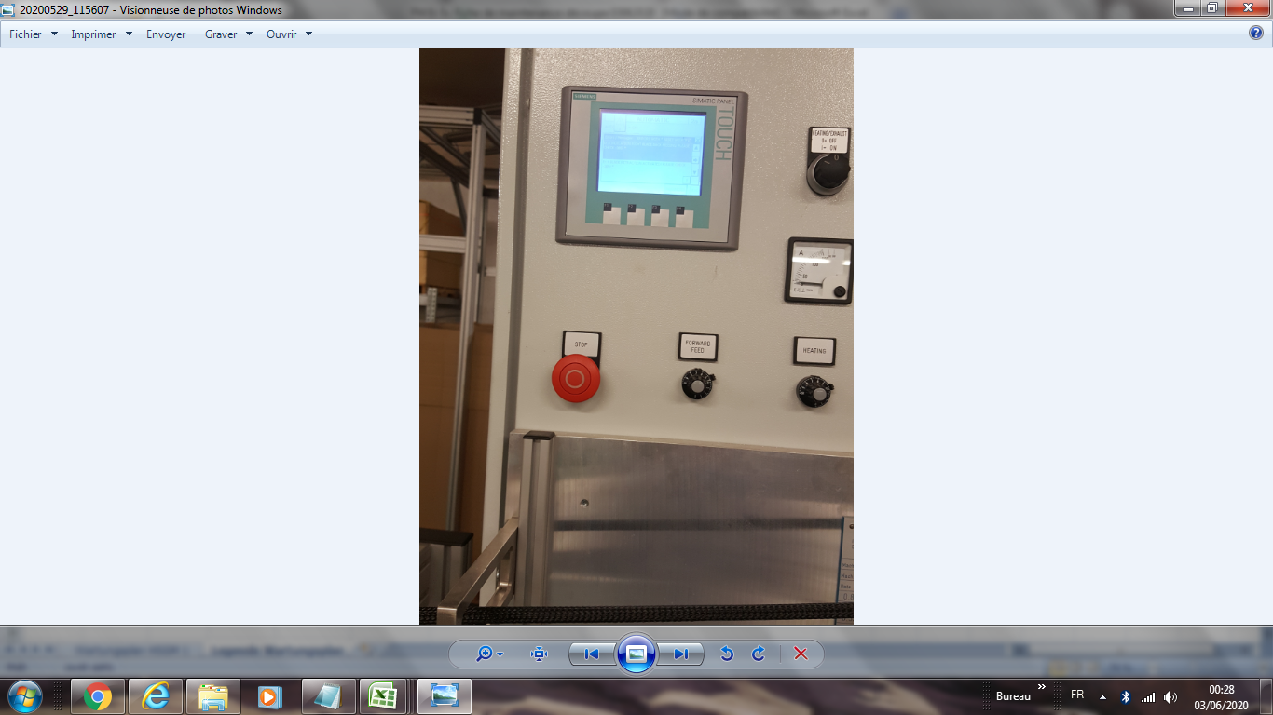

Valid from: |  | 08.08.2011 | Created by | G. Fleischmann | Approval | W. Rödel
Last change dated: |  | 2022-09-29 | Changed by: | H.J. Seuß | Approved | Dorsaf BenDebba

