Legende Wartung RM
 |  | FM 6-5e Version: 02.11.2016 | Maintenance plan for rolling machines Maintenance plan for rolling machine

 |  |  | Legend for the rolling machine maintenance plan Legend for maintenance plan

Maintenance: | Responsible: | Check interval: | Operation-Operation | Photo-Photo | Mode-Mode | Documentation:
Maintenance | responsible | frequency |  |  |  | documentation
W 1 | Maintenance Maintenance | 1x per month 1x per month | Check pneumatics for leaks Check pneumatics for leaks | 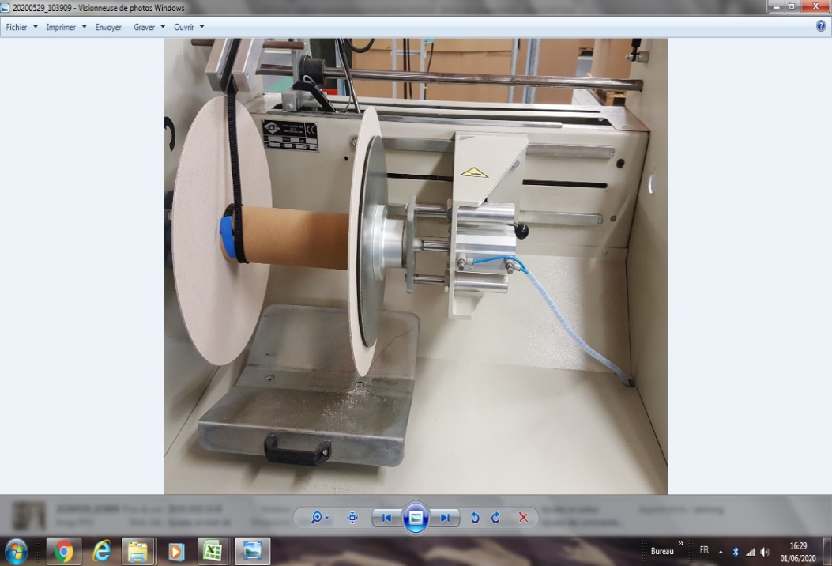 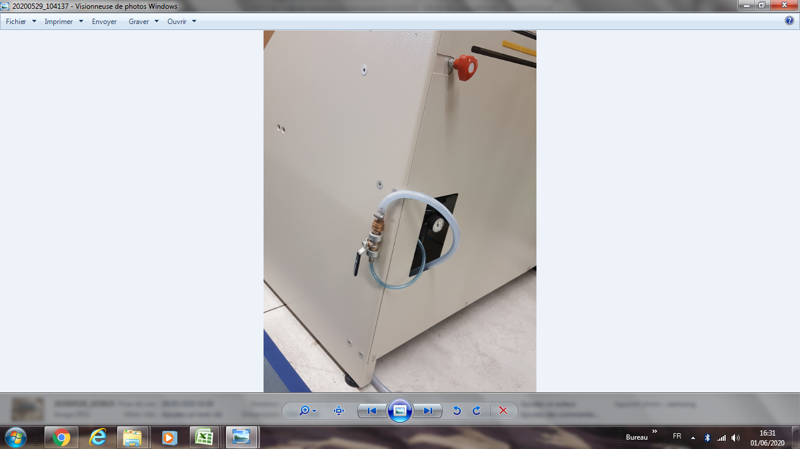 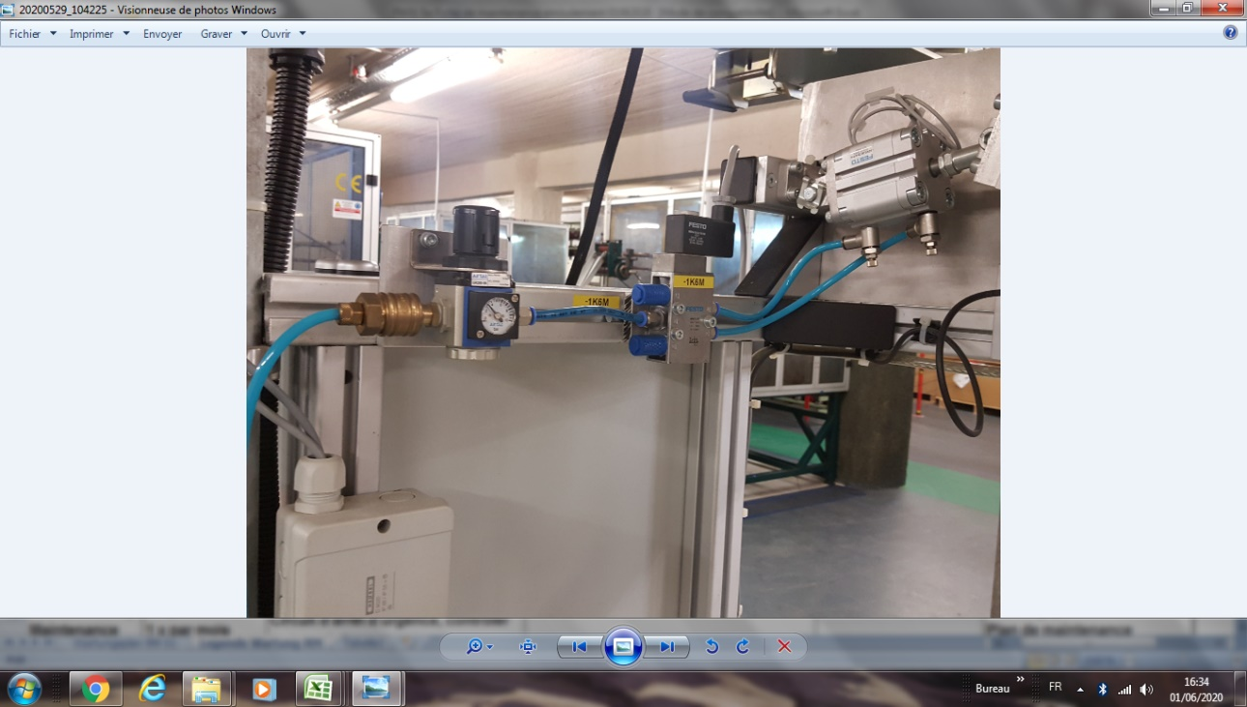 | smell or hear an air leak smell or hear an air leak | Maintenance plan Maintenance plan

W2 | Maintenance Maintenance | 1x per month 1x per month | Check emergency stop circuit lamp test / functional test of metal detector Emergency stop circuit, test the metal sensor |  | Machine stops upon metal detection Machine stops upon metal detection | Maintenance plan Maintenance plan
W 3 | Maintenance Maintenance | 1x per month 1x per month | Check emergency stop circuit lamp test Emergency stop circuit, | 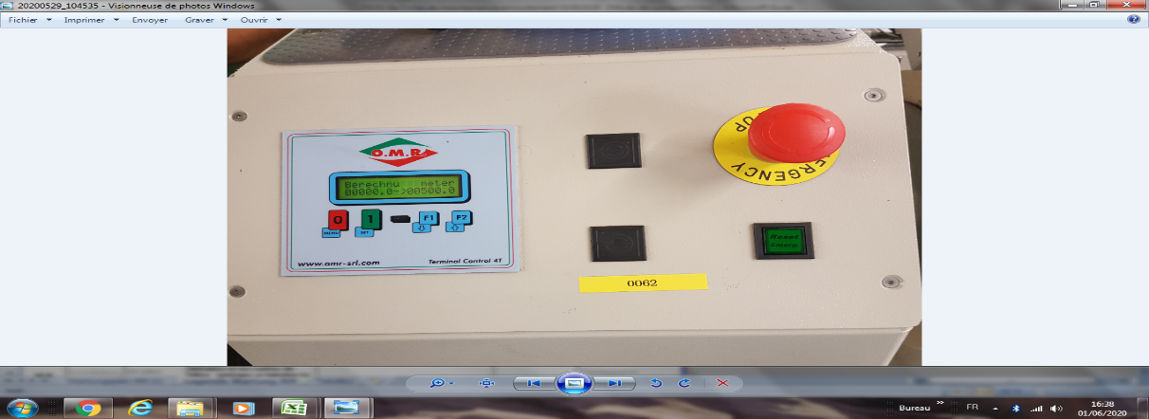 | By touching- By touching | Maintenance plan Maintenance plan

W 4 | Maintenance Maintenance | 1x per month 1x per month | Lubricate and clean joint points Lubricate and clean the axis joints | 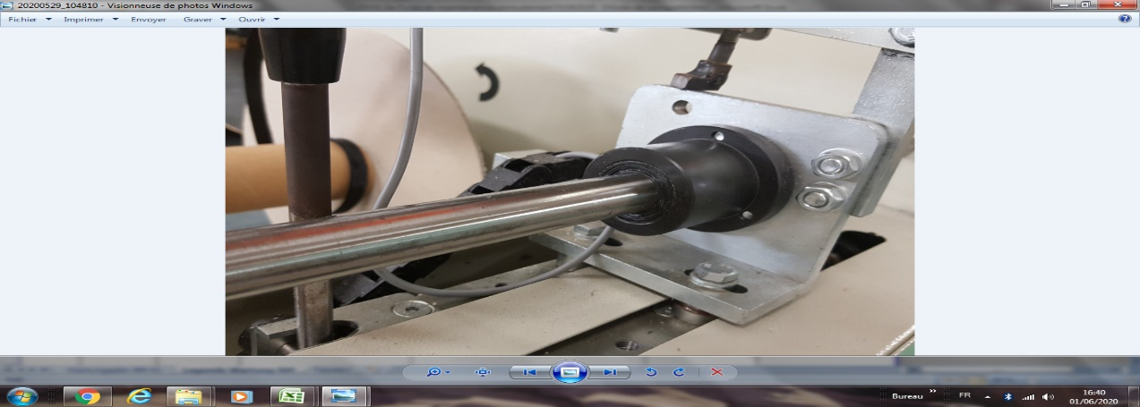 |  | Maintenance plan Maintenance plan

W5 | Maintenance Maintenance | Semi-annual Semi-annual | Lubricate linear bearings Lubricate the linear bearings Check the filter mats and replace them if necessary. Check and if necessary replace the filter mats Clean cabinet ventilation Clean the cabinet ventilation | 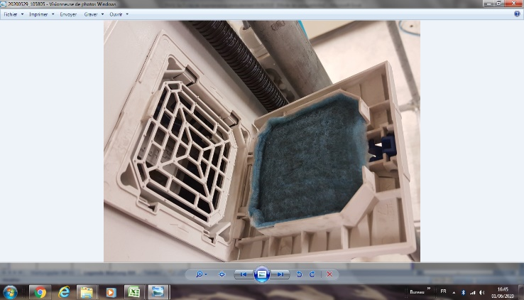 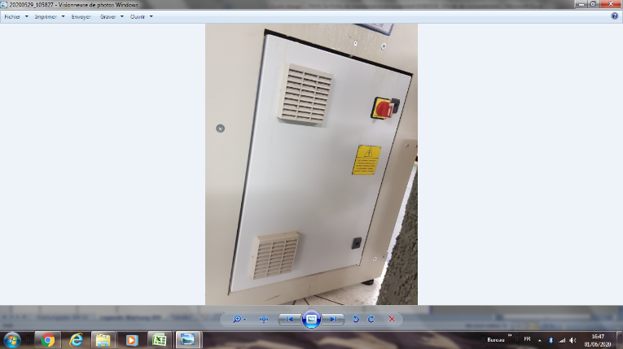 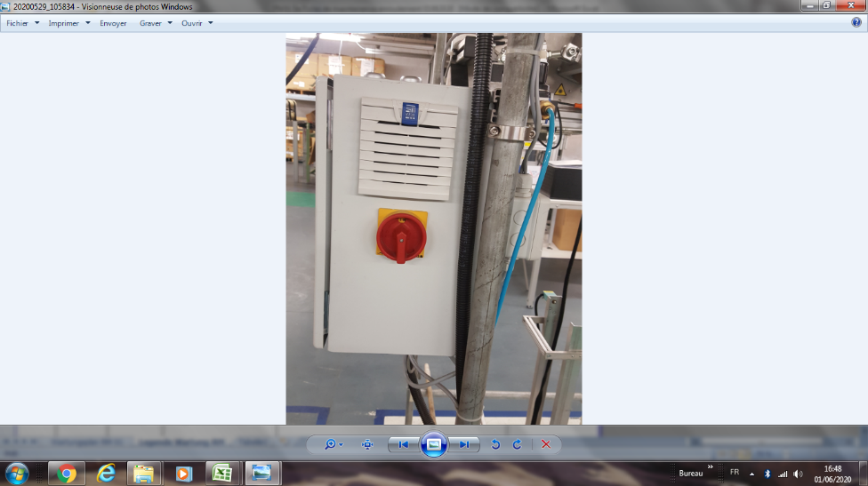 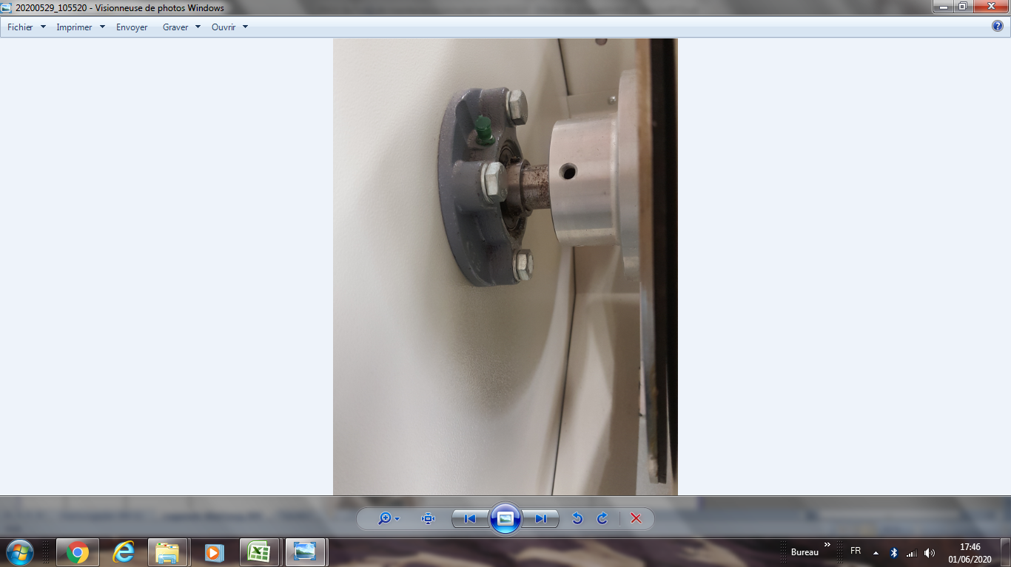 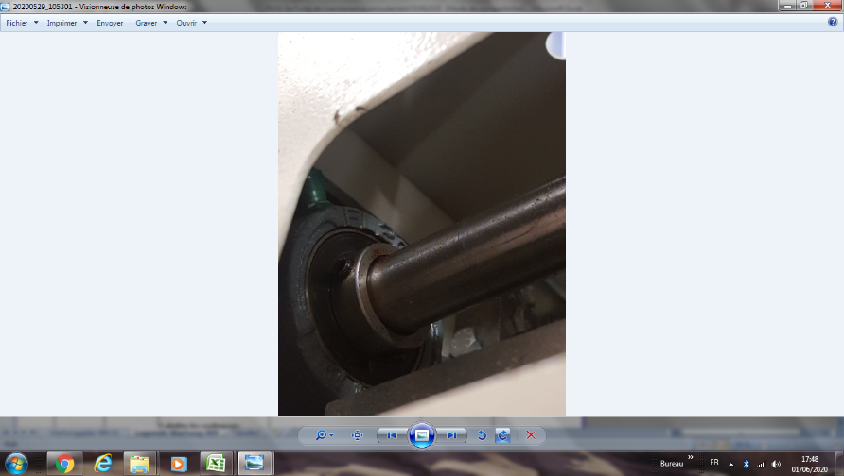 | 2 bearings on sliding shaft 1 bearing at coil shaft level 2 bearings on sliding shaft 1 bearing at coil shaft level It consists of 2 cabinets and 4 filters.It consists of 2 cabinets and 4 filters | Maintenance plan Maintenance plan

W 6 | Maintenance Maintenance | Semi-annual Semi-annual | Clean sensors clean the sensors | 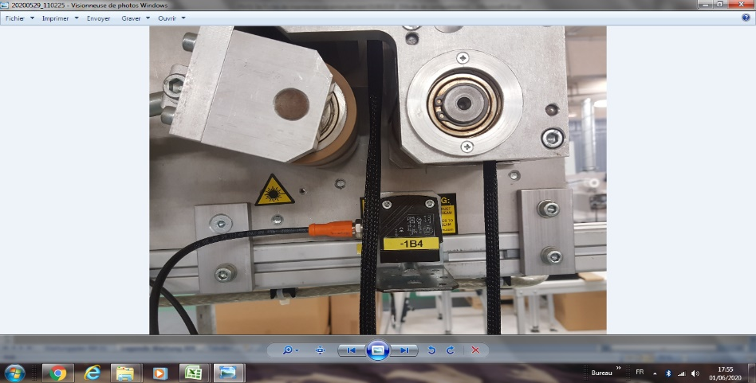 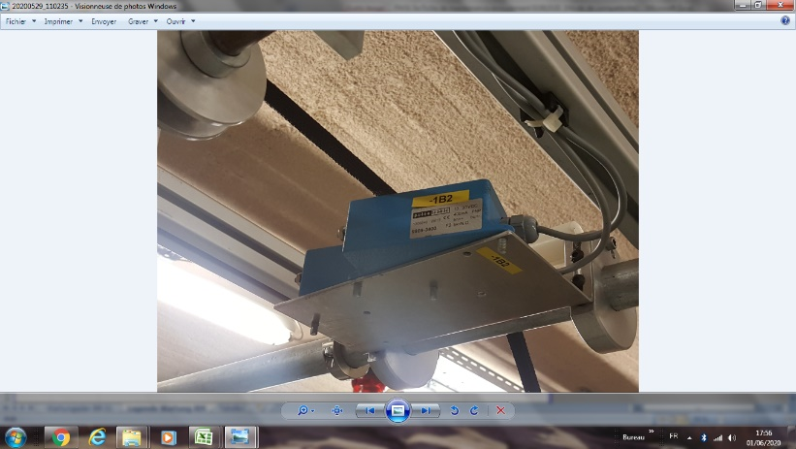 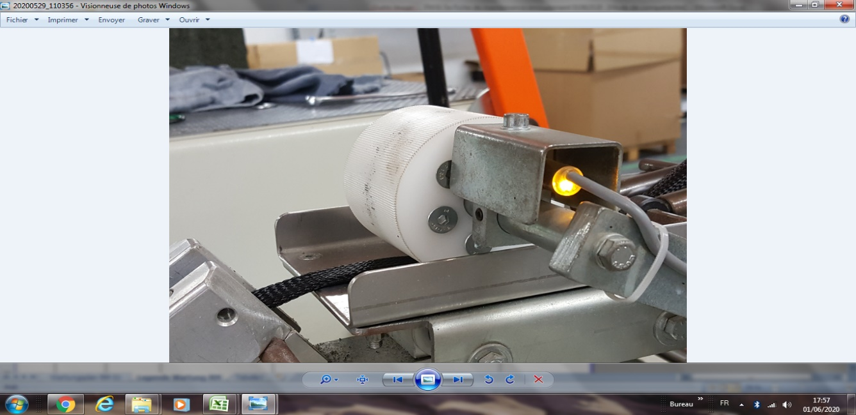 | There are 3 detectors There are 3 sensors | Maintenance plan Maintenance plan

valid from/effective from: |  | 08.08.2011 | created by/created by | G. Fleischmann | Approval/Authorization | W. Rödel
Last change on/last change: |  | 2021-11-22 | Changed by:/changed: | H.J. Seuß | Approved/Authorized | F. Dürrenfedlt

