filtered_vars
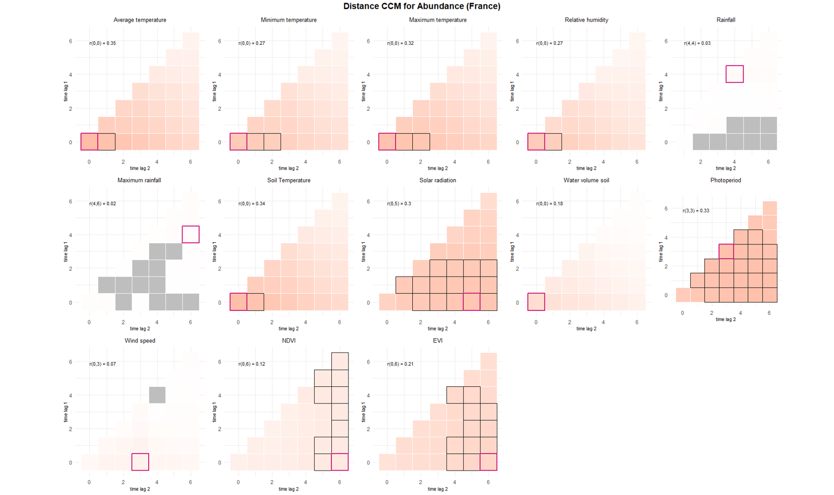
10 landscape/microclimate vars smallest to largest based on p value |  |  |  |  |  |  |  |  | Based on p value only |  |  |  | DISTANCE CORR |  | Captures complex relationships including non linear and non monotonic
term | estimate | std.error | statistic | p.value | conf.low | conf.high | r2 |  | Selected vars for abundance model: |  |  |  | prediction | interp | flaw of distance corr: underestimates monotonic relationship importance
VENTDEBUT.L | -0.491828321 | 0.075252975 | -6.535666112 | 6.33E-11 | -0.639321442 | -0.3443352 | 0.00391546 | more reduced chose these | No | Name | type |  | ABUNDANCE
OUVERTURE_BAT.L | 1.651455219 | 0.349622332 | 4.723540427 | 2.32E-06 | 0.96620804 | 2.336702398 | 0.049983347 |  | 1 | VENTDEBUT | categorical |  | TM_0_0 | TM_0_1
PLUIEDEBUT.L | -0.221617779 | 0.079968783 | -2.771303634 | 0.005583234 | -0.378353713 | -0.064881844 | 0.000548189 |  | 2 | PLUIEDEBUT | categorical |  | TN_0_0 | TN_0_2
ALT | -0.297924379 | 0.108418582 | -2.747908837 | 0.005997668 | -0.510420895 | -0.085427863 | 0.008546551 |  | 3 | PLUIEFIN | categorical |  | TX_0_0 | TX_0_2
ELEV_OVINOUI | -0.736693796 | 0.269696368 | -2.73156736 | 0.006303385 | -1.265288963 | -0.208098628 | 0.011131895 |  | 4 | ANIMAUXFIN | categorical |  | UM_0_0 | UM_0_1
CLC_level2Urban fabric | 2.895363837 | 1.142230908 | 2.534832332 | 0.011250116 | 0.656632395 | 5.13409528 | 0.013814341 |  | 5 | ELEV_OVIN | categorical |  | TPS_0_0 | TPS_0_1 |  | green = included in model
CLC_level2Arable land | 2.695456579 | 1.10590631 | 2.437328147 | 0.014796245 | 0.52792004 | 4.862993117 | 0.013814341 |  | 6 | OUVERTURE_BAT | categorical |  | QQ_0_5 | QQ_1_5 |  | red = duplicate
ELEV_CAPRINOUI | -0.878479077 | 0.367051689 | -2.393338878 | 0.016695813 | -1.597887167 | -0.159070986 | 0.008300879 |  | 7 | ELEV_CAPRIN | categorical |  | PP_3_3 | PP_1_5 |  | black = did not include because chose from either distance OR spearmans (but not both), OR the corr variable was already well explicative
PLUIEFIN.C | -0.164723195 | 0.069733761 | -2.362172819 | 0.018168171 | -0.301398855 | -0.028047535 | 0.000496877 |  | 8 | ACTIV_VIANDE | categorical |  | EVI_0_6 | same
ANIMAUXFINInt. & Ext. | 0.251230907 | 0.107101547 | 2.345726222 | 0.018990051 | 0.041315732 | 0.461146082 | 0.000489608 |  | 9 | CLC_level2 | categorical | not a good var because distribution is bad | FORCE ADDED
ANIMAUXFINA l'intÃ©rieur | 0.190598834 | 0.08610134 | 2.213656999 | 0.026852383 | 0.021843309 | 0.35935436 | 0.000489608 |  | 10 | ALT | numerical |  | not adding | NDVI_0_6
CLC_level2Heterogeneous agricultural areas | 2.43551252 | 1.102885241 | 2.208310012 | 0.02722267 | 0.273897169 | 4.597127872 | 0.013814341 |  |  |  |  |  |  | SWV_0_0
CLC_level2Forests | 3.222855318 | 1.526885009 | 2.110738726 | 0.034794775 | 0.230215692 | 6.215494943 | 0.013814341 |  |  |  |  |  | SPEARMANS CORR |  | Captures complex relationships including non linear but only monotonic
ACTIV_VIANDEOUI | -0.482954803 | 0.236828636 | -2.039258474 | 0.041424238 | -0.947130401 | -0.018779206 | 0.006212258 |  |  |  |  |  | prediction | interp
CLC_level2Pastures | 2.202201994 | 1.10327929 | 1.996051238 | 0.045928346 | 0.03981432 | 4.364589668 | 0.013814341 |  |  |  |  |  | TM_0_0 | TM_0_1
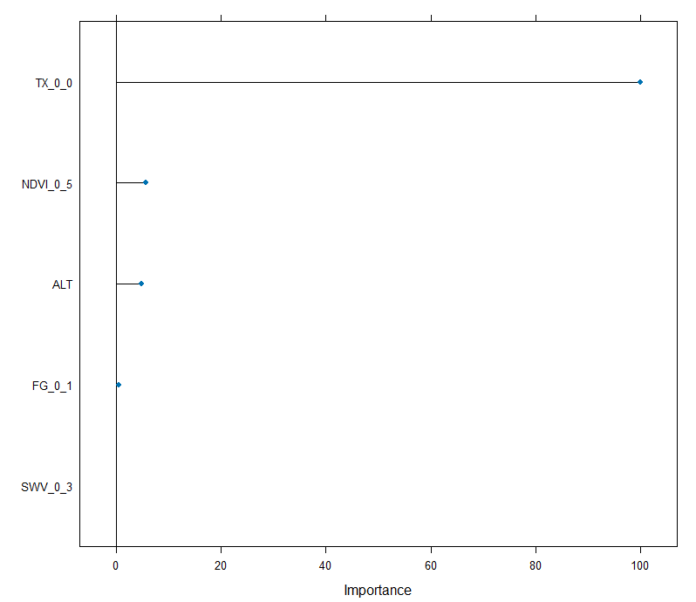
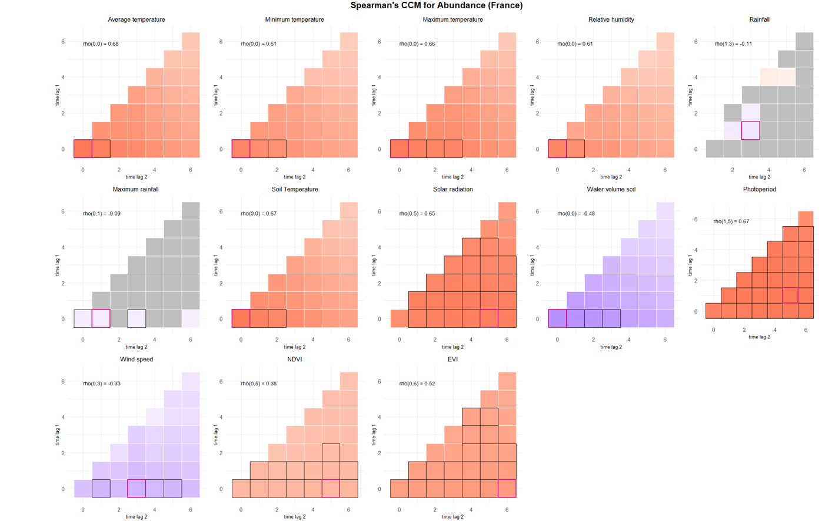
 |  |  |  |  |  |  |  |  |  |  |  |  | TN_0_0 | TN_0_2
 |  |  |  |  |  |  |  |  |  |  |  |  | TX_0_0 | TX_0_3
 |  |  |  |  |  |  |  |  |  |  |  |  | UM_0_0 | UM_0_1
 |  |  |  |  |  |  |  |  |  |  |  |  | TPS_0_0 | TPS_0_2
 |  |  |  |  |  |  |  |  |  |  |  |  | QQ_0_5 | QQ_1_5
 |  |  |  |  |  |  |  |  |  |  |  |  | SWV_0_0 | SWV_0_3
 |  |  |  |  |  |  |  |  |  |  |  |  | PP_1_5 | PP_0_6
 |  |  |  |  |  |  |  |  |  |  |  |  | FG_0_3 | FG_0_1
 |  |  |  |  |  |  |  |  |  |  |  |  | NDVI_0_5
 |  |  |  |  |  |  |  |  |  |  |  |  | EVI_0_6 | EVI_0_4

