filtered vars
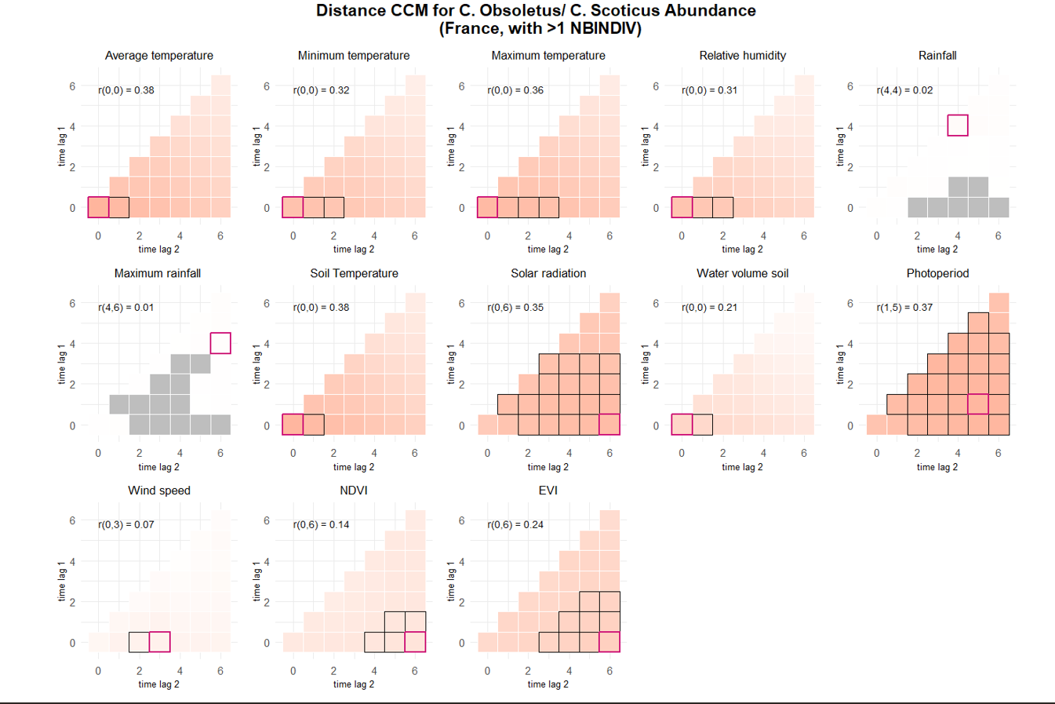
abundance >1 NBINDIV |  |  |  |  |  |  |  |  |  |  | DISTANCE CORR
 |  |  |  |  |  |  |  |  |  |  | prediction | interp
term | estimate | std.error | statistic | p.value | conf.low | conf.high | r2 | Based on p value only |  |  | ABUNDANCE
TEMPERATUREDEBUT | 0.57529849353 | 0.040614042521 | 14.165014311 | 1.51E-45 | 0.49569643293 | 0.65490055414 | 0.048115780625 | Selected vars for abundance >1 NBINDIV |  |  | TM_0_0
TEMPERATUREFIN | 0.47829432776 | 0.036869740783 | 12.972543815 | 1.75E-38 | 0.40603096371 | 0.55055769182 | 0.031690135721 | No | Name | type | TN_0_0
TEMPMINI | 0.44212952016 | 0.037760813577 | 11.708686288 | 1.15E-31 | 0.36811968552 | 0.5161393548 | 0.026187359636 | 1 | VENTDEBUT | categorical | TX_0_0
TEMPMAX | 0.35442066475 | 0.036023778283 | 9.8385200455 | 7.68E-23 | 0.28381535673 | 0.42502597277 | 0.018017525317 | 2 | VENTFIN | categorical | UM_0_0
VENTDEBUTVent moyen | -0.24640445351 | 0.049790435595 | -4.9488310468 | 7.47E-07 | -0.34399191405 | -0.14881699297 | 0.0044859694048 | 3 | OUVERTURE_BAT | categorical | TPS_0_0
VENTDEBUTVent fort Ã grand vent | -0.45559245825 | 0.10192256598 | -4.4699861493 | 7.82E-06 | -0.65535701679 | -0.25582789971 | 0.0044859694048 | 5 | ELEV_CAPRIN | categorical | QQ_0_6
OUVERTURE_BAT25 - 75 % | 1.4915192552 | 0.34125140505 | 4.3707344003 | 1.24E-05 | 0.82267879165 | 2.1603597188 | 0.060469170676 | 6 | ALT | numeric | SWV_0_0
OUVERTURE_BAT75 - 100 % | 1.9037191516 | 0.44480446527 | 4.2799011707 | 1.87E-05 | 1.0319184196 | 2.7755198837 | 0.060469170676 | 7 | ELEV_OVIN | categorical | PP_1_5
ELEV_CAPRINOUI | -0.89798186804 | 0.31397969306 | -2.8599998276 | 0.0042364123835 | -1.5133707583 | -0.28259297776 | 0.012230993117 | 8 | ANIMAUXFIN | categorical | EVI_0_6
ALT | -0.2482311045 | 0.093152158208 | -2.6647917694 | 0.007703600719 | -0.43080597967 | -0.065656229329 | 0.0085512972955 | 9 | PLUIEFIN | categorical
VENTFINVent nul | 0.11905544083 | 0.045620411175 | 2.609696795 | 0.00906225049 | 0.029641077969 | 0.20846980369 | 0.0013023732565 | 10 | CLC_level2 | categorical
ELEV_OVINOUI | -0.60299508902 | 0.23281532273 | -2.5900146174 | 0.0095971856674 | -1.0593047366 | -0.14668544142 | 0.010646534983 | 11 | ACTIV_VIANDE | categorical | SPEARMANS CORR
ANIMAUXFINInt. & Ext. | 0.25492207404 | 0.098808063021 | 2.5799723853 | 0.0098808216061 | 0.061261829136 | 0.44858231894 | 0.00071999953162 | 12 |  |  | prediction | interp
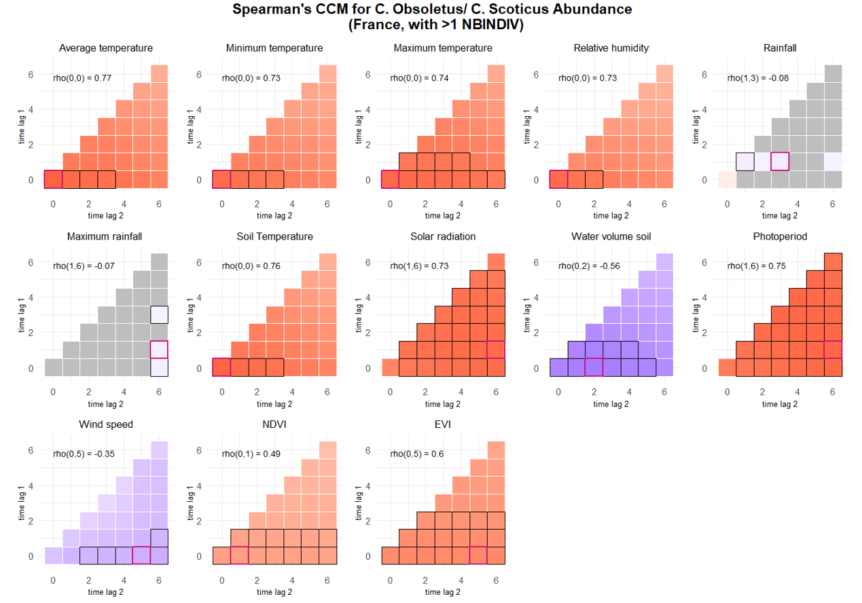
PLUIEFINPluie fine | 0.18284834646 | 0.07362475944 | 2.4835170648 | 0.013009210115 | 0.038546469586 | 0.32715022333 | 0.00048354012655 |  |  |  | ABUNDANCE
VENTDEBUTVent nul | 0.11843905728 | 0.047840950251 | 2.475683628 | 0.013298135793 | 0.024672517806 | 0.21220559676 | 0.0044859694048 |  |  |  | TM_0_0
ANIMAUXFINA l'intÃ©rieur | 0.18418789687 | 0.078714231498 | 2.3399567443 | 0.01928597343 | 0.029910838063 | 0.33846495568 | 0.00071999953162 |  |  |  | TN_0_0
CLC_level2Urban fabric | 2.2621933954 | 0.9999545577 | 2.2622961994 | 0.023679109091 | 0.30231847616 | 4.2220683147 | 0.0096928423358 |  |  |  | TX_0_0
CLC_level2Arable land | 2.1033492887 | 0.96941864217 | 2.1697017132 | 0.030029450195 | 0.2033236641 | 4.0033749133 | 0.0096928423358 |  |  |  | UM_0_0
ACTIV_VIANDEOUI | -0.44075420201 | 0.20409218533 | -2.1595839218 | 0.0308048942 | -0.84076753479 | -0.04074086924 | 0.0074507027038 |  |  |  | TPS_0_0
VENTFINVent moyen | -0.1201853882 | 0.056381738628 | -2.1316367875 | 0.033036717077 | -0.2306915653 | -0.0096792111034 | 0.0013023732565 |  |  |  | QQ_1_6
 |  |  |  |  |  |  |  |  |  |  | SWV_0_2
 |  |  |  |  |  |  |  |  |  |  | PP_1_6
 |  |  |  |  |  |  |  |  |  |  | FG_0_5
 |  |  |  |  |  |  |  |  |  |  | NDVI_0_1
 |  |  |  |  |  |  |  |  |  |  | EVI_0_5

