filtered vars
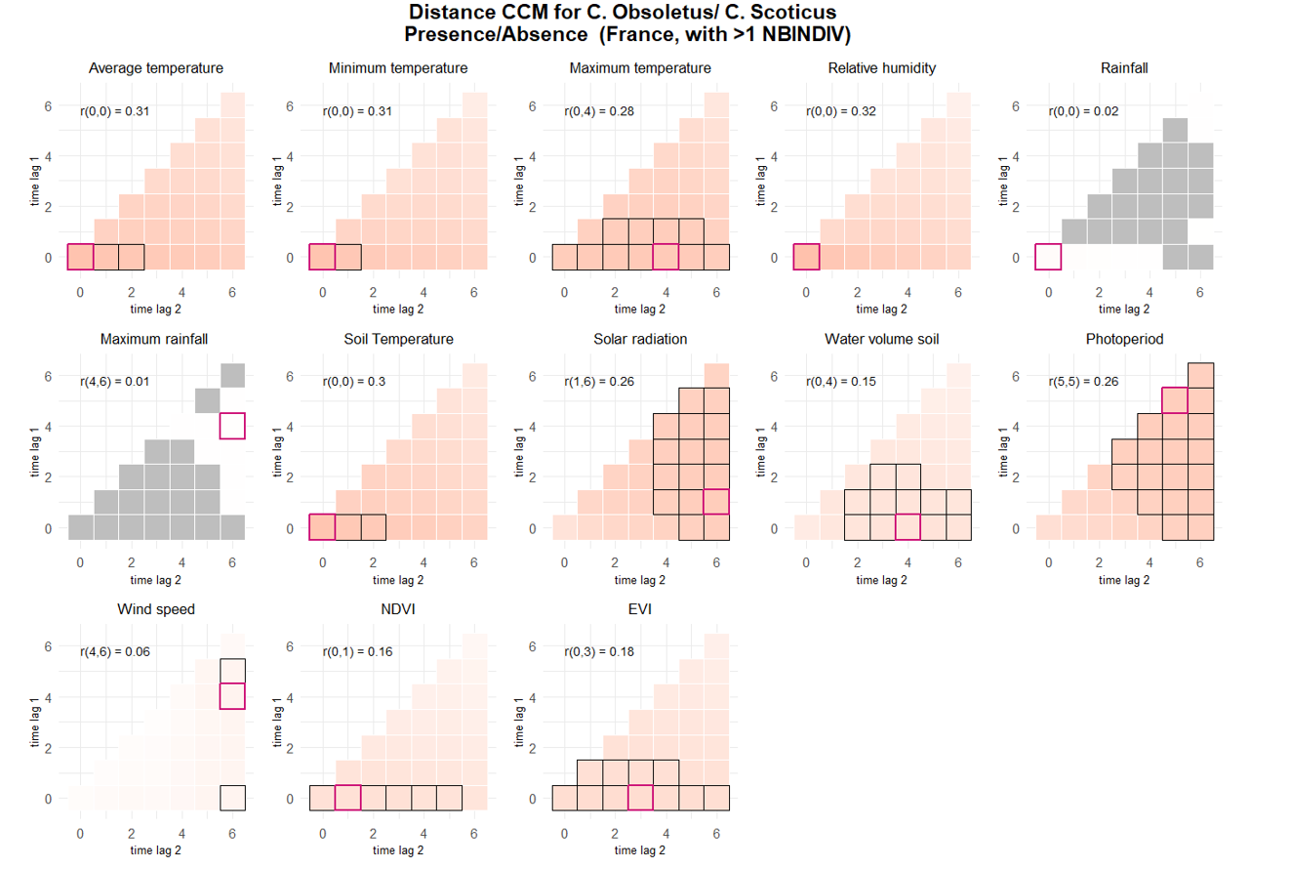
presence >1 NBINDIV |  |  |  |  |  |  |  |  |  |  | DISTANCE CORR |  | Captures complex relationships including non linear and non monotonic
 |  |  |  |  |  |  |  |  |  |  | prediction | interp | flaw of distance corr: underestimates monotonic relationship importance
term | estimate | std.error | statistic | p.value | conf.low | conf.high | r2 | Based on p value only |  |  | PRESENCE
TEMPERATUREDEBUT | 3.2974284212 | 0.19277804094 | 20.408461899 | 1.41E-92 | 2.940434139 | 3.6977649146 | 0.14047263009 | Selected vars for presence >1 NBINDIV |  |  | TM_0_0 |  |  | TM_0_0
TEMPERATUREFIN | 2.5352115644 | 0.1331548496 | 17.712079178 | 3.38E-70 | 2.287216328 | 2.810096097 | 0.079862402291 | No | Name | type | TN_0_0 |  |  | TN_0_0
TEMPMINI | 2.4961842434 | 0.13429646113 | 17.002813216 | 7.83E-65 | 2.2463705564 | 2.7737791343 | 0.07384340904 | 1 | SITUATIONPIEGE | categorical | TX_0_4 |  |  | TX_0_4
TEMPMAX | 2.5324558409 | 0.14275482407 | 16.483726155 | 4.80E-61 | 2.267563999 | 2.8282917655 | 0.079099588564 | 2 | VENTDEBUT | categorical | UM_0_0 |  |  | UM_0_0
SITUATIONPIEGEIntÃ©rieur | 1.8004313922 | 0.21237510617 | 4.9850522801 | 6.19E-07 | 1.4287973305 | 2.2687284815 | 0.0043778422348 | 3 | ALT | numeric | TPS_0_0 |  |  | TPS_0_3
VENTDEBUTVent fort Ã grand vent | 0.55764109547 | 0.069089667082 | -4.7139400712 | 2.43E-06 | 0.43741538281 | 0.71091142099 | 0.0020587146873 | 5 | VENTFIN | categorical | QQ_1_6 |  |  | QQ_1_6
ALT | 0.61344982242 | 0.063648630148 | -4.7097075132 | 2.48E-06 | 0.50056724683 | 0.75178847 | 0.017715149274 | 6 | PLUIEDEBUT | categorical | force added |  |  | SWV_0_4
VENTFINVent fort Ã grand vent | 0.60122107702 | 0.083727550704 | -3.6534785792 | 0.00025871138078 | 0.45760814057 | 0.78990461798 | 0.0020726344773 | 7 | NUAGEDEBT | categorical | PP_5_5 |  |  | PP_5_5
PLUIEDEBUTPluie forte | 0.69672873756 | 0.091434704834 | -2.7535418929 | 0.0058954224548 | 0.53871229728 | 0.90109495586 | 0.00041648293811 | 8 | OUVERTURE_BAT | categorical | SWV_0_4 |  |  | NDVI_0_1
VENTFINVent nul | 1.1910356807 | 0.078023940447 | 2.6686774038 | 0.007615055149 | 1.0475219591 | 1.3542112224 | 0.0020726344773 | 9 | PLUIEFIN | categorical | NDVI_0_1 |  |  | EVI_0_3
NUAGEDEBUTCouvert | 1.1902704399 | 0.091829961005 | 2.2576721993 | 0.023966103702 | 1.0232341414 | 1.3845743245 | 0.00042546145324 | 10 | OVI | numeric | EVI_0_3
OUVERTURE_BAT75 - 100 % | 3.524136169 | 1.9666261576 | 2.2572294545 | 0.023993740834 | 1.1804402646 | 10.521104803 | 0.014598727372 | 11 | ELEV_OVIN | categorical | SPEARMANS CORR |  | Captures complex relationships including non linear but only monotonic
OUVERTURE_BAT25 - 75 % | 2.5595796367 | 1.0833416168 | 2.2205397365 | 0.026382151417 | 1.1166003192 | 5.8673168941 | 0.014598727372 | 12 | CLC | categorical | prediction | interp
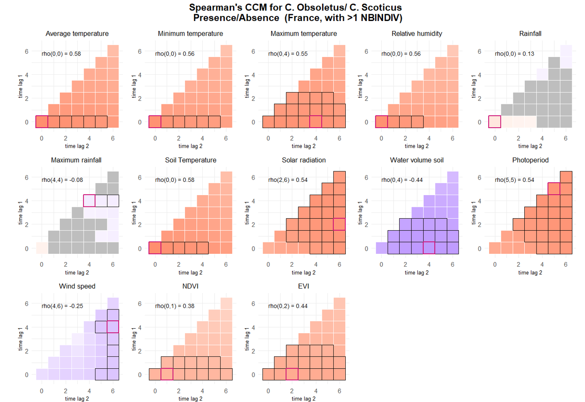
PLUIEFINBrouillard / Bruine | 0.82064002788 | 0.075558331498 | -2.1469042934 | 0.031800901752 | 0.68514184308 | 0.98293523036 | 0.00027352032326 |  |  |  | PRESENCE |  |  | old selection
OVI | 0.79060042044 | 0.089148110441 | -2.0837404912 | 0.037183778948 | 0.63383402271 | 0.98613990793 | 0.0040932992819 |  |  |  | TM_0_0 |  |  | TM_0_0
ELEV_OVINOUI | 0.57323416738 | 0.1532777654 | -2.0810744716 | 0.037427090088 | 0.3394128465 | 0.96813486594 | 0.0042606683755 |  |  |  | TN_0_0 |  |  | TN_0_0
CLC_level2Urban fabric | 10.273207882 | 11.638654302 | 2.0562378763 | 0.039759593059 | 1.1152403885 | 94.633229999 | 0.013346907675 |  |  |  | TX_0_4 |  |  | TX_0_4
VENTFINVent moyen | 0.86007889841 | 0.064220324927 | -2.0186861866 | 0.043519846609 | 0.7429863269 | 0.99562493239 | 0.0020726344773 |  |  |  | UM_0_0 |  |  | UM_0_0
 |  |  |  |  |  |  |  |  |  |  | TPS_0_0 |  |  | TPS_0_0
 |  |  |  |  |  |  |  |  |  |  | QQ_2_6 |  |  | QQ_2_6
 |  |  |  |  |  |  |  |  |  |  | SWV_0_4 |  |  | SWV_6_6
 |  |  |  |  |  |  |  |  |  |  | PP_5_5 |  |  | PP_5_5
 |  |  |  |  |  |  |  |  |  |  | FG_4_6 | coef=-0.25 |  | FG_3_3 | very weak!
 |  |  |  |  |  |  |  |  |  |  | NDVI_0_1 |  |  | NDVI_0_1
 |  |  |  |  |  |  |  |  |  |  | EVI_0_2 |  |  | EVI_0_2

