filtered vars
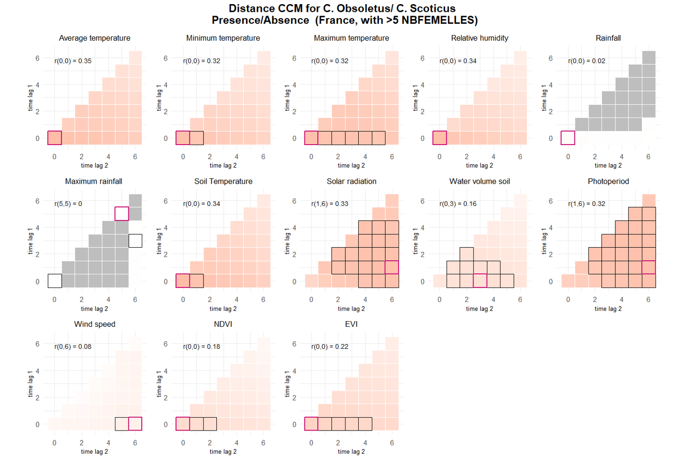
PRESENCE >5 FEMELLES |  |  |  |  |  |  |  |  |  |  | prediction | interp
term | estimate | std.error | statistic | p.value | conf.low | conf.high | r2 | Based on p value only |  |  | PRESENCE
TEMPERATUREDEBUT | 3.3082484177 | 0.20273929848 | 19.522859477 | 7.02E-85 | 2.9338232925 | 3.7304590297 | 0.12319368274 | Selected vars for presence >5 FEMELLES |  |  | TM_0_0
TEMPERATUREFIN | 2.5132781523 | 0.13841104977 | 16.734262425 | 7.38E-63 | 2.2561254984 | 2.7997410052 | 0.067770491796 | No | Name | type | TN_0_0
TEMPMINI | 2.5097898271 | 0.13934354147 | 16.574188537 | 1.07E-61 | 2.2510163087 | 2.798311568 | 0.065482360372 | 1 | VENTDEBUT | categorical | TX_0_4
TEMPMAX | 2.3288515182 | 0.13420672564 | 14.669558406 | 1.01E-48 | 2.080122338 | 2.6073223169 | 0.056959485881 | 2 | SITUATIONPIEGE | categorical | UM_0_0
VENTDEBUTVent fort Ã grand vent | 0.51137815636 | 0.06858931779 | -5.0001033767 | 5.73E-07 | 0.39316383569 | 0.66513650306 | 0.0032619719915 | 3 | ALT | numeric | TPS_0_0
SITUATIONPIEGEIntÃ©rieur | 1.613316917 | 0.1944800187 | 3.9676928975 | 7.26E-05 | 1.2738261405 | 2.0432862791 | 0.0025066573854 | 5 | VENTFIN | categorical | QQ_1_6
ALT | 0.63250016959 | 0.073508351132 | -3.9414893418 | 8.10E-05 | 0.50365726703 | 0.79430297291 | 0.013260266775 | 6 | PLUIEDEBUT | categorical | PP_1_6
VENTFINVent nul | 1.2751203175 | 0.086366667812 | 3.5882585198 | 0.00033289412251 | 1.1165995205 | 1.4561459094 | 0.0025190589668 | 7 | OUVERTURE_BAT | categorical | EVI_0_0
VENTFINVent fort Ã grand vent | 0.59174880902 | 0.089606815761 | -3.4648552771 | 0.00053051688821 | 0.43978700994 | 0.79621872648 | 0.0025190589668 | 8 | ELEV_OVIN | categorical |  | SWV_0_3
PLUIEDEBUTPluie forte | 0.61077703649 | 0.087960080911 | -3.4234542338 | 0.00061830662427 | 0.46057278015 | 0.80996664236 | 0.00066407088246 | 9 | CLC | categorical |  | NDVI_0_0
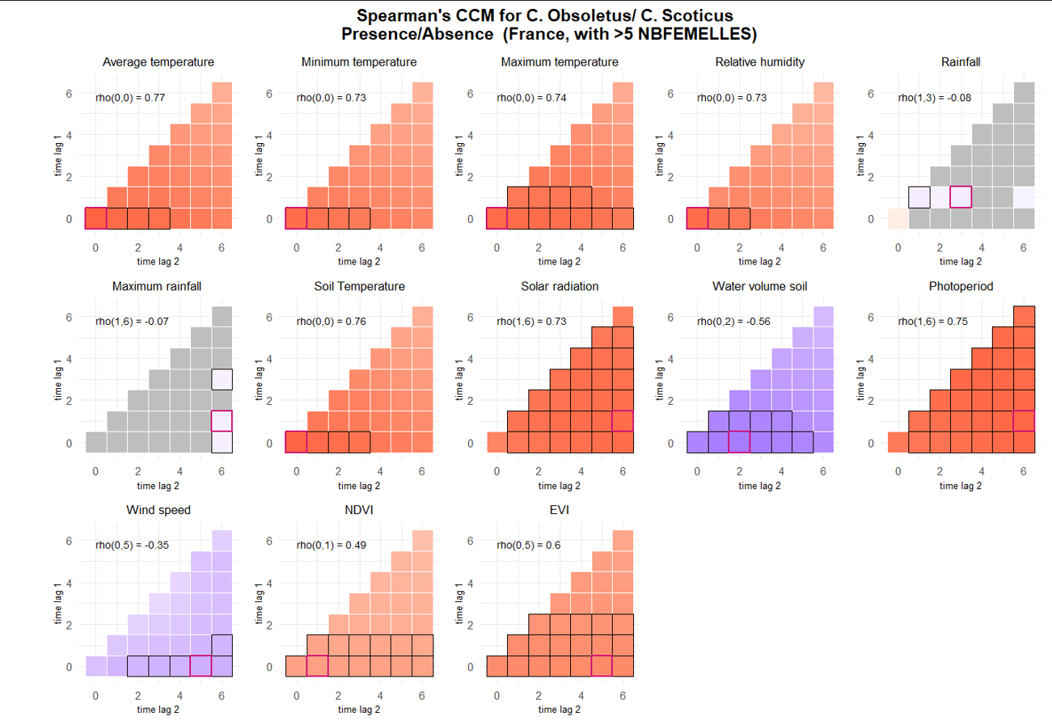
VENTDEBUTVent moyen | 0.7817760391 | 0.056246849168 | -3.4217574962 | 0.00062217779548 | 0.67895425328 | 0.90016930059 | 0.0032619719915 | 10 | ANIMAUXDEBUT | categorical
OUVERTURE_BAT25 - 75 % | 3.7328782743 | 1.671225976 | 2.9420743517 | 0.00326021639 | 1.5522338997 | 8.976984856 | 0.019728212413 |  |  |  | SPEARMANS CORR
VENTDEBUTVent nul | 1.2221106186 | 0.086971789138 | 2.8185023168 | 0.0048248262839 | 1.0630031706 | 1.4050328403 | 0.0032619719915 |  |  |  | prediction | interp
OUVERTURE_BAT75 - 100 % | 4.5771261438 | 2.6888491206 | 2.5892621716 | 0.0096181836058 | 1.4472764362 | 14.475523275 | 0.019728212413 |  |  |  | PRESENCE
ELEV_OVINOUI | 0.46977726463 | 0.13794449038 | -2.5728836721 | 0.010085510016 | 0.26420851771 | 0.83528979413 | 0.0067532657461 |  |  |  | TM_0_0
CLC_level2Urban fabric | 23.871587471 | 30.43581087 | 2.4884213516 | 0.012831161372 | 1.9616243693 | 290.50041247 | 0.012682208999 |  |  |  | TN_0_0
ANIMAUXDEBUTAucun Ã proximitÃ© | 0.62570455669 | 0.12580573027 | -2.3319959925 | 0.019700901982 | 0.42191464154 | 0.92792748514 | 0.00050345131111 |  |  |  | TX_0_0
CLC_level2Arable land | 17.719411269 | 21.906529571 | 2.3252106364 | 0.020060699884 | 1.5707526152 | 199.88986979 | 0.012682208999 |  |  |  | UM_0_0
VENTFINVent moyen | 0.8462154845 | 0.066739500406 | -2.1172186148 | 0.034241298273 | 0.7250170604 | 0.98767420151 | 0.0025190589668 |  |  |  | TPS_0_0
CLC_level2Heterogeneous agricultural areas | 11.514456592 | 14.197648588 | 1.981790465 | 0.047502697092 | 1.0272780803 | 129.06214312 | 0.012682208999 |  |  |  | QQ_1_6
CLC_level2Forests | 28.519388332 | 48.295929583 | 1.9785644731 | 0.047865062915 | 1.0320001869 | 788.13504216 | 0.012682208999 |  |  |  | SWV_0_2
 |  |  |  |  |  |  |  |  |  |  | PP_1_6
 |  |  |  |  |  |  |  |  |  |  | FG_0_5 | coef=_0.35
 |  |  |  |  |  |  |  |  |  |  | NDVI_0_1
 |  |  |  |  |  |  |  |  |  |  | EVI_0_5

