filtered vars
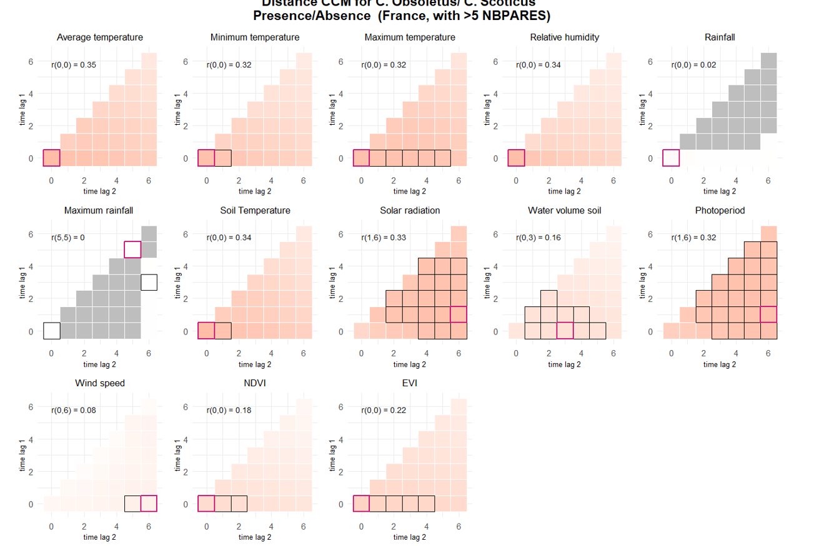
presence >5 NBPARES |  |  |  |  |  |  |  |  |  |  | DISTANCE CORR
term | estimate | std.error | statistic | p.value | conf.low | conf.high | r2 |  |  |  | prediction | interp
TEMPERATUREDEBUT | 2.8696901961 | 0.17962966165 | 16.841534302 | 1.21E-63 | 2.5383624641 | 3.2442655209 | 0.092050508013 | Based on p value only |  |  | PRESENCE
TEMPERATUREFIN | 2.2705804699 | 0.1286029083 | 14.478339905 | 1.66E-47 | 2.0320101869 | 2.5371603466 | 0.051300036058 | Selected vars for presence >5 PARES |  |  | TM_0_0
TEMPMINI | 2.2151795964 | 0.12669285791 | 13.906123289 | 5.81E-44 | 1.9802778858 | 2.4779454841 | 0.045485467459 | No | Name | type | TN_0_0
TEMPMAX | 2.1190832945 | 0.12452386916 | 12.779853247 | 2.12E-37 | 1.8885513602 | 2.3777558311 | 0.041273327108 | 1 | VENTDEBUT | categorical | TX_0_0
VENTDEBUTVent moyen | 0.65951811422 | 0.050062730234 | -5.4835537448 | 4.17E-08 | 0.56834714647 | 0.76531420221 | 0.0049360312761 | 2 | OUVERTURE_BAT | categorical | UM_0_0
VENTDEBUTVent fort Ã grand vent | 0.47183853077 | 0.067876572419 | -5.2213394429 | 1.78E-07 | 0.35591260634 | 0.62552321877 | 0.0049360312761 | 3 | ALT | numeric | TPS_0_0
OUVERTURE_BAT25 - 75 % | 4.8810203535 | 2.1669475039 | 3.5709893884 | 0.00035563530494 | 2.0446381704 | 11.652115292 | 0.023887534618 | 4 | PLUIEDEBUT | categorical | QQ_1_6
PLUIEDEBUTPluie forte | 0.58014291511 | 0.090057804896 | -3.5074880978 | 0.00045235858924 | 0.42795659142 | 0.78644845926 | 0.00089324943902 | 5 | SITUATIONPIEGE | categorical | PP_1_6
ALT | 0.67550092056 | 0.078905162443 | -3.3584560946 | 0.00078379171341 | 0.53727572524 | 0.84928738122 | 0.0094123725533 | 6 | ELEV_OVIN | categorical | EVI_0_0
SITUATIONPIEGEIntÃ©rieur | 1.4961958184 | 0.18444923378 | 3.2684106802 | 0.0010815330833 | 1.175041829 | 1.9051253084 | 0.0017284886832 | 7 | PLUIEFIN | categorical |  | SWV_0_3
ELEV_OVINOUI | 0.41202371722 | 0.12061182402 | -3.0289805407 | 0.0024538048778 | 0.23213987041 | 0.73129851954 | 0.0090222130064 | 8 | OVI | categorical
VENTFINVent fort Ã grand vent | 0.61597800494 | 0.099745230521 | -2.9923080897 | 0.0027687668633 | 0.44846676134 | 0.84605802541 | 0.0014322309486 | 9 | VENTFIN | categorical
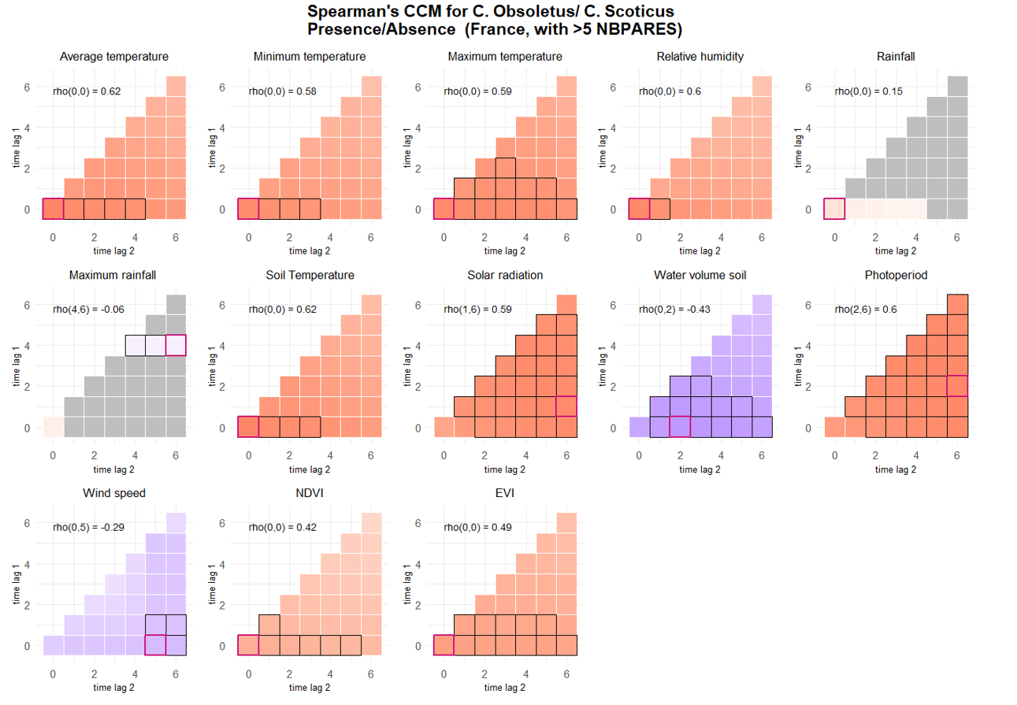
OUVERTURE_BAT75 - 100 % | 5.1741235697 | 3.0001070713 | 2.8347493311 | 0.0045861655111 | 1.6606779829 | 16.120858462 | 0.023887534618 |  |  |  | SPEARMANS CORR
 |  |  |  |  |  |  |  |  |  |  | prediction | interp
 |  |  |  |  |  |  |  |  |  |  | PRESENCE
 |  |  |  |  |  |  |  |  |  |  | TM_0_0
 |  |  |  |  |  |  |  |  |  |  | TN_0_0
 |  |  |  |  |  |  |  |  |  |  | TX_0_0
 |  |  |  |  |  |  |  |  |  |  | UM_0_0
 |  |  |  |  |  |  |  |  |  |  | TPS_0_0
 |  |  |  |  |  |  |  |  |  |  | QQ_1_6
 |  |  |  |  |  |  |  |  |  |  | SWV_0_2
 |  |  |  |  |  |  |  |  |  |  | PP_2_6
 |  |  |  |  |  |  |  |  |  |  | FG_0_5 | coef=-0.29
 |  |  |  |  |  |  |  |  |  |  | NDVI_0_0
 |  |  |  |  |  |  |  |  |  |  | EVI_0_0

