SUMMARY
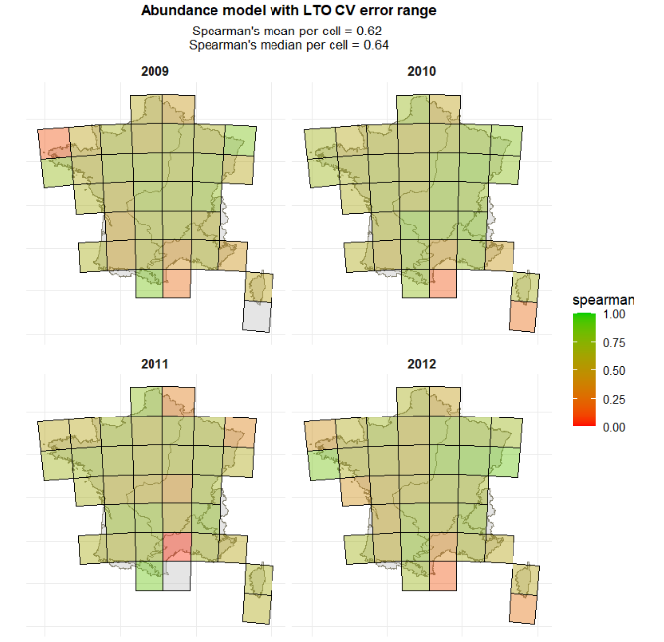
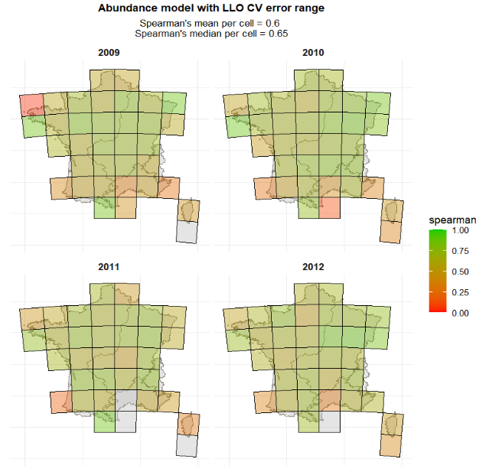
 | Models: PP/QQ/UM |  |  |  |  |  |  |  |  |  |  | Models: TX/TN/EVI
 | Presence |  |  | Abundance |  |  |  |  |  |  |  | Presence |  |  | Abundance
 | >=1NBINDIV | >5FEMELLES | >5PARES | >=1NBINDIV |  |  |  |  |  |  |  | >=1NBINDIV | >5FEMELLES | >5PARES | >=1NBINDIV
 | UM_0_0 | PP_1_6 | PP_1_6 | UM_0_0 |  |  |  |  |  |  |  | TX_0_4 | TX_0_4 | TN_0_0 | TX_0_0
 | QQ_1_6 |  |  | PP_1_5
 | EVI_0_3 | EVI_0_5 | EVI_0_0 | EVI_0_6 |  |  |  |  |  |  |  | EVI_0_3 | EVI_0_5 | EVI_0_0 | EVI_0_5
 | SWV_0_4 | SWV_0_2 | SWV_0_2 | SW_0_2 |  |  |  |  |  |  |  | SWV_0_4 | SWV_0_2 | SWV_0_2 | SW_0_2
 | FG_4_6 | FG_0_5 | FG_0_5 | FG_0_5 |  |  |  |  |  |  |  | FG_4_6 | FG_0_5 | FG_0_5 | FG_0_5
 | ALT | ALT | ALT | ALT |  |  |  |  |  |  |  | ALT | ALT | ALT | ALT
 | OVI | OVI | OVI | OVI |  |  |  |  |  |  |  | OVI | OVI | OVI | OVI
 | BETAIL | BETAIL | BETAIL | BETAIL |  |  |  |  |  |  |  | BETAIL | BETAIL | BETAIL | BETAIL
 | EVALUATION |  |  |  |  |  |  |  |  |  |  | EVALUATION
 | Model |  |  |  |  |  |  |  |  |  |  | Model
 | Presence |  |  | Abundance |  |  |  |  |  |  |  | Presence |  |  | Abundance
LLO
LTO

 | LLO 1>= NBINDIV abundance |  |  |  |  |  | LTO 1>= NBINDIV abundance
 | ECO_CLI |  | MAE | spearman | pearson | n | ECO_CLI | MAE | spearman | pearson | n
 | Alpine |  | 75.2 | 0.66 | 0.57 | 364 | Alpine | 75.8 | 0.7 | 0.6 | 364
 | Atlantic |  | 90.5 | 0.6 | 0.46 | 4665 | Atlantic | 96.6 | 0.61 | 0.47 | 4665
 | Continental |  | 93.5 | 0.7 | 0.55 | 2519 | Continental | 96.6 | 0.69 | 0.53 | 2519
 | Mediterranean |  | 48.7 | 0.4 | 0.32 | 1299 | Mediterranean | 45.3 | 0.54 | 0.51 | 1299
 | YEAR |  | MAE | spearman | pearson | n | YEAR | MAE | spearman | pearson | n
 | 2009 |  | 76.6 | 0.59 | 0.48 | 2468 | 2009 | 92.9 | 0.62 | 0.52 | 2468
 | 2010 |  | 96.3 | 0.64 | 0.48 | 2034 | 2010 | 111 | 0.69 | 0.52 | 2034
 | 2011 |  | 86.6 | 0.6 | 0.46 | 2441 | 2011 | 71 | 0.65 | 0.45 | 2441
 | 2012 |  | 79.8 | 0.6 | 0.5 | 1904 | 2012 | 79.5 | 0.64 | 0.53 | 1904

5 FEMELLES
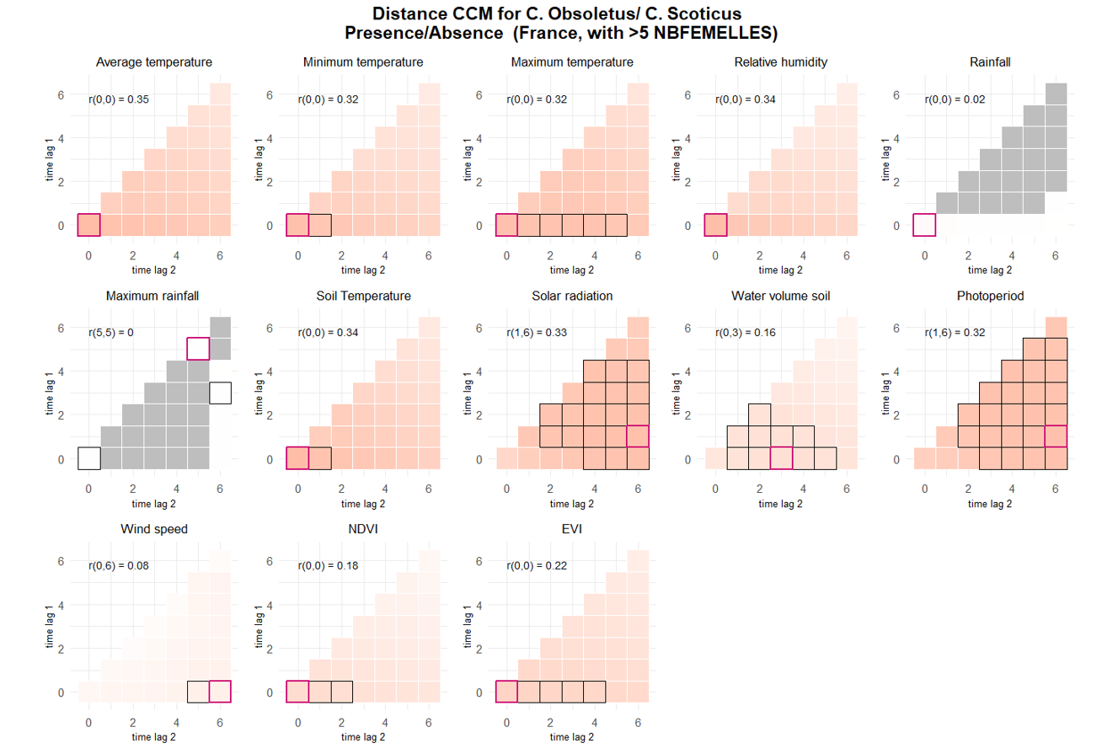
PRESENCE >5 FEMELLES |  |  |  |  |  |  |  |  |  |  | prediction | interp
term | estimate | std.error | statistic | p.value | conf.low | conf.high | r2 | Based on p value only |  |  | PRESENCE
TEMPERATUREDEBUT | 3.3082484177 | 0.20273929848 | 19.522859477 | 7.02E-85 | 2.9338232925 | 3.7304590297 | 0.12319368274 | Selected vars for presence >5 FEMELLES |  |  | TM_0_0
TEMPERATUREFIN | 2.5132781523 | 0.13841104977 | 16.734262425 | 7.38E-63 | 2.2561254984 | 2.7997410052 | 0.067770491796 | No | Name | type | TN_0_0
TEMPMINI | 2.5097898271 | 0.13934354147 | 16.574188537 | 1.07E-61 | 2.2510163087 | 2.798311568 | 0.065482360372 | 1 | VENTDEBUT | categorical | TX_0_4
TEMPMAX | 2.3288515182 | 0.13420672564 | 14.669558406 | 1.01E-48 | 2.080122338 | 2.6073223169 | 0.056959485881 | 2 | SITUATIONPIEGE | categorical | UM_0_0
VENTDEBUTVent fort Ã grand vent | 0.51137815636 | 0.06858931779 | -5.0001033767 | 5.73E-07 | 0.39316383569 | 0.66513650306 | 0.0032619719915 | 3 | ALT | numeric | TPS_0_0
SITUATIONPIEGEIntÃ©rieur | 1.613316917 | 0.1944800187 | 3.9676928975 | 7.26E-05 | 1.2738261405 | 2.0432862791 | 0.0025066573854 | 5 | VENTFIN | categorical | QQ_1_6
ALT | 0.63250016959 | 0.073508351132 | -3.9414893418 | 8.10E-05 | 0.50365726703 | 0.79430297291 | 0.013260266775 | 6 | PLUIEDEBUT | categorical | PP_1_6
VENTFINVent nul | 1.2751203175 | 0.086366667812 | 3.5882585198 | 0.00033289412251 | 1.1165995205 | 1.4561459094 | 0.0025190589668 | 7 | OUVERTURE_BAT | categorical | EVI_0_0
VENTFINVent fort Ã grand vent | 0.59174880902 | 0.089606815761 | -3.4648552771 | 0.00053051688821 | 0.43978700994 | 0.79621872648 | 0.0025190589668 | 8 | ELEV_OVIN | categorical |  | SWV_0_3
PLUIEDEBUTPluie forte | 0.61077703649 | 0.087960080911 | -3.4234542338 | 0.00061830662427 | 0.46057278015 | 0.80996664236 | 0.00066407088246 | 9 | CLC | categorical |  | NDVI_0_0
VENTDEBUTVent moyen | 0.7817760391 | 0.056246849168 | -3.4217574962 | 0.00062217779548 | 0.67895425328 | 0.90016930059 | 0.0032619719915 | 10 | ANIMAUXDEBUT | categorical
OUVERTURE_BAT25 - 75 % | 3.7328782743 | 1.671225976 | 2.9420743517 | 0.00326021639 | 1.5522338997 | 8.976984856 | 0.019728212413 |  |  |  | SPEARMANS CORR
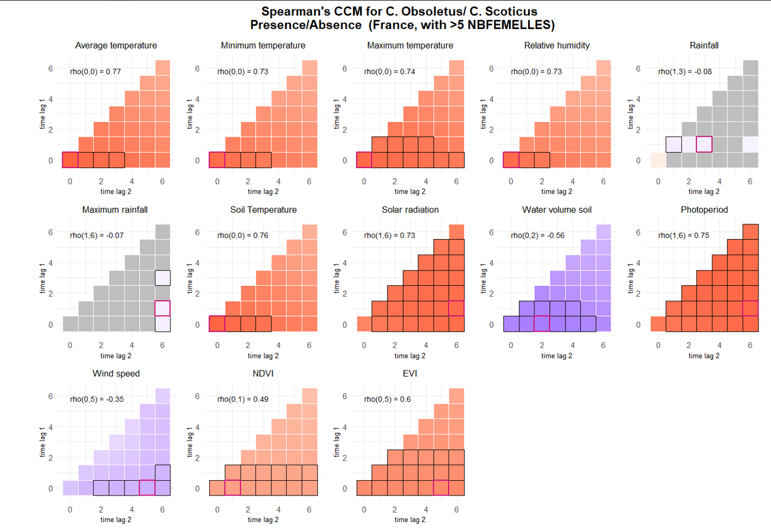
VENTDEBUTVent nul | 1.2221106186 | 0.086971789138 | 2.8185023168 | 0.0048248262839 | 1.0630031706 | 1.4050328403 | 0.0032619719915 |  |  |  | prediction | interp
OUVERTURE_BAT75 - 100 % | 4.5771261438 | 2.6888491206 | 2.5892621716 | 0.0096181836058 | 1.4472764362 | 14.475523275 | 0.019728212413 |  |  |  | PRESENCE
ELEV_OVINOUI | 0.46977726463 | 0.13794449038 | -2.5728836721 | 0.010085510016 | 0.26420851771 | 0.83528979413 | 0.0067532657461 |  |  |  | TM_0_0
CLC_level2Urban fabric | 23.871587471 | 30.43581087 | 2.4884213516 | 0.012831161372 | 1.9616243693 | 290.50041247 | 0.012682208999 |  |  |  | TN_0_0
ANIMAUXDEBUTAucun Ã proximitÃ© | 0.62570455669 | 0.12580573027 | -2.3319959925 | 0.019700901982 | 0.42191464154 | 0.92792748514 | 0.00050345131111 |  |  |  | TX_0_0
CLC_level2Arable land | 17.719411269 | 21.906529571 | 2.3252106364 | 0.020060699884 | 1.5707526152 | 199.88986979 | 0.012682208999 |  |  |  | UM_0_0
VENTFINVent moyen | 0.8462154845 | 0.066739500406 | -2.1172186148 | 0.034241298273 | 0.7250170604 | 0.98767420151 | 0.0025190589668 |  |  |  | TPS_0_0
CLC_level2Heterogeneous agricultural areas | 11.514456592 | 14.197648588 | 1.981790465 | 0.047502697092 | 1.0272780803 | 129.06214312 | 0.012682208999 |  |  |  | QQ_1_6
CLC_level2Forests | 28.519388332 | 48.295929583 | 1.9785644731 | 0.047865062915 | 1.0320001869 | 788.13504216 | 0.012682208999 |  |  |  | SWV_0_2
 |  |  |  |  |  |  |  |  |  |  | PP_1_6
 |  |  |  |  |  |  |  |  |  |  | FG_0_5 | coef=_0.35
 |  |  |  |  |  |  |  |  |  |  | NDVI_0_1
 |  |  |  |  |  |  |  |  |  |  | EVI_0_5

5 PARES
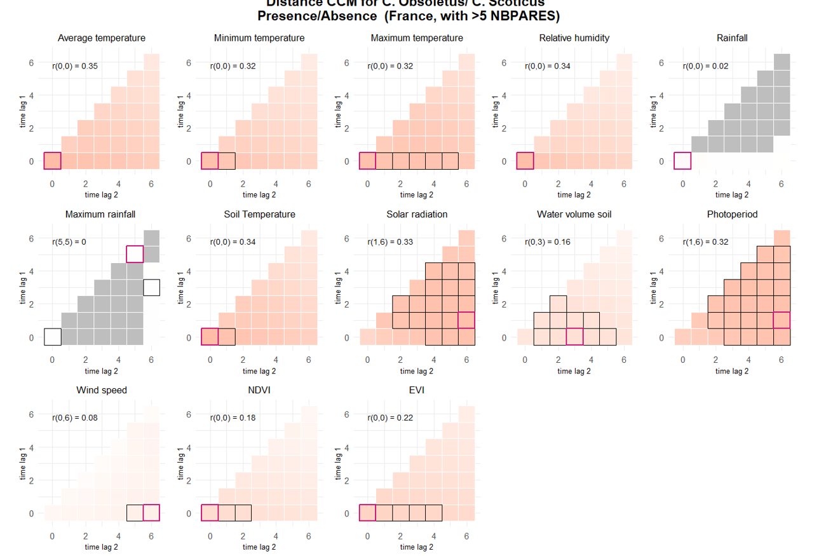
presence >5 NBPARES |  |  |  |  |  |  |  |  |  |  | DISTANCE CORR
term | estimate | std.error | statistic | p.value | conf.low | conf.high | r2 |  |  |  | prediction | interp
TEMPERATUREDEBUT | 2.8696901961 | 0.17962966165 | 16.841534302 | 1.21E-63 | 2.5383624641 | 3.2442655209 | 0.092050508013 | Based on p value only |  |  | PRESENCE
TEMPERATUREFIN | 2.2705804699 | 0.1286029083 | 14.478339905 | 1.66E-47 | 2.0320101869 | 2.5371603466 | 0.051300036058 | Selected vars for presence >5 PARES |  |  | TM_0_0
TEMPMINI | 2.2151795964 | 0.12669285791 | 13.906123289 | 5.81E-44 | 1.9802778858 | 2.4779454841 | 0.045485467459 | No | Name | type | TN_0_0
TEMPMAX | 2.1190832945 | 0.12452386916 | 12.779853247 | 2.12E-37 | 1.8885513602 | 2.3777558311 | 0.041273327108 | 1 | VENTDEBUT | categorical | TX_0_0
VENTDEBUTVent moyen | 0.65951811422 | 0.050062730234 | -5.4835537448 | 4.17E-08 | 0.56834714647 | 0.76531420221 | 0.0049360312761 | 2 | OUVERTURE_BAT | categorical | UM_0_0
VENTDEBUTVent fort Ã grand vent | 0.47183853077 | 0.067876572419 | -5.2213394429 | 1.78E-07 | 0.35591260634 | 0.62552321877 | 0.0049360312761 | 3 | ALT | numeric | TPS_0_0
OUVERTURE_BAT25 - 75 % | 4.8810203535 | 2.1669475039 | 3.5709893884 | 0.00035563530494 | 2.0446381704 | 11.652115292 | 0.023887534618 | 4 | PLUIEDEBUT | categorical | QQ_1_6
PLUIEDEBUTPluie forte | 0.58014291511 | 0.090057804896 | -3.5074880978 | 0.00045235858924 | 0.42795659142 | 0.78644845926 | 0.00089324943902 | 5 | SITUATIONPIEGE | categorical | PP_1_6
ALT | 0.67550092056 | 0.078905162443 | -3.3584560946 | 0.00078379171341 | 0.53727572524 | 0.84928738122 | 0.0094123725533 | 6 | ELEV_OVIN | categorical | EVI_0_0
SITUATIONPIEGEIntÃ©rieur | 1.4961958184 | 0.18444923378 | 3.2684106802 | 0.0010815330833 | 1.175041829 | 1.9051253084 | 0.0017284886832 | 7 | PLUIEFIN | categorical |  | SWV_0_3
ELEV_OVINOUI | 0.41202371722 | 0.12061182402 | -3.0289805407 | 0.0024538048778 | 0.23213987041 | 0.73129851954 | 0.0090222130064 | 8 | OVI | categorical
VENTFINVent fort Ã grand vent | 0.61597800494 | 0.099745230521 | -2.9923080897 | 0.0027687668633 | 0.44846676134 | 0.84605802541 | 0.0014322309486 | 9 | VENTFIN | categorical
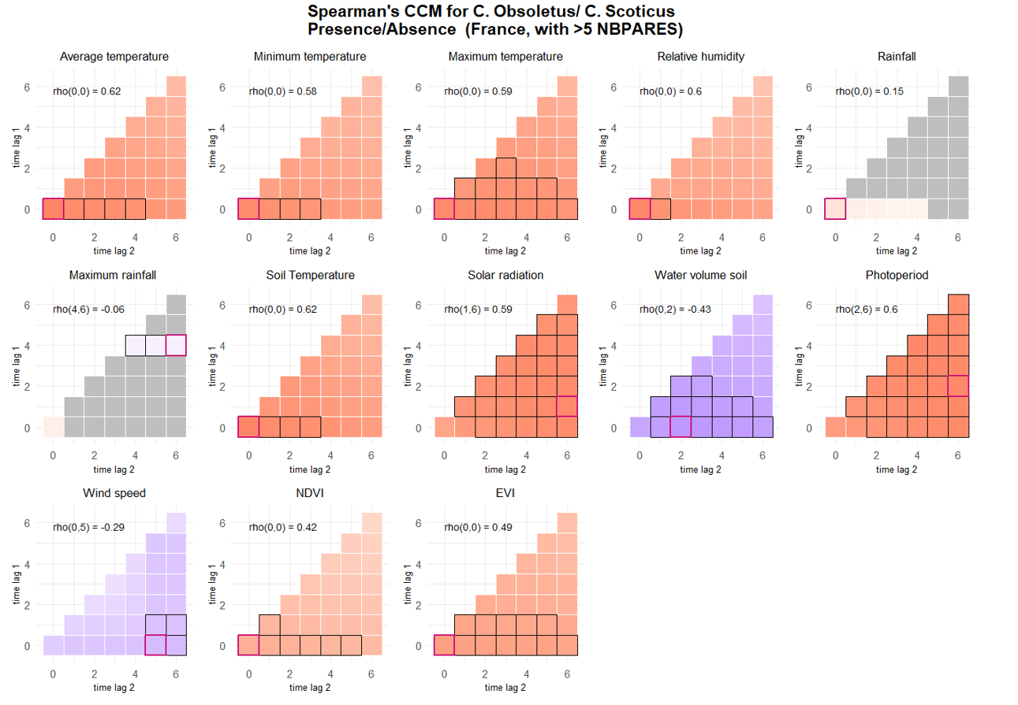
OUVERTURE_BAT75 - 100 % | 5.1741235697 | 3.0001070713 | 2.8347493311 | 0.0045861655111 | 1.6606779829 | 16.120858462 | 0.023887534618 |  |  |  | SPEARMANS CORR
 |  |  |  |  |  |  |  |  |  |  | prediction | interp
 |  |  |  |  |  |  |  |  |  |  | PRESENCE
 |  |  |  |  |  |  |  |  |  |  | TM_0_0
 |  |  |  |  |  |  |  |  |  |  | TN_0_0
 |  |  |  |  |  |  |  |  |  |  | TX_0_0
 |  |  |  |  |  |  |  |  |  |  | UM_0_0
 |  |  |  |  |  |  |  |  |  |  | TPS_0_0
 |  |  |  |  |  |  |  |  |  |  | QQ_1_6
 |  |  |  |  |  |  |  |  |  |  | SWV_0_2
 |  |  |  |  |  |  |  |  |  |  | PP_2_6
 |  |  |  |  |  |  |  |  |  |  | FG_0_5 | coef=-0.29
 |  |  |  |  |  |  |  |  |  |  | NDVI_0_0
 |  |  |  |  |  |  |  |  |  |  | EVI_0_0

1 NBINDIV
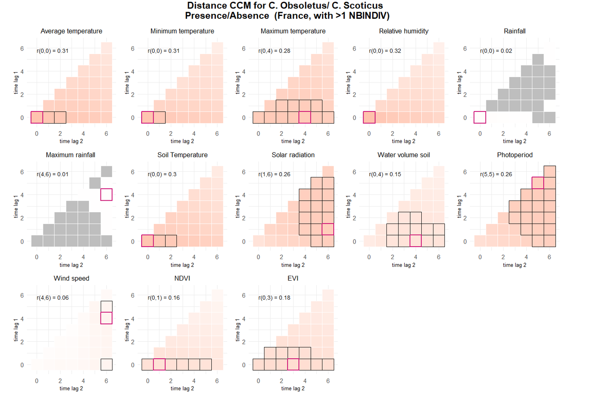
presence >1 NBINDIV |  |  |  |  |  |  |  |  |  |  | DISTANCE CORR |  | Captures complex relationships including non linear and non monotonic
 |  |  |  |  |  |  |  |  |  |  | prediction | interp | flaw of distance corr: underestimates monotonic relationship importance
term | estimate | std.error | statistic | p.value | conf.low | conf.high | r2 | Based on p value only |  |  | PRESENCE
TEMPERATUREDEBUT | 3.2974284212 | 0.19277804094 | 20.408461899 | 1.41E-92 | 2.940434139 | 3.6977649146 | 0.14047263009 | Selected vars for presence >1 NBINDIV |  |  | TM_0_0 |  |  | TM_0_0
TEMPERATUREFIN | 2.5352115644 | 0.1331548496 | 17.712079178 | 3.38E-70 | 2.287216328 | 2.810096097 | 0.079862402291 | No | Name | type | TN_0_0 |  |  | TN_0_0
TEMPMINI | 2.4961842434 | 0.13429646113 | 17.002813216 | 7.83E-65 | 2.2463705564 | 2.7737791343 | 0.07384340904 | 1 | SITUATIONPIEGE | categorical | TX_0_4 |  |  | TX_0_4
TEMPMAX | 2.5324558409 | 0.14275482407 | 16.483726155 | 4.80E-61 | 2.267563999 | 2.8282917655 | 0.079099588564 | 2 | VENTDEBUT | categorical | UM_0_0 |  |  | UM_0_0
SITUATIONPIEGEIntÃ©rieur | 1.8004313922 | 0.21237510617 | 4.9850522801 | 6.19E-07 | 1.4287973305 | 2.2687284815 | 0.0043778422348 | 3 | ALT | numeric | TPS_0_0 |  |  | TPS_0_3
VENTDEBUTVent fort Ã grand vent | 0.55764109547 | 0.069089667082 | -4.7139400712 | 2.43E-06 | 0.43741538281 | 0.71091142099 | 0.0020587146873 | 5 | VENTFIN | categorical | QQ_1_6 |  |  | QQ_1_6
ALT | 0.61344982242 | 0.063648630148 | -4.7097075132 | 2.48E-06 | 0.50056724683 | 0.75178847 | 0.017715149274 | 6 | PLUIEDEBUT | categorical |  |  |  | SWV_0_4
VENTFINVent fort Ã grand vent | 0.60122107702 | 0.083727550704 | -3.6534785792 | 0.00025871138078 | 0.45760814057 | 0.78990461798 | 0.0020726344773 | 7 | NUAGEDEBT | categorical | PP_5_5 |  |  | PP_5_5
PLUIEDEBUTPluie forte | 0.69672873756 | 0.091434704834 | -2.7535418929 | 0.0058954224548 | 0.53871229728 | 0.90109495586 | 0.00041648293811 | 8 | OUVERTURE_BAT | categorical |  | SWV_0_4 |  | NDVI_0_1
VENTFINVent nul | 1.1910356807 | 0.078023940447 | 2.6686774038 | 0.007615055149 | 1.0475219591 | 1.3542112224 | 0.0020726344773 | 9 | PLUIEFIN | categorical |  | NDVI_0_1 |  | EVI_0_3
NUAGEDEBUTCouvert | 1.1902704399 | 0.091829961005 | 2.2576721993 | 0.023966103702 | 1.0232341414 | 1.3845743245 | 0.00042546145324 | 10 | OVI | numeric | EVI_0_3
OUVERTURE_BAT75 - 100 % | 3.524136169 | 1.9666261576 | 2.2572294545 | 0.023993740834 | 1.1804402646 | 10.521104803 | 0.014598727372 | 11 | ELEV_OVIN | categorical | SPEARMANS CORR |  | Captures complex relationships including non linear but only monotonic
OUVERTURE_BAT25 - 75 % | 2.5595796367 | 1.0833416168 | 2.2205397365 | 0.026382151417 | 1.1166003192 | 5.8673168941 | 0.014598727372 | 12 | CLC | categorical | prediction | interp
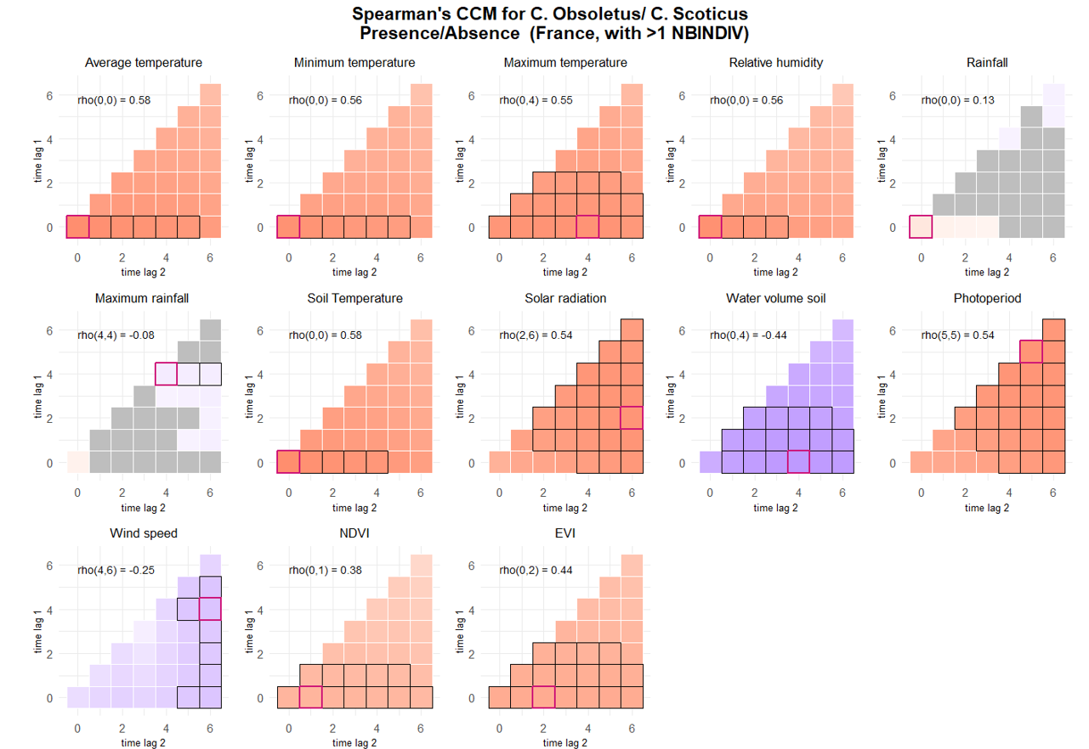
PLUIEFINBrouillard / Bruine | 0.82064002788 | 0.075558331498 | -2.1469042934 | 0.031800901752 | 0.68514184308 | 0.98293523036 | 0.00027352032326 |  |  |  | PRESENCE |  |  | old selection
OVI | 0.79060042044 | 0.089148110441 | -2.0837404912 | 0.037183778948 | 0.63383402271 | 0.98613990793 | 0.0040932992819 |  |  |  | TM_0_0 |  |  | TM_0_0
ELEV_OVINOUI | 0.57323416738 | 0.1532777654 | -2.0810744716 | 0.037427090088 | 0.3394128465 | 0.96813486594 | 0.0042606683755 |  |  |  | TN_0_0 |  |  | TN_0_0
CLC_level2Urban fabric | 10.273207882 | 11.638654302 | 2.0562378763 | 0.039759593059 | 1.1152403885 | 94.633229999 | 0.013346907675 |  |  |  | TX_0_4 |  |  | TX_0_4
VENTFINVent moyen | 0.86007889841 | 0.064220324927 | -2.0186861866 | 0.043519846609 | 0.7429863269 | 0.99562493239 | 0.0020726344773 |  |  |  | UM_0_0 |  |  | UM_0_0
 |  |  |  |  |  |  |  |  |  |  | TPS_0_0 |  |  | TPS_0_0
 |  |  |  |  |  |  |  |  |  |  | QQ_2_6 |  |  | QQ_2_6
 |  |  |  |  |  |  |  |  |  |  | SWV_0_4 |  |  | SWV_6_6
 |  |  |  |  |  |  |  |  |  |  | PP_5_5 |  |  | PP_5_5
 |  |  |  |  |  |  |  |  |  |  | FG_4_6 | coef=-0.25 |  | FG_3_3 | very weak!
 |  |  |  |  |  |  |  |  |  |  | NDVI_0_1 |  |  | NDVI_0_1
 |  |  |  |  |  |  |  |  |  |  | EVI_0_2 |  |  | EVI_0_2

abundance 1 NBINDIV
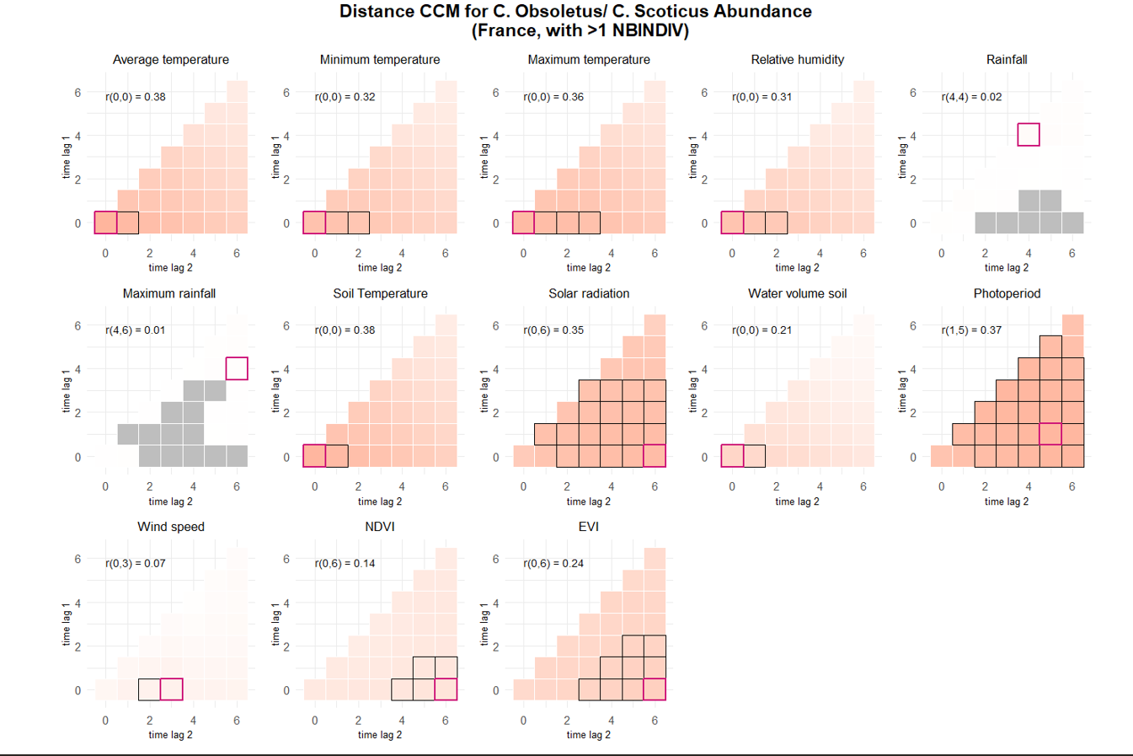
abundance >1 NBINDIV |  |  |  |  |  |  |  |  |  |  | DISTANCE CORR
 |  |  |  |  |  |  |  |  |  |  | prediction | interp
term | estimate | std.error | statistic | p.value | conf.low | conf.high | r2 | Based on p value only |  |  | ABUNDANCE
TEMPERATUREDEBUT | 0.57529849353 | 0.040614042521 | 14.165014311 | 1.51E-45 | 0.49569643293 | 0.65490055414 | 0.048115780625 | Selected vars for abundance >1 NBINDIV |  |  | TM_0_0
TEMPERATUREFIN | 0.47829432776 | 0.036869740783 | 12.972543815 | 1.75E-38 | 0.40603096371 | 0.55055769182 | 0.031690135721 | No | Name | type | TN_0_0
TEMPMINI | 0.44212952016 | 0.037760813577 | 11.708686288 | 1.15E-31 | 0.36811968552 | 0.5161393548 | 0.026187359636 | 1 | VENTDEBUT | categorical | TX_0_0
TEMPMAX | 0.35442066475 | 0.036023778283 | 9.8385200455 | 7.68E-23 | 0.28381535673 | 0.42502597277 | 0.018017525317 | 2 | VENTFIN | categorical | UM_0_0
VENTDEBUTVent moyen | -0.24640445351 | 0.049790435595 | -4.9488310468 | 7.47E-07 | -0.34399191405 | -0.14881699297 | 0.0044859694048 | 3 | OUVERTURE_BAT | categorical | TPS_0_0
VENTDEBUTVent fort Ã grand vent | -0.45559245825 | 0.10192256598 | -4.4699861493 | 7.82E-06 | -0.65535701679 | -0.25582789971 | 0.0044859694048 | 5 | ELEV_CAPRIN | categorical | QQ_0_6
OUVERTURE_BAT25 - 75 % | 1.4915192552 | 0.34125140505 | 4.3707344003 | 1.24E-05 | 0.82267879165 | 2.1603597188 | 0.060469170676 | 6 | ALT | numeric | SWV_0_0
OUVERTURE_BAT75 - 100 % | 1.9037191516 | 0.44480446527 | 4.2799011707 | 1.87E-05 | 1.0319184196 | 2.7755198837 | 0.060469170676 | 7 | ELEV_OVIN | categorical | PP_1_5
ELEV_CAPRINOUI | -0.89798186804 | 0.31397969306 | -2.8599998276 | 0.0042364123835 | -1.5133707583 | -0.28259297776 | 0.012230993117 | 8 | ANIMAUXFIN | categorical | EVI_0_6
ALT | -0.2482311045 | 0.093152158208 | -2.6647917694 | 0.007703600719 | -0.43080597967 | -0.065656229329 | 0.0085512972955 | 9 | PLUIEFIN | categorical
VENTFINVent nul | 0.11905544083 | 0.045620411175 | 2.609696795 | 0.00906225049 | 0.029641077969 | 0.20846980369 | 0.0013023732565 | 10 | CLC_level2 | categorical
ELEV_OVINOUI | -0.60299508902 | 0.23281532273 | -2.5900146174 | 0.0095971856674 | -1.0593047366 | -0.14668544142 | 0.010646534983 | 11 | ACTIV_VIANDE | categorical | SPEARMANS CORR
ANIMAUXFINInt. & Ext. | 0.25492207404 | 0.098808063021 | 2.5799723853 | 0.0098808216061 | 0.061261829136 | 0.44858231894 | 0.00071999953162 | 12 |  |  | prediction | interp
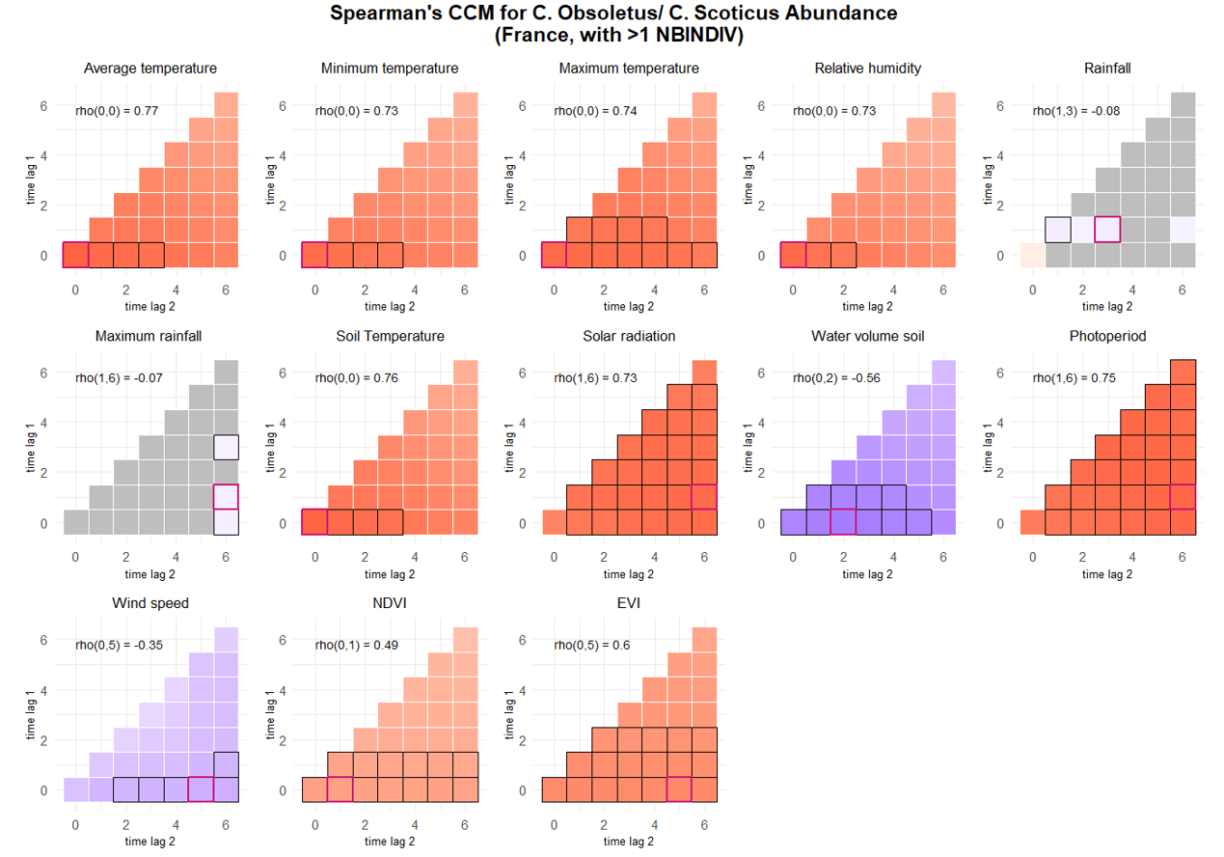
PLUIEFINPluie fine | 0.18284834646 | 0.07362475944 | 2.4835170648 | 0.013009210115 | 0.038546469586 | 0.32715022333 | 0.00048354012655 |  |  |  | ABUNDANCE
VENTDEBUTVent nul | 0.11843905728 | 0.047840950251 | 2.475683628 | 0.013298135793 | 0.024672517806 | 0.21220559676 | 0.0044859694048 |  |  |  | TM_0_0
ANIMAUXFINA l'intÃ©rieur | 0.18418789687 | 0.078714231498 | 2.3399567443 | 0.01928597343 | 0.029910838063 | 0.33846495568 | 0.00071999953162 |  |  |  | TN_0_0
CLC_level2Urban fabric | 2.2621933954 | 0.9999545577 | 2.2622961994 | 0.023679109091 | 0.30231847616 | 4.2220683147 | 0.0096928423358 |  |  |  | TX_0_0
CLC_level2Arable land | 2.1033492887 | 0.96941864217 | 2.1697017132 | 0.030029450195 | 0.2033236641 | 4.0033749133 | 0.0096928423358 |  |  |  | UM_0_0
ACTIV_VIANDEOUI | -0.44075420201 | 0.20409218533 | -2.1595839218 | 0.0308048942 | -0.84076753479 | -0.04074086924 | 0.0074507027038 |  |  |  | TPS_0_0
VENTFINVent moyen | -0.1201853882 | 0.056381738628 | -2.1316367875 | 0.033036717077 | -0.2306915653 | -0.0096792111034 | 0.0013023732565 |  |  |  | QQ_1_6
 |  |  |  |  |  |  |  |  |  |  | SWV_0_2
 |  |  |  |  |  |  |  |  |  |  | PP_1_6
 |  |  |  |  |  |  |  |  |  |  | FG_0_5
 |  |  |  |  |  |  |  |  |  |  | NDVI_0_1
 |  |  |  |  |  |  |  |  |  |  | EVI_0_5

