filtered_vars
CCM max corr value |  |  |  | CCM interpretable value |  |  | prediction | interp
Variable | value | timelag | Var_Name | Variable | timelag | var_name | PRESENCE
Avg temp | 0.31 | 0,0 | TM_0_0 | Avg temp | 0,2 | TM_0_2 | TM_0_0 | TM_0_2
Min temp | 0.31 | 0,0 | TN_0_0 | Min temp | 0,1 | TN_0_1 | TN_0_0 | TN_0_1
Max temp | 0.28 | 0,4 | TX_0_4 | Max temp | 0,4 | TX_0_4 | TX_0_4 | same
Relative Humidity | 0.32 | 0,0 | UM_0_0 | Relative Humidity | 0,0 | UM_0_0 | UM_0_0 | same
Rainfall | 0.01 | 0,1 | RR | Rainfall | NA | NA | TPS_0_0 | TPS_0_2
Max rainfall | 0.01 | 4,6 | RRMAX | Max rainfall | NA | NA | QQ_1_6 | QQ_1_5
Soil temp | 0.3 | 0,0 | TPS_0_0 | Soil temp | 0,2 | TPS_0_2 | PP_5_5 | PP_0_5
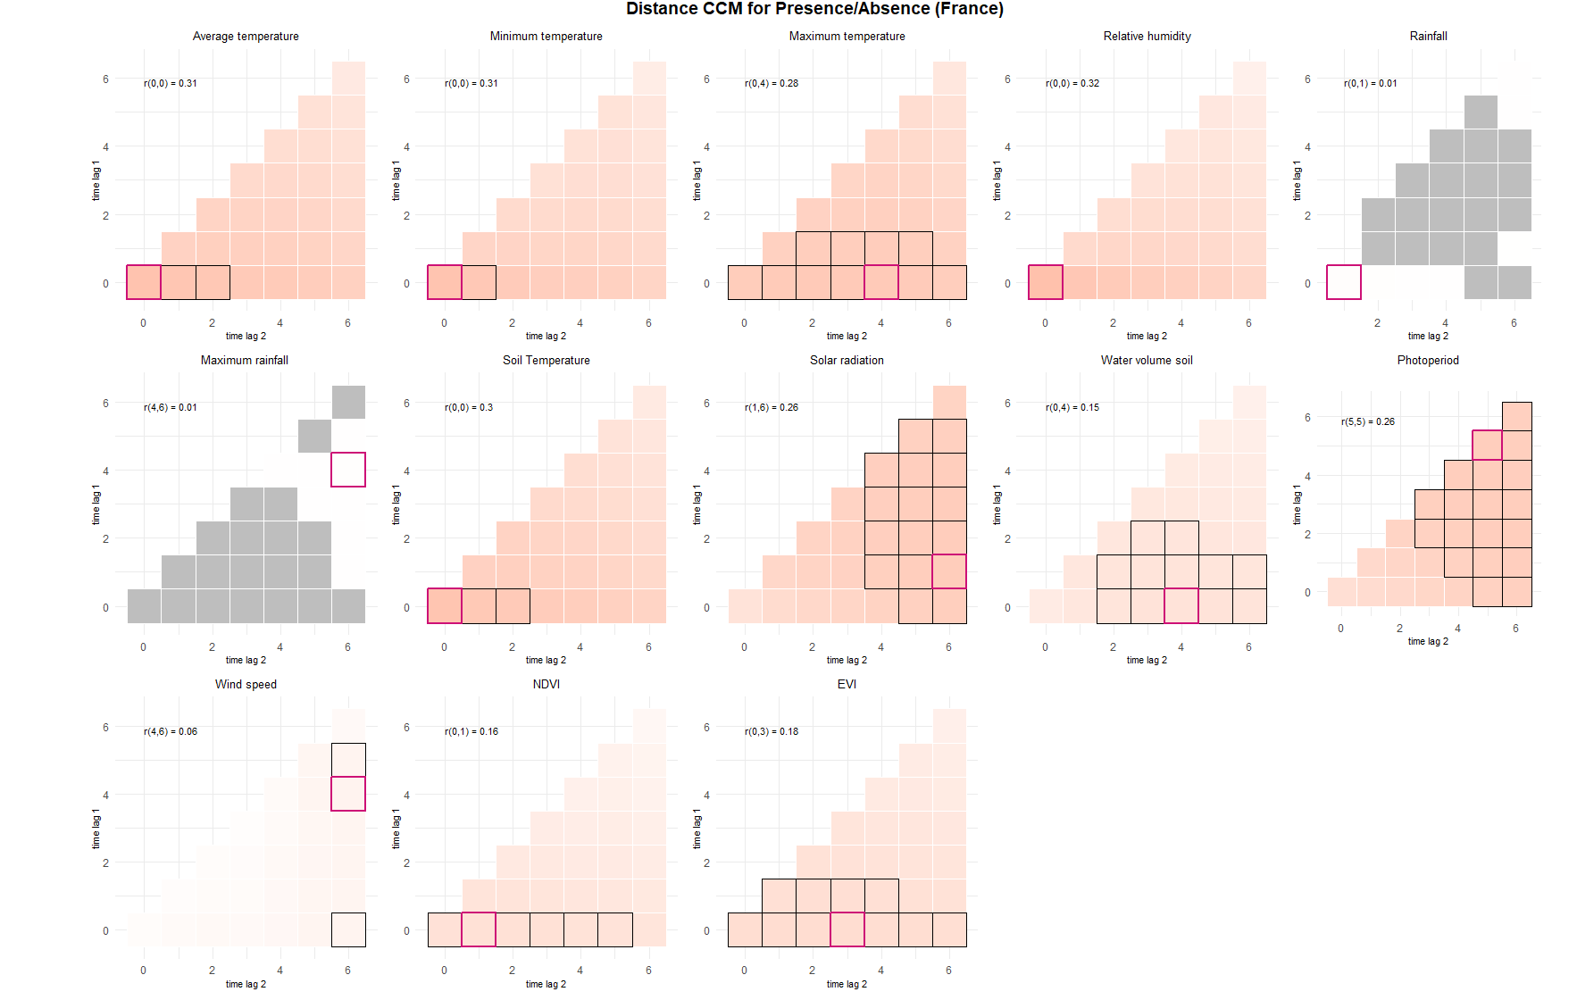
Solar radiation | 0.26 | 1,6 | QQ_1_6 | Solar radiation | 1,5 | QQ_1_5
WaterVolumeSoil | 0.15 | 0,4 | SWV_0_4 | WaterVolumeSoil | 1,4 | SWV_1_4
PP | 0.26 | 5,5 | PP_5_5 | PP | 0,5 | PP_0_5
Windspeed | 0.06 | 4,6 | FG_4_6 | Windspeed | NA | NA
NDVI | 0.16 | 0,1 | NDVI_0_1 | NDVI | 1,4 | NDVI_1_4
EVI | 0.18 | 0,3 | EVI_0_3 | EVI | 1,4 | EVI_1_4

