filtered_vars
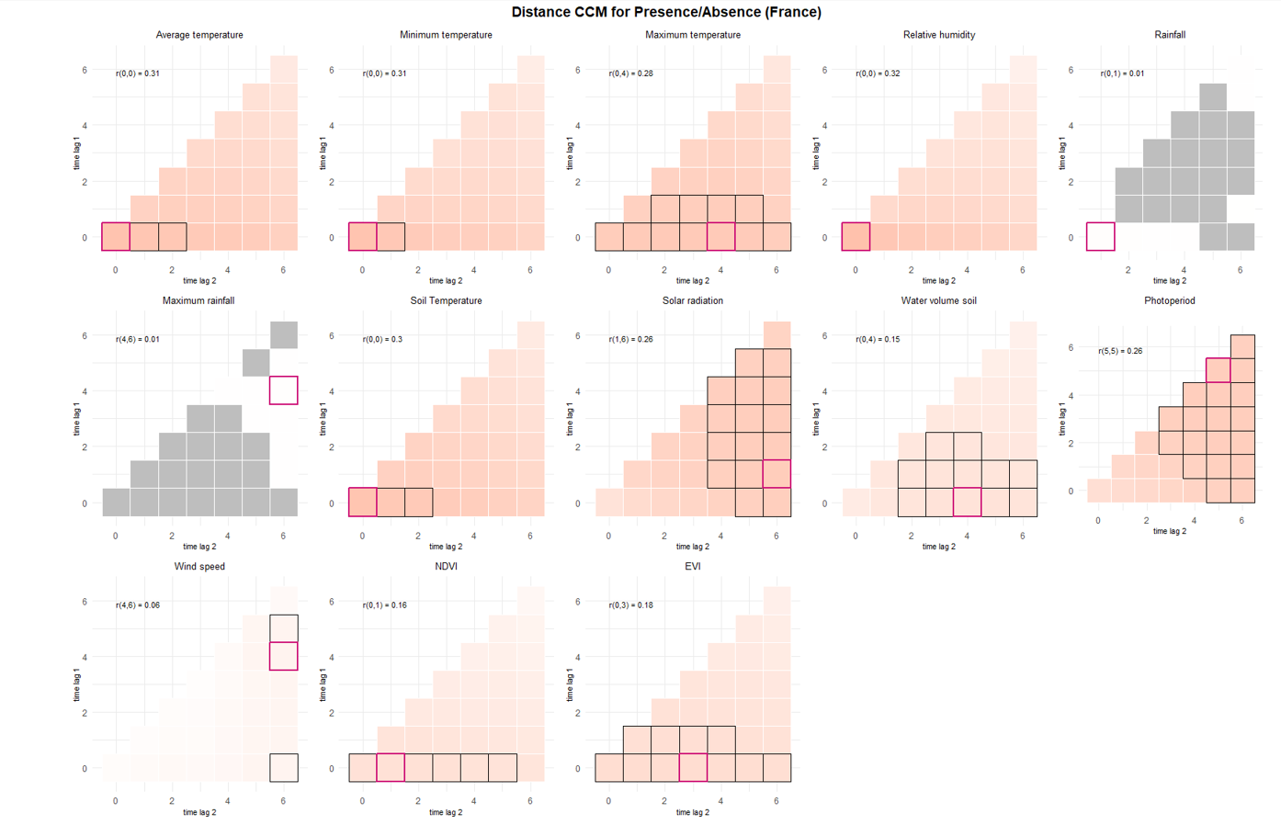
10 landscape/microclimate vars smallest to largest based on p value |  |  |  |  |  |  |  | Based on p value only |  |  |  | DISTANCE CORR |  | Captures complex relationships including non linear and non monotonic
term | estimate | std.error | statistic | p.value | conf.low | conf.high | r2 | Selected vars for abundance model: |  |  |  | prediction | interp | flaw of distance corr: underestimates monotonic relationship importance
TEMPERATUREDEBUT | 3.1979187185 | 0.1801703434 | 20.63370182 | 1.37E-94 | 2.8635899652 | 3.5712808936 | 0.15443020619 | No | Name | type |  | PRESENCE
TEMPMINI | 2.5530597613 | 0.13327076677 | 17.95565481 | 4.33E-72 | 2.3047716915 | 2.8280953678 | 0.091503423439 | 1 | ALT |  |  | TM_0_0
TEMPERATUREFIN | 2.469221181 | 0.12603106091 | 17.709411454 | 3.55E-70 | 2.2341584638 | 2.7290155732 | 0.0882599665 | 2 | OVI |  |  | TN_0_0
TEMPMAX | 2.4721695128 | 0.13567841918 | 16.49157636 | 4.22E-61 | 2.2200477913 | 2.7529236642 | 0.087311136164 | 3 | BETAIL |  |  | TX_0_4
ALT | 0.60410875033 | 0.05432414115 | -5.6047170972 | 2.09E-08 | 0.50649050032 | 0.72054141588 | 0.021702257978 | 4 | VENTDEBUT |  |  | UM_0_0
VENTDEBUTVent fort Ã grand vent | 0.55356350864 | 0.065932589819 | -4.9651579085 | 6.86E-07 | 0.43831311538 | 0.69911793042 | 0.0021572996637 | 5 | VENTFIN |  |  | TPS_0_3 |  |  | green = included in model
SITUATIONPIEGEIntÃ©rieur | 1.6676212496 | 0.1894230742 | 4.5021892129 | 6.73E-06 | 1.3347823954 | 2.0834561812 | 0.0038615466774 | 6 | SITUATIONPIEGE |  |  | QQ_1_6 |  |  | red = duplicate
VENTFINVent fort Ã grand vent | 0.55806739199 | 0.073902010086 | -4.4045766071 | 1.06E-05 | 0.43049328449 | 0.72344732245 | 0.0027369539731 | 7 | PLUIEDEBUT |  |  | SWV_0_4 |  |  | black = did not include because chose from either distance OR spearmans (but not both), OR the corr variable was already well explicative
VENTFINVent nul | 1.2288150962 | 0.077995845393 | 3.2462985982 | 0.0011691614035 | 1.0850724374 | 1.3915997574 | 0.0027369539731 | 8 | OUVERTURE_BAT |  |  | PP_5_5
PLUIEDEBUTPluie forte | 0.70453983891 | 0.088557323627 | -2.7861860401 | 0.005333225339 | 0.55069806431 | 0.90135850619 | 0.00044809807226 | 9 | ACTIV_VIANDE |  | not a good var because distribution is bad | NDVI_0_1
OUVERTURE_BAT75 - 100 % | 3.386188514 | 1.6885356315 | 2.4459957123 | 0.014445271839 | 1.2742548139 | 8.9984142313 | 0.014909675301 | 10 |  |  |  | EVI_0_3
OVI | 0.79619969079 | 0.078938469865 | -2.2987283043 | 0.021520372237 | 0.65558714288 | 0.96697129359 | 0.0044388272945
OUVERTURE_BAT25 - 75 % | 2.2556823155 | 0.84914690046 | 2.1608633695 | 0.03070589522 | 1.0785614411 | 4.7174899033 | 0.014909675301 |  |  |  |  | SPEARMANS CORR |  | Captures complex relationships including non linear but only monotonic
BETAIL | 0.81695370622 | 0.077355944831 | -2.1351411134 | 0.03274948523 | 0.67857621596 | 0.9835495887 | 0.003493503511 |  |  |  |  | prediction | interp
ACTIV_VIANDEOUI | 0.65069840633 | 0.13939015374 | -2.0059593025 | 0.044860590266 | 0.42760085509 | 0.990195438 | 0.0034350157457 |  |  |  |  | PRESENCE
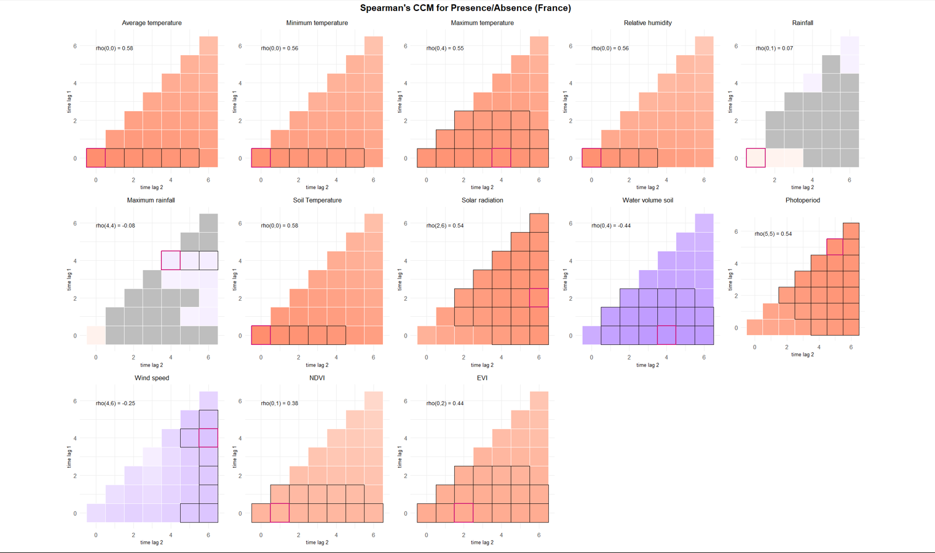
 |  |  |  |  |  |  |  |  |  |  |  | TM_0_0
 |  |  |  |  |  |  |  |  |  |  |  | TN_0_0
 |  |  |  |  |  |  |  |  |  |  |  | TX_0_4
 |  |  |  |  |  |  |  |  |  |  |  | UM_0_0
 |  |  |  |  |  |  |  |  |  |  |  | TPS_0_0
 |  |  |  |  |  |  |  |  |  |  |  | QQ_2_6
 |  |  |  |  |  |  |  |  |  |  |  | SWV_0_4
 |  |  |  |  |  |  |  |  |  |  |  | PP_5_5
 |  |  |  |  |  |  |  |  |  |  |  | FG_4_6
 |  |  |  |  |  |  |  |  |  |  |  | NDVI_0_1
 |  |  |  |  |  |  |  |  |  |  |  | EVI_0_2

