filtered_vars
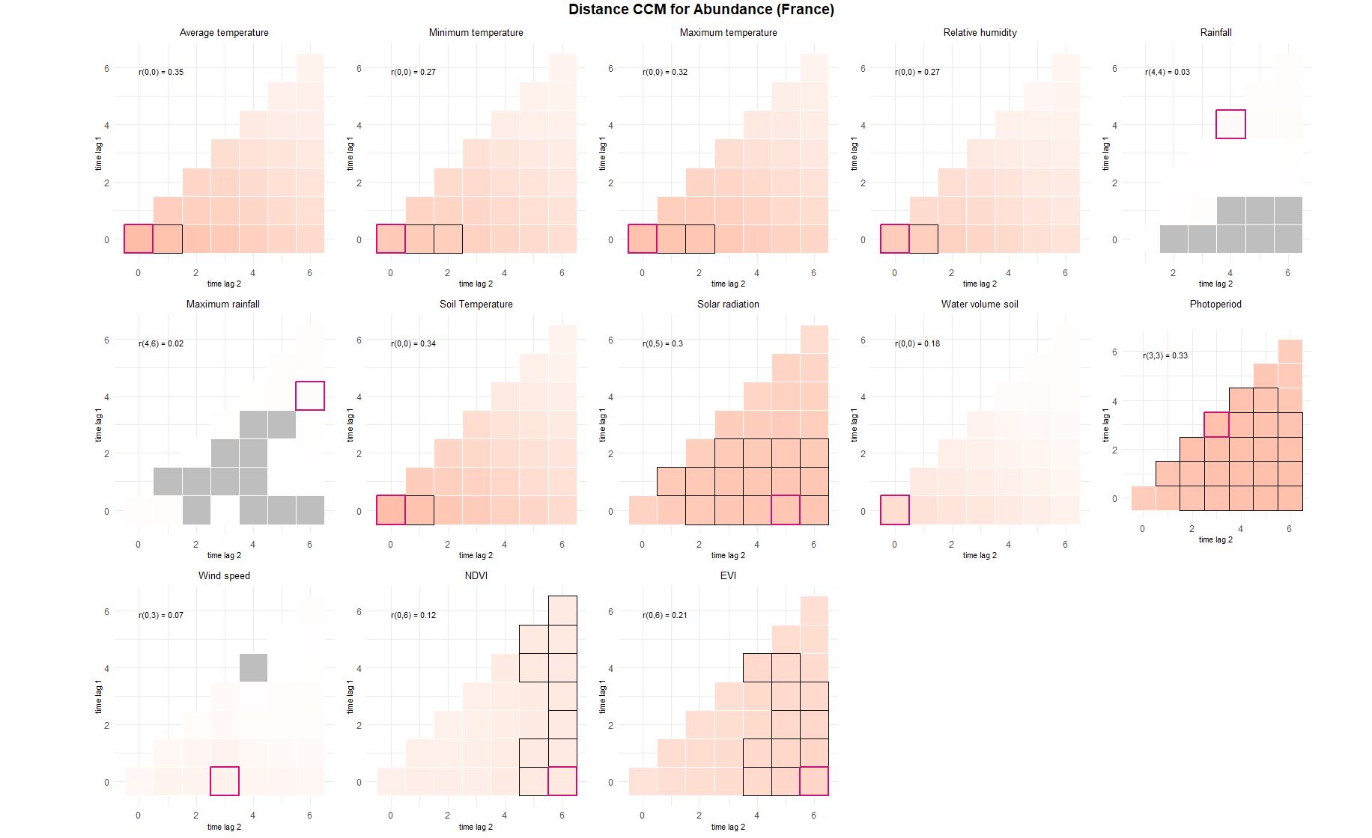
CCM max corr value |  |  |  | CCM interpretable value |  |  | prediction | interp
Variable | value | timelag | Var_Name | Variable | timelag | var_name | ABUNDANCE
Avg temp | 0.35 | 0,0 | TM_0_0 | Avg temp | 0,1 | TM_0_1 | TM_0_0 | TM_0_1
Min temp | 0.27 | 0,0 | TN_0_0 | Min temp | 0,2 | TN_0_2 | TN_0_0 | TN_0_2
Max temp | 0.32 | 0,0 | TX_0_0 | Max temp | 0,2 | TX_0_2 | TX_0_0 | TX_0_2
Relative Humidity | 0.27 | 0,0 | UM_0_0 | Relative Humidity | 0,1 | UM_0_1 | UM_0_0 | UM_0_1
Rainfall | 0.03 | 4,4 | RR | Rainfall | NA | NA | TPS_0_0 | TPS_0_1
Max rainfall | 0.02 | 4,6 | RRMAX | Max rainfall | NA | NA | QQ_0_5 | QQ_1_5
Soil temp | 0.34 | 0,0 | TPS_0_0 | Soil temp | 0,1 | TPS_0_1 | PP_3_3 | PP_1_5
Solar radiation | 0.3 | 0,5 | QQ_0_5 | Solar radiation | 1,5 | QQ_1_5 | EVI_0_6 | EVI_1_5
WaterVolumeSoil | 0.18 | 0,0 | SWV_0_0 | WaterVolumeSoil | 0,0 | NA
PP | 0.33 | 3,3 | PP_3_3 | PP | 1,5 | PP_1_5
Windspeed | 0.07 | 0,3 | FG_0_3 | Windspeed | NA | NA
NDVI | 0.12 | 0,6 | NDVI_0_6 | NDVI | NA | NA
EVI | 0.21 | 0,6 | EVI_0_6 | EVI | 1,5 | EVI_1_5

