Tabelle1
Todo
Windungszahlen haupt trafo und weitere berechnungen
Eimgamngspannungen
Ausgangsspannungen
Output inductor
output capacitance
F_Osc decision & resistor setting
Wiederstandsnetzwerke
Soft start Cap
Bauteildimensionierung (Mosfet/Dioden etc.)
Generall |  |  |  |  |  |  |  |  | !todo!
Eingangsparameter |  |  |  |  |  | Calculated Value |  |  | Switch timing ?
V_Out | 24 | V |  |  |  | Input |  |  | Soft start
P_Out_max | 960 | W |  |  |  |  |  |  | external circuit for shutdown and start
V_In_min | 230 | V | 2V Entladeschluss |  |  |  |  |  | große kapazitive last -> strakes schwingen an V-out (comp und FB beachten)
V_In_max | 630 | V | 4,25V Ladeschluss
I_max | 40 | A

F_Osc | 100000 | hz | Referenz design nutz 100Khz
Foldback ratio | 2 | per Datasheet
INT_VCC | 10 | V

t_amb | 50 | °C
t_max_mos | 125 | °C
Transformer
D_max | 0.6 | bis | 0.7 | Typischer max. Duty Cycle laut datenblatt
D_min | 4.45% |  | bei 100Khz (454ns minimale On time)

Ü_ideal | 5.75 | bis | 6.71
U_real | 10.989
U_real_gesamt | 5.495 | NP/NS | 0.182 | NS/NP
 |  |  |  | Trafo Optionen | 2pcs |  |  | 2pcs
H1 | 3900 | uH |  | Ü | 12.048192771 | 5.4945054945 | 2.7548209366 | 10.989010989
H2 | 32.296 | uH |  | H1 | 3100 | 2600 | 2600 | 3900
 |  |  |  | anzahl | 2 | 1 | 1 | 2
Leakage Inductance | 3 | uH
K_Factor | 0.999

Output Inductance and Capacitance
I_min | 1.78 | A
Ripple < | 3.56 | A
L_o (Vmin) > | 2.88E-05 | H | 28.76 | uH
L_o (Vmax) > | 5.33E-05 | H | 53.30 | uH
L_o | 60 | uH | AGP4233-153ME | Coilcraft | 4 in reihe | AGM2222-562

Voltage Ripple requrement | 1% | of Vout | 0.24 | V_p2p
ESR of C_out | 0.2
C_out_min | -9.43E-06 | F | 9.428 | uF | ?????

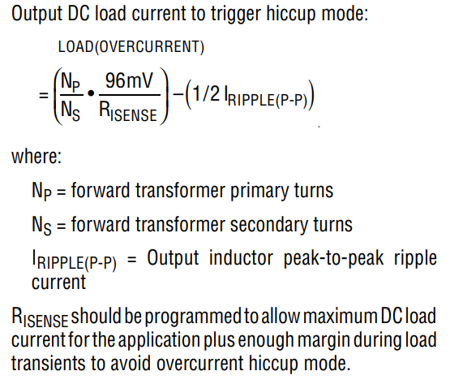
RISense | 0.0057 | Ohm | 5.70 | mOhm

R1 | 1 | Mohm | 1000000 | Ohm
R3 | 1995 | Ohm
R2 | 3470 | Ohm
UVLO_Sec_min | 1.25 | V | UVLO_Sec_max | 3.42 | V |  |  |  |  | RMS Current Sec. | 32.8 | A | @ | V_in | 260V
RIVSEC | 148014 | kOhm | 148 | kOhm |  |  |  |  |  | RMS Current Prim | 3 | A |  | I_Out | 39.85 | ARMS
Clamp Capacitance and Snubber |  |  |  |  |  |  |  |  |  | Total Power In | 1043 | W |  | Without Leakage Inductance
D_min | 0.21 |  |  |  |  |  |  |  |  | Toral Power Out | 953 | W
C_CL | 4.06E-09 | F | 4.1 | nF |  |  |  |  |  | Total Eff. | 91.37 | %
C_S | 2.44E-08 | F | 24.4 | nF |  |  |  |  |  | V_Ripp | 0.016 | V
D_max | 0.57
R_S | 2297 | Ohm

R_Timer | 530.4 | kOhm

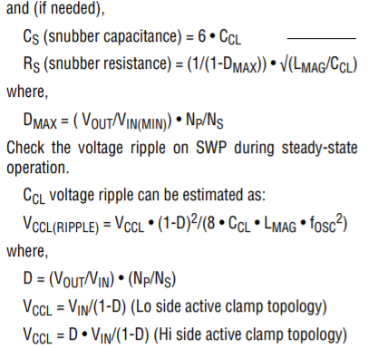
Catch Mosfet and V_Trip
V_DS_Max Catch Mosfet | 229.32 | V | S=2
I_catch_FET | 4.5 | A | aus Spice modell

R_DS_on | 0.0080 | Ohm | 8 | mOhm
V_trip_min | 0.036 | V | 36 | mV | >=66mv | R_sns req.
V_trip | 43.2 | mV
 |  |  |  |  |  | IXFK240N25X3
E_AS | 2000 | mJ
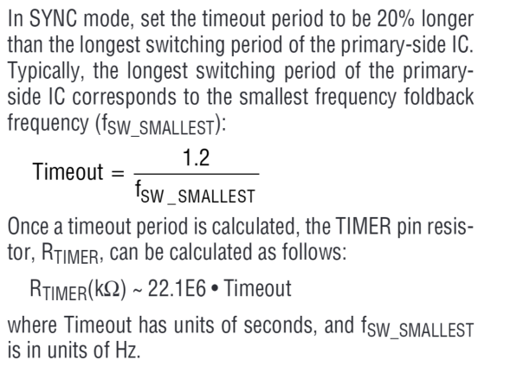
V_BR(DSS) | 300 | V |  |  |  |  |  |  | TO264-3 | RMS Current Sec. | 31.3 | A | @ | V_in | 260V
V_trip_max Mosfet | 2.00 | V | 2001.0253782 | mV |  |  |  |  |  | RMS Current Prim | 2.84 | A |  | I_Out | 39.85 | ARMS
I_catch_FET_max | 250.13 | A | 60 | A | Gewählt |  |  |  |  | Total Power In | 1001 | W |  | Without Leakage Inductance
 |  |  |  |  |  |  |  |  |  | Toral Power Out | 953 | W
R_CSP/R_CSN | 1000 | Ohm | festgelegt |  |  |  |  |  |  | Total Eff. | 95.20 | %
R_sns | 0.0018 | Ohm | 1.77 | mOhm | 1.8 | mOhm | gewählt |  |  | V_Ripp | 0.018 | V

I_DS_max | 35.58 | A
Q_G | 3.45E-07 | C | 345.00 | nC
P_M_catch | 10.4725 | W
 |  |  |  | Arctivc Silver 5
R_t_max | 7.1616 | K/W |  | 0.35 | W/mm^2*K
R_thJC | 0.1000 | K/W |  | 177.2015 | W/K
R_thCS | 0.1500 | K/W |  | 0.0056432930872 | K/W
A-sink | 506.2900 | mm^2
R_thSC | 0.0056 | K/W
R_thCA_max | 6.9060 | K/W

CR101-75 | 4.7 | K/W
T_th_gesamt | 4.9556

Conclusion:
The leakage Inductance ist over 1000 times smaller thatn the magnetizing inductance this would never couse such a difference. Leakage inductance will be ignoreed by setting the K factor to 1
t_max | 101.89775147 | °C
Active Clamp Mosfet
P_I_Mag | 0.34 | A |  |  | STF7N105K5
V_Max | 956.13 |  | equal to primary |  |  |  | TO220-3
I_D_Max_pulsed | 7.60 | A

R_DS_on | 1.50 | Ohm

P_Conduction | 0.17 | W
Safety Factor | 2.00
P_ACM_Max | 0.34 | W

 |  |  |  | Arctivc Silver 5
R_t_max | 218.6702 | K/W |  | 0.35 | W/mm^2*K
R_thJC | 0.6000 | K/W |  | 21.91 | W/K
R_thCS | 62.0000 | K/W | geschätzt | 0.045641259699 | K/W
T_th_gesamt | 62.6000
t_max | 71.4707 | °C

 | L_o (Vmax) > | Total losses
100000 | 11.9 | 15.9
110000 | 10.8 | 16.2
120000 | 9.9 | 16.5
130000 | 9.1 | 16.7
140000 | 8.5 | 17.0
150000 | 7.9 | 17.3
160000 | 7.4 | 17.6
170000 | 7.0 | 17.9
180000 | 6.6 | 18.1
190000 | 6.2 | 18.4
200000 | 5.9 | 18.7
210000 | 5.6 | 19.0
220000 | 5.4 | 19.3
230000 | 5.2 | 19.5
240000 | 4.9 | 19.8
250000 | 4.7 | 20.1
260000 | 4.6 | 20.4
270000 | 4.4 | 20.7
280000 | 4.2 | 20.9
290000 | 4.1 | 21.2
300000 | 4.0 | 21.5
310000 | 3.8 | 21.8
320000 | 3.7 | 22.1
330000 | 3.6 | 22.3
340000 | 3.5 | 22.6
350000 | 3.4 | 22.9
360000 | 3.3 | 23.2
370000 | 3.2 | 23.5
380000 | 3.1 | 23.7
390000 | 3.0 | 24.0
400000 | 3.0 | 24.3
Primary Mosfet
BV_DSS_min | 956.13 | V
I_SD_max | 5.51 | A
R_DS_on | 0.225 | Ohm |  |  | UJ3C120150K3S
Q_G | 3.00E-08 | C | 30 | nC |  |  | TO247-3
Q_GD | 6.00E-09 | C | 6 | nC

P_Conduction | 6.84 | W
P_Gatedriver | 0.03 | W
P_Turn_off | 1.61 | W
P_Turn_on | 0.69 | W
P_M1_max | 9.17 | W

 |  |  |  | Arctivc Silver 5
R_t_max | 8.1813 | K/W |  | 0.35 | W/mm^2*K
R_thJC | 0.9000 | K/W |  | 112.84 | W/K
R_thCS | 1.0000 | K/W | geschätzt | 0.0088621056363 | K/W
A-sink | 322.4000 | mm^2
R_thSC | 0.0089 | K/W
R_thCA_max | 6.2724 | K/W

RA-T2X-38E | 3.9 | K/W
T_th_gesamt | 5.8089 | K/W

t_max | 103.25134859 | °C
Forward Mosfet
V_DS_Max | 67.50 | V | Active clamp Case
V_DS_Max | 30.15 | V | Resonant Case
I_DS_max | 30.29767399 | A
 |  |  |  |  | IPP019N08NF2SAKMA1
R_DS_on | 0.0020 | Ohm | 2.04 | mOhm |  |  | TO220-3
Q_G | 1.24E-07 | C | 124 | nC

P_M_Forward | 2.00 | W

 |  |  |  | Arctivc Silver 5
R_t_max | 37.5636 | K/W |  | 0.35 | W/mm^2*K
R_thJC | 0.6000 | K/W |  | 59.0051 | W/K
R_thCS | 1.0000 | K/W | geschätzt | 0.016947687573 | K/W
A-sink | 168.5860 | mm^2
R_thSC | 0.0169 | K/W
R_thCA_max | 35.9466 | K/W

WA-T220-101E | 12 | K/W
T_th_gesamt | 13.6169 | K/W

t_max | 77.187816447 | °C
Housekeeping Mosfet
Based on refernece design BSP300
I_cont | 190mA | 1,85A
R_ds_on | 15 | 6.25
Type | N_channel | N_Channel
V_DS | 800 | 1000

