Sheet1
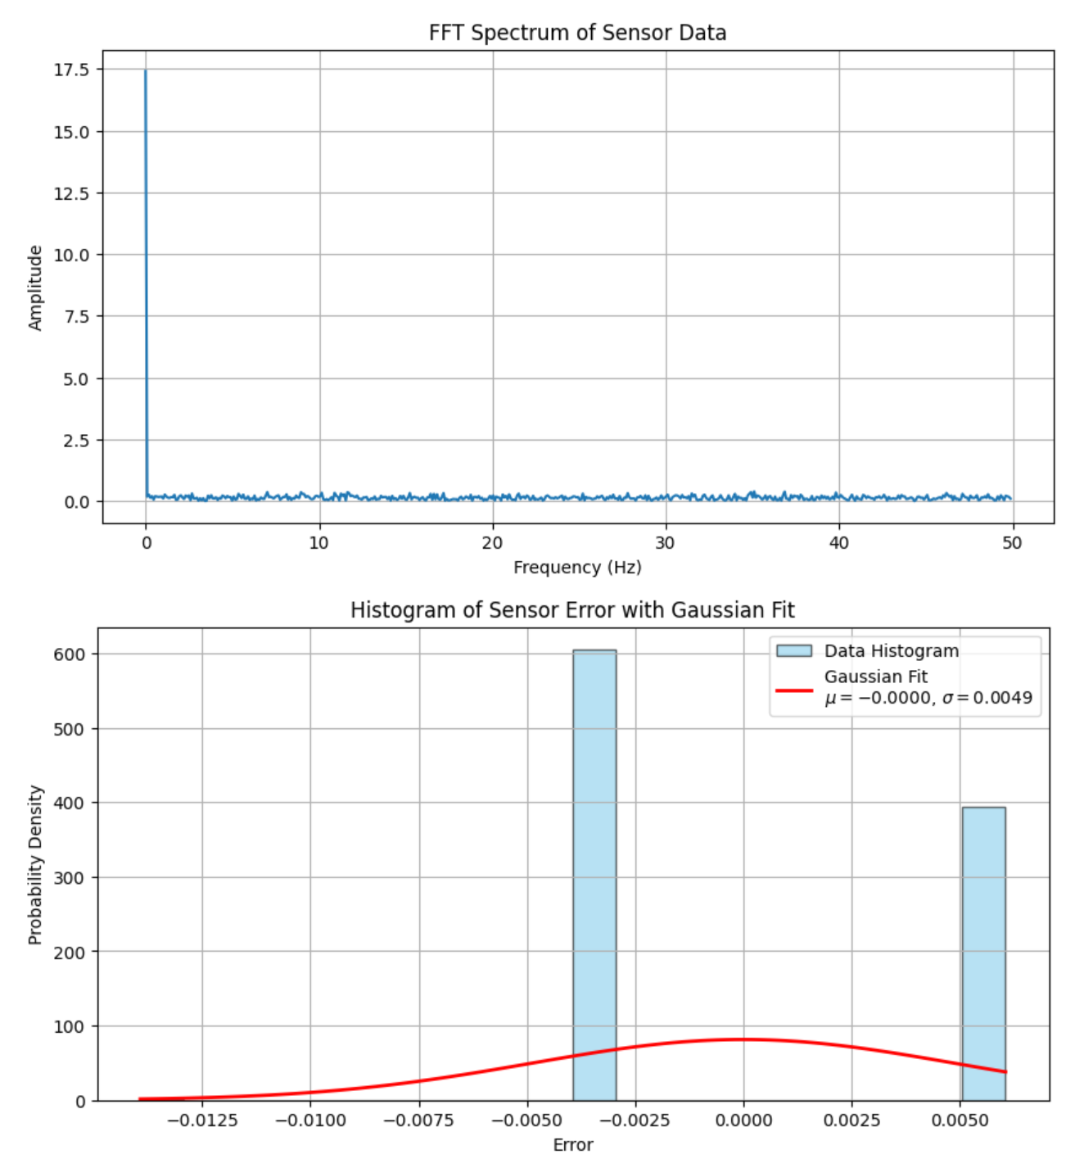
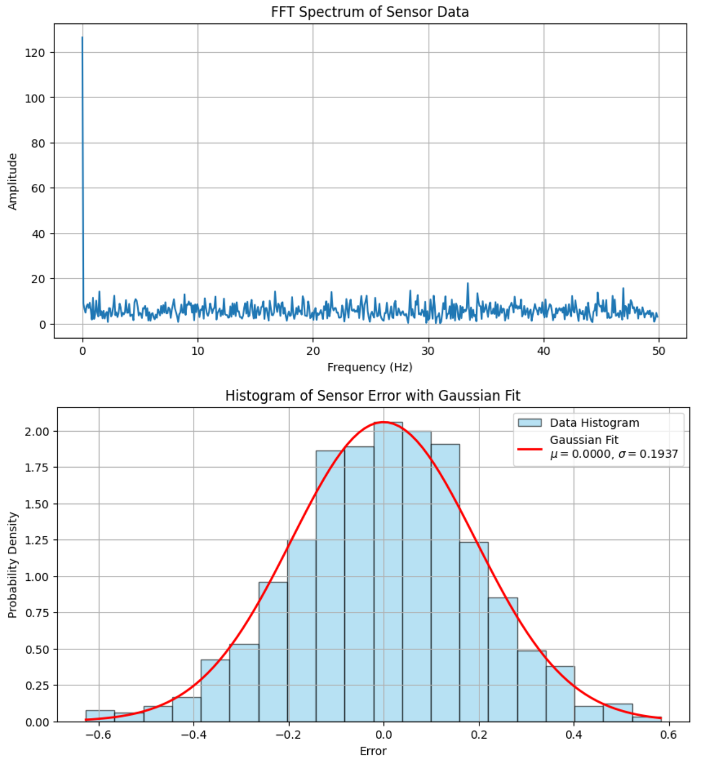
Timestamp | AccelX | AccelY | AccelZ | GyroX | GyroY | GyroZ | Temp
17:45:50.443 | 0.05 | -0.01 | 1.12 | -0.28 | -0.01 | 0.27 | 24.36
17:45:50.454 | 0.05 | -0.01 | 1.13 | -0.13 | 0.54 | -0.34 | 24.46
17:45:50.495 | 0.05 | -0.01 | 1.12 | 0.01 | -0.08 | 0.09 | 24.46
17:45:50.495 | 0.05 | -0.01 | 1.12 | 0 | 0.25 | -0.07 | 24.46
17:45:50.541 | 0.06 | -0.02 | 1.12 | 0.01 | 0.63 | -0.27 | 24.41
17:45:50.541 | 0.05 | -0.01 | 1.12 | 0.21 | -0.28 | -0.4 | 24.32
17:45:50.588 | 0.05 | -0.01 | 1.12 | 0.32 | 0.33 | -0.04 | 24.32
17:45:50.588 | 0.05 | -0.01 | 1.12 | 0.21 | -0.25 | -0.13 | 24.32
17:45:50.633 | 0.05 | -0.02 | 1.13 | 0.45 | -0.05 | 0.3 | 24.32
17:45:50.633 | 0.05 | -0.02 | 1.13 | -0.08 | 0.04 | 0.06 | 24.36
 | GyroX | GyroY | GyroZ
17:45:50.443 | -0.28 | -0.01 | 0.27
17:45:50.454 | -0.13 | 0.54 | -0.34
17:45:50.495 | 0.01 | -0.08 | 0.09
17:45:50.495 | 0 | 0.25 | -0.07
17:45:50.541 | 0.01 | 0.63 | -0.27
17:45:50.541 | 0.21 | -0.28 | -0.4
17:45:50.588 | 0.32 | 0.33 | -0.04
17:45:50.588 | 0.21 | -0.25 | -0.13
17:45:50.633 | 0.45 | -0.05 | 0.3
17:45:50.633 | -0.08 | 0.04 | 0.06
17:45:50.678 | -0.17 | 0.53 | 0.27
17:45:50.678 | 0.18 | -0.15 | 0.01
17:45:50.724 | 0.48 | -0.07 | -0.1
17:45:50.724 | 0.5 | 0.4 | -0.08
17:45:50.769 | 0.19 | -0.21 | 0.13
17:45:50.769 | -0.22 | 0.04 | -0.14
17:45:50.818 | 0.19 | 0.08 | 0.03
17:45:50.818 | 0.22 | 0.47 | 0.03
17:45:50.861 | -0.13 | 0.04 | 0.07
17:45:50.861 | -0.02 | -0.13 | -0.13
17:45:50.906 | 0.29 | -0.15 | -0.1
17:45:50.906 | -0.1 | 0.16 | -0.04
17:45:50.951 | 0.09 | 0.13 | 0.22
17:45:50.951 | -0.25 | 0.07 | 0.27
17:45:50.996 | 0.56 | -0.07 | -0.23
17:45:50.996 | -0.08 | 0.34 | 0.41
17:45:51.042 | 0.07 | 0.39 | 0.04
17:45:51.042 | -0.23 | -0.01 | 0.3
17:45:51.042 | -0.48 | -0.05 | 0.3
17:45:51.088 | 0.04 | 0.16 | 0.18
17:45:51.088 | 0.27 | 0.02 | -0.19
17:45:51.133 | 0.12 | -0.31 | 0.13
17:45:51.133 | 0.04 | 0.47 | -0.2
17:45:51.179 | 0.53 | 0.07 | 0.22
17:45:51.179 | 0 | -0.07 | 0.15
17:45:51.225 | 0.22 | 0.22 | 0.24
17:45:51.225 | 0.19 | 0.02 | -0.14
17:45:51.271 | -0.14 | 0.5 | -0.16
17:45:51.271 | -0.1 | -0.07 | 0.22
17:45:51.318 | 0.25 | 0.42 | -0.1
17:45:51.318 | 0.18 | -0.02 | 0.22
17:45:51.364 | 0.12 | -0.11 | 0.24
17:45:51.364 | 0.24 | -0.02 | -0.02
17:45:51.409 | 0.22 | -0.01 | -0.25
17:45:51.409 | -0.34 | 0.08 | 0.21
17:45:51.455 | 0 | 0.24 | -0.16
17:45:51.455 | 0.06 | -0.04 | 0.03
17:45:51.500 | -0.02 | 0.08 | -0.22
17:45:51.500 | 0.33 | 0.05 | -0.04
17:45:51.545 | 0.19 | -0.24 | 0.06
...
17:45:50.678 | 0.05 | -0.01 | 1.13 | -0.17 | 0.53 | 0.27 | 24.36
17:45:50.678 | 0.05 | -0.02 | 1.13 | 0.18 | -0.15 | 0.01 | 24.36
17:45:50.724 | 0.06 | -0.01 | 1.13 | 0.48 | -0.07 | -0.1 | 24.36
17:45:50.724 | 0.06 | -0.01 | 1.12 | 0.5 | 0.4 | -0.08 | 24.41
17:45:50.769 | 0.05 | -0.01 | 1.13 | 0.19 | -0.21 | 0.13 | 24.32
17:45:50.769 | 0.05 | -0.01 | 1.14 | -0.22 | 0.04 | -0.14 | 24.41
17:45:50.818 | 0.05 | -0.02 | 1.13 | 0.19 | 0.08 | 0.03 | 24.32
17:45:50.818 | 0.05 | -0.02 | 1.13 | 0.22 | 0.47 | 0.03 | 24.41
17:45:50.861 | 0.05 | -0.02 | 1.12 | -0.13 | 0.04 | 0.07 | 24.36
17:45:50.861 | 0.05 | -0.02 | 1.12 | -0.02 | -0.13 | -0.13 | 24.36
17:45:50.906 | 0.06 | -0.02 | 1.13 | 0.29 | -0.15 | -0.1 | 24.46
17:45:50.906 | 0.05 | -0.01 | 1.12 | -0.1 | 0.16 | -0.04 | 24.36
17:45:50.951 | 0.05 | -0.02 | 1.13 | 0.09 | 0.13 | 0.22 | 24.36
17:45:50.951 | 0.05 | -0.01 | 1.13 | -0.25 | 0.07 | 0.27 | 24.27
17:45:50.996 | 0.06 | -0.01 | 1.12 | 0.56 | -0.07 | -0.23 | 24.41
17:45:50.996 | 0.05 | -0.02 | 1.13 | -0.08 | 0.34 | 0.41 | 24.32
17:45:51.042 | 0.05 | -0.01 | 1.12 | 0.07 | 0.39 | 0.04 | 24.32
17:45:51.042 | 0.05 | -0.01 | 1.12 | -0.23 | -0.01 | 0.3 | 24.46
17:45:51.042 | 0.06 | -0.01 | 1.12 | -0.48 | -0.05 | 0.3 | 24.36
17:45:51.088 | 0.05 | -0.02 | 1.13 | 0.04 | 0.16 | 0.18 | 24.36
17:45:51.088 | 0.05 | -0.02 | 1.12 | 0.27 | 0.02 | -0.19 | 24.36
17:45:51.133 | 0.05 | -0.02 | 1.12 | 0.12 | -0.31 | 0.13 | 24.36
17:45:51.133 | 0.06 | -0.02 | 1.13 | 0.04 | 0.47 | -0.2 | 24.41
17:45:51.179 | 0.05 | -0.01 | 1.12 | 0.53 | 0.07 | 0.22 | 24.32
17:45:51.179 | 0.06 | -0.02 | 1.12 | 0 | -0.07 | 0.15 | 24.41
17:45:51.225 | 0.05 | -0.01 | 1.13 | 0.22 | 0.22 | 0.24 | 24.41
17:45:51.225 | 0.05 | -0.02 | 1.13 | 0.19 | 0.02 | -0.14 | 24.41
17:45:51.271 | 0.05 | -0.02 | 1.13 | -0.14 | 0.5 | -0.16 | 24.36
17:45:51.271 | 0.06 | -0.01 | 1.12 | -0.1 | -0.07 | 0.22 | 24.46
17:45:51.318 | 0.06 | -0.02 | 1.13 | 0.25 | 0.42 | -0.1 | 24.36
17:45:51.318 | 0.05 | -0.02 | 1.12 | 0.18 | -0.02 | 0.22 | 24.36
17:45:51.364 | 0.05 | -0.02 | 1.12 | 0.12 | -0.11 | 0.24 | 24.32
17:45:51.364 | 0.06 | -0.02 | 1.13 | 0.24 | -0.02 | -0.02 | 24.41
17:45:51.409 | 0.05 | -0.02 | 1.13 | 0.22 | -0.01 | -0.25 | 24.32
17:45:51.409 | 0.05 | -0.02 | 1.12 | -0.34 | 0.08 | 0.21 | 24.41
17:45:51.455 | 0.06 | -0.02 | 1.13 | 0 | 0.24 | -0.16 | 24.41
17:45:51.455 | 0.05 | -0.02 | 1.12 | 0.06 | -0.04 | 0.03 | 24.27
17:45:51.500 | 0.05 | -0.01 | 1.11 | -0.02 | 0.08 | -0.22 | 24.36
17:45:51.500 | 0.05 | -0.02 | 1.12 | 0.33 | 0.05 | -0.04 | 24.46
17:45:51.545 | 0.05 | -0.02 | 1.12 | 0.19 | -0.24 | 0.06 | 24.36
17:45:51.545 | 0.05 | -0.02 | 1.12 | 0.07 | -0.28 | -0.2 | 24.46
17:45:51.591 | 0.05 | -0.02 | 1.12 | 0.04 | 0.1 | 0.04 | 24.32
17:45:51.591 | 0.05 | -0.02 | 1.12 | 0.24 | -0.11 | -0.22 | 24.41
17:45:51.591 | 0.05 | -0.01 | 1.12 | -0.16 | -0.04 | 0.06 | 24.41
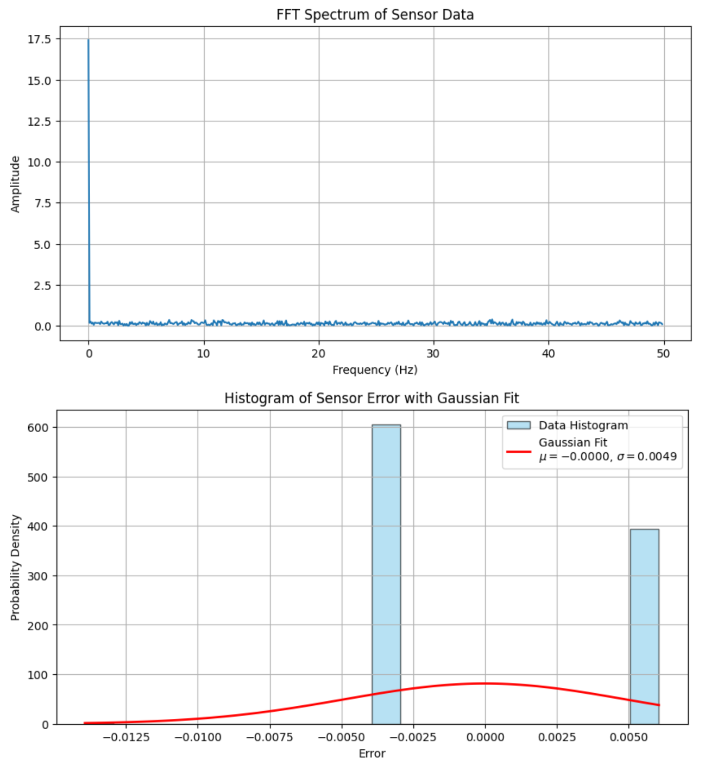
17:45:51.636 | 0.05 | -0.02 | 1.12 | 0.19 | 0.39 | -0.01 | 24.32
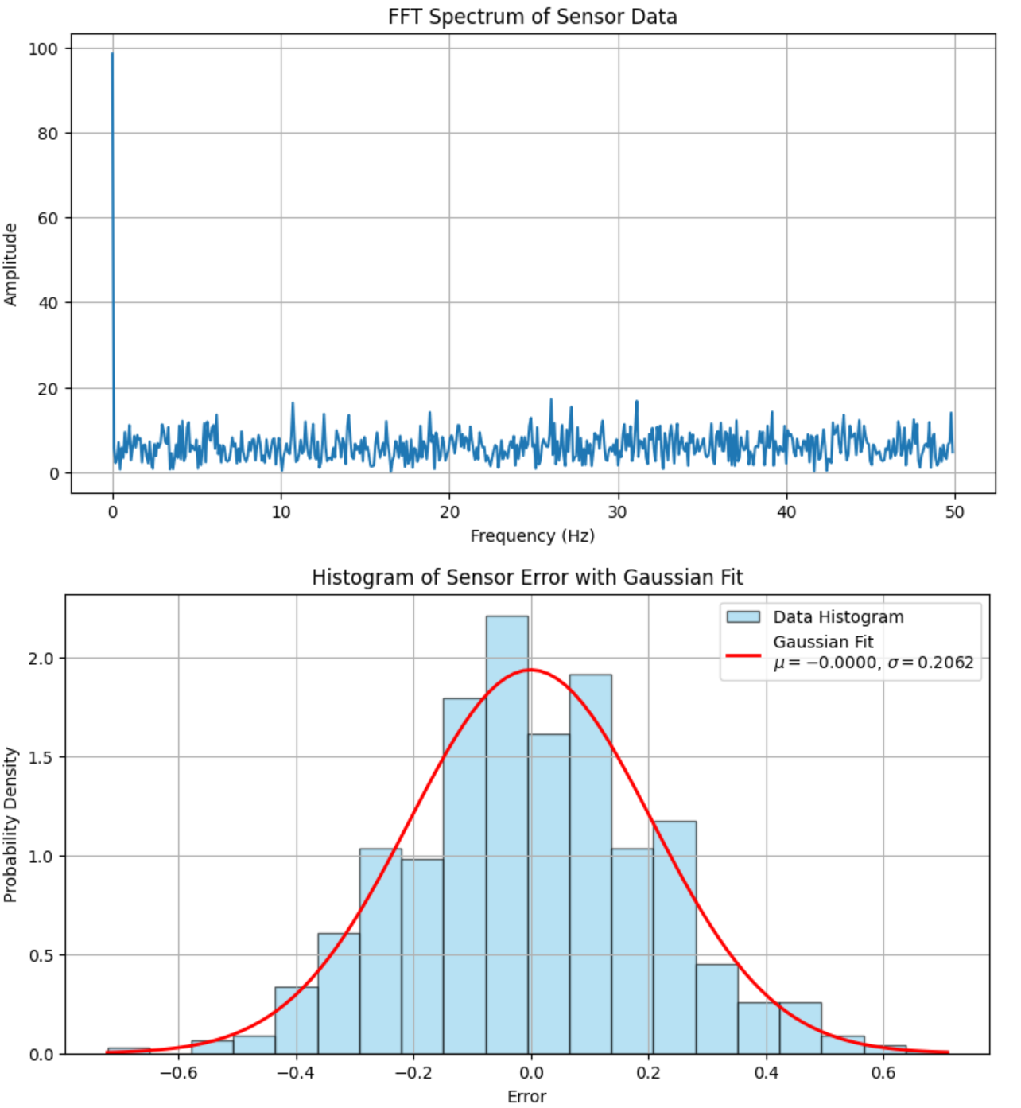
17:45:51.636 | 0.06 | -0.01 | 1.13 | -0.02 | 0.31 | 0.24 | 24.36
17:45:51.682 | 0.06 | -0.01 | 1.12 | 0.1 | -0.07 | 0.06 | 24.36
17:45:51.682 | 0.05 | -0.01 | 1.12 | -0.04 | -0.28 | 0.15 | 24.36
17:45:51.727 | 0.06 | -0.01 | 1.12 | -0.17 | 0.22 | 0.3 | 24.46
17:45:51.727 | 0.06 | -0.01 | 1.13 | -0.02 | 0.4 | -0.04 | 24.36
17:45:51.773 | 0.05 | -0.01 | 1.12 | 0.47 | -0.07 | 0.19 | 24.36
17:45:51.773 | 0.06 | -0.01 | 1.13 | 0.29 | -0.08 | 0.07 | 24.46
17:45:51.818 | 0.05 | -0.01 | 1.13 | -0.08 | -0.08 | 0.1 | 24.32
17:45:51.818 | 0.05 | -0.01 | 1.12 | 0.09 | 0.25 | -0.14 | 24.41
17:45:51.864 | 0.06 | -0.02 | 1.12 | -0.08 | 0.1 | 0.27 | 24.36
17:45:51.864 | 0.05 | -0.02 | 1.12 | 0.18 | 0.08 | -0.07 | 24.46
17:45:51.909 | 0.05 | -0.01 | 1.13 | 0.18 | -0.04 | 0.04 | 24.27
17:45:51.909 | 0.05 | -0.01 | 1.12 | -0.19 | 0.1 | 0.3 | 24.46
17:45:51.954 | 0.06 | -0.02 | 1.13 | 0.22 | 0.57 | -0.28 | 24.36
17:45:51.954 | 0.05 | -0.02 | 1.13 | 0.03 | 0.14 | -0.02 | 24.41
17:45:52.000 | 0.05 | -0.01 | 1.13 | 0.45 | 0.39 | 0.07 | 24.41
17:45:52.000 | 0.05 | -0.02 | 1.12 | 0.53 | 0.21 | 0.15 | 24.32
17:45:52.045 | 0.05 | -0.02 | 1.12 | 0.1 | 0.07 | 0.22 | 24.32
17:45:52.045 | 0.05 | -0.01 | 1.13 | 0.19 | 0.65 | -0.04 | 24.41
 | AccelX | AccelY | AccelZ
17:45:50.443 | 0.05 | -0.01 | 1.12
17:45:50.454 | 0.05 | -0.01 | 1.13
17:45:50.495 | 0.05 | -0.01 | 1.12
17:45:50.495 | 0.05 | -0.01 | 1.12
17:45:50.541 | 0.06 | -0.02 | 1.12
17:45:50.541 | 0.05 | -0.01 | 1.12
17:45:50.588 | 0.05 | -0.01 | 1.12
17:45:50.588 | 0.05 | -0.01 | 1.12
17:45:50.633 | 0.05 | -0.02 | 1.13
17:45:50.633 | 0.05 | -0.02 | 1.13
17:45:50.678 | 0.05 | -0.01 | 1.13
17:45:50.678 | 0.05 | -0.02 | 1.13
17:45:50.724 | 0.06 | -0.01 | 1.13
17:45:50.724 | 0.06 | -0.01 | 1.12
17:45:50.769 | 0.05 | -0.01 | 1.13
17:45:50.769 | 0.05 | -0.01 | 1.14
17:45:50.818 | 0.05 | -0.02 | 1.13
17:45:50.818 | 0.05 | -0.02 | 1.13
17:45:50.861 | 0.05 | -0.02 | 1.12
17:45:50.861 | 0.05 | -0.02 | 1.12
17:45:50.906 | 0.06 | -0.02 | 1.13
17:45:50.906 | 0.05 | -0.01 | 1.12
17:45:50.951 | 0.05 | -0.02 | 1.13
17:45:50.951 | 0.05 | -0.01 | 1.13
17:45:50.996 | 0.06 | -0.01 | 1.12
17:45:50.996 | 0.05 | -0.02 | 1.13
17:45:51.042 | 0.05 | -0.01 | 1.12
17:45:51.042 | 0.05 | -0.01 | 1.12
17:45:51.042 | 0.06 | -0.01 | 1.12
17:45:51.088 | 0.05 | -0.02 | 1.13
17:45:51.088 | 0.05 | -0.02 | 1.12
17:45:51.133 | 0.05 | -0.02 | 1.12
17:45:51.133 | 0.06 | -0.02 | 1.13
17:45:51.179 | 0.05 | -0.01 | 1.12
17:45:51.179 | 0.06 | -0.02 | 1.12
17:45:51.225 | 0.05 | -0.01 | 1.13
17:45:51.225 | 0.05 | -0.02 | 1.13
17:45:51.271 | 0.05 | -0.02 | 1.13
17:45:51.271 | 0.06 | -0.01 | 1.12
17:45:51.318 | 0.06 | -0.02 | 1.13
17:45:51.318 | 0.05 | -0.02 | 1.12
17:45:51.364 | 0.05 | -0.02 | 1.12
17:45:51.364 | 0.06 | -0.02 | 1.13
17:45:51.409 | 0.05 | -0.02 | 1.13
17:45:51.409 | 0.05 | -0.02 | 1.12
17:45:51.455 | 0.06 | -0.02 | 1.13
17:45:51.455 | 0.05 | -0.02 | 1.12
17:45:51.500 | 0.05 | -0.01 | 1.11
17:45:51.500 | 0.05 | -0.02 | 1.12
17:45:51.545 | 0.05 | -0.02 | 1.12
...
17:45:52.090 | 0.04 | -0.02 | 1.12 | 0.3 | 0.11 | 0.07 | 24.46
17:45:52.090 | 0.05 | -0.01 | 1.13 | 0.22 | 0.24 | 0.07 | 24.36
17:45:52.135 | 0.05 | -0.02 | 1.12 | -0.13 | -0.01 | -0.01 | 24.27
17:45:52.135 | 0.05 | -0.02 | 1.12 | 0.25 | 0.02 | -0.04 | 24.46
17:45:52.180 | 0.05 | -0.01 | 1.12 | 0.29 | 0.21 | 0.04 | 24.51
17:45:52.180 | 0.06 | -0.02 | 1.12 | 0.16 | -0.21 | -0.02 | 24.41
17:45:52.226 | 0.06 | -0.02 | 1.12 | 0.32 | 0.11 | 0.57 | 24.41
17:45:52.226 | 0.05 | -0.01 | 1.12 | 0.44 | 0.11 | -0.08 | 24.32
17:45:52.271 | 0.05 | -0.02 | 1.12 | -0.08 | 0.13 | -0.2 | 24.41
17:45:52.271 | 0.05 | -0.01 | 1.12 | 0.24 | 0.05 | 0.01 | 24.36
17:45:52.315 | 0.05 | -0.02 | 1.12 | 0.16 | 0.05 | 0.22 | 24.36
17:45:52.315 | 0.05 | -0.02 | 1.12 | 0.04 | -0.28 | -0.17 | 24.46
17:45:52.362 | 0.04 | -0.02 | 1.12 | 0.25 | -0.04 | 0.21 | 24.46
17:45:52.362 | 0.05 | -0.02 | 1.13 | 0.54 | -0.07 | 0.16 | 24.36
17:45:52.362 | 0.05 | -0.02 | 1.13 | 0.29 | 0.16 | 0.07 | 24.41
17:45:52.407 | 0.05 | -0.01 | 1.12 | -0.04 | -0.28 | 0.25 | 24.41
17:45:52.407 | 0.05 | -0.02 | 1.13 | 0.68 | 0.13 | 0.24 | 24.32
17:45:52.453 | 0.05 | -0.02 | 1.12 | 0.51 | 0.13 | 0.13 | 24.41
17:45:52.453 | 0.05 | -0.01 | 1.13 | -0.04 | 0.05 | -0.08 | 24.36
17:45:52.499 | 0.05 | -0.01 | 1.12 | 0.13 | 0.27 | -0.01 | 24.36
17:45:52.499 | 0.05 | -0.02 | 1.13 | 0.25 | -0.05 | 0.04 | 24.36
17:45:52.543 | 0.05 | -0.02 | 1.12 | 0.61 | 0.42 | -0.19 | 24.36
17:45:52.543 | 0.05 | -0.01 | 1.13 | 0.12 | 0.16 | -0.22 | 24.36
17:45:52.589 | 0.05 | -0.02 | 1.12 | -0.1 | 0.36 | -0.1 | 24.46
17:45:52.589 | 0.05 | -0.01 | 1.13 | 0.45 | 0.02 | -0.04 | 24.46
17:45:52.635 | 0.05 | -0.01 | 1.12 | 0.09 | 0.22 | -0.33 | 24.41
17:45:52.635 | 0.06 | -0.02 | 1.13 | 0.35 | -0.13 | 0.25 | 24.41
17:45:52.680 | 0.05 | -0.01 | 1.13 | -0.02 | 0.11 | 0.01 | 24.41
17:45:52.680 | 0.05 | -0.01 | 1.12 | 0.12 | 0.04 | 0.04 | 24.46
17:45:52.724 | 0.05 | -0.01 | 1.12 | -0.07 | 0.02 | 0.01 | 24.36
17:45:52.724 | 0.06 | -0.02 | 1.12 | 0.3 | 0.42 | 0.07 | 24.36
17:45:52.770 | 0.05 | -0.01 | 1.12 | 0.04 | 0.01 | -0.11 | 24.46
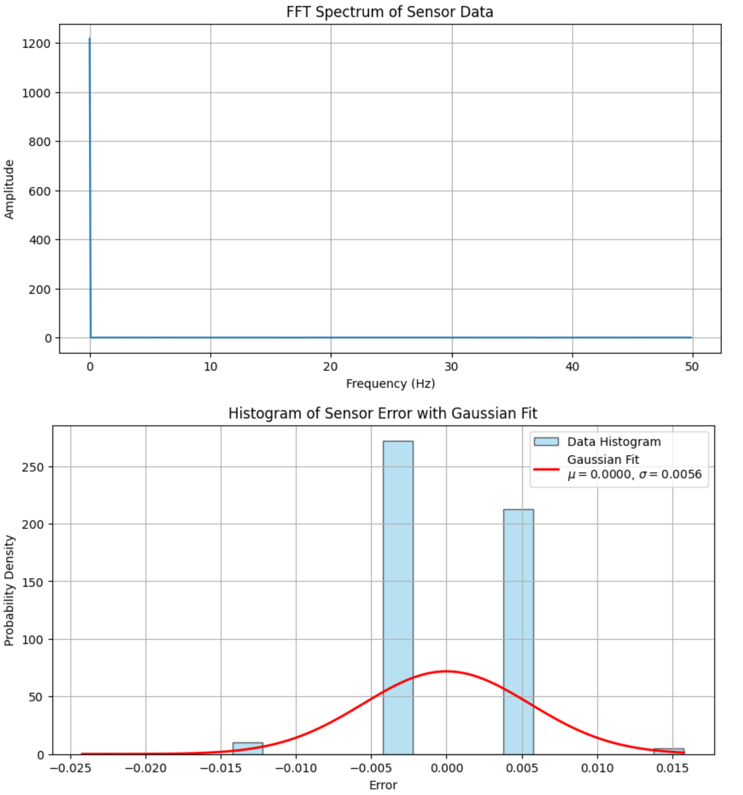
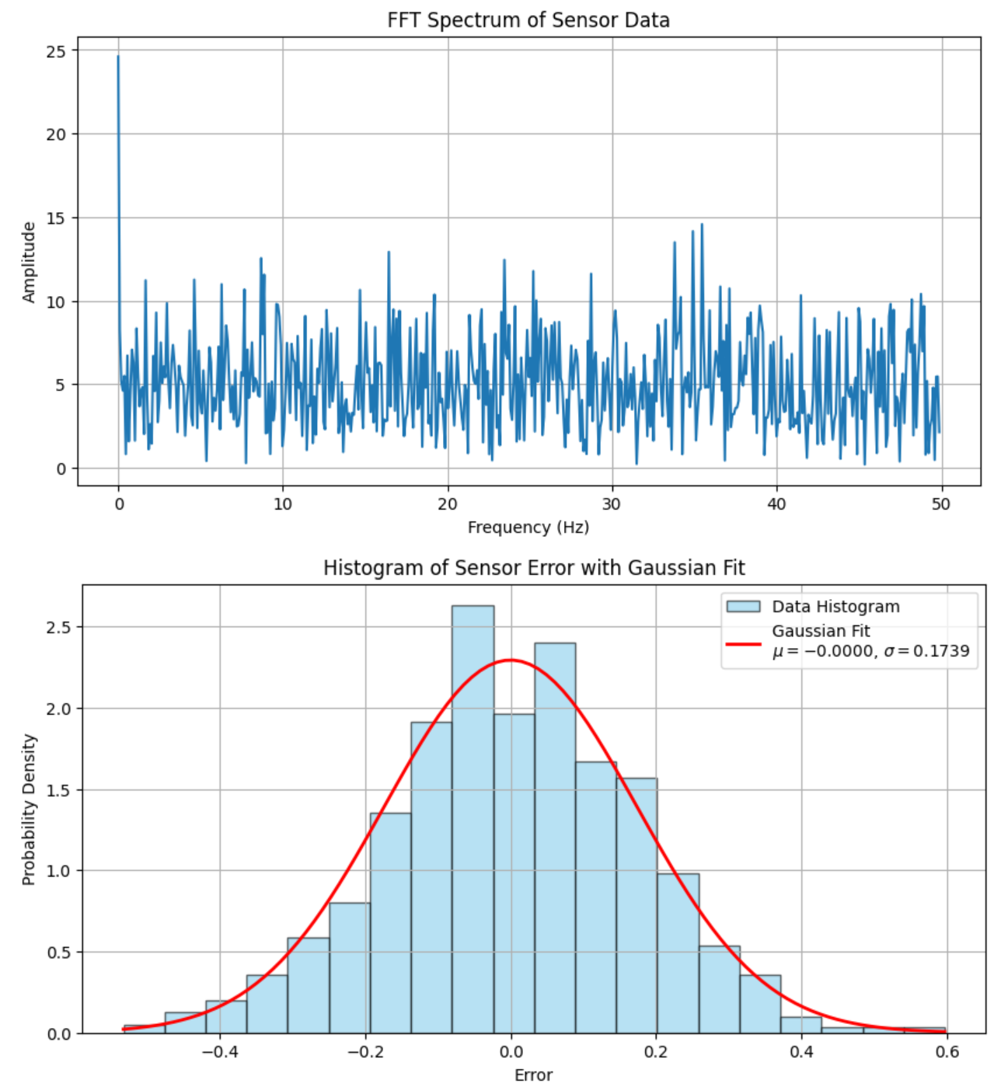
17:45:52.770 | 0.06 | -0.02 | 1.12 | -0.17 | 0.14 | -0.37 | 24.41
17:45:52.815 | 0.06 | -0.01 | 1.13 | 0.01 | 0.04 | 0.03 | 24.41
17:45:52.815 | 0.05 | -0.01 | 1.12 | 0.01 | -0.1 | 0.07 | 24.32
17:45:52.860 | 0.05 | -0.02 | 1.13 | -0.02 | -0.01 | -0.05 | 24.41
17:45:52.860 | 0.05 | -0.02 | 1.12 | -0.07 | 0.08 | 0.39 | 24.32
17:45:52.905 | 0.05 | -0.01 | 1.12 | 0.51 | 0.14 | -0.11 | 24.46
17:45:52.905 | 0.05 | -0.02 | 1.12 | 0.32 | 0.04 | 0.41 | 24.46
17:45:52.950 | 0.06 | -0.01 | 1.13 | 0.04 | 0.27 | 0.27 | 24.46
17:45:52.950 | 0.05 | -0.02 | 1.13 | 0.06 | -0.16 | -0.14 | 24.36
17:45:52.995 | 0.05 | -0.02 | 1.12 | 0.25 | -0.16 | 0.16 | 24.41
17:45:52.995 | 0.05 | -0.02 | 1.13 | 0.07 | 0.13 | -0.07 | 24.41
17:45:53.040 | 0.05 | -0.02 | 1.12 | 0.36 | -0.31 | 0.21 | 24.41
17:45:53.040 | 0.05 | -0.01 | 1.12 | 0.27 | -0.16 | -0.33 | 24.41
17:45:53.086 | 0.05 | -0.02 | 1.13 | 0.41 | -0.24 | -0.05 | 24.41
17:45:53.086 | 0.05 | -0.02 | 1.13 | 0 | -0.19 | -0.04 | 24.36
17:45:53.130 | 0.05 | -0.01 | 1.12 | -0.08 | 0.27 | 0.35 | 24.36
17:45:53.130 | 0.06 | -0.02 | 1.12 | 0.12 | 0.27 | -0.33 | 24.46
17:45:53.130 | 0.05 | -0.02 | 1.13 | 0.13 | -0.15 | -0.02 | 24.46
17:45:53.176 | 0.06 | -0.02 | 1.13 | 0.35 | 0.19 | -0.05 | 24.46
17:45:53.176 | 0.05 | -0.02 | 1.12 | 0.07 | -0.37 | 0.03 | 24.41
17:45:53.222 | 0.06 | -0.02 | 1.13 | 0.24 | -0.3 | -0.05 | 24.41
17:45:53.222 | 0.05 | -0.01 | 1.13 | 0.18 | 0.28 | -0.27 | 24.41
17:45:53.266 | 0.05 | -0.02 | 1.12 | 0.03 | 0.05 | 0.24 | 24.41
17:45:53.266 | 0.05 | -0.01 | 1.12 | 0.21 | -0.08 | -0.2 | 24.36
17:45:53.312 | 0.05 | -0.01 | 1.13 | 0.22 | 0.11 | -0.51 | 24.46
17:45:53.312 | 0.05 | -0.02 | 1.13 | 0.12 | 0.63 | 0.22 | 24.36
17:45:53.358 | 0.05 | -0.02 | 1.13 | 0.15 | 0.57 | 0.35 | 24.46
17:45:53.358 | 0.05 | -0.01 | 1.12 | 0.35 | -0.02 | -0.08 | 24.46
17:45:53.403 | 0.05 | -0.02 | 1.13 | -0.46 | 0.08 | 0.19 | 24.46
17:45:53.403 | 0.04 | -0.01 | 1.12 | 0.41 | 0.04 | -0.17 | 24.36
17:45:53.448 | 0.05 | -0.01 | 1.13 | 0.16 | 0.18 | 0.01 | 24.41
17:45:53.448 | 0.05 | -0.02 | 1.13 | 0.24 | -0.02 | -0.05 | 24.41
17:45:53.493 | 0.05 | -0.02 | 1.13 | 0.09 | 0.53 | 0.06 | 24.41
17:45:53.493 | 0.05 | -0.02 | 1.12 | -0.11 | -0.05 | -0.04 | 24.46
17:45:53.539 | 0.05 | -0.01 | 1.12 | 0.19 | -0.15 | 0.45 | 24.36
17:45:53.539 | 0.06 | -0.02 | 1.12 | -0.02 | 0.4 | -0.33 | 24.46
17:45:53.584 | 0.05 | -0.01 | 1.13 | 0.22 | 0.16 | -0.01 | 24.36
17:45:53.584 | 0.06 | -0.02 | 1.13 | 0.03 | 0.18 | 0.54 | 24.51
17:45:53.630 | 0.06 | -0.01 | 1.13 | 0.25 | 0.04 | 0.32 | 24.51
17:45:53.630 | 0.05 | -0.02 | 1.12 | -0.1 | -0.34 | 0.12 | 24.41
17:45:53.675 | 0.05 | -0.01 | 1.12 | 0.19 | 0.22 | 0.3 | 24.51
17:45:53.675 | 0.05 | -0.01 | 1.12 | 0.12 | 0.01 | 0.06 | 24.41
17:45:53.720 | 0.05 | -0.02 | 1.13 | 0.16 | -0.01 | 0.35 | 24.36
17:45:53.720 | 0.06 | -0.02 | 1.11 | 0.1 | 0.31 | 0.15 | 24.36
17:45:53.764 | 0.05 | -0.01 | 1.13 | 0.48 | 0.08 | 0.16 | 24.46
17:45:53.764 | 0.05 | -0.02 | 1.12 | 0.41 | 0.16 | 0.01 | 24.36
17:45:53.810 | 0.05 | -0.02 | 1.12 | -0.13 | 0.45 | -0.36 | 24.46
17:45:53.810 | 0.05 | -0.01 | 1.12 | 0.03 | 0.07 | 0.06 | 24.41
17:45:53.856 | 0.05 | -0.02 | 1.13 | 0.04 | 0.11 | 0.36 | 24.51
17:45:53.856 | 0.06 | -0.01 | 1.12 | 0.09 | -0.02 | 0.01 | 24.41
17:45:53.901 | 0.05 | -0.01 | 1.12 | 0.15 | -0.21 | 0.24 | 24.32
17:45:53.901 | 0.05 | -0.02 | 1.12 | 0.01 | 0.05 | -0.02 | 24.36
17:45:53.901 | 0.06 | -0.01 | 1.12 | 0.13 | -0.04 | 0.03 | 24.36
17:45:53.946 | 0.05 | -0.02 | 1.12 | 0.15 | 0.1 | -0.04 | 24.46
17:45:53.946 | 0.05 | -0.02 | 1.13 | 0.41 | -0.16 | -0.19 | 24.46
17:45:53.992 | 0.05 | -0.01 | 1.12 | 0.16 | 0.11 | 0.09 | 24.36
17:45:53.992 | 0.05 | -0.02 | 1.13 | 0.22 | 0.02 | -0.02 | 24.41
17:45:54.037 | 0.05 | -0.02 | 1.13 | 0.3 | 0.08 | 0.06 | 24.41
17:45:54.037 | 0.05 | -0.01 | 1.12 | 0.41 | -0.3 | 0.22 | 24.41
17:45:54.082 | 0.06 | -0.01 | 1.13 | 0.03 | 0.11 | 0.12 | 24.51
17:45:54.082 | 0.05 | -0.02 | 1.12 | 0.06 | 0.54 | 0.03 | 24.36
17:45:54.128 | 0.04 | -0.01 | 1.12 | -0.08 | -0.19 | 0.07 | 24.36
17:45:54.128 | 0.05 | -0.02 | 1.13 | -0.13 | 0.27 | -0.11 | 24.36
17:45:54.173 | 0.05 | -0.01 | 1.13 | 0.03 | -0.13 | -0.05 | 24.36
17:45:54.173 | 0.05 | -0.01 | 1.12 | 0.58 | -0.02 | 0.03 | 24.46
17:45:54.219 | 0.06 | -0.01 | 1.13 | -0.14 | -0.36 | 0.06 | 24.46
17:45:54.219 | 0.06 | -0.01 | 1.13 | 0.03 | 0.18 | 0.01 | 24.46
17:45:54.265 | 0.06 | -0.01 | 1.1 | 0.36 | 0.11 | 0.06 | 24.41
17:45:54.265 | 0.05 | -0.02 | 1.11 | 0.39 | 0.21 | 0.25 | 24.41
17:45:54.309 | 0.05 | -0.02 | 1.12 | 0.13 | 0.1 | 0.07 | 24.41
17:45:54.309 | 0.05 | -0.01 | 1.13 | 0.13 | 0.36 | -0.11 | 24.36
17:45:54.355 | 0.05 | -0.02 | 1.12 | 0.48 | -0.04 | -0.02 | 24.46
17:45:54.355 | 0.05 | -0.01 | 1.13 | 0.48 | -0.13 | -0.04 | 24.46
17:45:54.400 | 0.05 | -0.01 | 1.13 | -0.26 | -0.16 | -0.04 | 24.36
17:45:54.400 | 0.05 | -0.02 | 1.13 | 0.45 | 0.39 | 0.24 | 24.41
17:45:54.445 | 0.06 | -0.01 | 1.13 | -0.51 | 0.01 | 0.27 | 24.32
17:45:54.445 | 0.06 | -0.02 | 1.13 | 0.24 | -0.04 | -0.2 | 24.32
17:45:54.490 | 0.05 | -0.01 | 1.13 | 0.06 | -0.19 | 0.13 | 24.41
17:45:54.490 | 0.05 | -0.02 | 1.12 | 0.33 | 0.14 | 0.13 | 24.32
17:45:54.537 | 0.05 | -0.01 | 1.11 | 0.12 | 0.04 | 0.19 | 24.36
17:45:54.537 | 0.05 | -0.02 | 1.13 | 0.3 | 0.08 | -0.04 | 24.46
17:45:54.581 | 0.05 | -0.02 | 1.12 | 0.07 | -0.02 | 0.04 | 24.36
17:45:54.581 | 0.05 | -0.02 | 1.12 | 0.16 | -0.08 | -0.42 | 24.27
17:45:54.626 | 0.05 | -0.01 | 1.12 | 0.18 | 0.1 | 0.03 | 24.46
17:45:54.626 | 0.06 | -0.01 | 1.13 | -0.43 | 0.1 | 0.01 | 24.32
17:45:54.671 | 0.06 | -0.02 | 1.12 | 0.5 | 0.13 | 0.06 | 24.41
17:45:54.671 | 0.05 | -0.01 | 1.12 | -0.19 | -0.15 | 0.36 | 24.32
17:45:54.671 | 0.05 | -0.01 | 1.12 | 0.33 | 0.28 | 0.27 | 24.41
17:45:54.717 | 0.05 | -0.02 | 1.12 | -0.2 | -0.1 | -0.14 | 24.46
17:45:54.717 | 0.05 | -0.02 | 1.13 | 0.3 | 0.13 | 0.13 | 24.36
17:45:54.762 | 0.05 | -0.02 | 1.12 | 0.09 | 0.16 | -0.1 | 24.36
17:45:54.762 | 0.06 | -0.02 | 1.13 | 0.19 | 0.33 | 0.09 | 24.36
17:45:54.807 | 0.05 | -0.02 | 1.13 | 0.21 | 0.48 | 0.09 | 24.27
17:45:54.807 | 0.05 | -0.02 | 1.12 | -0.2 | -0.1 | -0.36 | 24.51
17:45:54.853 | 0.05 | -0.02 | 1.12 | 0.01 | 0.04 | -0.19 | 24.41
17:45:54.853 | 0.05 | -0.02 | 1.12 | 0.21 | 0.3 | -0.04 | 24.41
17:45:54.899 | 0.05 | -0.02 | 1.12 | 0.5 | 0.18 | 0.28 | 24.41
17:45:54.899 | 0.05 | -0.02 | 1.12 | 0.44 | 0.22 | -0.01 | 24.32
17:45:54.944 | 0.05 | -0.02 | 1.12 | 0.09 | 0.13 | 0.45 | 24.36
17:45:54.944 | 0.05 | -0.02 | 1.12 | -0.02 | -0.02 | 0.06 | 24.46
17:45:54.989 | 0.05 | -0.01 | 1.13 | 0.48 | 0.14 | 0.16 | 24.36
17:45:54.989 | 0.06 | -0.02 | 1.13 | 0.39 | -0.22 | 0.1 | 24.46
17:45:55.034 | 0.05 | -0.02 | 1.12 | -0.07 | 0.08 | -0.01 | 24.46
17:45:55.034 | 0.06 | -0.02 | 1.12 | -0.17 | 0.04 | -0.05 | 24.36
17:45:55.080 | 0.06 | -0.01 | 1.12 | -0.28 | -0.15 | 0.01 | 24.32
17:45:55.080 | 0.06 | -0.01 | 1.13 | 0.09 | -0.08 | -0.05 | 24.41
17:45:55.126 | 0.05 | -0.01 | 1.13 | -0.23 | 0.16 | -0.14 | 24.32
17:45:55.126 | 0.05 | -0.02 | 1.13 | 0.07 | 0.33 | 0.06 | 24.36
17:45:55.172 | 0.05 | -0.01 | 1.13 | 0.15 | -0.02 | -0.04 | 24.36
17:45:55.172 | 0.06 | -0.02 | 1.12 | 0.51 | -0.05 | 0.01 | 24.36
17:45:55.218 | 0.06 | -0.01 | 1.12 | 0.36 | 0.3 | 0.09 | 24.46
17:45:55.218 | 0.05 | -0.02 | 1.13 | -0.13 | 0.08 | -0.02 | 24.51
17:45:55.263 | 0.05 | -0.01 | 1.13 | 0.16 | -0.02 | 0.39 | 24.32
17:45:55.263 | 0.05 | -0.02 | 1.12 | 0.21 | 0.39 | 0.03 | 24.41
17:45:55.308 | 0.05 | -0.02 | 1.12 | 0.04 | -0.15 | -0.01 | 24.41
17:45:55.308 | 0.05 | -0.02 | 1.13 | 0.13 | -0.3 | 0.16 | 24.41
17:45:55.308 | 0.05 | -0.01 | 1.13 | -0.04 | 0.01 | 0.18 | 24.46
17:45:55.353 | 0.05 | -0.01 | 1.12 | -0.26 | 0.48 | 0.07 | 24.36
17:45:55.353 | 0.05 | -0.02 | 1.12 | 0.29 | 0.39 | 0.12 | 24.36
17:45:55.399 | 0.05 | -0.02 | 1.13 | -0.07 | 0.07 | 0.03 | 24.36
17:45:55.399 | 0.05 | -0.02 | 1.12 | 0.27 | 0.07 | 0.1 | 24.36
17:45:55.444 | 0.06 | -0.02 | 1.13 | 0.3 | 0.19 | -0.07 | 24.41
17:45:55.444 | 0.06 | -0.02 | 1.13 | 0.06 | 0.56 | -0.07 | 24.41
17:45:55.490 | 0.05 | -0.01 | 1.12 | 0.15 | 0.28 | -0.07 | 24.32
17:45:55.490 | 0.05 | -0.01 | 1.12 | 0.16 | -0.02 | 0.06 | 24.32
17:45:55.535 | 0.05 | -0.02 | 1.12 | 0.07 | 0.04 | -0.16 | 24.36
17:45:55.535 | 0.05 | -0.01 | 1.12 | 0.16 | 0.37 | -0.05 | 24.36
17:45:55.581 | 0.06 | -0.01 | 1.12 | 0.22 | 0.01 | 0.06 | 24.36
17:45:55.581 | 0.05 | -0.02 | 1.12 | -0.4 | 0.01 | 0.1 | 24.36
17:45:55.626 | 0.05 | -0.01 | 1.13 | -0.2 | -0.16 | -0.23 | 24.46
17:45:55.626 | 0.06 | -0.01 | 1.13 | 0.39 | 0.05 | -0.02 | 24.41
17:45:55.671 | 0.05 | -0.01 | 1.12 | 0 | -0.11 | -0.2 | 24.41
17:45:55.671 | 0.05 | -0.01 | 1.12 | 0.24 | -0.01 | -0.11 | 24.32
17:45:55.716 | 0.05 | -0.02 | 1.13 | 0.04 | 0.28 | 0.07 | 24.41
17:45:55.716 | 0.06 | -0.02 | 1.12 | 0.33 | 0.02 | 0.01 | 24.51
17:45:55.761 | 0.05 | -0.02 | 1.12 | 0.06 | -0.44 | 0.33 | 24.36
17:45:55.761 | 0.05 | -0.02 | 1.12 | -0.23 | 0.24 | -0.22 | 24.36
17:45:55.807 | 0.05 | -0.01 | 1.12 | 0.12 | 0.24 | 0.12 | 24.36
17:45:55.807 | 0.05 | -0.02 | 1.12 | 0.13 | -0.25 | -0.02 | 24.36
17:45:55.852 | 0.06 | -0.02 | 1.13 | 0.09 | 0.19 | -0.11 | 24.36
17:45:55.852 | 0.05 | -0.01 | 1.12 | 0.04 | 0.59 | -0.02 | 24.36
17:45:55.898 | 0.05 | -0.01 | 1.12 | -0.17 | 0.42 | -0.04 | 24.51
17:45:55.898 | 0.06 | -0.02 | 1.12 | 0.39 | 0.36 | 0.06 | 24.41
17:45:55.944 | 0.05 | -0.01 | 1.12 | 0.7 | 0.05 | 0.09 | 24.51
17:45:55.944 | 0.05 | -0.01 | 1.12 | 0.07 | 0.08 | -0.01 | 24.46
17:45:55.989 | 0.06 | -0.02 | 1.13 | -0.07 | 0.13 | 0.1 | 24.36
17:45:55.989 | 0.06 | -0.02 | 1.13 | 0.13 | 0.19 | 0.07 | 24.36
17:45:56.035 | 0.05 | -0.02 | 1.13 | 0.07 | 0.25 | -0.16 | 24.36
17:45:56.035 | 0.06 | -0.02 | 1.12 | 0.15 | 0.71 | 0.03 | 24.36
17:45:56.035 | 0.06 | -0.02 | 1.12 | 0.1 | -0.18 | -0.02 | 24.41
17:45:56.081 | 0.06 | -0.01 | 1.13 | -0.08 | -0.01 | 0.09 | 24.41
17:45:56.081 | 0.06 | -0.01 | 1.13 | 0.32 | 0.27 | 0.07 | 24.41
17:45:56.127 | 0.05 | -0.01 | 1.13 | 0.03 | -0.21 | -0.08 | 24.41
17:45:56.127 | 0.06 | -0.01 | 1.12 | 0.62 | -0.05 | 0.35 | 24.36
17:45:56.172 | 0.06 | -0.01 | 1.12 | 0.24 | 0.11 | -0.42 | 24.36
17:45:56.172 | 0.05 | -0.02 | 1.12 | 0.25 | 0.18 | 0.28 | 24.36
17:45:56.218 | 0.05 | -0.02 | 1.13 | 0.03 | 0.3 | -0.04 | 24.36
17:45:56.218 | 0.06 | -0.02 | 1.12 | 0.16 | 0.22 | 0.04 | 24.36
17:45:56.263 | 0.05 | -0.01 | 1.13 | 0.19 | -0.15 | 0.13 | 24.41
17:45:56.263 | 0.05 | -0.02 | 1.12 | 0.41 | -0.16 | 0.07 | 24.41
17:45:56.309 | 0.05 | -0.01 | 1.13 | 0.18 | 0.19 | -0.01 | 24.41
17:45:56.309 | 0.05 | -0.02 | 1.12 | 0.29 | 0.36 | 0.09 | 24.22
17:45:56.355 | 0.05 | -0.01 | 1.13 | 0.27 | 0.05 | -0.05 | 24.32
17:45:56.355 | 0.06 | -0.02 | 1.12 | 0.19 | 0.02 | 0.25 | 24.36
17:45:56.401 | 0.05 | -0.01 | 1.13 | 0.12 | 0.13 | -0.13 | 24.46
17:45:56.401 | 0.06 | -0.02 | 1.13 | -0.33 | 0.04 | 0.13 | 24.46
17:45:56.448 | 0.06 | -0.02 | 1.13 | 0.16 | -0.15 | 0.19 | 24.46
17:45:56.448 | 0.05 | -0.02 | 1.12 | 0.53 | 0.21 | 0.09 | 24.41
17:45:56.493 | 0.05 | -0.03 | 1.13 | 0.35 | -0.22 | -0.13 | 24.41
17:45:56.493 | 0.05 | -0.01 | 1.12 | 0.48 | 0.19 | 0.24 | 24.41
17:45:56.538 | 0.05 | -0.01 | 1.12 | 0.16 | 0.22 | 0.12 | 24.51
17:45:56.538 | 0.05 | -0.01 | 1.12 | -0.14 | -0.11 | -0.17 | 24.32
17:45:56.584 | 0.05 | -0.02 | 1.13 | 0.5 | 0.16 | 0.13 | 24.46
17:45:56.584 | 0.05 | -0.01 | 1.13 | 0.12 | -0.04 | 0.32 | 24.46
17:45:56.631 | 0.05 | -0.01 | 1.13 | 0.13 | 0.16 | -0.08 | 24.36
17:45:56.631 | 0.05 | -0.02 | 1.12 | 0.1 | 0.14 | 0.19 | 24.36
17:45:56.631 | 0.05 | -0.01 | 1.12 | 0.1 | -0.07 | -0.16 | 24.36
17:45:56.676 | 0.05 | -0.02 | 1.13 | 0.09 | 0.11 | -0.3 | 24.46
17:45:56.676 | 0.06 | -0.02 | 1.12 | 0.39 | -0.16 | 0.33 | 24.41
17:45:56.722 | 0.05 | -0.01 | 1.12 | 0.29 | -0.18 | 0.09 | 24.32
17:45:56.722 | 0.05 | -0.02 | 1.12 | -0.04 | 0.16 | -0.05 | 24.41
17:45:56.767 | 0.05 | -0.02 | 1.13 | 0.16 | 0.4 | 0.09 | 24.36
17:45:56.767 | 0.05 | -0.01 | 1.13 | 0.24 | 0.22 | 0.03 | 24.46
17:45:56.812 | 0.05 | -0.01 | 1.12 | 0.27 | -0.08 | 0.22 | 24.27
17:45:56.812 | 0.06 | -0.02 | 1.12 | 0.27 | 0.05 | 0.09 | 24.46
17:45:56.859 | 0.06 | -0.01 | 1.13 | 0.12 | 0.18 | -0.01 | 24.46
17:45:56.859 | 0.05 | -0.01 | 1.12 | 0.03 | -0.25 | 0.22 | 24.41
17:45:56.906 | 0.05 | -0.02 | 1.13 | 0.15 | 0.24 | 0.25 | 24.32
17:45:56.906 | 0.05 | -0.01 | 1.12 | 0 | 0.11 | -0.1 | 24.51
17:45:56.951 | 0.05 | -0.02 | 1.12 | 0.09 | 0.18 | 0.22 | 24.32
17:45:56.951 | 0.05 | -0.02 | 1.13 | 0.03 | 0.36 | 0.32 | 24.46
17:45:56.996 | 0.06 | -0.02 | 1.13 | 0 | -0.13 | 0.25 | 24.46
17:45:56.996 | 0.06 | -0.02 | 1.14 | 0.03 | 0.56 | -0.14 | 24.36
17:45:57.041 | 0.05 | -0.02 | 1.13 | 0.24 | 0.02 | 0.19 | 24.46
17:45:57.041 | 0.06 | -0.02 | 1.13 | -0.02 | 0.1 | -0.01 | 24.46
17:45:57.087 | 0.05 | -0.01 | 1.12 | 0.1 | 0.13 | -0.05 | 24.51
17:45:57.087 | 0.05 | -0.01 | 1.11 | 0.06 | -0.15 | -0.17 | 24.41
17:45:57.132 | 0.05 | -0.01 | 1.12 | 0.01 | 0.56 | -0.05 | 24.51
17:45:57.132 | 0.05 | -0.02 | 1.12 | 0.12 | -0.1 | -0.02 | 24.51
17:45:57.178 | 0.06 | -0.02 | 1.12 | 0.38 | -0.05 | -0.31 | 24.41
17:45:57.178 | 0.05 | -0.02 | 1.13 | 0.12 | 0.1 | -0.07 | 24.46
17:45:57.223 | 0.06 | -0.02 | 1.12 | 0.06 | -0.05 | 0.22 | 24.36
17:45:57.223 | 0.06 | -0.02 | 1.13 | 0.07 | 0.28 | 0.12 | 24.46
17:45:57.223 | 0.05 | -0.01 | 1.13 | 0 | 0.19 | 0.01 | 24.46
17:45:57.268 | 0.05 | -0.01 | 1.13 | 0.21 | -0.48 | 0.3 | 24.51
17:45:57.268 | 0.05 | -0.01 | 1.11 | -0.25 | 0.08 | -0.1 | 24.41
17:45:57.313 | 0.05 | -0.02 | 1.13 | 0.01 | 0.22 | -0.2 | 24.41
17:45:57.313 | 0.06 | -0.02 | 1.12 | 0.04 | -0.18 | -0.16 | 24.41
17:45:57.358 | 0.05 | -0.01 | 1.12 | 0.21 | -0.21 | -0.14 | 24.41
17:45:57.358 | 0.05 | -0.02 | 1.12 | 0.33 | 0.33 | 0.21 | 24.36
17:45:57.404 | 0.06 | -0.02 | 1.13 | -0.13 | 0.24 | 0.07 | 24.36
17:45:57.404 | 0.05 | -0.02 | 1.13 | -0.48 | -0.01 | -0.17 | 24.36
17:45:57.450 | 0.04 | -0.02 | 1.13 | 0.27 | 0.13 | 0.28 | 24.36
17:45:57.450 | 0.05 | -0.01 | 1.12 | 0.1 | 0.14 | 0.03 | 24.36
17:45:57.496 | 0.05 | -0.02 | 1.12 | 0.12 | 0.08 | 0.12 | 24.27
17:45:57.496 | 0.05 | -0.02 | 1.12 | 0.38 | 0.31 | 0.12 | 24.51
17:45:57.541 | 0.05 | -0.01 | 1.13 | 0.03 | 0.3 | 0.18 | 24.41
17:45:57.541 | 0.06 | -0.01 | 1.12 | -0.14 | -0.01 | 0.09 | 24.51
17:45:57.588 | 0.05 | -0.02 | 1.13 | -0.36 | 0.43 | 0.25 | 24.46
17:45:57.588 | 0.06 | -0.02 | 1.12 | 0.15 | -0.02 | 0.16 | 24.36
17:45:57.631 | 0.05 | -0.02 | 1.13 | 0.38 | 0.25 | 0.12 | 24.36
17:45:57.631 | 0.05 | -0.01 | 1.12 | 0.47 | 0.13 | 0.19 | 24.36
17:45:57.677 | 0.05 | -0.02 | 1.11 | -0.11 | 0.07 | 0.22 | 24.46
17:45:57.677 | 0.05 | -0.02 | 1.12 | 0.19 | 0.04 | 0.04 | 24.41
17:45:57.723 | 0.05 | -0.02 | 1.12 | 0.27 | -0.1 | 0.27 | 24.51
17:45:57.723 | 0.05 | -0.02 | 1.12 | 0.47 | 0.34 | -0.08 | 24.41
17:45:57.769 | 0.06 | -0.02 | 1.12 | 0.36 | 0.16 | -0.27 | 24.51
17:45:57.769 | 0.05 | -0.01 | 1.13 | 0 | 0.13 | -0.02 | 24.46
17:45:57.814 | 0.05 | -0.02 | 1.13 | 0.3 | 0.57 | 0.07 | 24.36
17:45:57.814 | 0.05 | -0.01 | 1.13 | 0.13 | 0.31 | -0.1 | 24.46
17:45:57.859 | 0.05 | -0.02 | 1.13 | 0.04 | 0.07 | 0.13 | 24.36
17:45:57.859 | 0.05 | -0.02 | 1.12 | 0.21 | 0.01 | -0.34 | 24.36
17:45:57.904 | 0.06 | -0.02 | 1.13 | 0.07 | 0.28 | -0.11 | 24.41
17:45:57.904 | 0.05 | -0.02 | 1.12 | -0.05 | 0.08 | -0.16 | 24.32
17:45:57.950 | 0.05 | -0.02 | 1.12 | -0.08 | -0.22 | -0.16 | 24.32
17:45:57.950 | 0.05 | -0.02 | 1.13 | 0.07 | 0.19 | 0.22 | 24.41
17:45:57.950 | 0.06 | -0.02 | 1.12 | 0.33 | -0.07 | 0.09 | 24.51
17:45:57.995 | 0.05 | -0.02 | 1.13 | 0.24 | 0.18 | -0.07 | 24.46
17:45:57.995 | 0.06 | -0.01 | 1.12 | 0.13 | 0.02 | -0.04 | 24.46
17:45:58.041 | 0.06 | -0.02 | 1.12 | -0.23 | 0.28 | -0.02 | 24.46
17:45:58.041 | 0.05 | -0.01 | 1.13 | -0.2 | 0.11 | 0.03 | 24.46
17:45:58.086 | 0.05 | -0.01 | 1.13 | -0.22 | 0.14 | 0.33 | 24.41
17:45:58.086 | 0.05 | -0.01 | 1.13 | -0.13 | -0.22 | 0.1 | 24.41
17:45:58.131 | 0.05 | -0.02 | 1.13 | 0.13 | -0.1 | 0.04 | 24.41
17:45:58.131 | 0.06 | -0.02 | 1.12 | 0.29 | 0.3 | -0.42 | 24.32
17:45:58.176 | 0.05 | -0.02 | 1.13 | 0.29 | -0.08 | -0.22 | 24.41
17:45:58.176 | 0.05 | -0.02 | 1.13 | -0.02 | -0.08 | 0.07 | 24.36
17:45:58.222 | 0.05 | -0.02 | 1.12 | 0.48 | 0.4 | 0.12 | 24.46
17:45:58.222 | 0.06 | -0.02 | 1.12 | -0.02 | 0.05 | -0.08 | 24.46
17:45:58.268 | 0.05 | -0.01 | 1.13 | 0.36 | 0.11 | -0.22 | 24.46
17:45:58.268 | 0.05 | -0.02 | 1.12 | 0.19 | 0.01 | -0.07 | 24.36
17:45:58.313 | 0.05 | -0.01 | 1.13 | 0.15 | 0.18 | 0.36 | 24.46
17:45:58.313 | 0.05 | -0.01 | 1.13 | 0.18 | 0.04 | 0.13 | 24.51
17:45:58.359 | 0.05 | -0.01 | 1.13 | 0.18 | 0.01 | -0.13 | 24.41
17:45:58.359 | 0.05 | -0.01 | 1.12 | -0.14 | 0.13 | 0.19 | 24.51
17:45:58.404 | 0.05 | -0.02 | 1.12 | 0.06 | 0.05 | 0.16 | 24.36
17:45:58.404 | 0.05 | -0.02 | 1.12 | 0.13 | -0.56 | 0.06 | 24.46
17:45:58.449 | 0.05 | -0.02 | 1.12 | 0.19 | 0.04 | 0.19 | 24.36
17:45:58.449 | 0.05 | -0.01 | 1.13 | 0.22 | 0.05 | 0.07 | 24.36
17:45:58.494 | 0.05 | -0.02 | 1.13 | -0.25 | -0.05 | 0.24 | 24.36
17:45:58.494 | 0.05 | -0.02 | 1.13 | 0.24 | 0.21 | 0.18 | 24.41
17:45:58.539 | 0.05 | -0.01 | 1.13 | 0.22 | 0.27 | -0.11 | 24.41
17:45:58.539 | 0.05 | -0.02 | 1.12 | 0.18 | -0.1 | 0.09 | 24.51
17:45:58.586 | 0.05 | -0.01 | 1.13 | 0.36 | 0.22 | 0.1 | 24.51
17:45:58.586 | 0.06 | -0.02 | 1.13 | 0.27 | 0.22 | 0.1 | 24.32
17:45:58.631 | 0.05 | -0.02 | 1.13 | -0.05 | 0.27 | -0.02 | 24.36
17:45:58.631 | 0.05 | -0.02 | 1.12 | 0.1 | -0.25 | 0.21 | 24.46
17:45:58.631 | 0.05 | -0.02 | 1.11 | -0.08 | 0.28 | 0.07 | 24.36
17:45:58.677 | 0.05 | -0.01 | 1.12 | 0.42 | -0.02 | -0.19 | 24.36
17:45:58.677 | 0.05 | -0.02 | 1.12 | 0.16 | 0.07 | 0.25 | 24.41
17:45:58.722 | 0.06 | -0.01 | 1.13 | 0.13 | 0.07 | 0.01 | 24.41
17:45:58.722 | 0.05 | -0.02 | 1.13 | -0.14 | 0.02 | -0.11 | 24.41
17:45:58.767 | 0.06 | -0.02 | 1.12 | -0.1 | -0.21 | 0.01 | 24.41
17:45:58.767 | 0.05 | -0.02 | 1.12 | 0.22 | -0.21 | -0.01 | 24.41
17:45:58.812 | 0.05 | -0.02 | 1.12 | 0.16 | 0.14 | -0.04 | 24.36
17:45:58.812 | 0.05 | -0.02 | 1.13 | 0 | 0.24 | -0.07 | 24.36
17:45:58.856 | 0.05 | -0.02 | 1.12 | 0.18 | 0.11 | 0.15 | 24.46
17:45:58.856 | 0.05 | -0.02 | 1.11 | 0.03 | -0.02 | -0.2 | 24.36
17:45:58.902 | 0.05 | -0.02 | 1.12 | 0.07 | 0.04 | 0.33 | 24.41
17:45:58.902 | 0.05 | -0.02 | 1.12 | -0.26 | -0.28 | -0.02 | 24.41
17:45:58.948 | 0.05 | -0.02 | 1.12 | 0.21 | -0.36 | -0.05 | 24.41
17:45:58.948 | 0.06 | -0.01 | 1.12 | 0.25 | -0.04 | 0.07 | 24.41
17:45:58.994 | 0.05 | -0.02 | 1.12 | 0.25 | 0.13 | 0.25 | 24.32
17:45:58.994 | 0.05 | -0.02 | 1.12 | 0.27 | 0.45 | -0.23 | 24.36
17:45:59.039 | 0.05 | -0.02 | 1.12 | -0.04 | 0.07 | 0.19 | 24.46
17:45:59.039 | 0.05 | -0.02 | 1.12 | 0.12 | -0.13 | -0.04 | 24.46
17:45:59.083 | 0.05 | -0.01 | 1.12 | 0.01 | 0.25 | -0.23 | 24.46
17:45:59.083 | 0.05 | -0.01 | 1.12 | 0.16 | 0.14 | -0.1 | 24.46
17:45:59.128 | 0.05 | -0.02 | 1.12 | -0.02 | -0.16 | 0.62 | 24.36
17:45:59.128 | 0.05 | -0.02 | 1.13 | 0.15 | 0.36 | -0.08 | 24.41
17:45:59.173 | 0.06 | -0.01 | 1.12 | 0.25 | 0.16 | -0.02 | 24.41
17:45:59.173 | 0.06 | -0.02 | 1.12 | 0.04 | 0.28 | -0.28 | 24.41
17:45:59.219 | 0.06 | -0.02 | 1.13 | 0.21 | -0.02 | -0.11 | 24.36
17:45:59.219 | 0.06 | -0.02 | 1.12 | 0.21 | -0.4 | -0.11 | 24.36
17:45:59.265 | 0.05 | -0.01 | 1.11 | 0.35 | 0.25 | -0.19 | 24.36
17:45:59.265 | 0.05 | -0.02 | 1.13 | 0.04 | 0.1 | 0.07 | 24.46
17:45:59.310 | 0.05 | -0.01 | 1.12 | 0.18 | -0.13 | 0.06 | 24.36
17:45:59.310 | 0.06 | -0.02 | 1.13 | 0.03 | 0.18 | 0.19 | 24.32
17:45:59.356 | 0.05 | -0.02 | 1.13 | 0.03 | -0.13 | 0.04 | 24.41
17:45:59.356 | 0.05 | -0.02 | 1.12 | 0.29 | -0.16 | -0.02 | 24.41
17:45:59.402 | 0.06 | -0.01 | 1.12 | 0.09 | 0.13 | -0.17 | 24.51
17:45:59.402 | 0.05 | -0.02 | 1.13 | 0.15 | 0.14 | 0.06 | 24.41
17:45:59.402 | 0.06 | -0.02 | 1.12 | -0.02 | 0.22 | -0.22 | 24.46
17:45:59.447 | 0.05 | -0.01 | 1.12 | -0.02 | -0.08 | -0.01 | 24.46
17:45:59.447 | 0.05 | -0.02 | 1.12 | 0.29 | 0.25 | -0.04 | 24.36
17:45:59.493 | 0.06 | -0.02 | 1.12 | 0.39 | 0.19 | 0.21 | 24.46
17:45:59.493 | 0.06 | -0.01 | 1.13 | 0.09 | 0.13 | 0.12 | 24.41
17:45:59.538 | 0.05 | -0.02 | 1.13 | -0.17 | 0.14 | 0.03 | 24.32
17:45:59.538 | 0.05 | -0.02 | 1.12 | 0.01 | -0.13 | 0.01 | 24.41
17:45:59.584 | 0.05 | -0.02 | 1.12 | -0.22 | -0.02 | 0.15 | 24.41
17:45:59.584 | 0.05 | -0.02 | 1.13 | 0.06 | 0.22 | 0.04 | 24.41
17:45:59.630 | 0.05 | -0.01 | 1.12 | 0.19 | 0.27 | -0.16 | 24.46
17:45:59.630 | 0.05 | -0.02 | 1.13 | 0.1 | -0.16 | 0.06 | 24.36
17:45:59.675 | 0.06 | -0.01 | 1.13 | 0.25 | -0.07 | 0.12 | 24.46
17:45:59.675 | 0.06 | -0.02 | 1.13 | 0.22 | 0.02 | 0.27 | 24.36
17:45:59.720 | 0.06 | -0.02 | 1.13 | 0.01 | 0.25 | -0.17 | 24.46
17:45:59.720 | 0.06 | -0.01 | 1.13 | 0.25 | 0.19 | -0.17 | 24.41
17:45:59.766 | 0.06 | -0.02 | 1.12 | 0.12 | 0.14 | -0.05 | 24.41
17:45:59.766 | 0.05 | -0.02 | 1.12 | 0.15 | -0.22 | 0.28 | 24.41
17:45:59.811 | 0.06 | -0.02 | 1.12 | 0.04 | 0.47 | 0.12 | 24.41
17:45:59.811 | 0.06 | -0.02 | 1.12 | 0.12 | 0.16 | 0.12 | 24.36
17:45:59.856 | 0.06 | -0.01 | 1.11 | 0.32 | 0.53 | 0.03 | 24.36
17:45:59.856 | 0.05 | -0.01 | 1.13 | -0.02 | -0.04 | -0.19 | 24.46
17:45:59.902 | 0.05 | -0.01 | 1.13 | 0.3 | 0.8 | 0.03 | 24.36
17:45:59.902 | 0.05 | -0.02 | 1.12 | -0.07 | -0.16 | 0.1 | 24.36
17:45:59.948 | 0.06 | -0.01 | 1.12 | 0.3 | 0.05 | 0.12 | 24.36
17:45:59.948 | 0.05 | -0.02 | 1.13 | 0.09 | -0.34 | -0.19 | 24.36
17:45:59.993 | 0.05 | -0.02 | 1.13 | -0.13 | 0.11 | 0.09 | 24.41
17:45:59.993 | 0.05 | -0.02 | 1.14 | -0.19 | -0.13 | -0.1 | 24.41
17:46:00.039 | 0.05 | -0.01 | 1.13 | -0.08 | -0.21 | 0.13 | 24.41
17:46:00.039 | 0.05 | -0.01 | 1.12 | 0.39 | 0.3 | 0.19 | 24.46
17:46:00.039 | 0.05 | -0.01 | 1.12 | -0.13 | -0.22 | 0.22 | 24.36
17:46:00.084 | 0.05 | -0.02 | 1.12 | 0.15 | 0.4 | 0.24 | 24.36
17:46:00.084 | 0.05 | -0.02 | 1.13 | 0.36 | 0.22 | -0.34 | 24.46
17:46:00.130 | 0.05 | -0.02 | 1.12 | 0.18 | 0.08 | -0.13 | 24.51
17:46:00.130 | 0.06 | -0.02 | 1.13 | 0.1 | 0.22 | -0.07 | 24.41
17:46:00.176 | 0.05 | -0.02 | 1.12 | 0.13 | 0.14 | -0.13 | 24.41
17:46:00.176 | 0.06 | -0.02 | 1.13 | -0.07 | 0.02 | -0.14 | 24.41
17:46:00.221 | 0.05 | -0.01 | 1.12 | 0.04 | 0.36 | 0.01 | 24.41
17:46:00.221 | 0.06 | -0.02 | 1.13 | -0.2 | 0.1 | -0.08 | 24.36
17:46:00.266 | 0.05 | -0.02 | 1.12 | 0.19 | 0.07 | -0.02 | 24.36
17:46:00.266 | 0.05 | -0.01 | 1.13 | 0.07 | -0.22 | -0.01 | 24.46
17:46:00.311 | 0.05 | -0.02 | 1.12 | 0.33 | -0.42 | -0.07 | 24.46
17:46:00.311 | 0.05 | -0.02 | 1.13 | -0.23 | 0.02 | 0.07 | 24.41
17:46:00.357 | 0.05 | -0.01 | 1.12 | -0.14 | 0.3 | 0.22 | 24.41
17:46:00.357 | 0.05 | -0.02 | 1.12 | 0.03 | -0.25 | -0.2 | 24.41
17:46:00.402 | 0.05 | -0.01 | 1.13 | -0.23 | 0.3 | -0.1 | 24.51
17:46:00.402 | 0.05 | -0.02 | 1.12 | -0.08 | -0.05 | -0.04 | 24.41
17:46:00.448 | 0.06 | -0.02 | 1.13 | -0.11 | -0.04 | 0.15 | 24.36
17:46:00.448 | 0.05 | -0.01 | 1.12 | -0.07 | -0.31 | 0.13 | 24.46
17:46:00.493 | 0.05 | -0.01 | 1.11 | -0.2 | -0.07 | -0.22 | 24.36
17:46:00.493 | 0.05 | -0.02 | 1.12 | 0.21 | 0.36 | 0.03 | 24.36
17:46:00.539 | 0.05 | -0.02 | 1.12 | 0.07 | 0.18 | 0.16 | 24.46
17:46:00.539 | 0.05 | -0.02 | 1.13 | 0.15 | 0.57 | 0.22 | 24.41
17:46:00.585 | 0.05 | -0.01 | 1.12 | 0.27 | 0.05 | -0.01 | 24.41
17:46:00.585 | 0.05 | -0.01 | 1.13 | 0.18 | -0.07 | 0.06 | 24.32
17:46:00.630 | 0.05 | -0.02 | 1.12 | -0.05 | 0.05 | -0.01 | 24.41
17:46:00.630 | 0.06 | -0.02 | 1.12 | -0.11 | 0.62 | 0.07 | 24.36
17:46:00.675 | 0.05 | -0.02 | 1.12 | 0.21 | -0.02 | -0.11 | 24.36
17:46:00.675 | 0.06 | -0.01 | 1.12 | 0.22 | 0.05 | -0.04 | 24.36
17:46:00.720 | 0.05 | -0.02 | 1.12 | -0.04 | 0.13 | -0.19 | 24.36
17:46:00.720 | 0.05 | -0.02 | 1.13 | 0.1 | -0.02 | -0.02 | 24.36
17:46:00.766 | 0.05 | -0.02 | 1.13 | 0.01 | 0.13 | -0.2 | 24.46
17:46:00.766 | 0.06 | -0.02 | 1.13 | -0.05 | -0.04 | -0.25 | 24.36
17:46:00.766 | 0.05 | -0.02 | 1.13 | -0.02 | 0.21 | -0.02 | 24.51
17:46:00.812 | 0.05 | -0.02 | 1.12 | -0.23 | 0.08 | 0.06 | 24.51
17:46:00.812 | 0.05 | -0.01 | 1.12 | 0.07 | 0.22 | -0.16 | 24.51
17:46:00.858 | 0.06 | -0.02 | 1.13 | 0.22 | 0.45 | -0.05 | 24.46
17:46:00.858 | 0.05 | -0.01 | 1.12 | -0.16 | -0.28 | -0.02 | 24.36
17:46:00.903 | 0.05 | -0.01 | 1.12 | -0.04 | 0.33 | -0.19 | 24.46
17:46:00.903 | 0.05 | -0.02 | 1.13 | 0.07 | 0.36 | 0.18 | 24.46
17:46:00.948 | 0.05 | -0.02 | 1.12 | 0.12 | 0.02 | -0.1 | 24.41
17:46:00.948 | 0.06 | -0.01 | 1.13 | 0.19 | 0.3 | 0.03 | 24.41
17:46:00.994 | 0.06 | -0.02 | 1.13 | -0.22 | 0.14 | -0.01 | 24.41
17:46:00.994 | 0.06 | -0.01 | 1.12 | 0.16 | -0.13 | -0.04 | 24.51
17:46:01.039 | 0.05 | -0.02 | 1.12 | 0.51 | 0.22 | -0.23 | 24.41
17:46:01.039 | 0.05 | -0.02 | 1.12 | 0.22 | 0.4 | -0.23 | 24.46
17:46:01.085 | 0.05 | -0.02 | 1.13 | 0.06 | -0.34 | -0.23 | 24.46
17:46:01.085 | 0.05 | -0.01 | 1.12 | 0.36 | 0.11 | -0.01 | 24.36
17:46:01.129 | 0.05 | -0.02 | 1.12 | 0.13 | 0.01 | -0.04 | 24.36
17:46:01.129 | 0.05 | -0.02 | 1.12 | 0.07 | -0.02 | 0.06 | 24.36
17:46:01.175 | 0.05 | -0.01 | 1.12 | -0.05 | 0.14 | -0.19 | 24.51
17:46:01.175 | 0.06 | -0.01 | 1.12 | 0.13 | 0.04 | -0.11 | 24.51
17:46:01.220 | 0.06 | -0.02 | 1.13 | 0.06 | 0.22 | 0.04 | 24.41
17:46:01.220 | 0.05 | -0.02 | 1.12 | 0.01 | -0.11 | 0.33 | 24.51
17:46:01.266 | 0.05 | -0.01 | 1.13 | 0.3 | 0.11 | 0.04 | 24.46
17:46:01.266 | 0.05 | -0.01 | 1.13 | 0.03 | 0.11 | -0.02 | 24.36
17:46:01.312 | 0.05 | -0.02 | 1.14 | -0.19 | 0.34 | 0.09 | 24.36
17:46:01.312 | 0.05 | -0.02 | 1.12 | 0.25 | 0.18 | 0.25 | 24.36
17:46:01.358 | 0.05 | -0.02 | 1.13 | -0.16 | 0.16 | -0.01 | 24.46
17:46:01.358 | 0.05 | -0.02 | 1.13 | -0.04 | -0.21 | 0.01 | 24.41
17:46:01.403 | 0.05 | -0.01 | 1.12 | 0.04 | 0.39 | -0.1 | 24.41
17:46:01.403 | 0.05 | -0.01 | 1.13 | 0.33 | -0.13 | 0.22 | 24.41
17:46:01.403 | 0.05 | -0.02 | 1.12 | 0.19 | 0.04 | 0.1 | 24.41
17:46:01.448 | 0.05 | -0.01 | 1.12 | -0.1 | 0.18 | -0.25 | 24.46
17:46:01.448 | 0.06 | -0.02 | 1.12 | 0.24 | 0.22 | 0.01 | 24.36
17:46:01.494 | 0.05 | -0.01 | 1.13 | 0.09 | -0.02 | 0.15 | 24.46
17:46:01.494 | 0.06 | -0.01 | 1.12 | 0.09 | 0.04 | 0.24 | 24.46
17:46:01.539 | 0.05 | -0.01 | 1.12 | 0.15 | 0.28 | 0.01 | 24.46
17:46:01.539 | 0.05 | -0.01 | 1.12 | 0.22 | 0.21 | 0.19 | 24.36
17:46:01.586 | 0.05 | -0.01 | 1.13 | 0 | 0.04 | 0.04 | 24.36
17:46:01.586 | 0.06 | -0.01 | 1.12 | -0.02 | 0.27 | 0.25 | 24.41
17:46:01.630 | 0.05 | -0.02 | 1.13 | 0.36 | -0.1 | 0.01 | 24.41
17:46:01.630 | 0.05 | -0.02 | 1.12 | 0.18 | 0.34 | 0.03 | 24.41
17:46:01.675 | 0.05 | -0.02 | 1.12 | 0.12 | 0.37 | 0.1 | 24.46
17:46:01.675 | 0.05 | -0.02 | 1.12 | 0.16 | -0.16 | 0.03 | 24.46
17:46:01.720 | 0.06 | -0.02 | 1.12 | 0.01 | -0.01 | 0.04 | 24.46
17:46:01.720 | 0.06 | -0.02 | 1.13 | 0.22 | -0.33 | -0.07 | 24.46
17:46:01.766 | 0.05 | -0.01 | 1.12 | 0.1 | 0.21 | 0.01 | 24.41
17:46:01.766 | 0.06 | -0.01 | 1.13 | -0.26 | 0.07 | -0.08 | 24.32
17:46:01.811 | 0.05 | -0.02 | 1.12 | 0.13 | -0.08 | 0.21 | 24.41
17:46:01.811 | 0.05 | -0.01 | 1.13 | -0.05 | 0.36 | 0.09 | 24.51
17:46:01.856 | 0.06 | -0.02 | 1.13 | 0.18 | -0.08 | 0.04 | 24.41
17:46:01.856 | 0.05 | -0.02 | 1.12 | 0.27 | 0.14 | 0.21 | 24.36
17:46:01.902 | 0.05 | -0.01 | 1.12 | 0.22 | -0.1 | -0.02 | 24.36
17:46:01.902 | 0.06 | -0.01 | 1.13 | 0.59 | -0.13 | 0.1 | 24.46
17:46:01.948 | 0.06 | -0.02 | 1.12 | -0.45 | 0.08 | 0.19 | 24.46
17:46:01.948 | 0.05 | -0.02 | 1.13 | -0.04 | -0.47 | 0.15 | 24.46
17:46:01.994 | 0.05 | -0.02 | 1.13 | 0.22 | 0.53 | 0.22 | 24.32
17:46:01.994 | 0.05 | -0.02 | 1.12 | 0.32 | 0.51 | -0.02 | 24.41
17:46:02.039 | 0.05 | -0.02 | 1.13 | -0.08 | 0.33 | -0.04 | 24.51
17:46:02.039 | 0.05 | -0.02 | 1.14 | -0.17 | -0.18 | 0.3 | 24.51
17:46:02.083 | 0.05 | -0.02 | 1.12 | 0.03 | -0.22 | -0.13 | 24.46
17:46:02.083 | 0.05 | -0.02 | 1.13 | -0.1 | 0.21 | -0.11 | 24.46
17:46:02.129 | 0.05 | -0.01 | 1.13 | 0.19 | 0.11 | 0.32 | 24.46
17:46:02.129 | 0.05 | -0.01 | 1.13 | 0.13 | -0.1 | -0.16 | 24.36
17:46:02.129 | 0.05 | -0.01 | 1.12 | 0.06 | 0.1 | -0.14 | 24.46
17:46:02.175 | 0.05 | -0.01 | 1.12 | 0.07 | 0.05 | 0.09 | 24.41
17:46:02.175 | 0.05 | -0.02 | 1.13 | 0.09 | -0.19 | 0.07 | 24.41
17:46:02.221 | 0.06 | -0.02 | 1.13 | 0.09 | -0.05 | 0.01 | 24.41
17:46:02.221 | 0.06 | -0.01 | 1.12 | 0.03 | -0.27 | -0.1 | 24.51
17:46:02.266 | 0.05 | -0.02 | 1.11 | 0.15 | 0.22 | 0.1 | 24.41
17:46:02.266 | 0.05 | -0.01 | 1.13 | -0.05 | 0.05 | -0.01 | 24.46
17:46:02.312 | 0.06 | -0.01 | 1.13 | -0.2 | 0.01 | 0.09 | 24.36
17:46:02.312 | 0.06 | -0.01 | 1.12 | 0.1 | 0.34 | 0.19 | 24.46
17:46:02.357 | 0.05 | -0.02 | 1.12 | 0.47 | 0.21 | 0.24 | 24.27
17:46:02.357 | 0.06 | -0.01 | 1.12 | 0.27 | 0.24 | 0.03 | 24.36
17:46:02.402 | 0.05 | -0.02 | 1.11 | -0.2 | -0.18 | -0.34 | 24.36
17:46:02.402 | 0.05 | -0.02 | 1.12 | 0.1 | 0.04 | 0.12 | 24.41
17:46:02.448 | 0.05 | -0.01 | 1.12 | 0.18 | 0.4 | 0.16 | 24.41
17:46:02.448 | 0.05 | -0.01 | 1.13 | -0.13 | -0.22 | -0.02 | 24.41
17:46:02.493 | 0.06 | -0.01 | 1.13 | 0.19 | 0.18 | 0.12 | 24.36
17:46:02.493 | 0.05 | -0.01 | 1.12 | 0.06 | -0.11 | -0.02 | 24.36
17:46:02.539 | 0.05 | -0.01 | 1.12 | -0.1 | 0.31 | 0.09 | 24.46
17:46:02.539 | 0.05 | -0.01 | 1.13 | 0.39 | 0.04 | 0.13 | 24.36
17:46:02.585 | 0.05 | -0.01 | 1.12 | 0.32 | 0.08 | 0.04 | 24.51
17:46:02.585 | 0.05 | -0.02 | 1.12 | 0.15 | 0.02 | 0.21 | 24.32
17:46:02.630 | 0.05 | -0.02 | 1.12 | 0.27 | 0.24 | 0.15 | 24.41
17:46:02.630 | 0.06 | -0.02 | 1.12 | 0.22 | 0.04 | 0.01 | 24.41
17:46:02.676 | 0.06 | -0.02 | 1.13 | 0.18 | -0.02 | -0.36 | 24.51
17:46:02.676 | 0.05 | -0.01 | 1.12 | -0.16 | 0.07 | -0.1 | 24.46
17:46:02.722 | 0.05 | -0.01 | 1.12 | 0.18 | -0.04 | 0.32 | 24.36
17:46:02.722 | 0.05 | -0.02 | 1.12 | 0.13 | 0.33 | 0.16 | 24.55
17:46:02.768 | 0.05 | -0.02 | 1.13 | 0.03 | 0.1 | 0.01 | 24.36
17:46:02.768 | 0.05 | -0.02 | 1.13 | 0.12 | -0.05 | -0.02 | 24.46
17:46:02.768 | 0.05 | -0.01 | 1.12 | 0.03 | 0.21 | 0.3 | 24.41
17:46:02.813 | 0.05 | -0.01 | 1.13 | -0.34 | 0.43 | 0.03 | 24.41
17:46:02.813 | 0.05 | -0.02 | 1.12 | 0.01 | 0.13 | -0.1 | 24.51
17:46:02.858 | 0.05 | -0.02 | 1.13 | -0.07 | 0.16 | -0.11 | 24.41
17:46:02.858 | 0.06 | -0.01 | 1.12 | -0.19 | -0.21 | -0.08 | 24.46
17:46:02.904 | 0.06 | -0.02 | 1.13 | 0.54 | 0.13 | 0.04 | 24.46
17:46:02.904 | 0.05 | -0.02 | 1.12 | 0.07 | -0.3 | -0.05 | 24.46
17:46:02.949 | 0.05 | -0.02 | 1.13 | 0.35 | 0.33 | 0.16 | 24.46
17:46:02.949 | 0.05 | -0.01 | 1.12 | 0.3 | 0.36 | 0.16 | 24.36
17:46:02.995 | 0.05 | -0.02 | 1.12 | -0.05 | 0.1 | -0.07 | 24.51
17:46:02.995 | 0.06 | -0.02 | 1.12 | 0.13 | -0.48 | 0.01 | 24.41
17:46:03.040 | 0.05 | -0.02 | 1.13 | 0.45 | 0.22 | 0.12 | 24.41
17:46:03.040 | 0.06 | -0.01 | 1.12 | 0.04 | 0.1 | 0.21 | 24.51
17:46:03.086 | 0.06 | -0.01 | 1.12 | 0.12 | 0.57 | -0.02 | 24.32
17:46:03.086 | 0.05 | -0.01 | 1.13 | 0.21 | 0.01 | -0.37 | 24.46
17:46:03.131 | 0.05 | -0.02 | 1.13 | 0.16 | 0.25 | -0.1 | 24.36
17:46:03.131 | 0.05 | -0.01 | 1.12 | 0.07 | 0.11 | 0.1 | 24.36
17:46:03.177 | 0.05 | -0.02 | 1.12 | 0.3 | 0.11 | -0.01 | 24.46
17:46:03.177 | 0.05 | -0.02 | 1.12 | 0.22 | 0.02 | 0.07 | 24.46
17:46:03.223 | 0.06 | -0.02 | 1.13 | -0.04 | 0.14 | 0.13 | 24.46
17:46:03.223 | 0.05 | -0.02 | 1.13 | 0.04 | -0.19 | -0.07 | 24.51
17:46:03.269 | 0.06 | -0.01 | 1.13 | 0.09 | 0.3 | 0.06 | 24.41
17:46:03.269 | 0.05 | -0.02 | 1.12 | 0.04 | -0.08 | 0.01 | 24.41
17:46:03.314 | 0.05 | -0.02 | 1.12 | 0.13 | 0.05 | 0.25 | 24.36
17:46:03.314 | 0.06 | -0.01 | 1.12 | 0 | 0.05 | -0.08 | 24.46
17:46:03.360 | 0.05 | -0.01 | 1.12 | 0 | 0.1 | 0.1 | 24.46
17:46:03.360 | 0.05 | -0.02 | 1.12 | 0.5 | 0.02 | -0.07 | 24.36
17:46:03.406 | 0.05 | -0.02 | 1.13 | -0.04 | 0.05 | -0.08 | 24.36
17:46:03.406 | 0.05 | -0.01 | 1.13 | 0.47 | 0.34 | -0.08 | 24.41
17:46:03.406 | 0.05 | -0.02 | 1.12 | 0.44 | 0.18 | -0.17 | 24.51
17:46:03.451 | 0.05 | -0.01 | 1.12 | -0.42 | 0.13 | -0.04 | 24.41
17:46:03.451 | 0.06 | -0.01 | 1.12 | 0.39 | -0.04 | 0.19 | 24.41
17:46:03.496 | 0.06 | -0.02 | 1.13 | 0.01 | 0.14 | -0.16 | 24.46
17:46:03.496 | 0.04 | -0.01 | 1.12 | 0.25 | 0.31 | -0.2 | 24.46
17:46:03.541 | 0.06 | -0.02 | 1.13 | 0.24 | 0.08 | 0.18 | 24.55
17:46:03.541 | 0.05 | -0.02 | 1.13 | 0.33 | 0.02 | 0.25 | 24.36
17:46:03.588 | 0.05 | -0.02 | 1.13 | -0.13 | 0.14 | 0.06 | 24.46
17:46:03.588 | 0.05 | -0.02 | 1.12 | 0 | 0.11 | -0.02 | 24.41
17:46:03.632 | 0.06 | -0.01 | 1.13 | 0.19 | 0.11 | 0.19 | 24.41
17:46:03.632 | 0.05 | -0.02 | 1.13 | 0.1 | -0.18 | 0.12 | 24.41
17:46:03.678 | 0.05 | -0.02 | 1.13 | 0.27 | -0.04 | 0.3 | 24.32
17:46:03.678 | 0.05 | -0.02 | 1.13 | 0.04 | 0.28 | 0.16 | 24.51
17:46:03.723 | 0.05 | -0.01 | 1.13 | 0.09 | 0.25 | 0.16 | 24.36
17:46:03.723 | 0.06 | -0.02 | 1.12 | -0.07 | 0.31 | -0.25 | 24.46
17:46:03.769 | 0.05 | -0.01 | 1.12 | 0.01 | 0.18 | 0.04 | 24.46
17:46:03.769 | 0.05 | -0.02 | 1.12 | -0.07 | 0.19 | 0.22 | 24.36
17:46:03.814 | 0.05 | -0.02 | 1.12 | 0.29 | 0.28 | 0.04 | 24.41
17:46:03.814 | 0.05 | -0.02 | 1.12 | -0.02 | 0.24 | -0.1 | 24.41
17:46:03.860 | 0.05 | -0.02 | 1.13 | 0.32 | 0.04 | -0.28 | 24.41
17:46:03.860 | 0.05 | -0.02 | 1.12 | 0.44 | 0.33 | 0.01 | 24.41
17:46:03.906 | 0.05 | -0.01 | 1.13 | 0.12 | 0.19 | 0.1 | 24.51
17:46:03.906 | 0.06 | -0.02 | 1.12 | 0.15 | 0.08 | -0.05 | 24.36
17:46:03.951 | 0.06 | -0.01 | 1.13 | 0.38 | 0.08 | 0.28 | 24.46
17:46:03.951 | 0.06 | -0.02 | 1.13 | 0.18 | 0.57 | -0.1 | 24.46
17:46:03.996 | 0.05 | -0.02 | 1.12 | 0.21 | 0.14 | -0.33 | 24.46
17:46:03.996 | 0.05 | -0.02 | 1.13 | 0.09 | -0.18 | -0.05 | 24.46
17:46:04.042 | 0.05 | -0.02 | 1.12 | 0.12 | -0.08 | 0.03 | 24.46
17:46:04.042 | 0.05 | -0.01 | 1.12 | 0.3 | 0.22 | 0.03 | 24.41
17:46:04.087 | 0.05 | -0.02 | 1.12 | 0.09 | 0.02 | 0.22 | 24.41
17:46:04.087 | 0.05 | -0.02 | 1.12 | 0.27 | -0.08 | 0.01 | 24.51
17:46:04.087 | 0.06 | -0.02 | 1.12 | 0.3 | 0.28 | -0.23 | 24.46
17:46:04.133 | 0.05 | -0.01 | 1.13 | -0.11 | 0.02 | 0.15 | 24.36
17:46:04.133 | 0.05 | -0.02 | 1.12 | 0.3 | 0.1 | 0.15 | 24.46
17:46:04.179 | 0.05 | -0.02 | 1.13 | 0.38 | 0.36 | -0.23 | 24.36
17:46:04.179 | 0.06 | -0.01 | 1.13 | 0.01 | 0.25 | 0.04 | 24.46
17:46:04.224 | 0.06 | -0.01 | 1.12 | 0 | -0.18 | -0.13 | 24.41
17:46:04.224 | 0.05 | -0.01 | 1.13 | 0.24 | 0.16 | 0.28 | 24.41
17:46:04.269 | 0.05 | -0.02 | 1.13 | 0.03 | 0.31 | 0.18 | 24.41
17:46:04.269 | 0.05 | -0.02 | 1.13 | 0.32 | -0.18 | 0.16 | 24.41
17:46:04.315 | 0.05 | -0.02 | 1.12 | -0.16 | 0.45 | 0.33 | 24.46
17:46:04.315 | 0.05 | -0.02 | 1.13 | 0.04 | 0.21 | 0.33 | 24.46
17:46:04.360 | 0.05 | -0.01 | 1.12 | 0.42 | 0.07 | -0.13 | 24.46
17:46:04.360 | 0.05 | -0.01 | 1.14 | 0.27 | -0.04 | 0.06 | 24.46
17:46:04.406 | 0.05 | -0.02 | 1.13 | 0.01 | -0.05 | 0.09 | 24.46
17:46:04.406 | 0.05 | -0.01 | 1.12 | 0.1 | 0.34 | -0.05 | 24.32
17:46:04.451 | 0.06 | -0.02 | 1.12 | 0 | 0.11 | -0.11 | 24.41
17:46:04.451 | 0.05 | -0.01 | 1.12 | -0.2 | -0.07 | 0.03 | 24.41
17:46:04.496 | 0.05 | -0.02 | 1.13 | 0.24 | 0.19 | -0.04 | 24.41
17:46:04.496 | 0.05 | -0.02 | 1.13 | 0.29 | 0.18 | 0.04 | 24.41
17:46:04.542 | 0.05 | -0.01 | 1.12 | 0 | -0.02 | -0.04 | 24.36
17:46:04.542 | 0.06 | -0.01 | 1.13 | 0.45 | 0.19 | 0.07 | 24.46
17:46:04.587 | 0.06 | -0.01 | 1.13 | -0.04 | 0.19 | 0.01 | 24.46
17:46:04.587 | 0.05 | -0.01 | 1.13 | -0.04 | -0.11 | 0.32 | 24.36
17:46:04.633 | 0.06 | -0.02 | 1.13 | -0.28 | -0.11 | -0.27 | 24.51
17:46:04.633 | 0.06 | -0.01 | 1.13 | -0.08 | 0.01 | -0.34 | 24.41
17:46:04.679 | 0.05 | -0.02 | 1.12 | 0.29 | 0.08 | -0.07 | 24.41
17:46:04.679 | 0.05 | -0.02 | 1.12 | 0.27 | -0.05 | 0.04 | 24.41
17:46:04.724 | 0.05 | -0.01 | 1.12 | 0.13 | 0.43 | 0.32 | 24.51
17:46:04.724 | 0.05 | -0.01 | 1.13 | 0.19 | -0.28 | 0.03 | 24.36
17:46:04.770 | 0.06 | -0.01 | 1.12 | 0.21 | 0.05 | 0.06 | 24.36
17:46:04.770 | 0.05 | -0.01 | 1.11 | 0.38 | 0.16 | 0.22 | 24.36
17:46:04.770 | 0.05 | -0.02 | 1.12 | 0.06 | -0.13 | 0.33 | 24.55
17:46:04.815 | 0.05 | -0.02 | 1.13 | -0.1 | -0.04 | -0.23 | 24.55
17:46:04.815 | 0.06 | -0.02 | 1.13 | -0.07 | 0.02 | -0.16 | 24.46
17:46:04.861 | 0.06 | -0.02 | 1.12 | 0.19 | -0.3 | 0.01 | 24.51
17:46:04.861 | 0.05 | -0.02 | 1.13 | 0.07 | -0.04 | -0.08 | 24.41
17:46:04.907 | 0.05 | -0.02 | 1.12 | 0.19 | 0.24 | -0.1 | 24.41
17:46:04.907 | 0.06 | -0.02 | 1.13 | 0.09 | 0.27 | -0.3 | 24.46
17:46:04.953 | 0.06 | -0.01 | 1.12 | 0 | -0.18 | 0.19 | 24.46
17:46:04.953 | 0.06 | -0.01 | 1.12 | 0.22 | 0.1 | -0.02 | 24.36
17:46:04.998 | 0.06 | -0.01 | 1.12 | 0.1 | -0.11 | 0.04 | 24.36
17:46:04.998 | 0.05 | -0.01 | 1.13 | 0.07 | 0.4 | -0.16 | 24.36
17:46:05.044 | 0.05 | -0.02 | 1.12 | 0.21 | -0.1 | -0.13 | 24.41
17:46:05.044 | 0.05 | -0.01 | 1.12 | -0.07 | -0.1 | -0.2 | 24.41
17:46:05.089 | 0.06 | -0.01 | 1.12 | 0.1 | -0.19 | 0.39 | 24.41
17:46:05.089 | 0.05 | -0.02 | 1.13 | -0.02 | 0.16 | -0.04 | 24.41
17:46:05.135 | 0.05 | -0.02 | 1.12 | 0.22 | 0.13 | 0.06 | 24.46
17:46:05.135 | 0.05 | -0.02 | 1.13 | 0.24 | -0.07 | 0.12 | 24.46
17:46:05.180 | 0.05 | -0.02 | 1.12 | -0.14 | 0.01 | 0.06 | 24.46
17:46:05.180 | 0.06 | -0.02 | 1.12 | -0.04 | -0.07 | 0.16 | 24.46
17:46:05.225 | 0.05 | -0.01 | 1.12 | 0.01 | 0.19 | -0.3 | 24.36
17:46:05.225 | 0.06 | -0.02 | 1.12 | 0.07 | 0.21 | -0.01 | 24.41
17:46:05.272 | 0.06 | -0.02 | 1.12 | 0.19 | 0.28 | 0.19 | 24.51
17:46:05.272 | 0.06 | -0.02 | 1.13 | 0.38 | -0.13 | 0.03 | 24.32
17:46:05.317 | 0.05 | -0.02 | 1.13 | 0.1 | 0.04 | 0.19 | 24.41
17:46:05.317 | 0.06 | -0.02 | 1.13 | 0.12 | 0.19 | 0.12 | 24.41
17:46:05.363 | 0.06 | -0.01 | 1.12 | -0.39 | 0.31 | -0.16 | 24.36
17:46:05.363 | 0.06 | -0.02 | 1.13 | -0.16 | 0.05 | 0.07 | 24.46
17:46:05.363 | 0.06 | -0.01 | 1.13 | 0.18 | -0.24 | 0.15 | 24.46
17:46:05.408 | 0.05 | -0.01 | 1.13 | -0.25 | -0.05 | -0.25 | 24.46
17:46:05.408 | 0.05 | -0.02 | 1.12 | 0.21 | -0.11 | 0.06 | 24.41
17:46:05.454 | 0.05 | -0.02 | 1.13 | 0.3 | 0.01 | -0.23 | 24.41
17:46:05.454 | 0.06 | -0.02 | 1.12 | 0.13 | 0.42 | -0.04 | 24.41
17:46:05.500 | 0.05 | -0.01 | 1.13 | 0.13 | 0.24 | -0.04 | 24.41
17:46:05.500 | 0.05 | -0.02 | 1.12 | 0.25 | -0.02 | -0.07 | 24.41
17:46:05.545 | 0.05 | -0.01 | 1.12 | -0.02 | -0.08 | 0.39 | 24.46
17:46:05.545 | 0.05 | -0.02 | 1.13 | 0.07 | -0.11 | -0.08 | 24.36
17:46:05.590 | 0.05 | -0.01 | 1.13 | 0.16 | -0.1 | 0.18 | 24.36
17:46:05.590 | 0.05 | -0.02 | 1.12 | -0.14 | 0.11 | 0.21 | 24.46
17:46:05.634 | 0.05 | -0.02 | 1.13 | 0.03 | 0.07 | 0.3 | 24.46
17:46:05.634 | 0.05 | -0.02 | 1.12 | 0.41 | 0.53 | -0.05 | 24.36
17:46:05.680 | 0.05 | -0.02 | 1.13 | 0.29 | 0.45 | 0.33 | 24.51
17:46:05.680 | 0.05 | -0.02 | 1.12 | 0.12 | -0.4 | 0.06 | 24.51
17:46:05.726 | 0.05 | -0.01 | 1.12 | 0.39 | 0.24 | 0.15 | 24.41
17:46:05.726 | 0.05 | -0.02 | 1.12 | 0.3 | -0.11 | 0.19 | 24.36
17:46:05.772 | 0.06 | -0.01 | 1.12 | 0.32 | 0.22 | 0.25 | 24.36
17:46:05.772 | 0.05 | -0.01 | 1.12 | 0.16 | 0.25 | -0.22 | 24.46
17:46:05.818 | 0.06 | -0.02 | 1.13 | 0.24 | 0.13 | 0.33 | 24.46
17:46:05.818 | 0.05 | -0.01 | 1.12 | 0.18 | 0.11 | 0.38 | 24.46
17:46:05.863 | 0.05 | -0.01 | 1.12 | 0.21 | 0.33 | -0.22 | 24.41
17:46:05.863 | 0.06 | -0.01 | 1.13 | 0.01 | 0.6 | 0.12 | 24.41
17:46:05.908 | 0.05 | -0.01 | 1.13 | 0.19 | 0.01 | -0.11 | 24.32
17:46:05.908 | 0.04 | -0.02 | 1.13 | 0.1 | 0.63 | 0.03 | 24.41
17:46:05.954 | 0.05 | -0.01 | 1.13 | 0.22 | 0.01 | -0.07 | 24.41
17:46:05.954 | 0.06 | -0.01 | 1.12 | -0.11 | -0.25 | -0.37 | 24.36
17:46:05.999 | 0.05 | -0.02 | 1.12 | 0.13 | 0.5 | -0.17 | 24.46
17:46:05.999 | 0.05 | -0.02 | 1.12 | -0.1 | 0.19 | 0.06 | 24.46
17:46:06.045 | 0.05 | -0.02 | 1.13 | -0.17 | 0.22 | -0.14 | 24.46
17:46:06.045 | 0.06 | -0.02 | 1.12 | -0.28 | -0.07 | -0.3 | 24.41
17:46:06.045 | 0.05 | -0.02 | 1.12 | 0.04 | 0.68 | 0.12 | 24.41
17:46:06.090 | 0.06 | -0.02 | 1.13 | -0.07 | -0.01 | 0.39 | 24.41
17:46:06.090 | 0.05 | -0.01 | 1.13 | -0.26 | -0.07 | 0.01 | 24.41
17:46:06.136 | 0.05 | -0.02 | 1.12 | 0.16 | 0.16 | 0.3 | 24.41
17:46:06.136 | 0.05 | -0.01 | 1.12 | -0.28 | 0.13 | -0.04 | 24.36
17:46:06.182 | 0.05 | -0.02 | 1.13 | 0.25 | 0.34 | -0.25 | 24.36
17:46:06.182 | 0.05 | -0.02 | 1.12 | 0.1 | -0.05 | -0.01 | 24.46
17:46:06.227 | 0.05 | -0.02 | 1.12 | 0.16 | -0.01 | 0.03 | 24.36
17:46:06.227 | 0.06 | -0.02 | 1.12 | 0.09 | -0.18 | -0.08 | 24.46
17:46:06.272 | 0.05 | -0.02 | 1.12 | 0.01 | -0.15 | 0.16 | 24.51
17:46:06.272 | 0.05 | -0.02 | 1.12 | -0.11 | -0.08 | -0.13 | 24.41
17:46:06.318 | 0.06 | -0.02 | 1.12 | -0.29 | -0.02 | -0.11 | 24.51
17:46:06.318 | 0.05 | -0.01 | 1.13 | -0.07 | 0.07 | 0.06 | 24.51
17:46:06.362 | 0.05 | -0.02 | 1.13 | 0.25 | 0.1 | -0.02 | 24.46
17:46:06.362 | 0.05 | -0.02 | 1.12 | -0.11 | -0.21 | -0.22 | 24.55
17:46:06.408 | 0.05 | -0.02 | 1.12 | 0.44 | 0.36 | 0.18 | 24.46
17:46:06.408 | 0.06 | -0.02 | 1.13 | 0 | 0.24 | -0.01 | 24.46
17:46:06.453 | 0.05 | -0.02 | 1.12 | 0.36 | 0.48 | 0.09 | 24.46
17:46:06.453 | 0.05 | -0.02 | 1.13 | 0.06 | 0.04 | 0.25 | 24.46
17:46:06.498 | 0.05 | -0.01 | 1.13 | 0.3 | 0.1 | -0.1 | 24.46
17:46:06.498 | 0.05 | -0.02 | 1.12 | 0.27 | 0.27 | -0.11 | 24.41
17:46:06.543 | 0.05 | -0.02 | 1.13 | 0.15 | 0.13 | 0.16 | 24.41
17:46:06.543 | 0.05 | -0.02 | 1.13 | 0 | 0.05 | -0.13 | 24.46
17:46:06.589 | 0.05 | -0.01 | 1.12 | 0.15 | 0.25 | -0.07 | 24.36
17:46:06.589 | 0.05 | -0.02 | 1.12 | 0.01 | 0.36 | -0.19 | 24.36
17:46:06.635 | 0.06 | -0.02 | 1.12 | 0.19 | 0.3 | 0.36 | 24.46
17:46:06.635 | 0.06 | -0.01 | 1.12 | -0.26 | 0.16 | 0.42 | 24.46
17:46:06.681 | 0.05 | -0.02 | 1.12 | 0.25 | -0.16 | -0.17 | 24.41
17:46:06.681 | 0.05 | -0.01 | 1.13 | 0.36 | 0.3 | -0.08 | 24.41
17:46:06.726 | 0.05 | -0.02 | 1.13 | 0 | 0.05 | -0.3 | 24.51
17:46:06.726 | 0.06 | -0.02 | 1.12 | -0.07 | -0.15 | -0.22 | 24.41
17:46:06.772 | 0.05 | -0.02 | 1.13 | 0.18 | -0.21 | 0.16 | 24.51
17:46:06.772 | 0.05 | -0.02 | 1.12 | 0.27 | -0.01 | -0.13 | 24.36
17:46:06.772 | 0.05 | -0.01 | 1.12 | -0.14 | -0.13 | -0.13 | 24.36
17:46:06.817 | 0.05 | -0.02 | 1.13 | 0.01 | 0.05 | -0.16 | 24.36
17:46:06.817 | 0.04 | -0.02 | 1.13 | 0.01 | -0.05 | -0.11 | 24.46
17:46:06.863 | 0.06 | -0.02 | 1.12 | 0.19 | -0.1 | -0.05 | 24.51
17:46:06.863 | 0.05 | -0.01 | 1.12 | 0.27 | 0.07 | -0.17 | 24.41
17:46:06.908 | 0.06 | -0.01 | 1.13 | 0.15 | 0.22 | -0.36 | 24.51
17:46:06.908 | 0.05 | -0.02 | 1.13 | 0.27 | 0.3 | -0.07 | 24.41
17:46:06.953 | 0.05 | -0.02 | 1.13 | 0.44 | 0.21 | -0.07 | 24.41
17:46:06.953 | 0.06 | -0.02 | 1.13 | 0.16 | -0.08 | 0.1 | 24.36
17:46:06.999 | 0.06 | -0.02 | 1.13 | 0 | 0.19 | 0.27 | 24.46
17:46:06.999 | 0.05 | -0.01 | 1.12 | 0.13 | 0.14 | -0.2 | 24.46
17:46:07.044 | 0.05 | -0.02 | 1.12 | 0.13 | 0.08 | 0.13 | 24.46
17:46:07.044 | 0.05 | -0.02 | 1.13 | 0.15 | 0.36 | 0.28 | 24.46
17:46:07.090 | 0.05 | -0.02 | 1.12 | -0.02 | 0.16 | -0.25 | 24.41
17:46:07.090 | 0.05 | -0.02 | 1.12 | 0.24 | 0.24 | 0.25 | 24.41
17:46:07.136 | 0.05 | -0.02 | 1.13 | -0.04 | -0.05 | -0.08 | 24.41
17:46:07.136 | 0.06 | -0.02 | 1.14 | 0.24 | 0.37 | -0.13 | 24.32
17:46:07.181 | 0.05 | -0.01 | 1.13 | 0.38 | -0.25 | 0.03 | 24.36
17:46:07.181 | 0.06 | -0.02 | 1.13 | 0.39 | -0.02 | 0.16 | 24.36
17:46:07.227 | 0.06 | -0.01 | 1.12 | -0.02 | 0.05 | -0.07 | 24.46
17:46:07.227 | 0.06 | -0.02 | 1.12 | -0.13 | 0.16 | 0.06 | 24.46
17:46:07.273 | 0.05 | -0.02 | 1.12 | -0.05 | 0.1 | -0.04 | 24.46
17:46:07.273 | 0.06 | -0.01 | 1.12 | 0.12 | 0.07 | -0.17 | 24.46
17:46:07.319 | 0.06 | -0.02 | 1.12 | -0.17 | -0.27 | -0.02 | 24.46
17:46:07.319 | 0.05 | -0.02 | 1.12 | 0.3 | 0.16 | -0.19 | 24.41
17:46:07.365 | 0.05 | -0.01 | 1.12 | 0.18 | 0.11 | 0.07 | 24.41
17:46:07.365 | 0.05 | -0.02 | 1.13 | 0.3 | -0.21 | -0.08 | 24.32
17:46:07.365 | 0.06 | -0.01 | 1.12 | 0.06 | 0.1 | 0.04 | 24.36
17:46:07.410 | 0.06 | -0.01 | 1.12 | 0.18 | 0.01 | 0.06 | 24.46
17:46:07.410 | 0.05 | -0.02 | 1.13 | 0.27 | 0.27 | 0.22 | 24.55
17:46:07.455 | 0.05 | -0.01 | 1.13 | 0.04 | 0.24 | -0.23 | 24.55
17:46:07.455 | 0.05 | -0.02 | 1.13 | -0.14 | 0.56 | -0.02 | 24.41
17:46:07.500 | 0.05 | -0.02 | 1.12 | -0.05 | 0.25 | -0.05 | 24.41
17:46:07.500 | 0.05 | -0.02 | 1.12 | -0.04 | 0.33 | -0.04 | 24.41
17:46:07.545 | 0.06 | -0.01 | 1.12 | -0.02 | -0.05 | 0.16 | 24.41
17:46:07.545 | 0.05 | -0.02 | 1.12 | -0.29 | 0.05 | 0.13 | 24.41
17:46:07.590 | 0.06 | -0.02 | 1.12 | 0.41 | 0.14 | -0.28 | 24.36
17:46:07.590 | 0.05 | -0.02 | 1.13 | 0.38 | 0.14 | -0.1 | 24.36
17:46:07.636 | 0.05 | -0.01 | 1.13 | 0.03 | 0.02 | -0.37 | 24.46
17:46:07.636 | 0.06 | -0.02 | 1.13 | 0.09 | -0.02 | -0.08 | 24.46
17:46:07.681 | 0.05 | -0.02 | 1.13 | -0.02 | 0.21 | 0.04 | 24.46
17:46:07.681 | 0.05 | -0.01 | 1.13 | -0.02 | 0.01 | -0.05 | 24.51
17:46:07.726 | 0.06 | -0.02 | 1.13 | -0.28 | 0.22 | -0.14 | 24.41
17:46:07.726 | 0.05 | -0.01 | 1.12 | 0.07 | -0.3 | -0.11 | 24.41
17:46:07.771 | 0.06 | -0.01 | 1.12 | 0.22 | 0.14 | 0.04 | 24.51
17:46:07.771 | 0.06 | -0.01 | 1.12 | 0 | 0.08 | 0.18 | 24.46
17:46:07.817 | 0.06 | -0.01 | 1.13 | 0.18 | 0.07 | -0.1 | 24.55
17:46:07.817 | 0.05 | -0.02 | 1.12 | 0.07 | 0.18 | 0.03 | 24.46
17:46:07.863 | 0.05 | -0.02 | 1.12 | -0.1 | 0.24 | 0.25 | 24.46
17:46:07.863 | 0.05 | -0.02 | 1.12 | -0.1 | 0.01 | 0.19 | 24.46
17:46:07.909 | 0.05 | -0.02 | 1.13 | 0.07 | 0.22 | -0.19 | 24.51
17:46:07.909 | 0.05 | -0.01 | 1.13 | 0.38 | 0.07 | -0.1 | 24.41
17:46:07.954 | 0.06 | -0.02 | 1.13 | -0.11 | 0.43 | -0.01 | 24.41
17:46:07.954 | 0.05 | -0.01 | 1.13 | 0.36 | 0.01 | 0.01 | 24.51
17:46:07.999 | 0.05 | -0.02 | 1.13 | 0.09 | 0.43 | 0.1 | 24.36
17:46:07.999 | 0.05 | -0.02 | 1.12 | 0.09 | -0.04 | -0.34 | 24.46
17:46:08.045 | 0.05 | -0.02 | 1.13 | 0.04 | 0.02 | 0.3 | 24.46
17:46:08.045 | 0.05 | -0.02 | 1.13 | 0.27 | 0.21 | 0.48 | 24.36
17:46:08.090 | 0.05 | -0.02 | 1.12 | 0.1 | -0.01 | 0.15 | 24.46
17:46:08.090 | 0.05 | -0.01 | 1.13 | 0.29 | 0.24 | 0.18 | 24.46
17:46:08.136 | 0.05 | -0.01 | 1.12 | 0.18 | 0.34 | 0.01 | 24.36
17:46:08.136 | 0.05 | -0.02 | 1.13 | -0.07 | 0.02 | -0.08 | 24.41
17:46:08.136 | 0.04 | -0.01 | 1.12 | 0.45 | 0.05 | 0.38 | 24.41
17:46:08.180 | 0.06 | -0.01 | 1.12 | -0.05 | 0.05 | -0.34 | 24.41
17:46:08.180 | 0.06 | -0.01 | 1.12 | 0.33 | -0.16 | 0.18 | 24.46
17:46:08.226 | 0.06 | -0.02 | 1.12 | -0.04 | 0.02 | 0.01 | 24.46
17:46:08.226 | 0.05 | -0.01 | 1.12 | -0.28 | 0.1 | 0.01 | 24.55
17:46:08.272 | 0.06 | -0.02 | 1.12 | -0.05 | -0.02 | -0.19 | 24.36
17:46:08.272 | 0.05 | -0.02 | 1.12 | 0.39 | 0.19 | 0.27 | 24.51
17:46:08.318 | 0.06 | -0.02 | 1.13 | 0.18 | 0.04 | -0.04 | 24.6
17:46:08.318 | 0.05 | -0.01 | 1.13 | 0.33 | -0.02 | -0.25 | 24.51
17:46:08.363 | 0.05 | -0.02 | 1.14 | -0.2 | 0.08 | -0.01 | 24.41
17:46:08.363 | 0.05 | -0.02 | 1.13 | 0.25 | 0.31 | 0.19 | 24.41
17:46:08.408 | 0.05 | -0.02 | 1.13 | 0.45 | 0.22 | -0.05 | 24.46
17:46:08.408 | 0.06 | -0.02 | 1.13 | 0.33 | 0.08 | 0.06 | 24.46
17:46:08.454 | 0.05 | -0.02 | 1.12 | 0.36 | 0.21 | -0.05 | 24.36
17:46:08.454 | 0.05 | -0.01 | 1.12 | 0.15 | 0.36 | 0.06 | 24.36
17:46:08.499 | 0.06 | -0.01 | 1.12 | 0.44 | -0.05 | -0.11 | 24.46
17:46:08.499 | 0.06 | -0.02 | 1.13 | 0.15 | 0.13 | -0.1 | 24.51
17:46:08.544 | 0.05 | -0.01 | 1.12 | 0.22 | 0.3 | 0.15 | 24.41
17:46:08.544 | 0.06 | -0.02 | 1.12 | 0.1 | 0.02 | 0.04 | 24.51
17:46:08.589 | 0.05 | -0.01 | 1.13 | 0.13 | -0.07 | 0.06 | 24.41
17:46:08.589 | 0.05 | -0.02 | 1.12 | -0.08 | 0.18 | 0.18 | 24.46
17:46:08.636 | 0.04 | -0.02 | 1.12 | 0.18 | 0.08 | 0.21 | 24.46
17:46:08.636 | 0.06 | -0.02 | 1.12 | 0.29 | 0.19 | -0.31 | 24.55
17:46:08.680 | 0.05 | -0.01 | 1.13 | 0.19 | -0.02 | -0.4 | 24.46
17:46:08.680 | 0.05 | -0.02 | 1.13 | 0.3 | -0.02 | -0.08 | 24.36
17:46:08.724 | 0.05 | -0.01 | 1.13 | 0.27 | 0.27 | 0.01 | 24.41
17:46:08.724 | 0.05 | -0.02 | 1.13 | 0.19 | 0.4 | 0.25 | 24.32
17:46:08.770 | 0.05 | -0.02 | 1.11 | 0.45 | 0.31 | 0.07 | 24.41
...

