DASHBOARD
Moderate Acute Malnutrition Report
UDUPI DISTRICT MAM CASES
KARKAL TALUK MAM CASES
KUNDAPURA TALUK MAM CASES
UDUPI TALUK MAM CASES
257
51
86
120

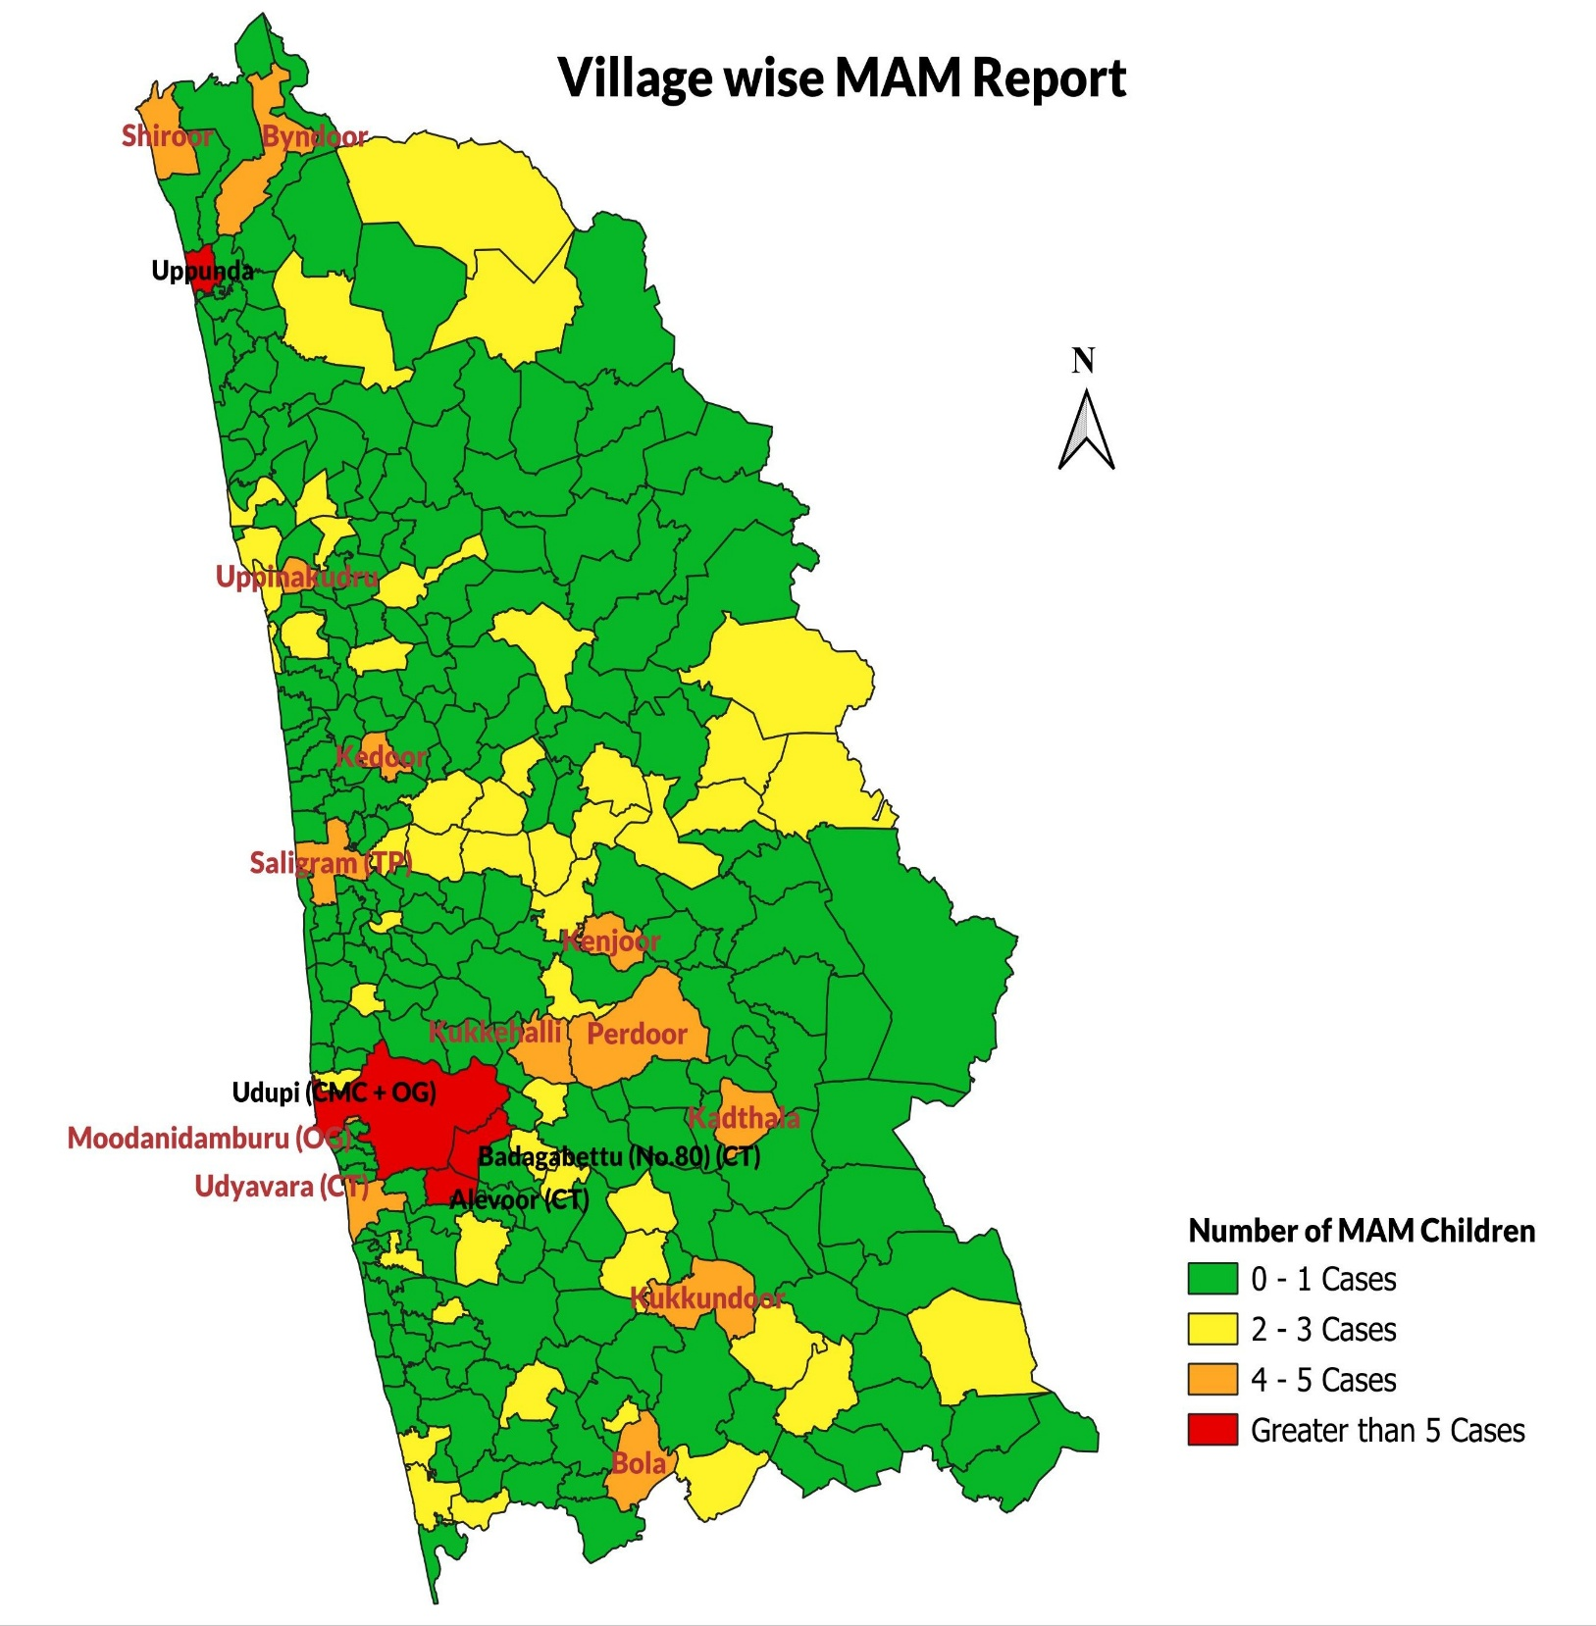
Gender Based MAM Report of Udupi District
Male | 134
Female | 123
Gender-wise Distribution of MAM Cases in Karkal Taluk
 | Male | Female
 | 29 | 22

Gender-wise Distribution of MAM Cases in Kundapura Taluk
Male | 36
Female | 50

