Dashboard
Severe Acute Malnutrition Report
UDUPI DISTRICT SAM CASES
KARKAL TALUK SAM CASES
KUNDAPURA TALUK SAM CASES
UDUPI TALUK S+AM CASES
35
5
15
15

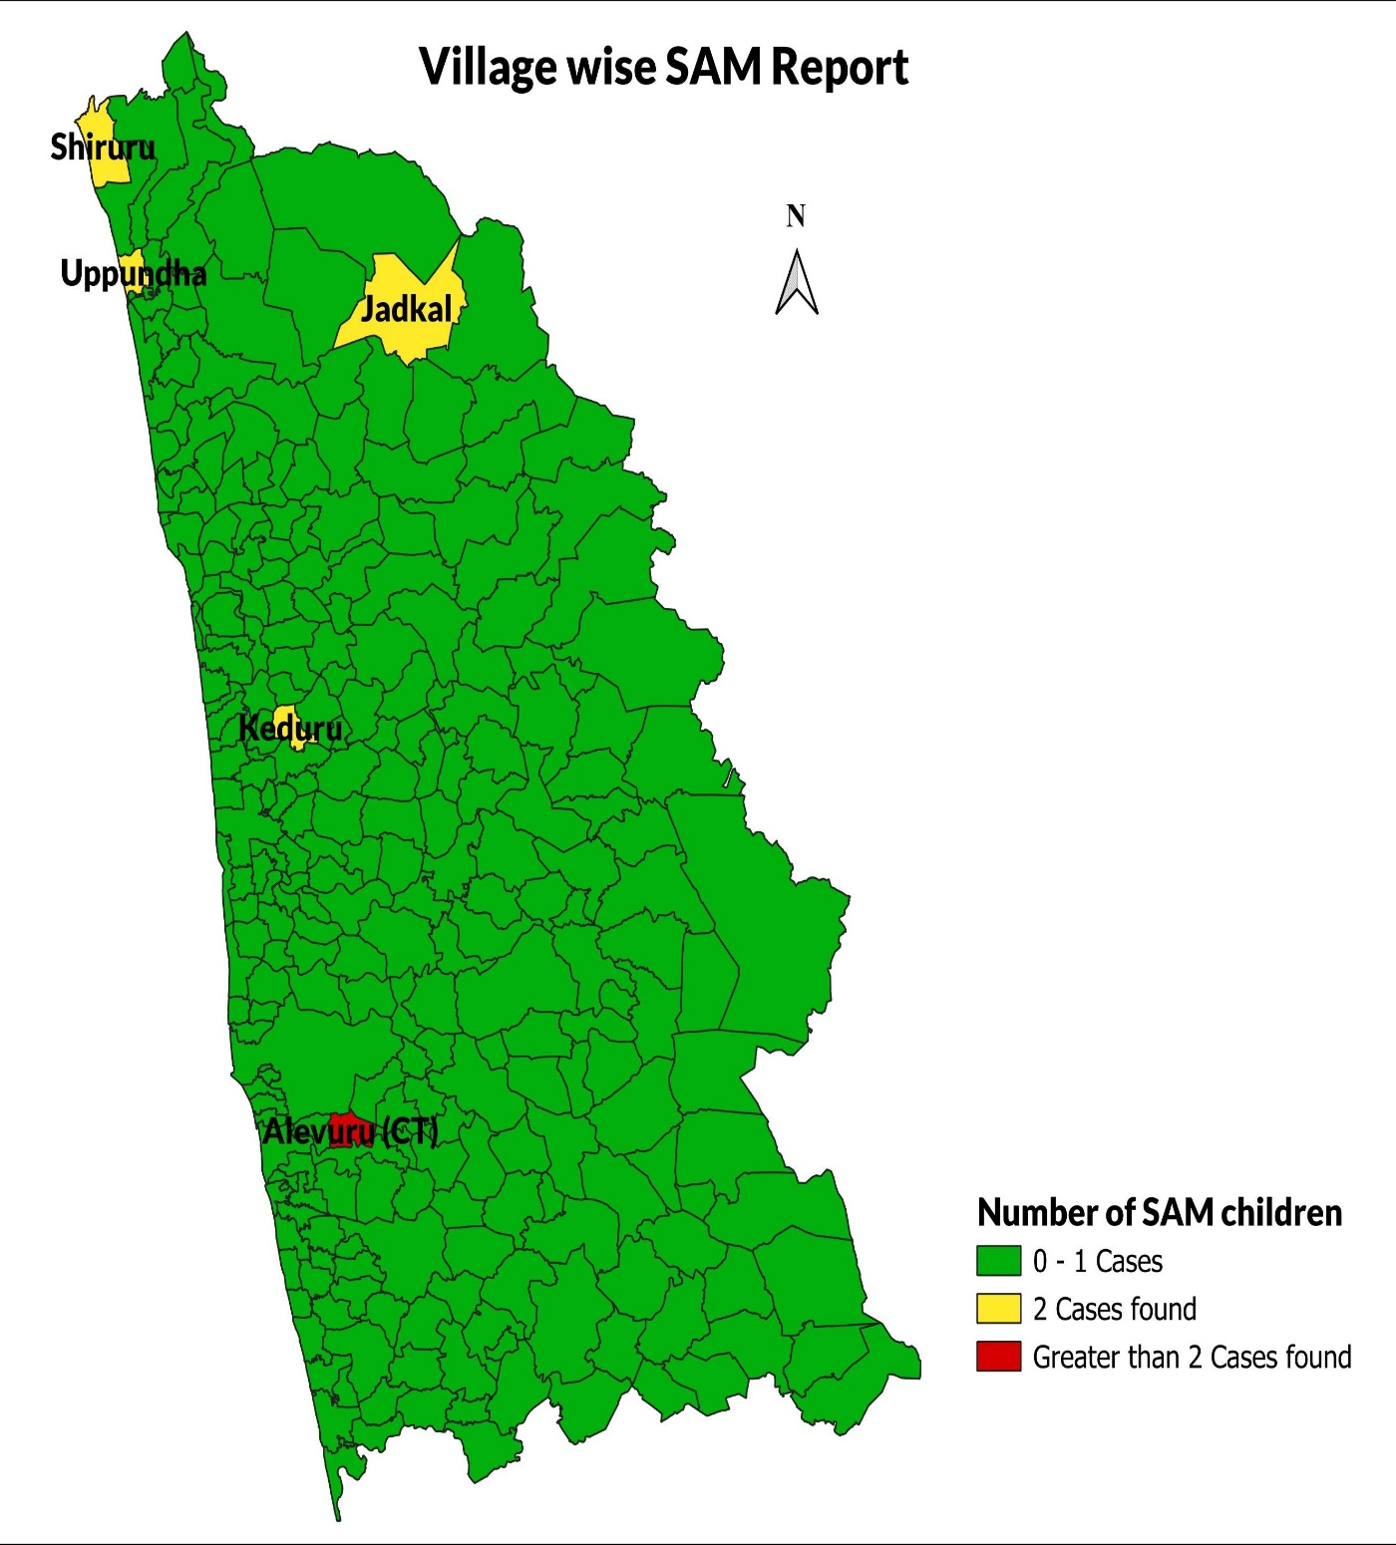
Gender Based SAM Report of Udupi District
Male | 25
Female | 10

Gender-wise Distribution of SAM Cases in Kundapura Taluk
Male | 4
Female | 11
Gender-wise Distribution of SAM Cases in Udupi Taluk
 | Male | Female
 | 5 | 10

