UCD
Use Case Descriptions
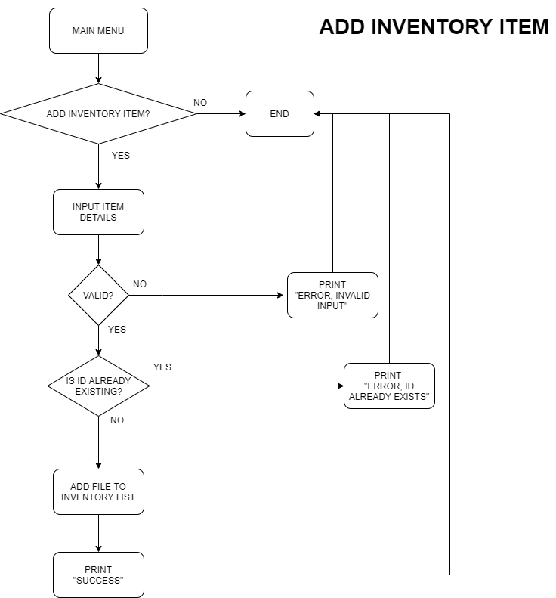
Use Case ID |  | INV-UC-01
Use Case Name |  | Add Inventory Item
Author: |  | J. Andicoy
Date Last Updated: |  | 2021-10-25
Reference |  | ユースケース図
Description |  | As a staff, I can add an item to the inventory in such a way that I can still distinguish each batch of products even if they have the same item description.
Primary Actors |  | Staff
Secondary Actors |  | None
Triggers |  | Staff chooses to add a new item in the inventory.
Pre-Conditions |  | Inventory file exists
Success Post-Condition |  | New item inputted by the staff is added to the inventory file
Failure Post-Condition |  | Staff is informed by the system that the item is not added to the inventory file

MAIN SUCCESS SCENARIO
Step # | Action
1 | The staff inputs inventory item details (i.e., ID, Description, Quantity, Expiry Date, Price).
2 | The system checks if the values inputted are valid.
3 | If all inputs are valid, the system checks if the ID already exists in the file.
4 | If the ID does not exist, the system adds the new inventory item as an entry into the inventory file.
5 | The system informs the staff that the inventory item has been added into the inventory file.

ALTERNATIVE FLOWS
Step # | Action
3b | The system informs the staff that the item is not added to the inventory file because of an invalid input.
4b | The system informs the staff that the item is not added to the inventory file because the ID already exists.

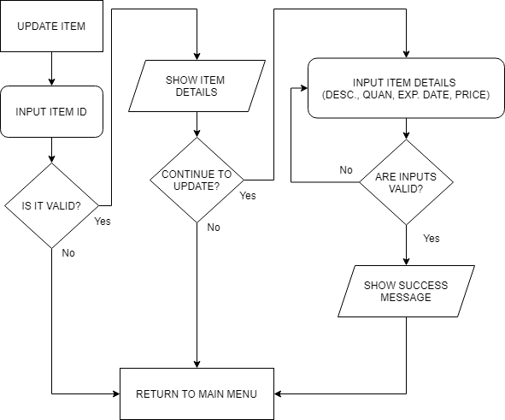
Use Case ID |  | INV-UC-02
Use Case Name |  | Update Inventory Item
Author: |  | J. Bandong
Date Last Updated: |  | 2021-10-25
Reference |  | ユースケース図
Description |  | As a staff, I can update an item from the inventory.
Primary Actors |  | Staff
Secondary Actors |  | None
Triggers |  | Staff chooses to update an item in the inventory.
Pre-Conditions |  | Inventory file exists, Item ID exists
Success Post-Condition |  | Item details inputted by the staff is update in the inventory file
Failure Post-Condition |  | Staff is informed by the system that the item is not updated in the inventory file

MAIN SUCCESS SCENARIO
Step # | Action
1 | The staff inputs inventory item ID to be updated.
2 | If the item ID exists in the file, the system will show the details of the item.
3 | The system will prompt if the staff wants to continue with the update,
4 | If continued, the staff inputs inventory item details to be updated (i.e., Description, Quantity, Expiry Date, Price).
5 | The system checks if the values inputted are valid.
6 | If all inputs are valid, the system updates the inventory item in the file.
7 | The system informs the staff that the inventory item has been updated in the inventory file.

ALTERNATIVE FLOWS
Step # | Action
1b | The system informs the staff that the item ID does not exist.
3b | If not continued, the system will go to Main Menu
6b | The system informs the staff that the input is invalid and asks for the details again.

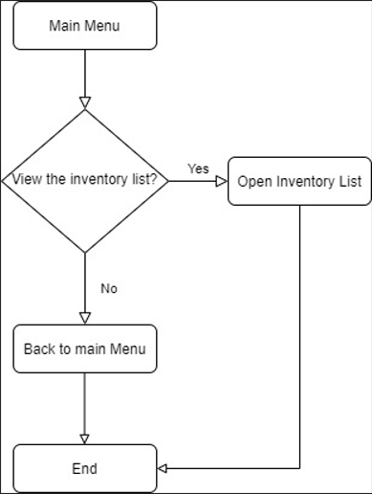
Use Case ID |  | INV-UC-03
Use Case Name |  | View Inventory List
Author: |  | I. Paquibulan
Date Last Updated: |  | 2021-10-25
Reference |  | ユースケース図
Description |  | As a staff, I can view all the items in the inventory, sorted by item ID.
Primary Actors |  | Staff
Secondary Actors |  | None
Triggers |  | Staff chooses to view items in the inventory list.
Pre-Conditions |  | All items are listed in the inventory.
Success Post-Condition |  | All items are viewed by the staff in the inventory list.
Failure Post-Condition |  | Staff is informed by the system that the item is not located in the inventory file

MAIN SUCCESS SCENARIO
Step # | Action
1 | The staff wishes to see the Inventory List from the main menu.
2 | The system will proceed to the inventory list.

ALTERNATIVE FLOWS
Step # | Action

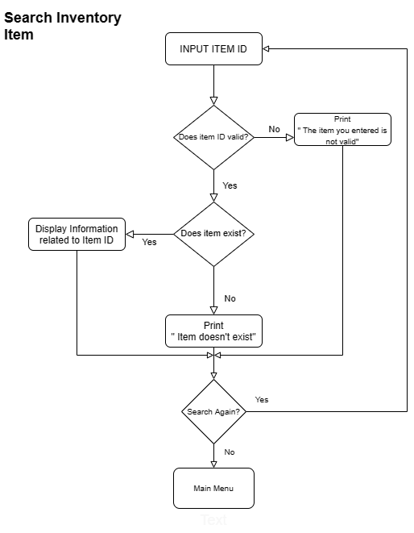
Use Case ID |  | INV-UC-04
Use Case Name |  | Search for an Inventory Item
Author: |  | JM. Marquita
Date Last Updated: |  | 2021-10-25
Reference |  | ユースケース図
Description |  | As a staff, I can search the inventory if a particular item ID or product exists.
Primary Actors |  | Staff
Secondary Actors |  | None
Triggers |  | The Staff decides to search for the item ID or product existence.
Pre-Conditions |  | Inventory file exist
Success Post-Condition |  | The system will tell the staff of the item ID or product information.
Failure Post-Condition |  | The system can't give the product information.

MAIN SUCCESS SCENARIO
Step # | Action
1 | The staff inputs item ID.
2 | The system checks if the input are valid.
3 | If all inputs are valid, the system checks if the item ID already exists in the file.
4 | If the item ID is listed, the system will tell the staff it's information.
5 | The system will tell the staff if he/she wants to search for another Item or go back to main menu.

ALTERNATIVE FLOWS
Step # | Action
3b | The system informs the staff that the item is not valid.
4b | The system informs the staff that the item doesn't exist in the inventory file.
5d | Return to step 1 or to the Main menu

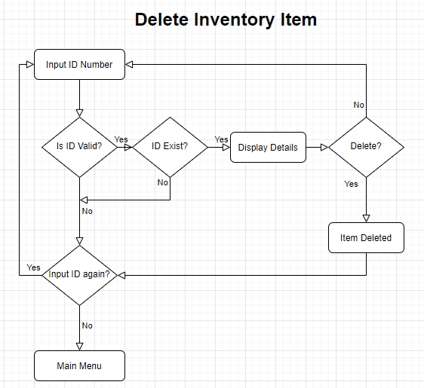
Use Case ID |  | INV-UC-05
Use Case Name |  | Delete an Inventory Item
Author: |  | R. Manlangit Jr
Date Last Updated: |  | 2021-10-25
Reference |  | ユースケース図
Description |  | As a staff, I can delete a specific existing item in the inventory. (This will mainly be used only to delete erroneously inputted entries.)
Primary Actors |  | Staff
Secondary Actors |  | None
Triggers |  | Staff chooses to delete an existing item in the inventory.
Pre-Conditions |  | Inventory file does not exists
Success Post-Condition |  | Existing item ID number inputted by the staff is deleted from the inventory file together with its Description, Quantity, Expiry Date, Price.
Failure Post-Condition |  | Staff is informed by the system that the item is not deleted to the inventory file

MAIN SUCCESS SCENARIO
Step # | Action
1 | The staff inputs inventory ID number.
2 | The system checks if the ID number inputted are valid.
3 | If ID number inputs are valid, the system checks if the ID number is in the file.
4 | If the ID number exist, the system will display the information of the inputted ID number details, and will ask the staff if he wants proceed to the deletion of the inventory file from the system
5 | The system informs the staff that the inventory item has been deleted from the inventory file.
6 | The system will prompt the staff if he/she wants to return to main menu, or delete another item
7 | The system will return to step # 1

ALTERNATIVE FLOWS
Step # | Action
3b | The system informs the staff that the inputted ID number is invalid and will prompt the staff if he/she wants to input another ID or return to main menu
3b1 | The system will return to step # 1
3b2 | The system will return to main menu
4b | The system informs the staff that the item does not exists in the inventory and will prompt the staff if he/she wants to input another ID
4c | The system will return to step # 1
6b | The system will return to step # 1
7b | The system will return to main menu

