Viz
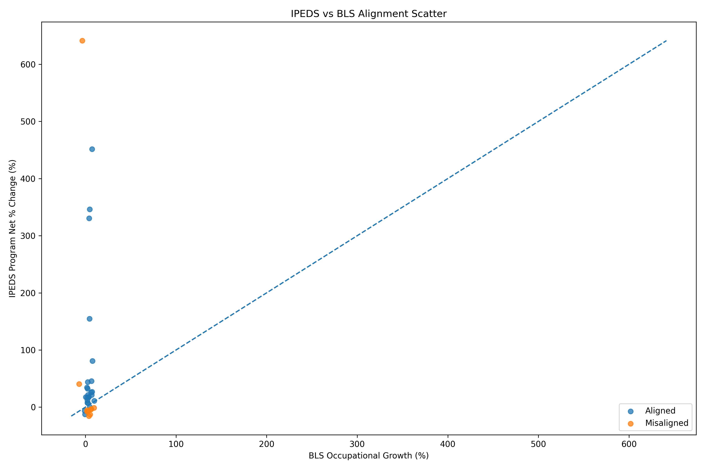

This scatter plot compares BLS occupational growth (%) on the X-axis with IPEDS program growth (%) on the Y-axis for each CIP field. Points close to the diagonal line indicate alignment between education supply and labor demand, while points far above the line show oversupply of graduates relative to demand.

In this plot, several fields show very large program growth (300–640%) despite near-zero or negative labor demand, indicating strong misalignment. Most points cluster near 0–20% occupational growth, suggesting that program expansion often exceeds projected job growth.

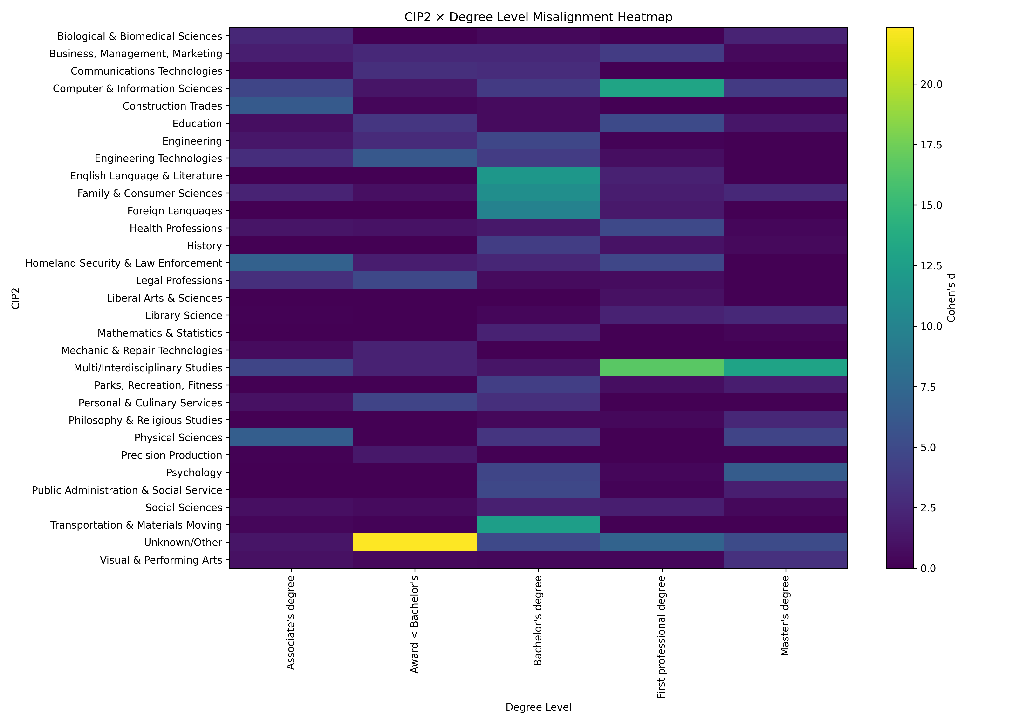

This heatmap shows misalignment between education output and labor demand across fields (CIP2) and degree levels, measured using Cohen’s d effect size. Higher values (green/yellow) indicate stronger differences between program growth and projected occupational demand.

The largest misalignment appears in Unknown/Other bachelor’s-level programs, where Cohen’s d exceeds ~22, indicating a major divergence between program growth and job demand. Fields like Computer & Information Sciences (professional degrees) and Transportation & Materials Moving (bachelor’s) also show strong mismatches.

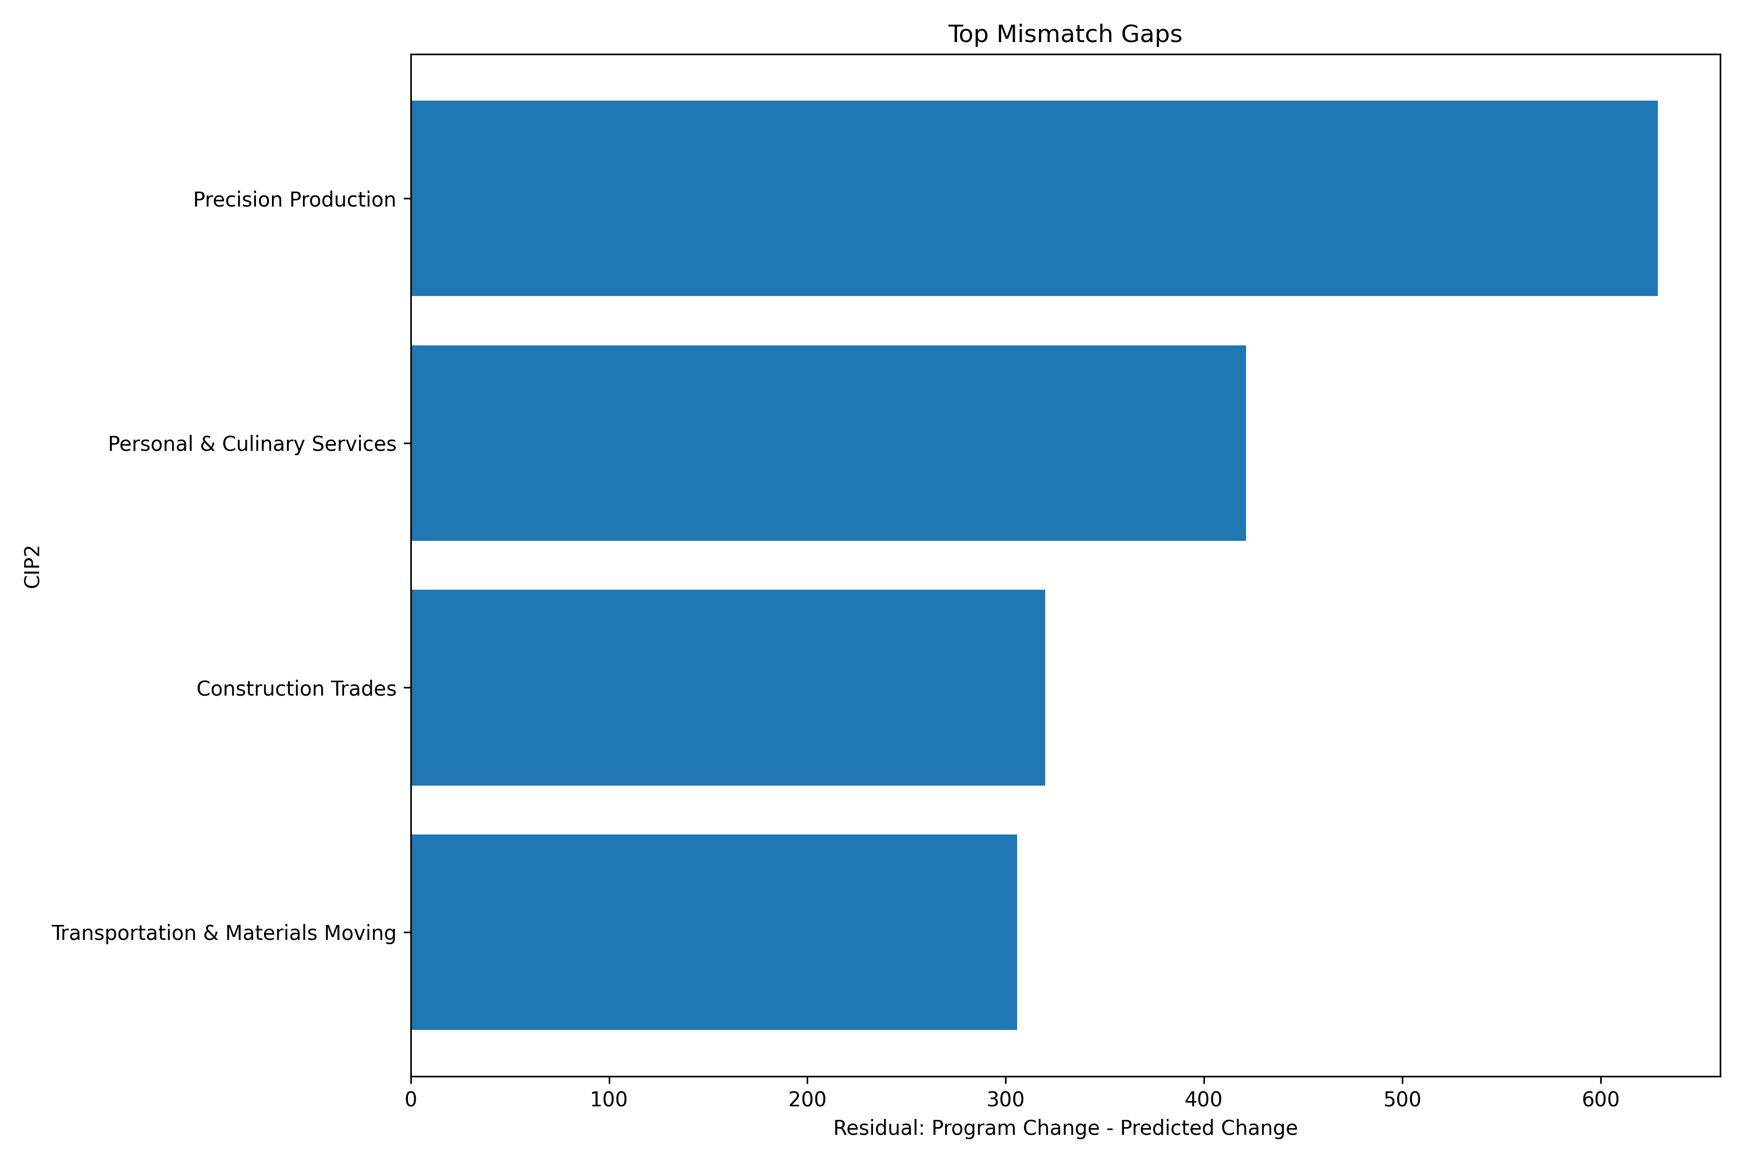

This chart displays the largest residuals from the regression model, which represent the difference between actual program growth and growth predicted by labor demand.

The largest mismatch occurs in Precision Production, with a gap of roughly +630 percentage points, followed by Personal & Culinary Services (~420) and Construction Trades (~320). These results indicate fields where education supply expanded far beyond what labor market projections would predict.

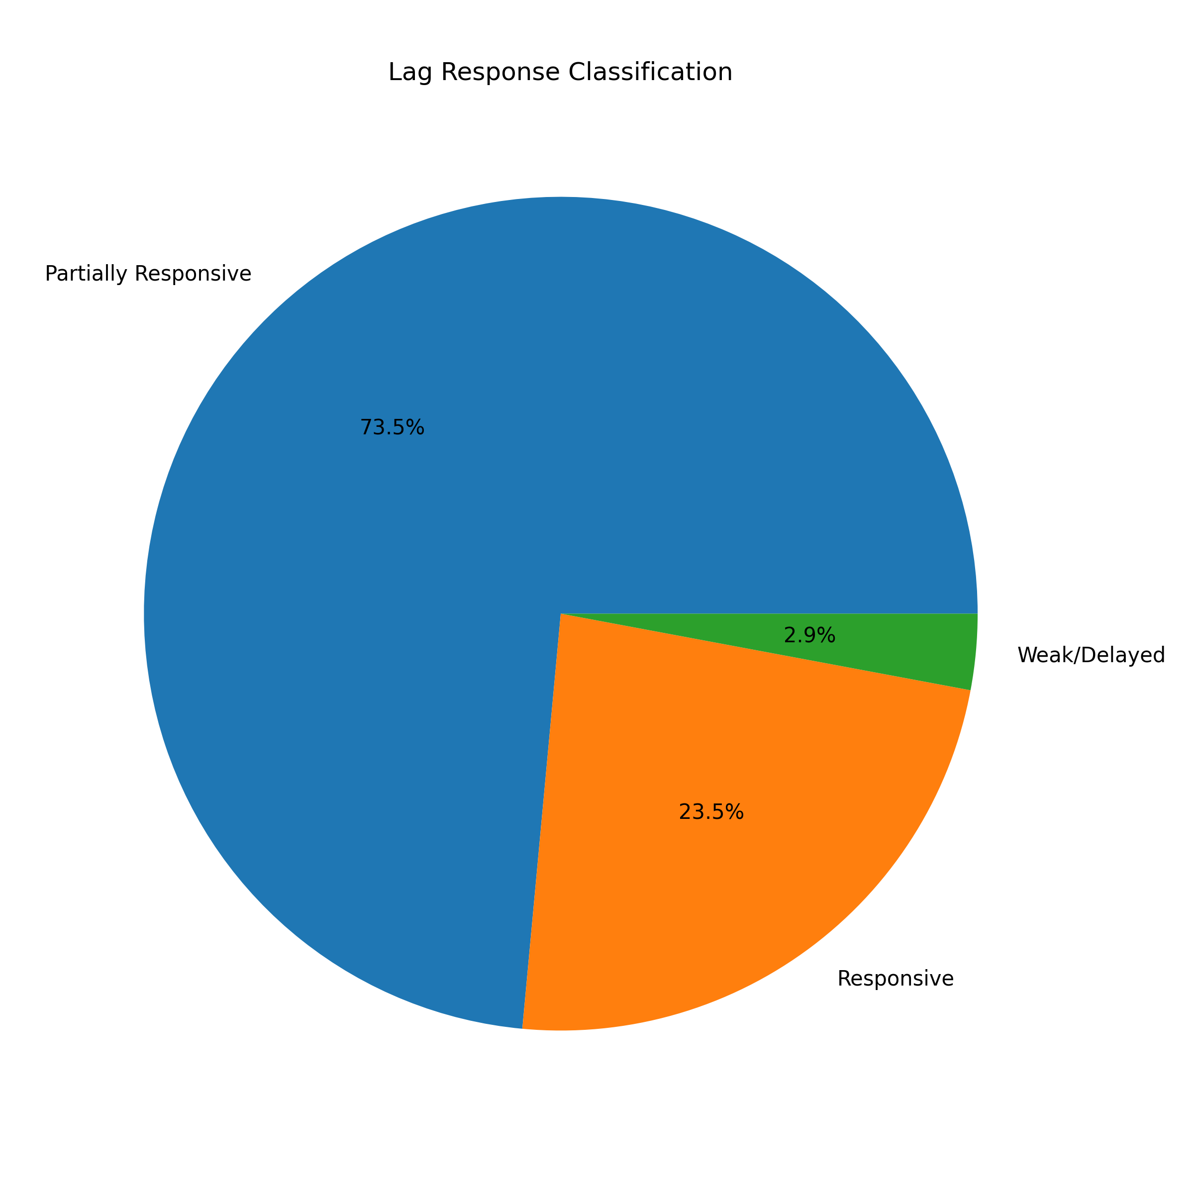

This pie chart summarizes how quickly education supply responds to labor market changes based on lag correlation analysis between employment growth and program completions.

Approximately 73.5% of fields are partially responsive, 23.5% are strongly responsive, and only 2.9% show weak or delayed response. This suggests that most education programs eventually react to labor demand, but typically with moderate delays rather than immediate adjustment.

