FAQ
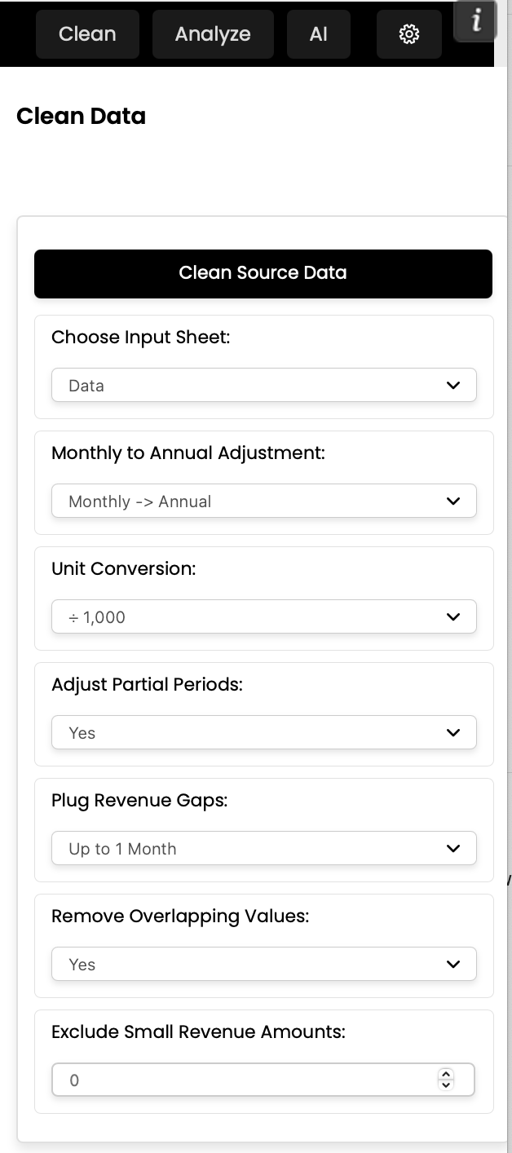
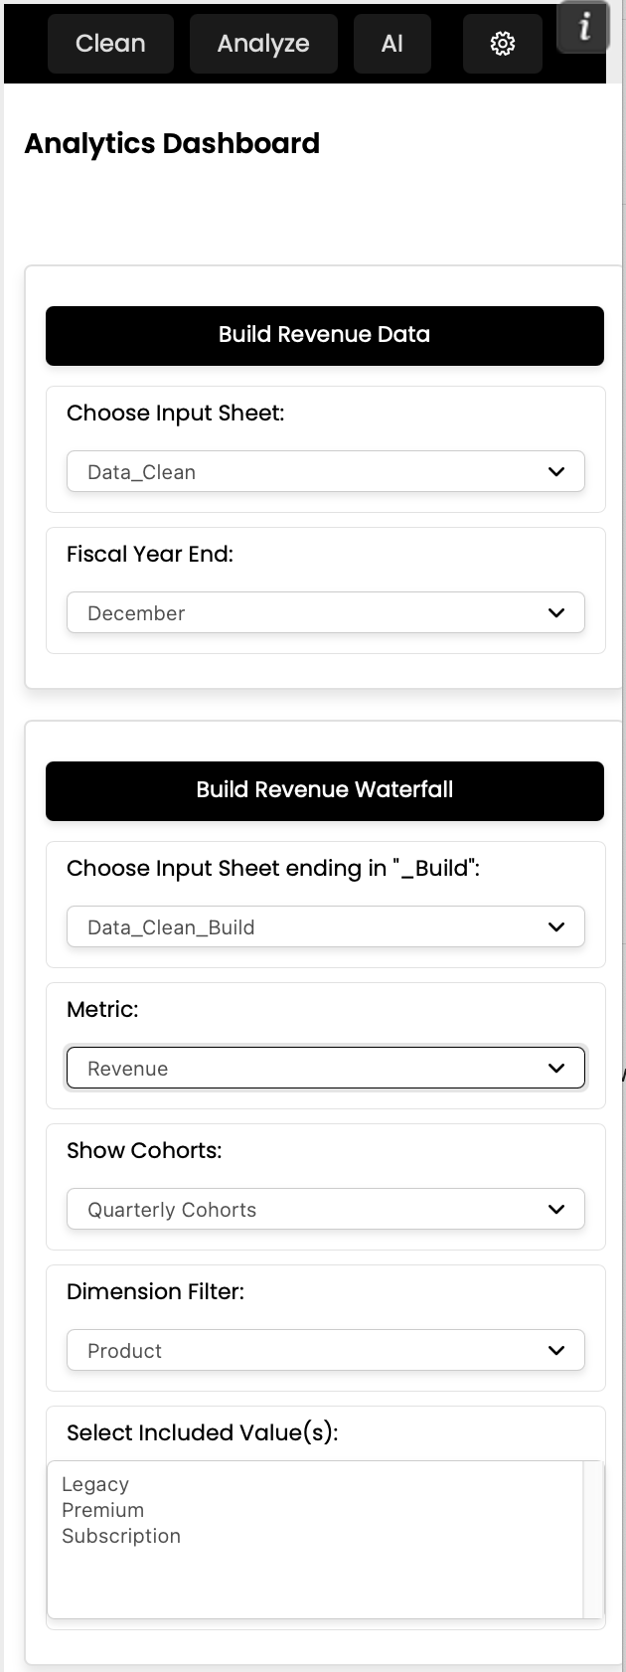

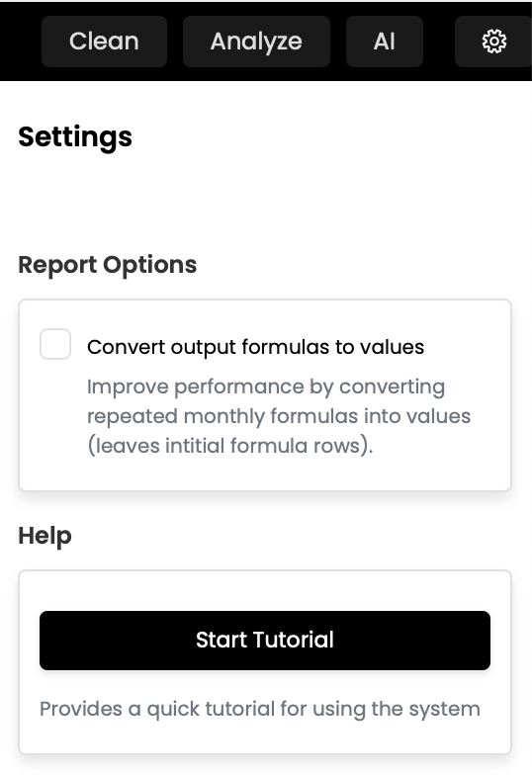
QUICK START GUIDE TO HYPERPERFECT'S DEMO FILE

THIS FILE WAS BUILT IN UNDER 3 MINS. SIGN UP FOR FREE AT: |  |  |  | HYPERPERFECT.AI
Instantly clean data and create revenue waterfalls and cohort analyses — all built with auditable formulas in Excel.

Sheets |  | Description
Dashboard |  | Custom-built overlay to display data
Data |  | Raw customer revenue by month data
Data_Clean |  | Results of HyperPerfect's data cleaning tool (see cell H2 for notes)
Data_Clean_Build |  | HyperPerfect's data enrichment output for categorizing customers
Data_Clean_Build_Walk_Rev |  | HyperPerfect's revenue walk output (set to group by quarterly cohorts)
Data_Clean_Build_Walk_Logo |  | HyperPerfect's customer count walk output (set to group by quarterly cohorts)

Key Notes
1. All sheets created automatically by HyperPerfect's Excel Add-In (except "Dashboard" and "Data").
2. HyperPerfect set to provide formulas for all output sheet data. For larger datasets rerun the operation with "Convert output formulas to values" checked, which convertd repeated formulas to values.
3. "Data_Clean" sheet created with adjustment settings shown below (e.g., MRR from "Data" sheet was converted to ARR in "Data_Clean" sheet. See https://publish.obsidian.md/hyperperfect/Help for details).
4. Filters in the revenue and customer/logo count walks are dynamic and were built to work by Product. To filter output by product line(s), enter "Legacy", "Premium" and/or "Subscription" seperated by commas into the filter column of "Data_Clean_Build_Walk_Rev" or "Data_Clean_Build_Walk_Logo".

Resources
HyperPerfect Website
Install/Quick Start Instructions
HyperPerfect Demo Video

HyperPerfect Settings Reference

 | "Data_Clean Sheet" Settings |  | "Data_Clean_Build_Walk_Rev" Settings |  | "Data_Clean_Build_Walk_Logo" Settings | General Settings

