Summary
Category | Count
Passed | 1
Failed | 0
Skipped | 0
Total | 1
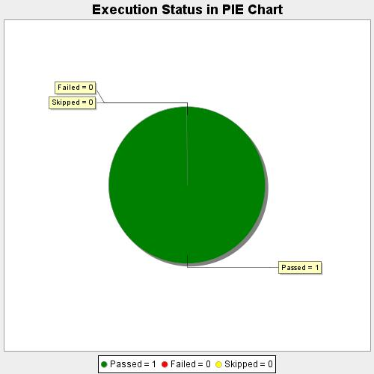
Start Time | 2018-12-12T06:51:58Z
End Time | 2018-12-12T06:53:03Z
Duration | 65223 ms

