Ban gui khach
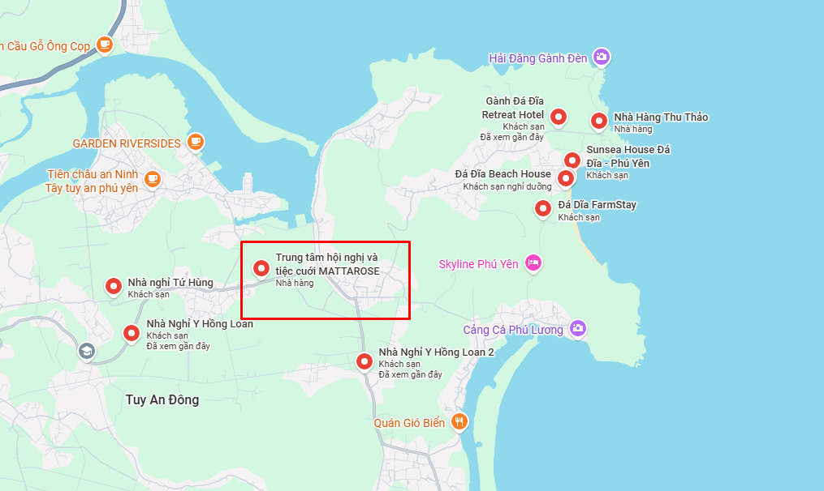
Tên Cơ Sở | Khu Vực | Địa Chỉ | SDT | Khoảng cách đến nhà hàng | Link Google Maps
Nha nghi Thuan Phat | An Dan | QL1A, An Dan, Tuy An, Phu Yen | 0257 3507 507 | 20-24 km | https://www.google.com/maps/search/?api=1&query=Nha%20nghi%20Thuan%20Phat%2C%20QL1A%2C%20An%20Dan%2C%20Tuy%20An%2C%20Phu%20Yen
Homestay Ba Loan 2 | An Ninh Dong | An Ninh Dong, Tuy An, Phu Yen | 090 786 30 86 | 6-10 km | https://www.google.com/maps/search/?api=1&query=Homestay%20Ba%20Loan%202%2C%20An%20Ninh%20Dong%2C%20Tuy%20An%2C%20Phu%20Yen
Nha nghi Hoa Hong | Chi Thanh | 298 1A, Chi Thanh, Tuy An, Phu Yen | 0257 3865 936 | 14-18 km | https://www.google.com/maps/search/?api=1&query=Nha%20nghi%20Hoa%20Hong%2C%20298%201A%2C%20Chi%20Thanh%2C%20Tuy%20An%2C%20Phu%20Yen
Nha nghi Hoa Su | Chi Thanh | 176 QL1A, Chi Thanh, Tuy An, Phu Yen | Dang cap nhat | 14-18 km | https://www.google.com/maps/search/?api=1&query=Nha%20nghi%20Hoa%20Su%2C%20176%20QL1A%2C%20Chi%20Thanh%2C%20Tuy%20An%2C%20Phu%20Yen
Nha nghi Hung Nguyen | Chi Thanh | Tran Ria, Chi Thanh, Tuy An, Phu Yen | Dang cap nhat | 14-18 km | https://www.google.com/maps/search/?api=1&query=Nha%20nghi%20Hung%20Nguyen%2C%20Tran%20Ria%2C%20Chi%20Thanh%2C%20Tuy%20An%2C%20Phu%20Yen
Nha nghi Khanh Trang | Chi Thanh | 447 Quoc lo 1A, Chi Thanh, Tuy An, Phu Yen | 0257 3767 548 | 14-18 km | https://www.google.com/maps/search/?api=1&query=Nha%20nghi%20Khanh%20Trang%2C%20447%20Quoc%20lo%201A%2C%20Chi%20Thanh%2C%20Tuy%20An%2C%20Phu%20Yen
Nha nghi Loan Phung | Chi Thanh | Chi Thanh, Tuy An, Phu Yen | 0257 6287 979 | 14-18 km | https://www.google.com/maps/search/?api=1&query=Nha%20nghi%20Loan%20Phung%2C%20Chi%20Thanh%2C%20Tuy%20An%2C%20Phu%20Yen
Nha nghi Thanh Lich | Chi Thanh | 267 QL1A, Chi Thanh, Tuy An, Phu Yen | 0257 3767 439 | 14-18 km | https://www.google.com/maps/search/?api=1&query=Nha%20nghi%20Thanh%20Lich%2C%20267%20QL1A%2C%20Chi%20Thanh%2C%20Tuy%20An%2C%20Phu%20Yen
Nha nghi Thien Phuc | Chi Thanh | 469 Quoc lo 1A, Chi Thanh, Tuy An, Phu Yen | 0257 3865 779 | 14-18 km | https://www.google.com/maps/search/?api=1&query=Nha%20nghi%20Thien%20Phuc%2C%20469%20Quoc%20lo%201A%2C%20Chi%20Thanh%2C%20Tuy%20An%2C%20Phu%20Yen
Nha nghi Viet Cuong | Chi Thanh | 62 Le Thanh Phuong, Chi Thanh, Tuy An, Phu Yen | 0257 3767 222 | 14-18 km | https://www.google.com/maps/search/?api=1&query=Nha%20nghi%20Viet%20Cuong%2C%2062%20Le%20Thanh%20Phuong%2C%20Chi%20Thanh%2C%20Tuy%20An%2C%20Phu%20Yen
Nha nghi Minh Trang | Gan khu Chi Duc | Khu tai dinh cu Chi Duc, gan truong Tran Phu moi, Tuy An, Phu Yen | +84 376 729 252 | 11-15 km | https://www.google.com/maps/search/Nh%C3%A0+Ngh%E1%BB%89+%E1%BB%9F+Tuy+An+%C4%90%C3%B4ng/@13.3278388,109.2478879,13.75z?entry=ttu
Nhà nghỉ Tứ Hùng | Hội Phú | Thôn Hội Phú, An Ninh Tây, Tuy An Đông, Đắk Lắk 56209, Việt Nam | 0905572977 | 4km | Nhà nghỉ Tứ Hùng - Google Maps
Sunsea House Đá Đĩa - Phú Yên | Thôn 6 | Gành Đá Đĩa, Thôn Phú Hạnh, Tuy An Đông, Đắk Lắk 56000, Việt Nam | 0823614350 | 7km | https://maps.app.goo.gl/xsBhDHVo3QXj5BuS8
Nhà Nghỉ Y Hồng Loan 2 | Thôn 5 | 87M9+2JJ, Phú Hội, Tuy An Đông, Đắk Lắk 56000, Việt Nam | 0396389678 | 3km | https://maps.app.goo.gl/6eE6tfAdznMoN1kQ9
Nhà Nghỉ Y Hồng Loan | Thôn 3 | Diêm Điền, Xã, Tuy An Đông, Đắk Lắk 56000, Việt Nam | 0396389678 | 3km | https://maps.app.goo.gl/5quWcQ4k6oDDeT2g6

Xem Full list
Nhà Nghỉ ở Tuy An Đông - Google Maps

