Sheet1
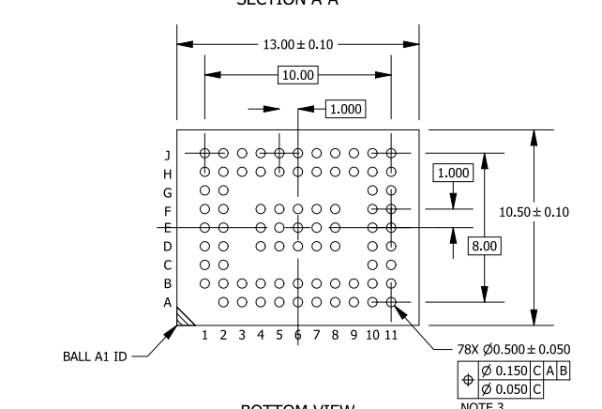
Bottom view

 | J | DGND | VAA_ANA_PIX_0 | VAA_ANA_ACORE_1 | GND_ANA_PIX_2 | TEST | SCL | VAA_ANA_ACORE_2 | ATEST1 | VAA_ANA_PIX_1 | VDD_DIG_DCORE_2 | DGND
 | H | VAA18_ANA_ACORE_1 | GND_ANA_ACORE_2 | GND_ANA_ACORE_3 | VAA18_ANA_ACORE_2 | GND_DIG_ACORE_1 | SDA | VDD_DIG_ACORE_1 | VAA18_ANA_ACORE_3 | VDDIO1V8_2 | P1_VDD_SLVS_PHY | P1_VDD_DIG_PHY
 | G | VAA_ANA_ACORE_0 | GND_ANA_PIX_1 |  |  |  |  |  |  |  | P1_DATA4N | P1_DATA4P
 | F | VDD_DIG_ACORE_0 | GND_DIG_ACORE_0 |  | DGND | DGND | DGND | GND_ANA_ACORE_0 | GND_ANA_ACORE_1 |  | P1_DATA3N | P1_DATA3P
 | E | GPI2 | GPI3 |  | DGND | DGND | DGND | DGND | DGND |  | P1_CLKN | P1_CLKP
 | D | GPIO0 | GPIO1 |  | DGND | DGND | DGND | DGND | DGND |  | P1_DATA2N | P1_DATA2P
 | C | ATEST2 | GND_ANA_PIX_0 |  |  |  |  |  |  |  | P1_DATAN | P1_DATAP
 | B | DGND | VDDIO1V8_0 | VDD_DIG_PHY | DATA4N | DATA3N | CLKN | DATA2N | DATAN | VDD_DIG_PLL | VDDIO1V8_1 | VDD_DIG_DCORE_1
 | A |  | VDD_DIG_DCORE_0 | VDD_SLVS_PHY | DATA4P | DATA3P | CLKP | DATA2P | DATAP | EXTCLK | XSHUTDOWN | DGND
 |  | 1 | 2 | 3 | 4 | 5 | 6 | 7 | 8 | 9 | 10 | 11

 | Hàng | Cột | Data | Type
2 | A | 2 | VDD_DIG_DCORE_0 | DATA | A2 | 1
3 | A | 3 | VDD_SLVS_PHY | DATA | A3 | 2
4 | A | 4 | DATA4P | DATA | A4 | 3
5 | A | 5 | DATA3P | DATA | A5 | 4
6 | A | 6 | CLKP | DATA | A6 | 5
7 | A | 7 | DATA2P | DATA | A7 | 6
8 | A | 8 | DATAP | DATA | A8 | 7
9 | A | 9 | EXTCLK | DATA | A9 | 8
10 | A | 10 | XSHUTDOWN | DATA | A10 | 9
15 | B | 4 | DATA4N | DATA | B4 | 10
16 | B | 5 | DATA3N | DATA | B5 | 11
17 | B | 6 | CLKN | DATA | B6 | 12
18 | B | 7 | DATA2N | DATA | B7 | 13
19 | B | 8 | DATAN | DATA | B8 | 14
23 | C | 1 | ATEST2 | DATA | C1 | 15
32 | C | 10 | P1_DATAN | DATA | C10 | 16
33 | C | 11 | P1_DATAP | DATA | C11 | 17
34 | D | 1 | GPIO0 | DATA | D1 | 18
35 | D | 2 | GPIO1 | DATA | D2 | 19
43 | D | 10 | P1_DATA2N | DATA | D10 | 20
44 | D | 11 | P1_DATA2P | DATA | D11 | 21
45 | E | 1 | GPI2 | DATA | E1 | 22
46 | E | 2 | GPI3 | DATA | E2 | 23
54 | E | 10 | P1_CLKN | DATA | E10 | 24
55 | E | 11 | P1_CLKP | DATA | E11 | 25
65 | F | 10 | P1_DATA3N | DATA | F10 | 26
66 | F | 11 | P1_DATA3P | DATA | F11 | 27
76 | G | 10 | P1_DATA4N | DATA | G10 | 28
77 | G | 11 | P1_DATA4P | DATA | G11 | 29
83 | H | 6 | SDA | DATA | H6 | 30
87 | H | 10 | P1_VDD_SLVS_PHY | DATA | H10 | 31
88 | H | 11 | P1_VDD_DIG_PHY | DATA | H11 | 32
93 | J | 5 | TEST | DATA | J5 | 33
94 | J | 6 | SCL | DATA | J6 | 34
96 | J | 8 | ATEST1 | DATA | J8 | 35
11 | A | 11 | DGND |  | A11 | 1
12 | B | 1 | DGND |  | B1 | 2
37 | D | 4 | DGND |  | D4 | 3
38 | D | 5 | DGND |  | D5 | 4
39 | D | 6 | DGND |  | D6 | 5
40 | D | 7 | DGND |  | D7 | 6
41 | D | 8 | DGND |  | D8 | 7
48 | E | 4 | DGND |  | E4 | 8
49 | E | 5 | DGND |  | E5 | 9
50 | E | 6 | DGND |  | E6 | 10
51 | E | 7 | DGND |  | E7 | 11
52 | E | 8 | DGND |  | E8 | 12
59 | F | 4 | DGND |  | F4 | 13
60 | F | 5 | DGND |  | F5 | 14
61 | F | 6 | DGND |  | F6 | 15
89 | J | 1 | DGND |  | J1 | 16
99 | J | 11 | DGND |  | J11 | 17
62 | F | 7 | GND_ANA_ACORE_0 |  | F7 | 18
63 | F | 8 | GND_ANA_ACORE_1 |  | F8 | 19
79 | H | 2 | GND_ANA_ACORE_2 |  | H2 | 20
80 | H | 3 | GND_ANA_ACORE_3 |  | H3 | 21
24 | C | 2 | GND_ANA_PIX_0 |  | C2 | 22
68 | G | 2 | GND_ANA_PIX_1 |  | G2 | 23
92 | J | 4 | GND_ANA_PIX_2 |  | J4 | 24
57 | F | 2 | GND_DIG_ACORE_0 |  | F2 | 25
82 | H | 5 | GND_DIG_ACORE_1 |  | H5 | 26
67 | G | 1 | VAA_ANA_ACORE_0 |  | G1 | 27
91 | J | 3 | VAA_ANA_ACORE_1 |  | J3 | 28
95 | J | 7 | VAA_ANA_ACORE_2 |  | J7 | 29
90 | J | 2 | VAA_ANA_PIX_0 |  | J2 | 30
97 | J | 9 | VAA_ANA_PIX_1 |  | J9 | 31
78 | H | 1 | VAA18_ANA_ACORE_1 |  | H1 | 32
81 | H | 4 | VAA18_ANA_ACORE_2 |  | H4 | 33
85 | H | 8 | VAA18_ANA_ACORE_3 |  | H8 | 34
56 | F | 1 | VDD_DIG_ACORE_0 |  | F1 | 35
84 | H | 7 | VDD_DIG_ACORE_1 |  | H7 | 36
22 | B | 11 | VDD_DIG_DCORE_1 |  | B11 | 37
98 | J | 10 | VDD_DIG_DCORE_2 |  | J10 | 38
14 | B | 3 | VDD_DIG_PHY |  | B3 | 39
20 | B | 9 | VDD_DIG_PLL |  | B9 | 40
13 | B | 2 | VDDIO1V8_0 |  | B2 | 41
21 | B | 10 | VDDIO1V8_1 |  | B10 | 42
86 | H | 9 | VDDIO1V8_2 |  | H9 | 43

