Tasks
A task should be done by only 1-2 students. Duplicate tasks are not recommended Each member should work on at least 5 tasks

No | Student ID | Full name | Task Description | Hours | Evidence (screenshots of chat messages, of Git commits... proving that you perform and finish the task)
1 | 25125009 | Trương Quang Bảo Dương | Project Setup & CMake Build: Configured project structure, CMake build system, SFML, and gitignore. | 4h | 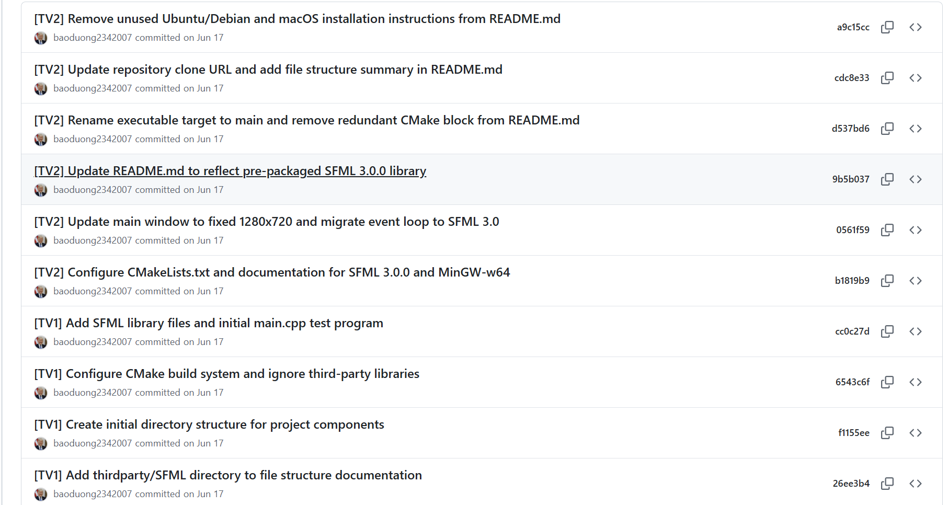
2 | 25125009 | Trương Quang Bảo Dương | Core Architecture & Docs: Defined member roles, coding guidelines, draft UML, and cross-platform build configs. | 6h
3 | 25125009 | Trương Quang Bảo Dương | EventBus & Interface Setup: Implemented EventBus pattern, IObserver, ISubject, and EventType enums. | 6h
4 | 25125009 | Trương Quang Bảo Dương | Game Loop Subsystem Integration: Merged Game class refactor, level parsing, and configured Box2D testbed. | 5h | 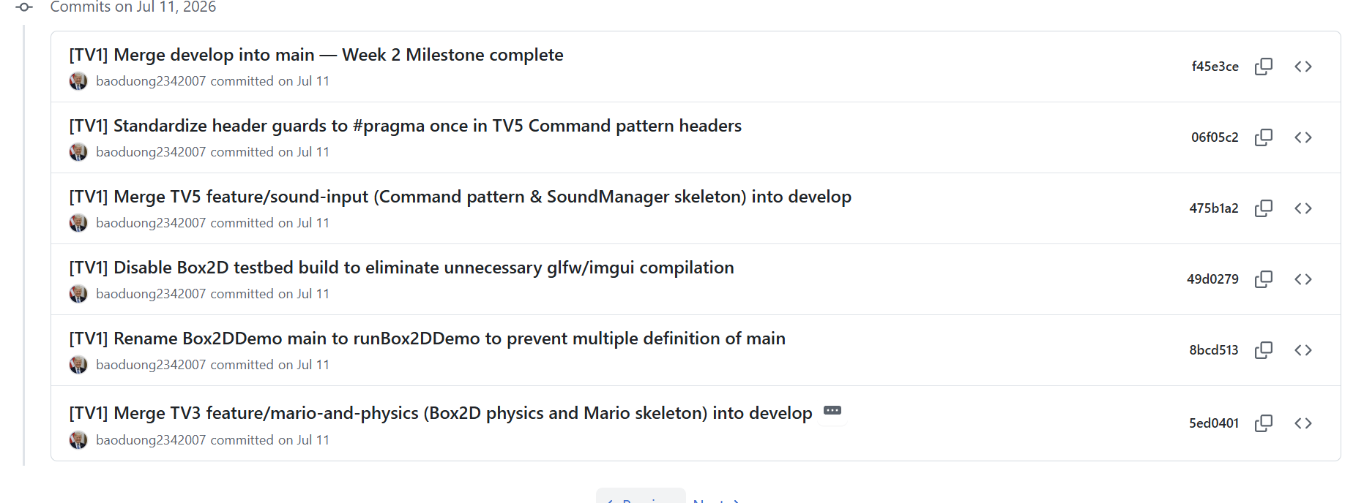
5 | 25125009 | Trương Quang Bảo Dương | EntityFactory & Level Logic: Implemented EntityFactory, hooked Goomba, initialized PhysicsEngine, and wired TileMap. | 6h | 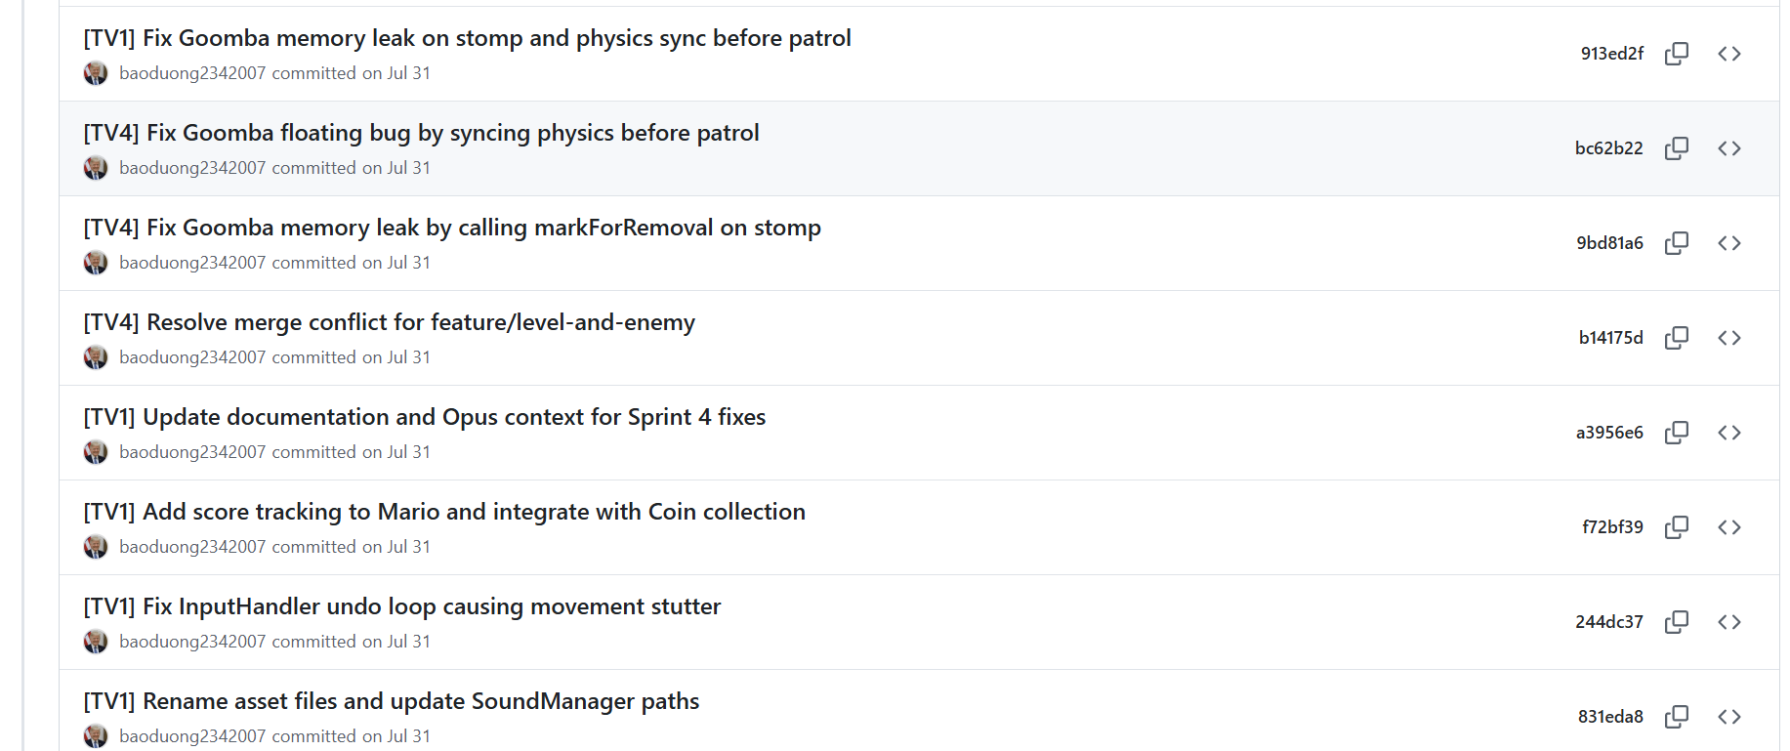
6 | 25125009 | Trương Quang Bảo Dương | GameManager & PlayState Machine: Implemented GameManager Singleton, PlayState, item collisions, and EventBus notifications. | 5h | 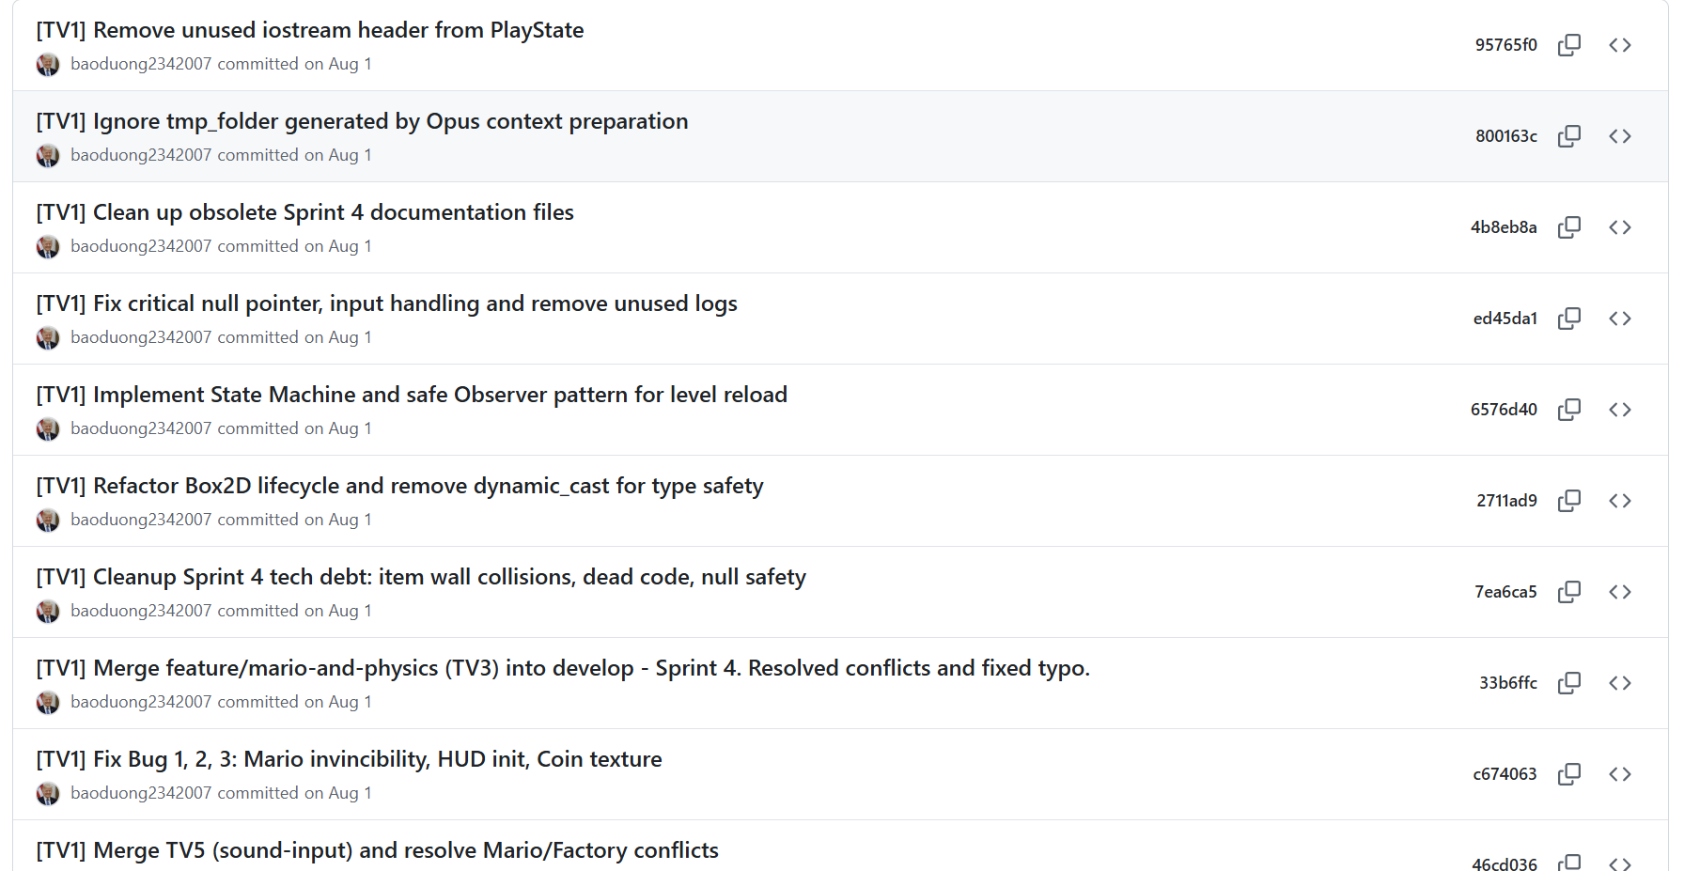
7 | 25125009 | Trương Quang Bảo Dương | Code Review & Input Fixes: Fixed InputHandler undo loop, updated Sound paths, added score tracking, and resolved Factory conflicts. | 4h | 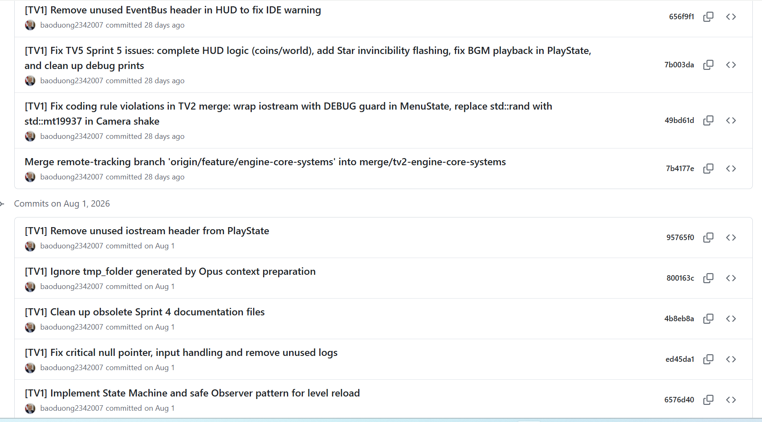
8 | 25125009 | Trương Quang Bảo Dương | LevelCatalog & Transition States: Implemented LevelCatalog, safe level transitions, GameProgress session tracking, and GameOver/Win states. | 6h | 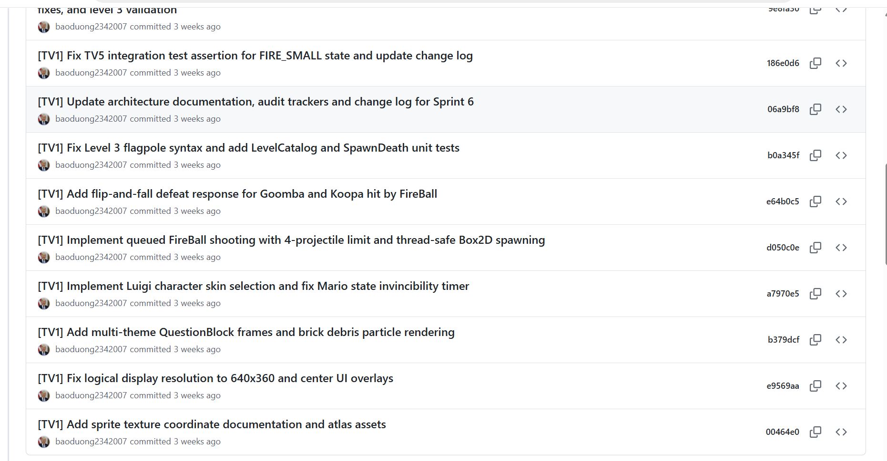
9 | 25125009 | Trương Quang Bảo Dương | Build Hardening & Release Setup: Excluded demo sources, finalized CMake presets, processed deferred state operations, and texture fallbacks. | 5h | 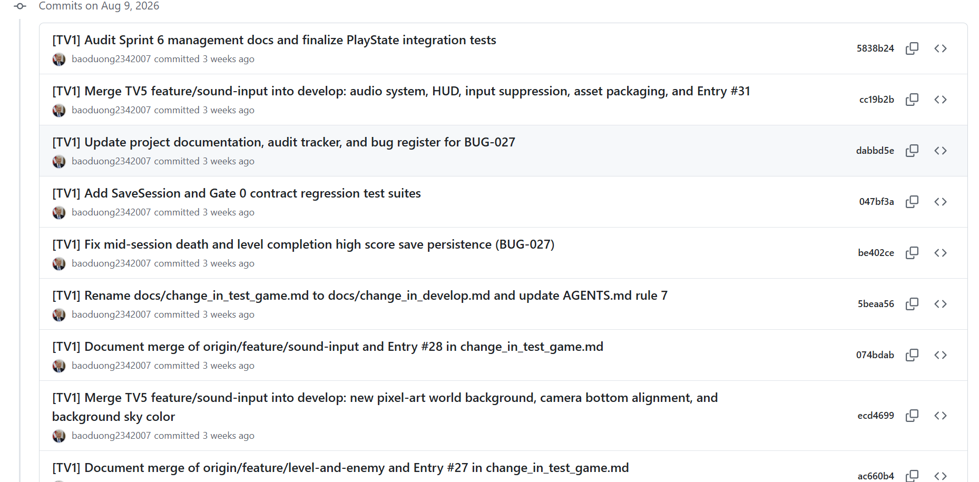
10 | 25125009 | Trương Quang Bảo Dương | TileMap Audit & Coordinate Fixes: Audited tileset coordinates, fixed texture bleeding, and Underground theme rendering. | 5h | 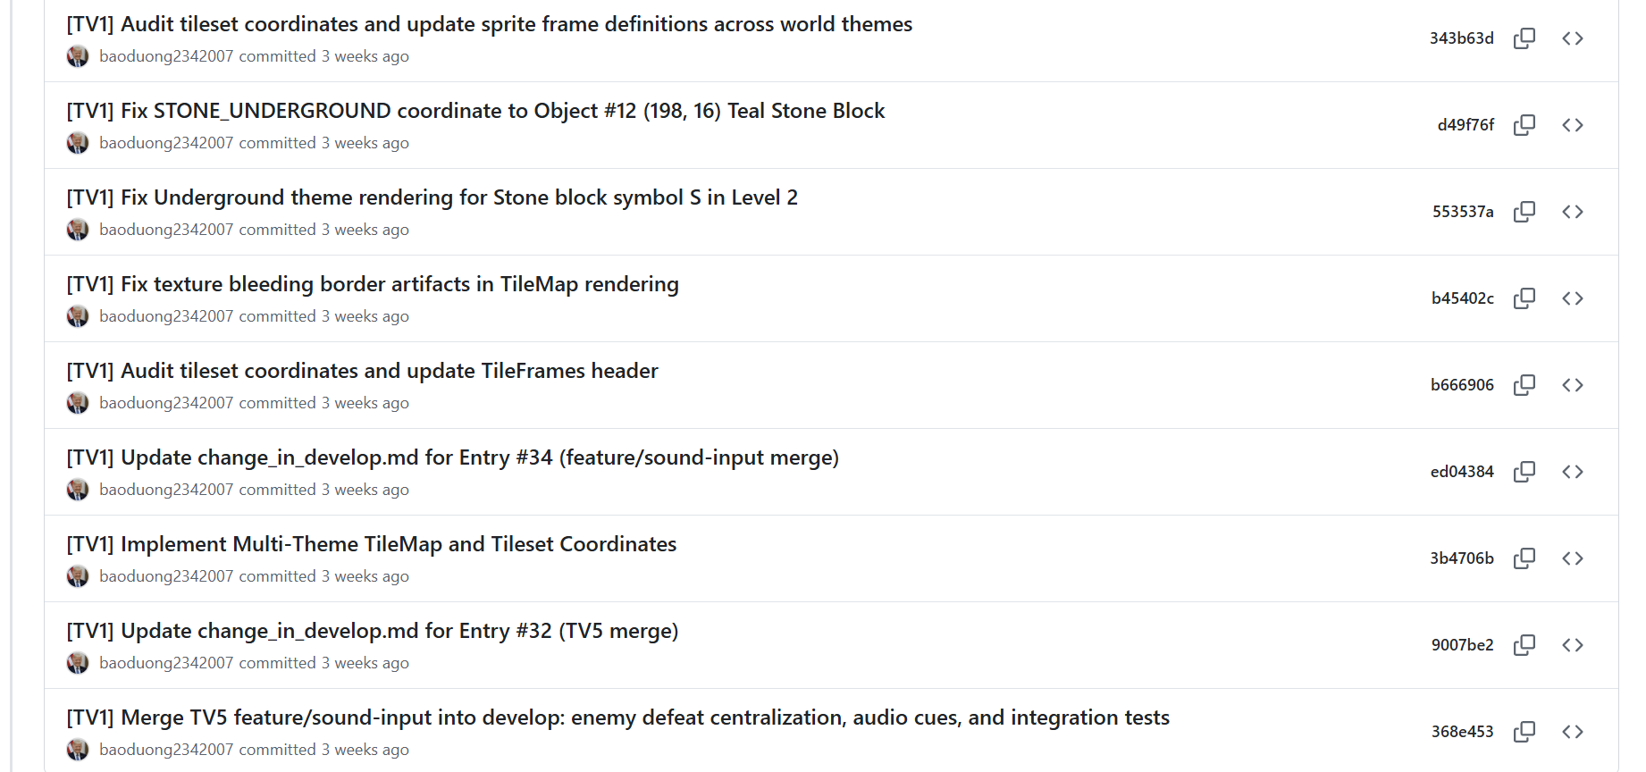
11 | 25125009 | Trương Quang Bảo Dương | Level 4 Castle & Boss Hazards: Added Level 4 mechanics, Piranha Plant, Springboard, and shell defeat integration. | 5h | 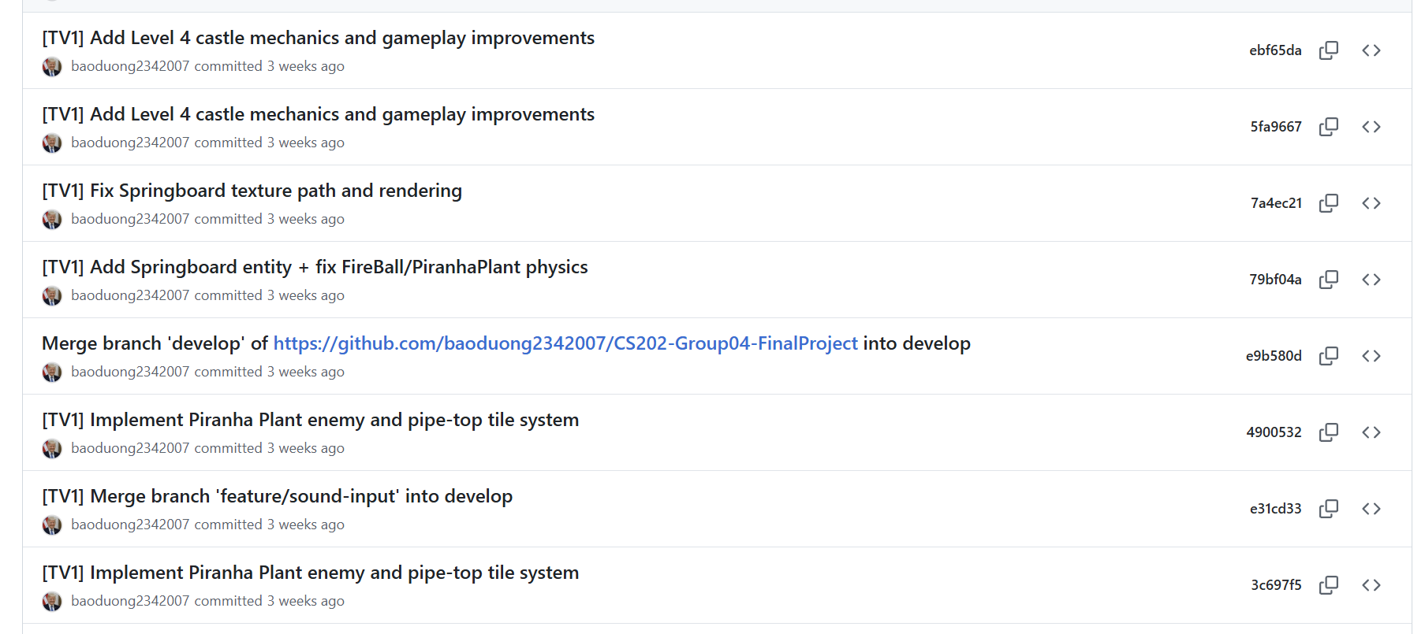
12 | 25125009 | Trương Quang Bảo Dương | Bug Fixes & Demo Prep: Unlocked camera, fixed climb bugs, removed background colors, and prepared test infrastructure. | 4h | 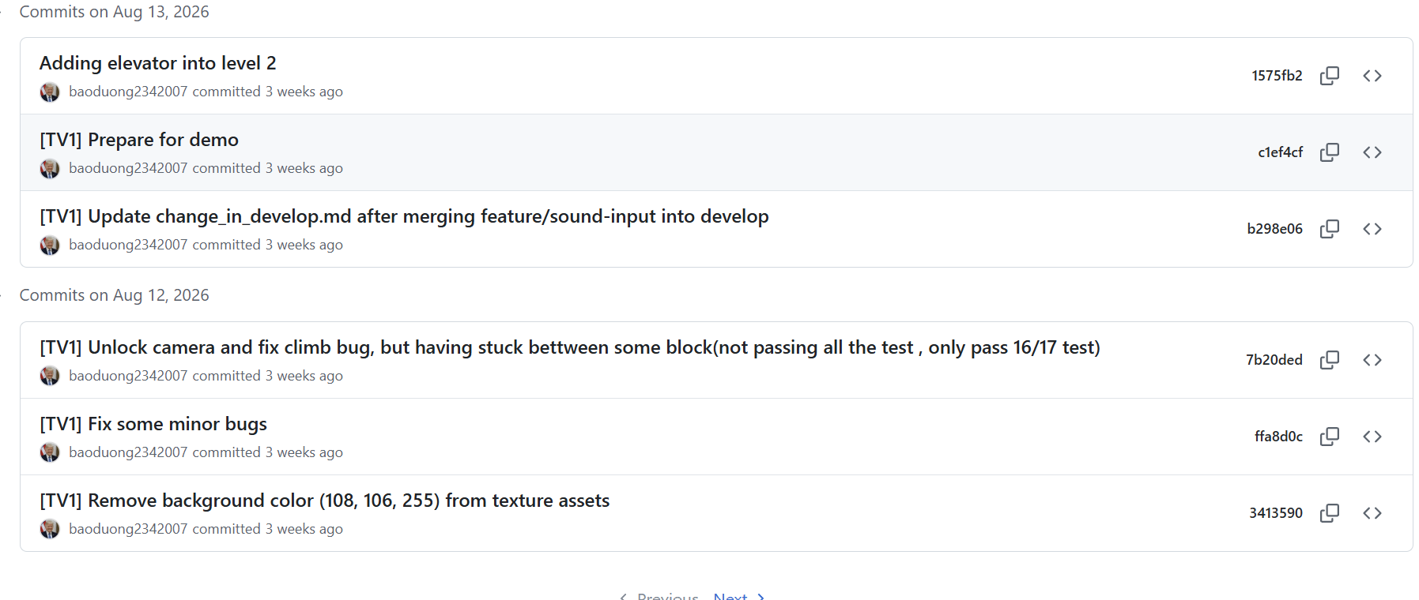
13 | 25125009 | Trương Quang Bảo Dương | Stage Select & Theme Polish: Added NES preview snapshots, multi-theme score popups, and pipe warp enter/exit transitions. | 3h | 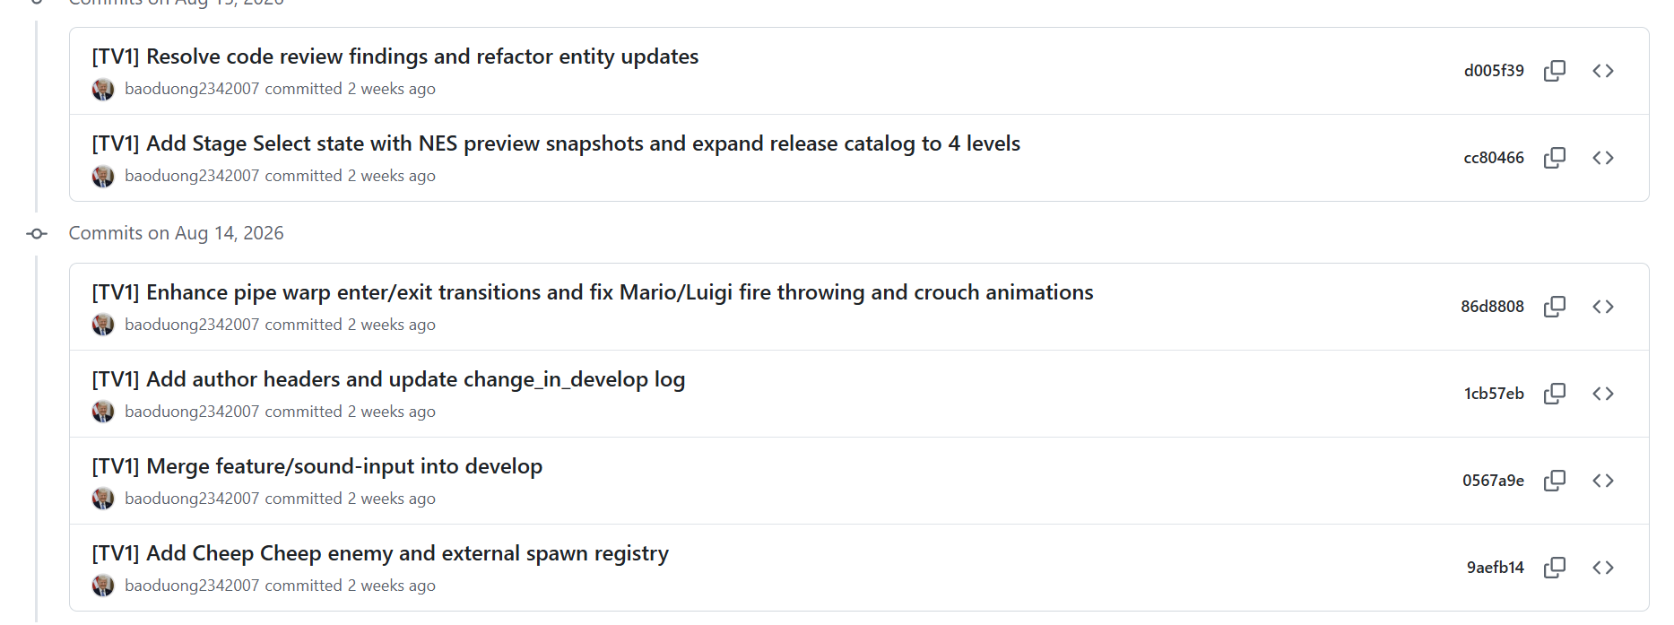
14 | 25125009 | Trương Quang Bảo Dương | Co-op HUD & Physics Synchronization: Implemented PvP ceiling clamp, HUD realignment, fixed Box2D physics sync order, and map geometries. | 6h | 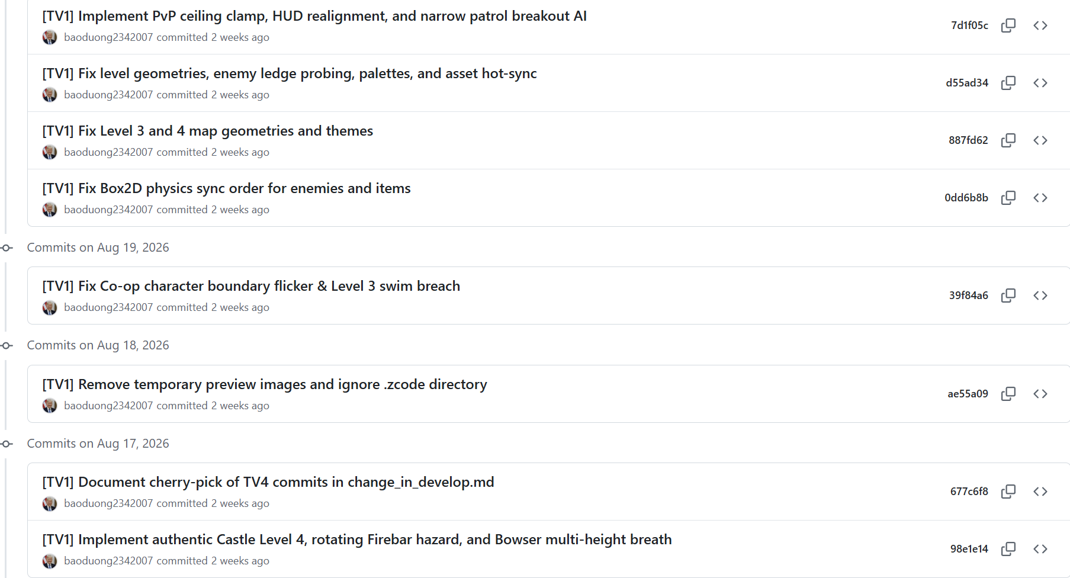
15 | 25125009 | Trương Quang Bảo Dương | Advanced Boss AI & Parallax: Enhanced Bowser shockwaves, directional ballistics, Hammer Bros AI, and parallax backgrounds. | 7h | 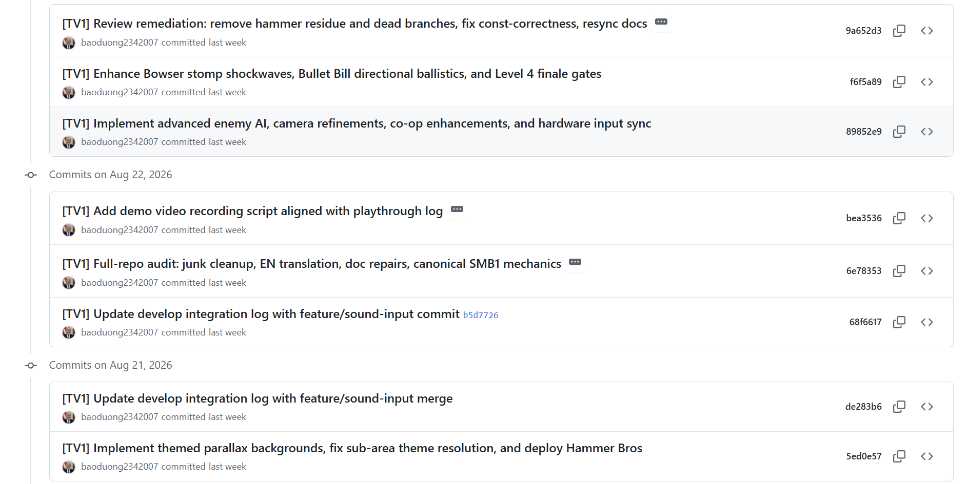
16 | 25125049 | Trần Hồng Vy | Level Format & TileMap Foundation: Defined the ASCII level-file grammar, created the initial Level 1 placeholder, and established TileMap/Enemy foundations. | 4h
17 | 25125049 | Trần Hồng Vy | TileMap Loading & Validation: Implemented level-file parsing, comment/blank-line handling, row-width and grid validation, symbol checks, and invalid-data reporting. | 5h
18 | 25125049 | Trần Hồng Vy | TileMap Queries, Rendering & Collision Geometry: Added tile/spawn queries, grid-to-world conversion, vertex geometry, textured rendering, and efficient solid-tile collision bodies. | 5h
19 | 25125049 | Trần Hồng Vy | Level 1 Design & Tutorial Progression: Built and iteratively refined Level 1 with platforms, pits, pipes, coins, enemy spawns, QuestionBlocks, scenery, and the finish pole. | 5h
20 | 25125049 | Trần Hồng Vy | Goomba Enemy System: Implemented Goomba patrol, wall/ledge response, walking animation, stomp/squish behavior, delayed removal, and pit cleanup. | 5h
21 | 25125049 | Trần Hồng Vy | Koopa State Machine & Shell Mechanics: Implemented Koopa patrol and animation, shell-idle/sliding states, stomp/kick transitions, wall response, and shell fixture alignment. | 5h
22 | 25125049 | Trần Hồng Vy | Enemy Runtime Activation & Cleanup: Added viewport-based activation/pause behavior, off-screen and out-of-bounds cleanup, spawn fairness adjustments, and patrol refinements. | 5h
23 | 25125049 | Trần Hồng Vy | Enemy Combat & Cross-Entity Collisions: Added lateral enemy collision handling, shell-versus-enemy defeats, duplicate-defeat prevention, and shell defeat integration. | 5h
24 | 25125049 | Trần Hồng Vy | Tileset Migration & Theme Rendering: Migrated TileMap/enemy rendering to consolidated atlases, corrected tile mappings, and integrated flags, poles, pipes, themed scenery, and asset metadata. | 5h
25 | 25125049 | Trần Hồng Vy | Level Validation & Finish/Item Contracts: Enforced spawn/finish/pole rules, separated ground and breakable-brick semantics, scoped pending tile hits, fixed QuestionBlock spawning, and added validator regressions. | 5h
26 | 25125049 | Trần Hồng Vy | Level 2 & Level 3 Release Design: Completed Underground Level 2 and the original high-difficulty Level 3 layouts, including pipe traversal, Koopa-heavy placement, gaps, coins, and difficulty balancing. | 6h
27 | 25125049 | Trần Hồng Vy | SaveManager Persistence & Regression Tests: Built versioned save data with persistent high score, unlocked level, audio volumes, atomic file replacement, invalid-save fallback, and regression coverage. | 6h
28 | 25125049 | Trần Hồng Vy | Release Verification & Gameplay Balancing: Finalized release layouts, refined enemy patrol/collision behavior, completed shell integration, and performed release playthrough and balance verification. | 5h
29 | 25125049 | Trần Hồng Vy | Indexed Pipe Warps & Level Grammar Extensions: Added indexed pipe-warp syntax, updated level tile grammar, refined horizontal-pipe behavior, and fixed Koopa traversal through low-clearance gaps. | 5h
30 | 25125049 | Trần Hồng Vy | Underwater/Castle Expansion & Ending Flow: Completed the Level 3 underwater route and liquid rendering, refined Castle hazards/environment, added Toad dialogue ending flow, and fixed themed area transitions/runtime stability. | 5h
31 | 25125033 | Nguyễn Phan Minh Nhật | Game Loop Refactoring: Refactored game loop out of main.cpp into decoupled Game.h and Game.cpp (managing window initialization, event polling, delta time). | 4h
32 | 25125033 | Nguyễn Phan Minh Nhật | Main Application Cleanup & Verification: Cleaned main.cpp to only instantiate and run the Game object, and verified the 1280x720 window across local environments. | 4h
33 | 25125033 | Nguyễn Phan Minh Nhật | Coding Standards Enforcement (Game Class): Replaced magic numbers with named constants (SCREEN_WIDTH, FRAMERATE_LIMIT), added m_ prefix for private members, and fixed duplicate labels in the Game class. | 4h
34 | 25125033 | Nguyễn Phan Minh Nhật | Debug Utilities & Warnings Mitigation: Wrapped debug output with #ifdef DEBUG guards and suppressed unused parameter warnings (e.g. (void)dt) in the Game class. | 3h
35 | 25125033 | Nguyễn Phan Minh Nhật | TextureManager Implementation: Designed and implemented TextureManager to load, cache, and safely retrieve sf::Texture objects by string IDs, effectively handling missing sources. | 6h
36 | 25125033 | Nguyễn Phan Minh Nhật | AnimationSystem Core: Built AnimationSystem to switch sprite sheet frames dynamically based on elapsed delta time for Mario's core states (idle, walk, jump). | 5h
37 | 25125033 | Nguyễn Phan Minh Nhật | AnimationSystem Expansion: Added additional animation sequences to the AnimationSystem such as "death" and "spawn" clips driven by float dt. | 5h
38 | 25125033 | Nguyễn Phan Minh Nhật | Camera Tracking & Clamping: Implemented Camera (sf::View) to smoothly track Mario's X-position while clamping boundaries so the viewport never scrolls past the level edge. | 4h
39 | 25125033 | Nguyễn Phan Minh Nhật | Advanced Camera Logic & Screen Shake: Added screen shake effect to the Camera when Mario dies and implemented hybrid Y-axis locking and deadzone tracking logic. | 5h
40 | 25125033 | Nguyễn Phan Minh Nhật | Screen Transition Effects: Implemented level transition fade-to-black effect using 0.5s sf::RectangleShape alpha interpolation when passing the level end flag. | 5h
41 | 25125033 | Nguyễn Phan Minh Nhật | MenuState Implementation: Implemented MenuState.h/.cpp with background image, animated UI elements, fine-tuned sprite slicing, and selection sound. | 5h
42 | 25125033 | Nguyễn Phan Minh Nhật | PauseState Implementation: Implemented PauseState.h/.cpp featuring a dark semi-transparent overlay, "PAUSED" text, and Resume/Quit options. | 4h
43 | 25125033 | Nguyễn Phan Minh Nhật | GameOverState Implementation: Designed and implemented GameOverState.h/.cpp displaying "GAME OVER", final score indicator, and retry/menu options. | 4h
44 | 25125033 | Nguyễn Phan Minh Nhật | WinState Implementation: Designed and implemented WinState.h/.cpp to display the victory screen, final score, and return to menu option. | 4h
45 | 25125033 | Nguyễn Phan Minh Nhật | Resolution Scaling & Letterboxing: Developed letterbox logic with integer scaling, locking the window size ratio to 1280x720 for consistent resolution management across screens. | 5h
46 | 25125033 | Nguyễn Phan Minh Nhật | Shared UI Layout & Render Polish: Proposed and implemented a shared UI layout helper for state screens and polished sprite rendering z-ordering across the game. | 4h
47 | 25125033 | Nguyễn Phan Minh Nhật | Feature Testing & Code Quality Audits: Authored test drivers (main.cpp) for TextureManager/Camera and systematically ensured codebase alignment with CODING_RULES.md and Doxygen standards. | 4h
48 | 25125068 | Lê Phi Truyền | Designed the initial audio architecture by declaring the `SoundManager` Singleton header skeleton (`include/core/SoundManager.h`), defined `ICommand` & `InputHandler` initial contracts, and authored the comprehensive game asset checklist specification (`assets/ASSETS_LIST.md`). | 2h
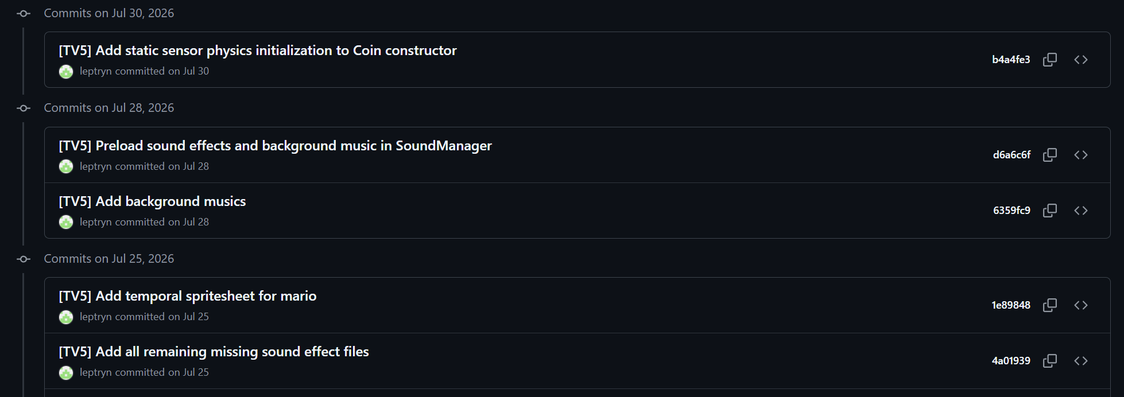
49 | 25125068 | Lê Phi Truyền | Implemented concrete player action command classes in `src/patterns/`, built SFML 3.0 audio playback in `SoundManager.cpp` with `EventBus` integration, designed abstract `Item` base class, and added jump/coin SFX. | 3h
50 | 25125068 | Lê Phi Truyền | Preloaded all sound effects and background music tracks (`Ground`, `Underground`, `Castle`) in `SoundManager` constructor to eliminate gameplay latency, and added Box2D static sensor body initialization to `Coin` constructor. | 4h
51 | 25125068 | Lê Phi Truyền | Added key release detection with command `undo()` in `InputHandler` to halt Mario's movement immediately upon release, integrated `InputHandler` into `Game::processEvents()`, imported full NES spritesheets, and linked `SoundManager` via `IObserver`. | 4h
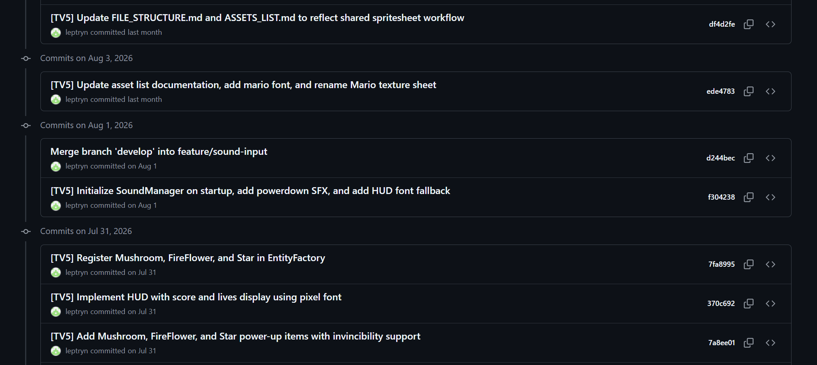
52 | 25125068 | Lê Phi Truyền | Implemented `Mushroom`, `FireFlower`, and `Star` entities with kinematic/sensor Box2D bodies and invincibility timers, registered them into `EntityFactory::createItem()`, built pixel font `HUD` overlay with font fallback, and documented the asset pipeline. | 4h
53 | 25125068 | Lê Phi Truyền | Defined centralized `SpriteFrames.h` containing frame rectangles for Mario, Luigi, items, and UI; added `createManualAnimation()` helper; implemented sprite auto-scaling during Box2D synchronization; and integrated `QuestionBlock` entity. | 4h
54 | 25125068 | Lê Phi Truyền | Implemented event-driven command input handling, centralized coin collection state for HUD, fixed coin popup bounce physics and scaling, stabilized tile collisions, and verified the first stable gameplay version. | 4h
55 | 25125068 | Lê Phi Truyền | Added `Released` trigger to `InputState`, multi-key bindings, `RunCommand` (Shift sprint acceleration), `ShootCommand` (X key FireBall shot request), `JumpReleaseCommand` (variable jump height cutoff), and input blocking during pause/death. | 4h
56 | 25125068 | Lê Phi Truyền | Added a 400s HUD level countdown timer with low-time warning SFX and timeout death trigger, `MusicId`-based track switching, a 4-voice concurrent SFX pool in `SoundManager`, volume clamping, and organized reference documentation. | 4h
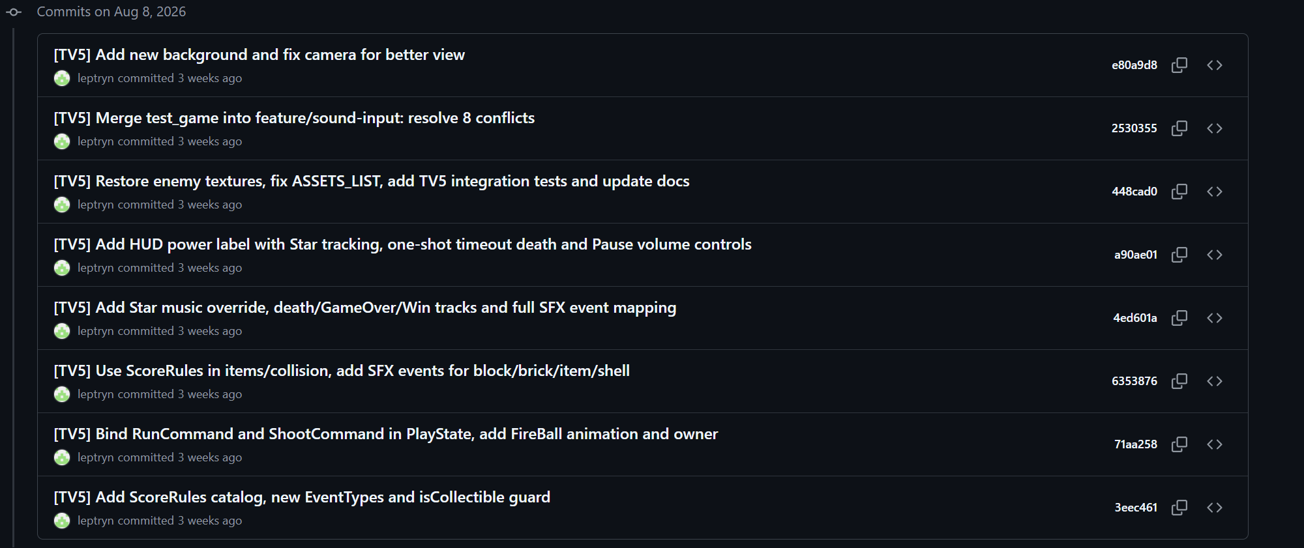
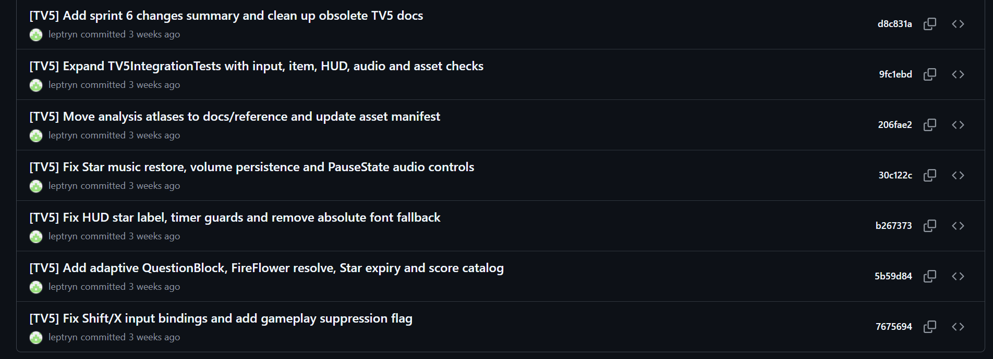
57 | 25125068 | Lê Phi Truyền | Created `ScoreRules.h/.cpp` catalog for unified score values, added `isCollectible` atomic guard to prevent duplicate events, implemented Star music override/restore, full SFX event mapping, Pause volume controls, and `TV5IntegrationTests.cpp`. | 4h
58 | 25125068 | Lê Phi Truyền | Added gameplay suppression flags during cutscenes and transformations, preserved Small Fire / Super Fire Mario body tiers across damage, ensured Star music restores accurately, and expanded integration tests. | 4h
59 | 25125068 | Lê Phi Truyền | Centralized enemy defeat logic in `CollisionManager::defeatEnemy()` with distinct cause events (`STOMP`, `SHELL`, `FIREBALL`, `STAR`), dedicated sound effect cues, and `GAME_RESUMED` audio handling. | 4h
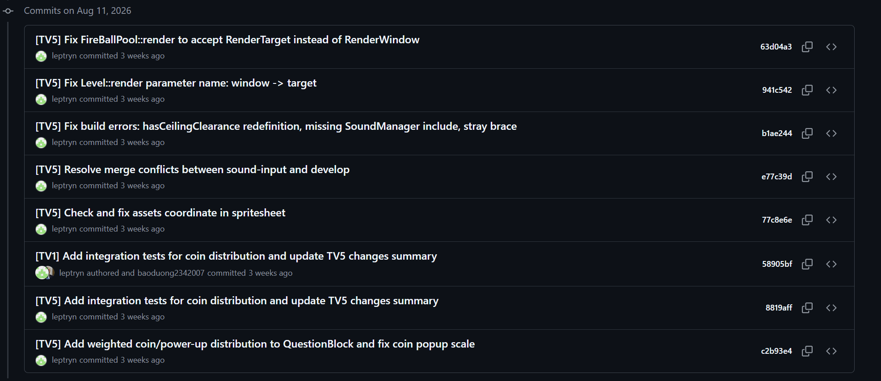
60 | 25125068 | Lê Phi Truyền | Refactored `SpriteFrames` into modular per-theme catalogs (Shared, Overworld, Underground, Castle, Underwater), propagated `LevelTheme` across entities and `EntityFactory`, and added automated theme unit tests. | 4h
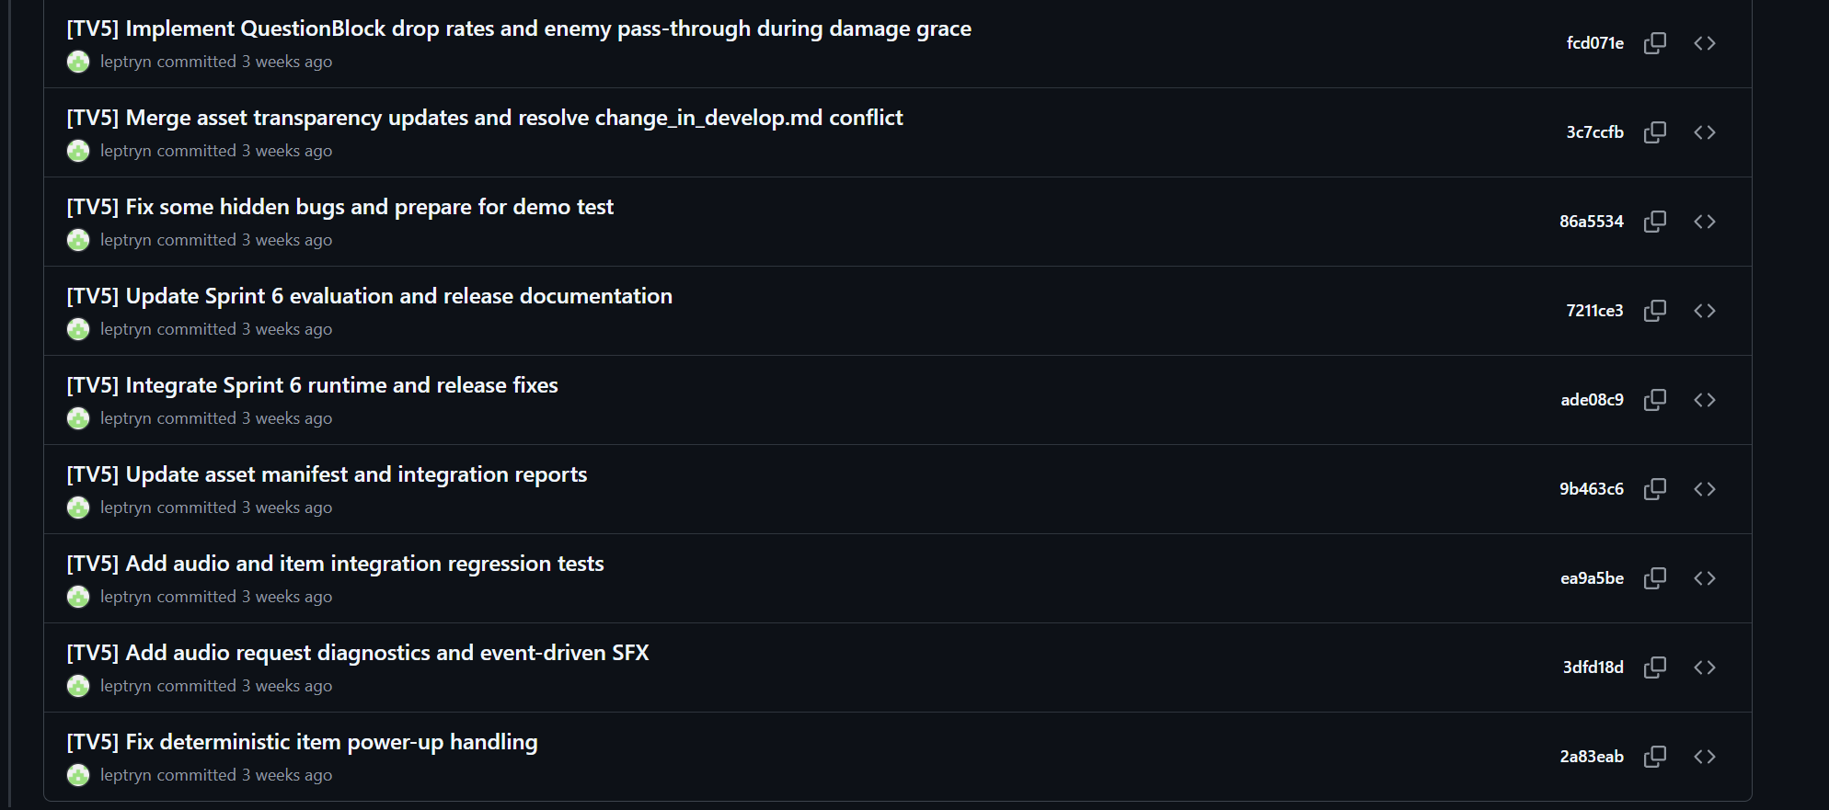
61 | 25125068 | Lê Phi Truyền | Implemented weighted drop probability for `QuestionBlock` (70% Coin, 15% Mushroom, 15% FireFlower), resolved `sf::RenderTarget` rendering signatures across engine classes, and verified sprite atlas coordinates. | 4h
62 | 25125068 | Lê Phi Truyền | Added audio request diagnostics to guarantee exactly 1 SFX request per action, added enemy pass-through during damage grace, fixed deterministic item power-up handling, and updated test reports. | 5h
63 | 25125068 | Lê Phi Truyền | Tuned Mario/Luigi acceleration and friction parameters, resolved pipe warp layout integrations, fixed block-stuck collision edge cases, and implemented character selection flow. | 4h
64 | 25125068 | Lê Phi Truyền | Implemented progressive stomp combo multipliers (100 -> 200 -> 400 -> 800 -> 1-Up) for multi-enemy stomps without landing, added visual score popups, and verified Sprint 7 release criteria. | 4h
65 | 25125068 | Lê Phi Truyền | Developed 2-Player Co-op and PvP versus demo modes, configured dual keyboard input dispatching (WASD vs Arrow keys), and tested multi-enemy combat interactions across all enemy types. | 6h
66 | 25125068 | Lê Phi Truyền | Modernized OOP architecture: `EntitySubtype`, `Capability` bitmasks, read-only `EntityView`, polymorphic `EntityFactory` Creator hierarchy, RAII Subscription tokens for `EventBus`, `SoundId` enum, and flagpole sequence. | 5h
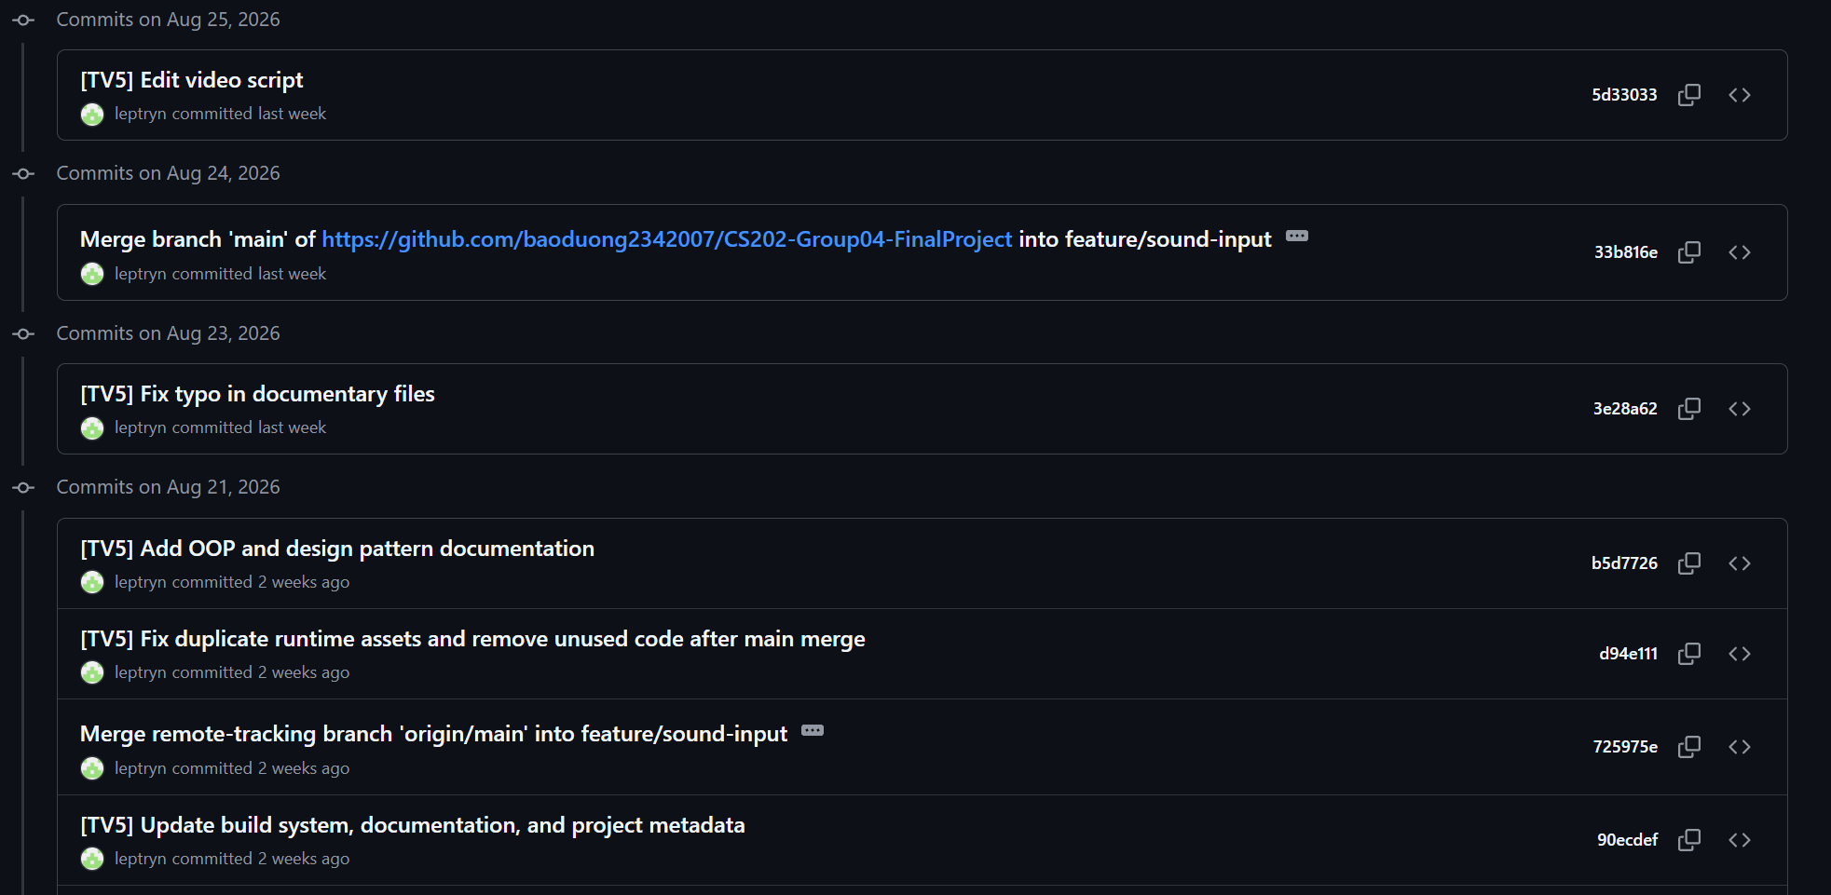
67 | 25125068 | Lê Phi Truyền | Authored comprehensive OOP design patterns documentation (`docs/design_patterns.md`), cleaned duplicate runtime assets, synchronized project metadata, and authored the 5-minute video demo walkthrough narration script. | 3h
68 | 25125079 | Nguyễn Quốc Bảo | Designed and implemented the core entity inheritance hierarchy (Entity ➔ Character ➔ Mario) adhering strictly to OOP principles. Defined abstract base properties (position, velocity, bounding dimensions, sprite wrappers) and pure virtual update(float dt) and render() interface stubs. | 4h
69 | 25125079 | Nguyễn Quốc Bảo | Built the PhysicsEngine Singleton architecture integrating Box2D v2.4.1 (configured via CMake FetchContent). Implemented the fixed timestep accumulator (1/60s), Pixel-Per-Meter (PPM) bidirectional scaling utilities (pixelsToMeters, metersToPixels), gravity calculations, and terminal velocity fall limits. | 5h
70 | 25125079 | Nguyễn Quốc Bảo | Implemented Box2D ContactListener callback hooks to handle player-to-environment and player-to-enemy collisions (grounded state detection via surface normal angles, stomp-to-kill detection). Implemented Mario movement (handleInput()) and initial power-up state transition stubs. | 4h
71 | 25125079 | Nguyễn Quốc Bảo | Audited and refactored Mario.cpp, PhysicsEngine.cpp, and ContactListener.cpp to eliminate all magic numbers, replacing them with named UPPER_SNAKE_CASE constants (DEFAULT_JUMP_FORCE, DEFAULT_MOVE_SPEED, DEFAULT_HEALTH). Added Doxygen @file, @author TV3, and @brief blocks. | 3h
72 | 25125079 | Nguyễn Quốc Bảo | Finalized directional collision resolution in ContactListener.cpp: top stomp (normal.y > 0.7f) eliminates enemies and applies upward bounce velocity, while lateral/underneath contact damages Mario. Refined PhysicsEngine against AABB corner tunneling. Implemented dynamic Box2D fixture resizing during Mario growth transformations (Small 16×16 to Super 16×32) with EventBus signal dispatch. | 5h
73 | 25125079 | Nguyễn Quốc Bảo | Designed and implemented CollisionManager.h/.cpp with type-safe reinterpret_cast<Entity*> user data extraction, nullptr checks before dynamic_cast, and decoupled b2ContactListener callbacks. Established clean dispatch paths for Mario-Enemy, Mario-Item, Enemy-Wall, and Projectile collisions. | 4h
74 | 25125079 | Nguyễn Quốc Bảo | Created FireBall.h/.cpp bouncing projectile entity featuring Box2D unit scaling, surface-aware parabolic ground bounce impulses, lifetime expiration, and deferred Box2D body destruction to eliminate crashes caused by deleting physics bodies during active b2World::Step() callbacks. | 5h
75 | 25125079 | Nguyễn Quốc Bảo | Re-engineered Mario movement physics to match authentic 1985 NES Super Mario Bros. mechanics: ground acceleration curves, turnaround skid friction with visual directional indicators, low air drag, and variable jump height short hops. Fixed mid-air wall-sticking bugs by zeroing contact friction (contact->SetFriction(0.0f)). | 5h
76 | 25125079 | Nguyễn Quốc Bảo | Developed the interactive test harness TV3Demo.h/.cpp with a static golden overhead Question Block fixture to test Mario's upward block-bumping collisions, jump apex clearances, and FireBall bounces. Standardized CMake DEBUG preprocessor definitions. | 3h
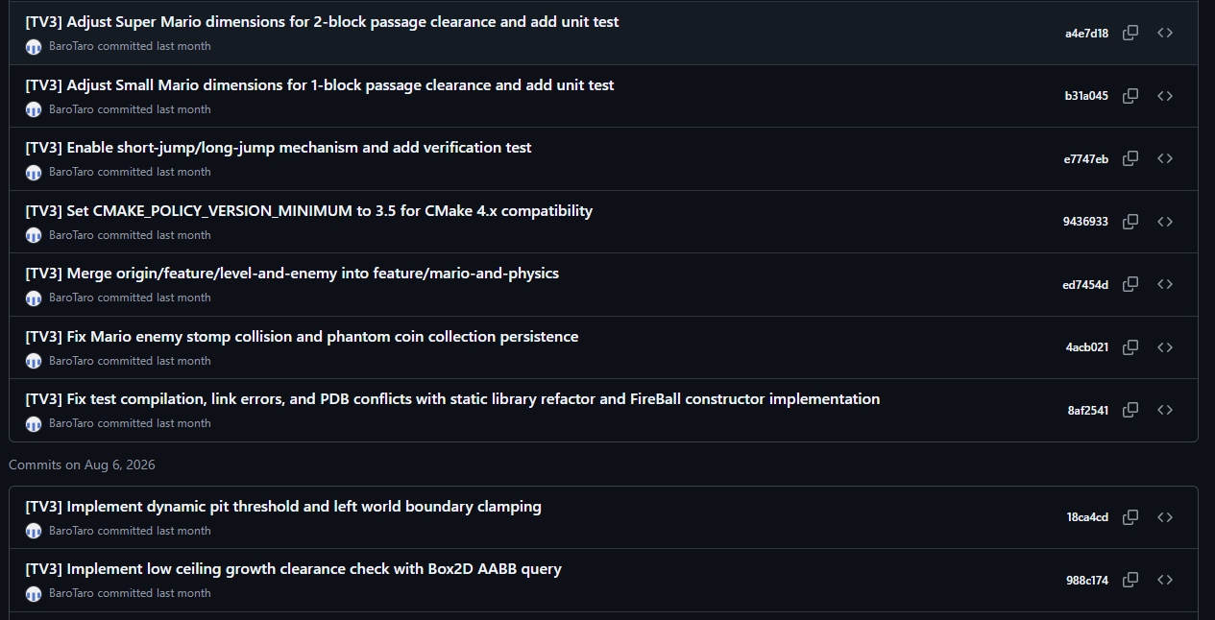
77 | 25125079 | Nguyễn Quốc Bảo | Implemented the MarioState state pattern (SMALL, SUPER, FIRE). Engineered the growth animation sequence (sprite swap + dynamic Box2D fixture enlargement), damage downgrade transitions (FIRE ➔ SUPER ➔ SMALL ➔ loseLife()), Fire form palette swap, and integrated FireBall firing with a 250ms cooldown. | 6h
78 | 25125079 | Nguyễn Quốc Bảo | Calibrated Small Mario dimensions (1-block clearance, 30px height) and Super/Fire Mario dimensions (2-block clearance, 60px height) to ensure tight passage traversal without tile clipping. Implemented dynamic pit death detection threshold (800.f) and left world boundary viewport clamping. | 3h
79 | 25125079 | Nguyễn Quốc Bảo | Implemented full separation of walking and sprinting via Shift keys (LShift/RShift/J), establishing authentic NES speed curves. Bound multi-key FireBall shooting controls (X, F, J) in PlayState with test verification. | 3h
80 | 25125079 | Nguyễn Quốc Bảo | Refactored the physics timestep accumulator to be per-instance with MAX_SUBSTEPS clamp protection against delta time spikes. Disambiguated Starman invincibility timer from post-damage grace blinking timer to prevent state overwriting, and added single-dispatch stomp/kick routing for Koopa shells. | 4h
81 | 25125079 | Nguyễn Quốc Bảo | Consolidated FireBall management into requestFireBallShot with a strict pool limit of 2 active projectiles. Unified enemy defeat logic in CollisionManager, ensuring kicked sliding Koopa shells eliminate all enemy types with single-dispatch idempotence and score distribution. | 4h
82 | 25125079 | Nguyễn Quốc Bảo | Pruned legacy deprecated Mario members/methods, unified fixture-derived bounding queries, aligned TV3Demo with the Command pattern, and completed the full Doxygen header documentation audit across all TV3 headers. | 4h
83 | 25125079 | Nguyễn Quốc Bảo | Developed automated unit test suites covering physics substep clamping, multi-world physics isolation, Mario growth hitbox scaling, death state resets, Starman invincibility immunity, and collision dispatch matrices. | 4h
84 | 25125079 | Nguyễn Quốc Bảo | Conducted comprehensive 4-level playthrough audits (World 1-1 Overworld, 1-2 Underground, 1-3 Underwater buoyancy/swimming, 1-4 Castle hazards & Bowser). Implemented a 120ms jump buffering window, held-jump stomp velocity boost, Bowser star immunity, and co-op head-bounce boost jump mechanics in CollisionManager. | 5h
85
86
87
88
89
90
91
92
93
94
95
96
97
98
99
100
101
102
103
104
105
106
107
108
109
110
111
112
113
114
115
116
117
118
119
120
121
122
123
124
125
126
127
128
129
130
131
132
133
134
135
136
137
138
139
140
141
142
143
144
145
146
147
148
149
150
151
152
153
154
155
156
157
158
159
160
161
162
163
164
165
166
167
168
169
170
171
172
173
174
175
176
177
178
179
180
181
182
183
184
185
186
187
188
189
190
191
192
193
194
195
196
197
198
199
200
201
202
203
204
205
206
207
208
209
210
211
212
213
214
215
216
217
218
219
220
221
222
223
224
225
226
227
228
229
230
231
232
233
234
235
236
237
238
239
240
241
242
243
244
245
246
247
248
249
250
251
252
253
254
255
256
257
258
259
260
261
262
263
264
265
266
267
268
269
270
271
272
273
274
275
276
277
278
279
280
281
282
283
284
285
286
287
288
289
290
291
292
293
294
295
296
297
298
299
300
301
302
303
304
305
306
307
308
309
310
311
312
313
314
315
316
317
318
319
320
321
322
323
324
325
326
327
328
329
330
331
332
333
334
335
336
337
338
339
340
341
342
343
344
345
346
347
348
349
350
351
352
353
354
355
356
357
358
359
360
361
362
363
364
365
366
367
368
369
370
371
372
373
374
375
376
377
378
379
380
381
382
383
384
385
386
387
388
389
390
391
392
393
394
395
396
397
398
399
400
401
402
403
404
405
406
407
408
409
410
411
412
413
414
415
416
417
418
419
420
421
422
423
424
425
426
427
428
429
430
431
432
433
434
435
436
437
438
439
440
441
442
443
444
445
446
447
448
449
450
451
452
453
454
455
456
457
458
459
460
461
462
463
464
465
466
467
468
469
470
471
472
473
474
475
476
477
478
479
480
481
482
483
484
485
486
487
488
489
490
491
492
493
494
495
496
497
498
499
500
501
502
503
504
505
506
507
508
509
510
511
512
513
514
515
516
517
518
519
520
521
522
523
524
525
526
527
528
529
530
531
532
533
534
535
536
537
538
539
540
541
542
543
544
545
546
547
548
549
550
551
552
553
554
555
556
557
558
559
560
561
562
563
564
565
566
567
568
569
570
571
572
573
574
575
576
577
578
579
580
581
582
583
584
585
586
587
588
589
590
591
592
593
594
595
596
597
598
599
600
601
602
603
604
605
606
607
608
609
610
611
612
613
614
615
616
617
618
619
620
621
622
623
624
625
626
627
628
629
630
631
632
633
634
635
636
637
638
639
640
641
642
643
644
645
646
647
648
649
650
651
652
653
654
655
656
657
658
659
660
661
662
663
664
665
666
667
668
669
670
671
672
673
674
675
676
677
678
679
680
681
682
683
684
685
686
687
688
689
690
691
692
693
694
695
696
697
698
699
700
701
702
703
704
705
706
707
708
709
710
711
712
713
714
715
716
717
718
719
720
721
722
723
724
725
726
727
728
729
730
731
732
733
734
735
736
737
738
739
740
741
742
743
744
745
746
747
748
749
750
751
752
753
754
755
756
757
758
759
760
761
762
763
764
765
766
767
768
769
770
771
772
773
774
775
776
777
778
779
780
781
782
783
784
785
786
787
788
789
790
791
792
793
794
795
796
797
798
799
800
801
802
803
804
805
806
807
808
809
810
811
812
813
814
815
816
817
818
819
820
821
822
823
824
825
826
827
828
829
830
831
832
833
834
835
836
837
838
839
840
841
842
843
844
845
846
847
848
849
850
851
852
853
854
855
856
857
858
859
860
861
862
863
864
865
866
867
868
869
870
871
872
873
874
875
876
877
878
879
880
881
882
883
884
885
886
887
888
889
890
891
892
893
894
895
896
897
898
899
900
901
902
903
904
905
906
907
908
909
910
911
912
913
914
915
916
917
918
919
920
921
922
923
924
925
926
927
928
929
930
931
932
933
934
935
936
937
938
939
940
941
942
943
944
945
946
947
948
949
950
951
952
953
954
955
956
957
958
959
960
961
962
963
964
965
966
967
968
969
970
971
972
973
974
975
976
977
978
979
980
981
982
983
984
985
986
987
988
989
990
991
992
993
994
995
996
997

