Screen Spec (Layout)
System Name |  | vba_brain |  |  |  | Screen Spec (Layout) |  |  |  |  | Author |  | RikkeiTool |  | Created Date | 26/05/2026
Sub-system Name |  |  |  |  |  |  |  |  |  |  | Updated By |  |  |  | Update Date

Screen ID |  |  |  | Screen Name
●Functional Overview: |  |  |  |  |  |  |  |  | ●Timing:
●Constraints:

Image |  |  |  |  |  |  |  |  |  |  |  | Overview
 |  |  |  |  |  |  |  |  |  |  |  | Record Source

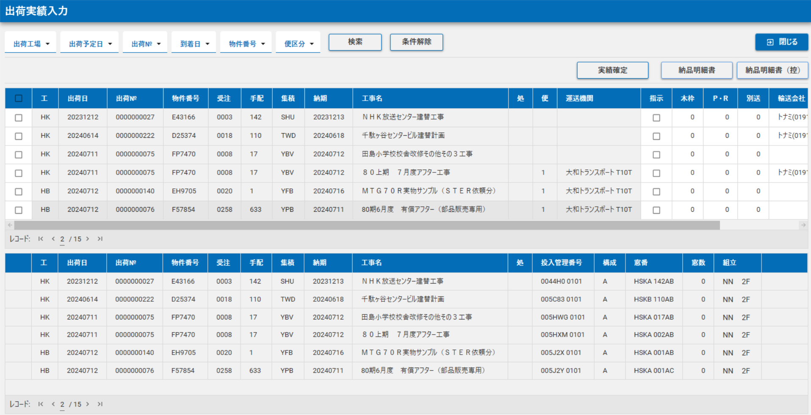

 |  |  |  |  |  |  |  |  |  |  |  | 【Process Overview】

Event ID | Control Type |  | Logical Name |  | Physical Name |  | Caption/Label | Event Trigger |  | Event TriggerContent |  |  |  | Module ID |  |  | Notes

