React App
 | Module Code | Wallet
 | Purpose | Manage SGD/TEC balance of vendor
 | Pre-condition
 | Tester
 | Pass | Fail | Untested | N/A | No of TC
 | 46 | 54 | 14 | 0 | 57

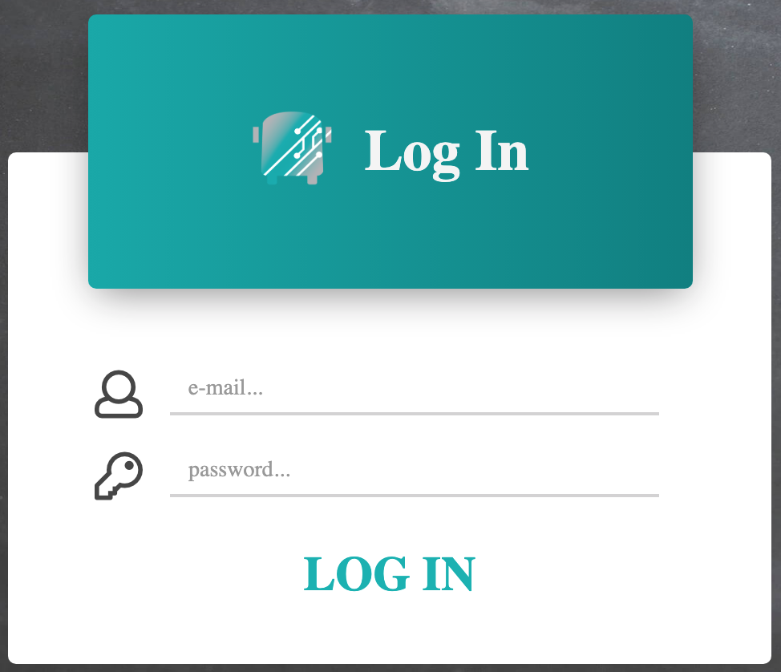
ID | Test Case Description | Test Case Procedure | Expected Output | Phu
 |  |  |  | Chrome | Safari | Test date
I | Login page
I.1 | Verify UI
1 | Verify Log In title and icon | Navigate to http://ktvn-test.s3-website.us-east-1.amazonaws.com/ | The text and icon as design (position, color, font, text) | Pass | Pass | 11/14/2019
2 | Verify Email textbox and icon |  | The text and icon as design (position, color, font, text) | Pass | Pass
3 | Verify Password textbox and icon |  | The text and icon as design (position, color, font, text) | Pass | Pass
4 | Verify LOG IN link |  | The text as design (position, color, font, text) | Pass | Pass
5 | Verify @ Education Logistics, Inc. |  | The text as design (position, color, font, text) | Pass | Pass
I.2 | Business Rules
6 | Verify success login with valid username and password | 1. Navigate to http://ktvn-test.s3-website.us-east-1.amazonaws.com/ 2. Input valid username 3. Input valid password 4. Click Log In | Go to Home page | Pass | Pass
7 | Verify unsuccess login with empty password | 1. Navigate to http://ktvn-test.s3-website.us-east-1.amazonaws.com/ 2. Input valid username 3. Empty on password 4. Click Log In | Display error message | Fail | Fail
8 | Verify unsuccess login with invalid password | 1. Navigate to http://ktvn-test.s3-website.us-east-1.amazonaws.com/ 2. Input valid username 3. Input invalid password 4. Click Log In | Display error message | Fail | Fail
9 | Verify unsuccess login with Always True injection sql password | 1. Navigate to http://ktvn-test.s3-website.us-east-1.amazonaws.com/ 2. Input valid username 3. Input " or ""=" to password 4. Click Log In | Display error message | Fail | Fail
10 | Verify unsuccess login with Batched SQL Statements injection sql password | 1. Navigate to http://ktvn-test.s3-website.us-east-1.amazonaws.com/ 2. Input valid username 3. Input "; DROP TABLE test to password 4. Click Log In | Display error message | Fail | Fail
11 | Verify unsuccess login with XSS Password | 1. Navigate to http://ktvn-test.s3-website.us-east-1.amazonaws.com/ 2. Input valid username 3. Input <script>alert(document.cookie);</script> to password 4. Click Log In | Display error message | Fail | Fail
12 | Verify unsuccess login with empty username | 1. Navigate to http://ktvn-test.s3-website.us-east-1.amazonaws.com/ 2. Empty on username 3. Input valid password 4. Click Log In | Display error message | Fail | Fail
13 | Verify unsuccess login with invalid email format username | 1. Navigate to http://ktvn-test.s3-website.us-east-1.amazonaws.com/ 2. Input test@ to username 3. Input valid password 4. Click Log In | Display error message | Fail | Fail
14 | Verify unsuccess login with not exist username | 1. Navigate to http://ktvn-test.s3-website.us-east-1.amazonaws.com/ 2. Input notfound@not.com to username 3. Input valid password 4. Click Log In | Display error message | Fail | Fail
15 | Verify unsuccess login with Always True injection sql password | 1. Navigate to http://ktvn-test.s3-website.us-east-1.amazonaws.com/ 2. Input valid username 3. Input " or ""=" to password 4. Click Log In | Display error message | Fail | Fail
16 | Verify unsuccess login with Batched SQL Statements injection sql password | 1. Navigate to http://ktvn-test.s3-website.us-east-1.amazonaws.com/ 2. Input valid username 3. Input "; DROP TABLE test to password 4. Click Log In | Display error message | Fail | Fail
17 | Verify unsuccess login with XSS Password | 1. Navigate to http://ktvn-test.s3-website.us-east-1.amazonaws.com/ 2. Input valid username 3. Input <script>alert(document.cookie);</script> to password 4. Click Log In | Display error message | Fail | Fail
II | Home page
II.1 | Verify UI
18 | Verify Navigation bar | 1. Navigate to http://ktvn-test.s3-website.us-east-1.amazonaws.com/ 2. Success login | The text and icon as design (position, color, font, text) | Pass | Pass
19 | Verify Name of user |  | The text as design (position, color, font, text) | Pass | Pass
20 | Verify data table. Fields: Request Status, Date Submitted, Requester, Student ID, First Name, Last Name, DOB, Notes User |  | The text as design (position, color, font, text) | Pass | Pass
21 | Verify Filter popup |  | The text as design (position, color, font, text) | Pass | Pass
22 | Verify @ Education Logistics, Inc. |  | The text as design (position, color, font, text) | Pass | Pass
II.2 | Business Rules
22 | Click Parent Portal on Navigation bar | 1. Navigate to http://ktvn-test.s3-website.us-east-1.amazonaws.com/ 2. Success login 3. Click Parent Portal | Refresh data | Fail | Fail
23 | Click Sign out | 1. Navigate to http://ktvn-test.s3-website.us-east-1.amazonaws.com/ 2. Success login 3. Click Sign out dropdown menu item | Back to login page | Pass | Pass
24 | Sort Request Status ascending | 1. Navigate to http://ktvn-test.s3-website.us-east-1.amazonaws.com/ 2. Success login 3. Click Request Status column header | Sort data by Request Status ascending | Pass | Pass
25 | Sort Request Status descending | 1. Navigate to http://ktvn-test.s3-website.us-east-1.amazonaws.com/ 2. Success login 3. Click Request Status column header | Sort data by Request Status decending | Pass | Pass
26 | Sort Date Submitted ascending | 1. Navigate to http://ktvn-test.s3-website.us-east-1.amazonaws.com/ 2. Success login 3. Click Date Submitted column header | Sort data by Request Status ascending | Pass | Pass
27 | Sort Date Submitted descending | 1. Navigate to http://ktvn-test.s3-website.us-east-1.amazonaws.com/ 2. Success login 3. Click Date Submitted column header | Sort data by Request Status decending | Pass | Pass
28 | Sort Requester ascending | 1. Navigate to http://ktvn-test.s3-website.us-east-1.amazonaws.com/ 2. Success login 3. Click Requester column header | Sort data by Request Status ascending | Pass | Pass
29 | Sort Requester descending | 1. Navigate to http://ktvn-test.s3-website.us-east-1.amazonaws.com/ 2. Success login 3. Click Requester column header | Sort data by Request Status decending | Pass | Pass
30 | Sort First Name ascending | 1. Navigate to http://ktvn-test.s3-website.us-east-1.amazonaws.com/ 2. Success login 3. Click First Name column header | Sort data by Request Status ascending | Pass | Pass
31 | Sort First Name descending | 1. Navigate to http://ktvn-test.s3-website.us-east-1.amazonaws.com/ 2. Success login 3. Click First Name column header | Sort data by Request Status decending | Pass | Pass
32 | Sort Last Name ascending | 1. Navigate to http://ktvn-test.s3-website.us-east-1.amazonaws.com/ 2. Success login 3. Click Last Name column header | Sort data by Request Status ascending | Pass | Pass
33 | Sort Last Name descending | 1. Navigate to http://ktvn-test.s3-website.us-east-1.amazonaws.com/ 2. Success login 3. Click Last Name column header | Sort data by Request Status decending | Pass | Pass
34 | Sort DOB ascending | 1. Navigate to http://ktvn-test.s3-website.us-east-1.amazonaws.com/ 2. Success login 3. Click DOB column header | Sort data by Request Status ascending | Pass | Pass
35 | Sort DOB descending | 1. Navigate to http://ktvn-test.s3-website.us-east-1.amazonaws.com/ 2. Success login 3. Click DOB column header | Sort data by Request Status decending | Pass | Pass
36 | Verify paging with 25 items | 1. Navigate to http://ktvn-test.s3-website.us-east-1.amazonaws.com/ 2. Success login 3. Select 25 on paging - dropdown | Display 25 items per page | Untested | Untested
37 | Verify paging with 50 items | 1. Navigate to http://ktvn-test.s3-website.us-east-1.amazonaws.com/ 2. Success login 3. Select 50 on paging - dropdown | Display 50 items per page | Untested | Untested
38 | Verify paging with 100 items | 1. Navigate to http://ktvn-test.s3-website.us-east-1.amazonaws.com/ 2. Success login 3. Select 100 on paging - dropdown | Display 100 items per page | Untested | Untested
39 | Verify paging - move next | 1. Navigate to http://ktvn-test.s3-website.us-east-1.amazonaws.com/ 2. Success login 3. Click paging - move next button | Display the next page | Untested | Untested
40 | Verify paging - move last | 1. Navigate to http://ktvn-test.s3-website.us-east-1.amazonaws.com/ 2. Success login 3. Click paging - move last button | Display the last page | Untested | Untested
41 | Verify paging - move previous | 1. Navigate to http://ktvn-test.s3-website.us-east-1.amazonaws.com/ 2. Success login 3. Click paging - move previous button | Display the previous page | Untested | Untested
42 | Verify paging - move first | 1. Navigate to http://ktvn-test.s3-website.us-east-1.amazonaws.com/ 2. Success login 3. Click paging - move first button | Display the first page | Untested | Untested
43 | Verify filter - request status is all | 1. Navigate to http://ktvn-test.s3-website.us-east-1.amazonaws.com/ 2. Success login 3. Click Filter icon 4. Set all to Request Status 5. Click Apply Filters button | Display all request status filter expression above the data table and display all request status data on the data table | Fail | Fail
44 | Verify filter - request status is Approved/Denied/Pending/Rejected/Inactive | 1. Navigate to http://ktvn-test.s3-website.us-east-1.amazonaws.com/ 2. Success login 3. Click Filter icon 4. Set Approved/Denied/Pending/Rejected/Inactive to Request Status 5. Click Apply Filters button | Display Approved/Denied/Pending/Rejected/Inactive request status filter expression above the data table and display Approved/Denied/Pending/Rejected/Inactive request status data on the data table | Fail | Fail
45 | Verify filter - Email is existed | 1. Navigate to http://ktvn-test.s3-website.us-east-1.amazonaws.com/ 2. Success login 3. Click Filter icon 4. Input exited email to Email 5. Click Apply Filters button | Display the email filter expression above the data table and display the email data on the data table | Fail | Fail
46 | Verify filter - Email is not existed | 1. Navigate to http://ktvn-test.s3-website.us-east-1.amazonaws.com/ 2. Success login 3. Click Filter icon 4. Input non exited email to Email 5. Click Apply Filters button | Display the email filter expression above the data table and display empty on the data table | Fail | Fail
47 | Verify filter - Student Id is existed | 1. Navigate to http://ktvn-test.s3-website.us-east-1.amazonaws.com/ 2. Success login 3. Click Filter icon 4. Input exited id to Student Id 5. Click Apply Filters button | Display the Student Id filter expression above the data table and display the Student Id data on the data table | Fail | Fail
48 | Verify filter - Student Id is not existed | 1. Navigate to http://ktvn-test.s3-website.us-east-1.amazonaws.com/ 2. Success login 3. Click Filter icon 4. Input non exited id to Student Id 5. Click Apply Filters button | Display the email filter expression above the data table and display empty on the data table | Fail | Fail
49 | Verify filter - Student First Name is existed | 1. Navigate to http://ktvn-test.s3-website.us-east-1.amazonaws.com/ 2. Success login 3. Click Filter icon 4. Input exited first name to Student First Name 5. Click Apply Filters button | Display the Student First Name filter expression above the data table and display the Student First Name data on the data table | Fail | Fail
50 | Verify filter - Student First Name is not existed | 1. Navigate to http://ktvn-test.s3-website.us-east-1.amazonaws.com/ 2. Success login 3. Click Filter icon 4. Input non exited first name to Student First Name 5. Click Apply Filters button | Display the Student First Name filter expression above the data table and display empty on the data table | Fail | Fail
51 | Verify filter - Student Last Name is existed | 1. Navigate to http://ktvn-test.s3-website.us-east-1.amazonaws.com/ 2. Success login 3. Click Filter icon 4. Input exited last name to Student Last Name 5. Click Apply Filters button | Display the Student Last Name filter expression above the data table and display the Student Last Name data on the data table | Fail | Fail
52 | Verify filter - Student Last Name is not existed | 1. Navigate to http://ktvn-test.s3-website.us-east-1.amazonaws.com/ 2. Success login 3. Click Filter icon 4. Input non exited last name to Student Last Name 5. Click Apply Filters button | Display the Student Last Name filter expression above the data table and display empty on the data table | Fail | Fail
53 | Verify filter - existed all condition filters | 1. Navigate to http://ktvn-test.s3-website.us-east-1.amazonaws.com/ 2. Success login 3. Click Filter icon 4. Input existed all condition filters 5. Click Apply Filters button | Display the all filter expressions above the data table and display the data on the data table | Fail | Fail
54 | Verify filter - non existed all condition filters | 1. Navigate to http://ktvn-test.s3-website.us-east-1.amazonaws.com/ 2. Success login 3. Click Filter icon 4. Input non existed all condition filters 5. Click Apply Filters button | Display the all filter expressions above the data table and display empty on the data table | Fail | Fail
55 | Verify filter - load filter data to filter popup when edit filter | 1. Navigate to http://ktvn-test.s3-website.us-east-1.amazonaws.com/ 2. Success login 3. Click Filter icon 4. Input some filters 5. Click Apply Filters button 6. Click Filter icon again | Display filter data on filter popup | Fail | Fail
56 | Verify filter - cancel on filter popup | 1. Navigate to http://ktvn-test.s3-website.us-east-1.amazonaws.com/ 2. Success login 3. Click Filter icon 4. Input some filters 5. Click Cancel button | Keep the old filter result | Fail | Fail
57 | Verify filter - delete filters | 1. Navigate to http://ktvn-test.s3-website.us-east-1.amazonaws.com/ 2. Success login 3. Click Filter icon 4. Input some filters 5. Click Apply Filters button 6. Click x icon on a filter expression | Delete the filter expression and update filter data on data table | Fail | Fail

