spi
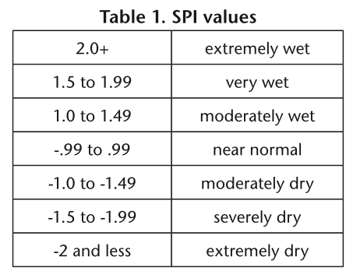
CATCHMENT | VALUE | SEASON | STAT
Cuito | -2.82 | 1819 | average
Cubango | -1.95 | 1819 | average
Omatako Omuramba | -2.04 | 1819 | average
Boteti River | -1.78 | 1819 | average
Makuleke Wetland | -0.60 | 1819 | average
Barotse | -1.99 | 1819 | average
Cuito | 1.02 | 0910 | average
Cubango | 1.63 | 0910 | average
Omatako Omuramba | 0.19 | 0910 | average
Boteti River | 1.38 | 0910 | average
Makuleke Wetland | 0.53 | 0910 | average
Barotse | 1.24 | 0910 | average
Cuito | 2.14 | 1011 | average
Cubango | 2.34 | 1011 | average
Omatako Omuramba | 2.76 | 1011 | average
Boteti River | 1.70 | 1011 | average
Makuleke Wetland | 0.28 | 1011 | average
Barotse | 2.17 | 1011 | average
Cuito | 0.84 | 1112 | average
Cubango | 0.48 | 1112 | average
Omatako Omuramba | 1.54 | 1112 | average
Boteti River | 0.38 | 1112 | average
Makuleke Wetland | -0.95 | 1112 | average
Barotse | 0.00 | 1112 | average
Cuito | -0.08 | 1213 | average
Cubango | -0.74 | 1213 | average
Omatako Omuramba | -1.29 | 1213 | average
Boteti River | -0.91 | 1213 | average
Makuleke Wetland | -0.16 | 1213 | average
Barotse | 0.12 | 1213 | average
Cuito | 0.68 | 1314 | average
Cubango | 0.42 | 1314 | average
Omatako Omuramba | 1.52 | 1314 | average
Boteti River | 1.17 | 1314 | average
Makuleke Wetland | 0.71 | 1314 | average
Barotse | 0.47 | 1314 | average
Cuito | -1.22 | 1415 | average
Cubango | -1.56 | 1415 | average
Omatako Omuramba | -1.18 | 1415 | average
Boteti River | -0.66 | 1415 | average
Makuleke Wetland | -0.71 | 1415 | average
Barotse | -1.16 | 1415 | average
Cuito | -0.01 | 1516 | average
Cubango | 0.61 | 1516 | average
Omatako Omuramba | -0.43 | 1516 | average
Boteti River | -0.08 | 1516 | average
Makuleke Wetland | 0.31 | 1516 | average
Barotse | 0.90 | 1516 | average
Cuito | -0.66 | 1617 | average
Cubango | -0.49 | 1617 | average
Omatako Omuramba | 1.50 | 1617 | average
Boteti River | 2.29 | 1617 | average
Makuleke Wetland | 2.33 | 1617 | average
Barotse | 1.43 | 1617 | average
Cuito | 0.90 | 1718 | average
Cubango | 1.05 | 1718 | average
Omatako Omuramba | -0.66 | 1718 | average
Boteti River | -0.51 | 1718 | average
Makuleke Wetland | 0.14 | 1718 | average
Barotse | 0.63 | 1718 | average

