Greeks
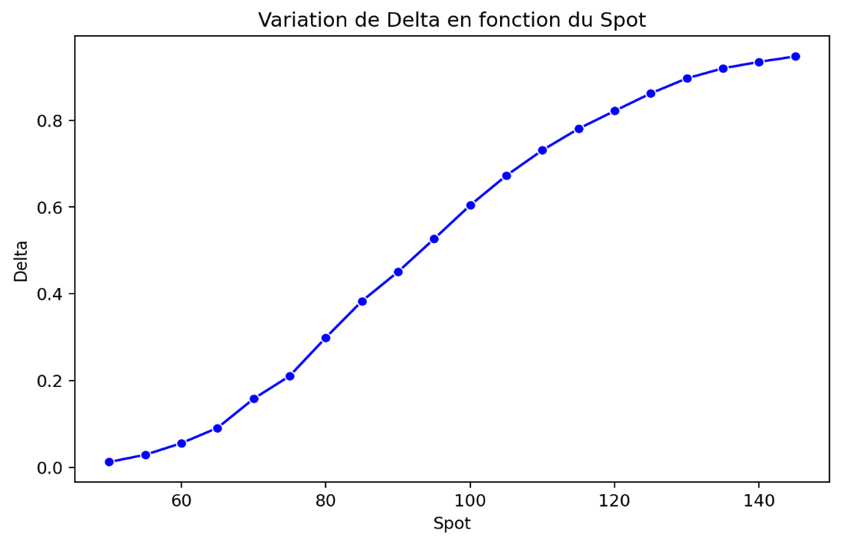
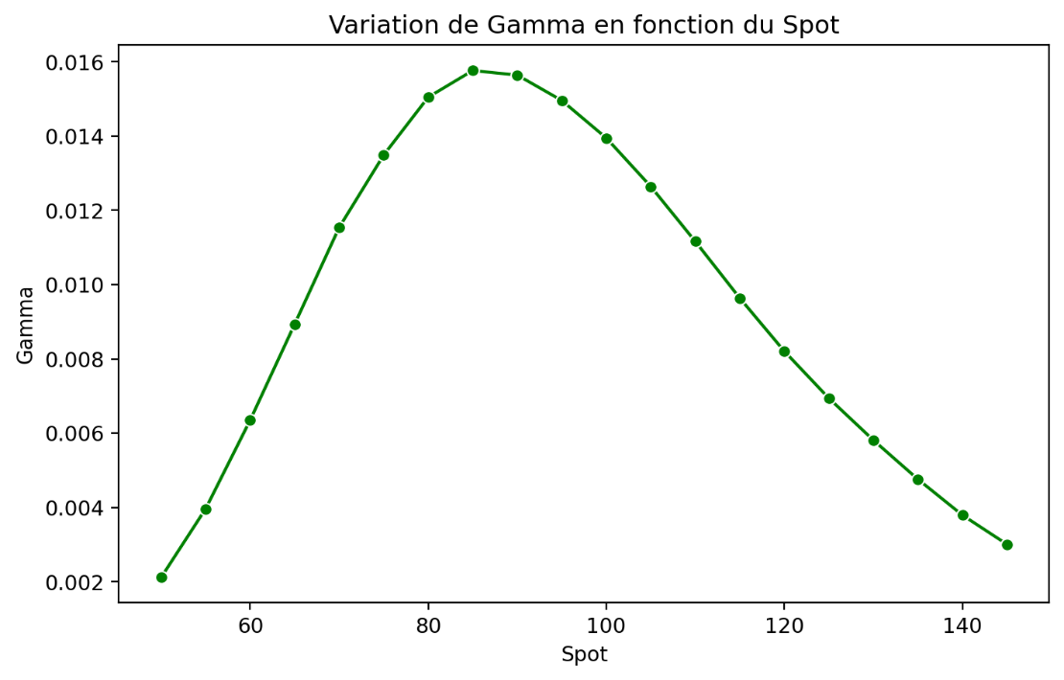

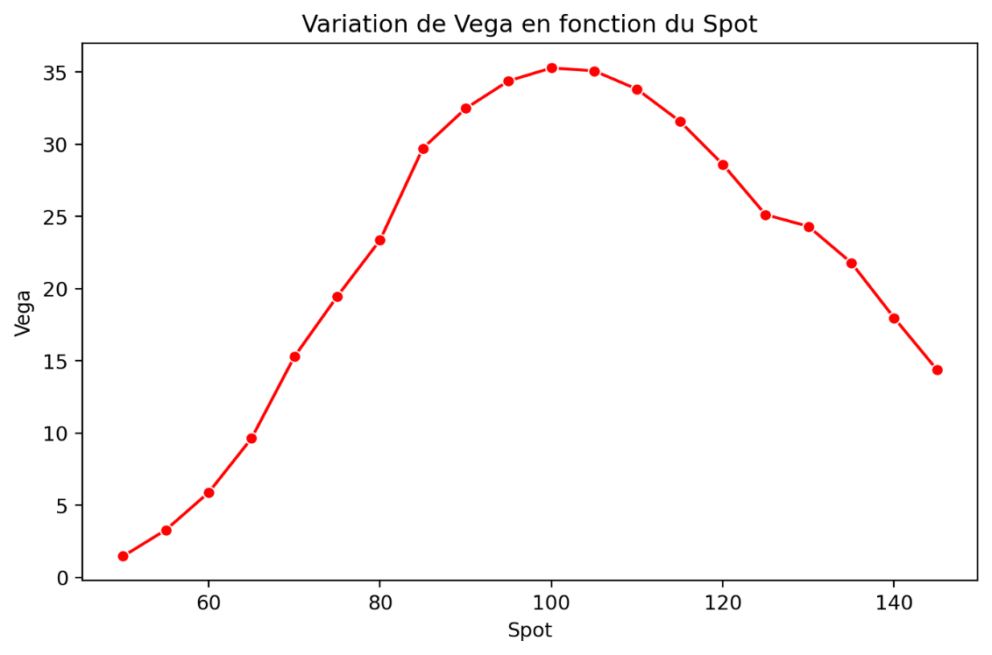
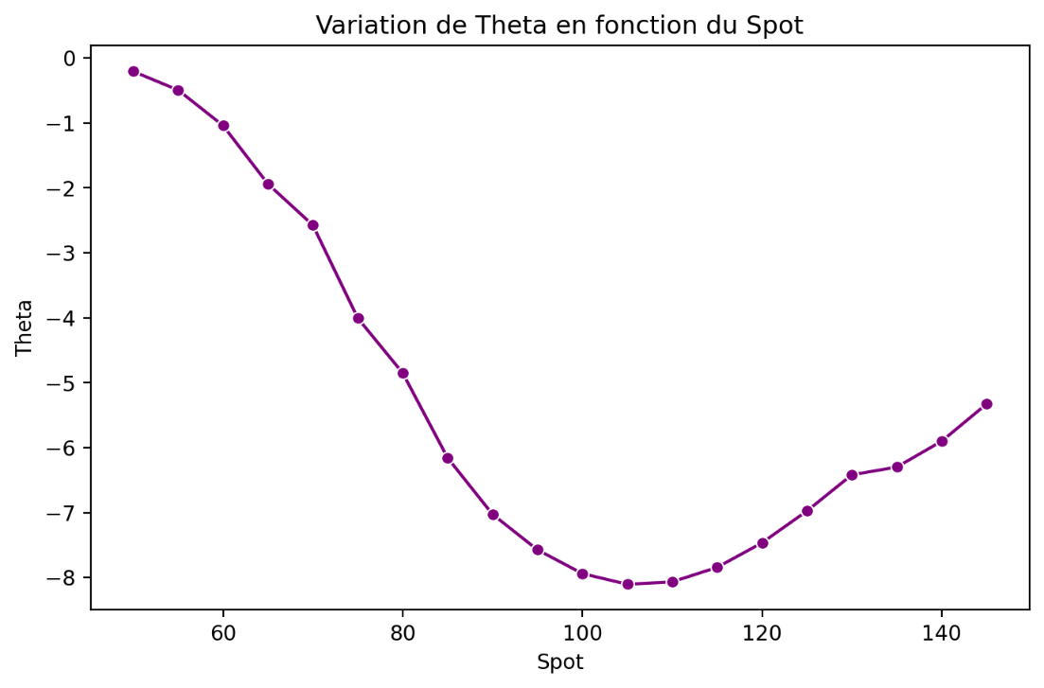

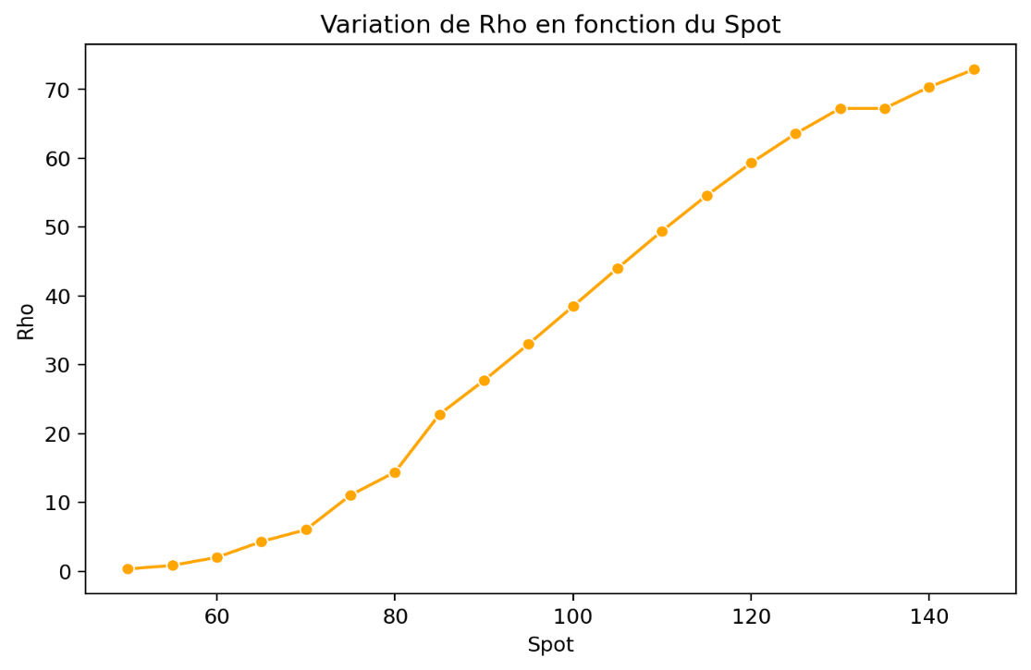

Convergence Study
Convergence Study |  |  |  |  |  | VBA Graphs

Price convergence towards Black-Scholes
 | Price | BS Price
1
5 | 9.7815897837 | 11.946724298
10 | 11.709742866 | 11.946724298
20 | 11.894039631 | 11.946724298
30 | 11.955106128 | 11.946724298
50 | 11.966097318 | 11.946724298
75 | 11.967661941 | 11.946724298
100 | 11.963870955 | 11.946724298
125 | 11.959873285 | 11.946724298
150 | 11.956403293 | 11.946724298
175 | 11.953457799 | 11.946724298
200 | 11.950941031 | 11.946724298
225 | 11.948767949 | 11.946724298
250 | 11.94687355 | 11.946724298
275 | 11.945201086 | 11.946724298
300 | 11.943709076 | 11.946724298
325 | 11.942372052 | 11.946724298
350 | 11.941162705 | 11.946724298
375 | 11.940060889 | 11.946724298
400 | 11.940203576 | 11.946724298
425 | 11.941843159 | 11.946724298
450 | 11.943174338 | 11.946724298
475 | 11.944256643 | 11.946724298
500 | 11.945143609 | 11.946724298
550 | 11.945865218 | 11.946724298
600 | 11.946922973 | 11.946724298
650 | 11.947602557 | 11.946724298
700 | 11.948012267 | 11.946724298
750 | 11.948228451 | 11.946724298
800 | 11.948303365 | 11.946724298
850 | 11.948269499 | 11.946724298
900 | 11.948161456 | 11.946724298
950 | 11.947994428 | 11.946724298
1000 | 11.947779121 | 11.946724298
1100 | 11.947536146 | 11.946724298
1200 | 11.946974619 | 11.946724298
1300 | 11.946367078 | 11.946724298
1400 | 11.945730931 | 11.946724298
1500 | 11.945087906 | 11.946724298
1600 | 11.945023271 | 11.946724298
1700 | 11.945676741 | 11.946724298
1800 | 11.94615727 | 11.946724298
1900 | 11.946500306 | 11.946724298
2000 | 11.946731564 | 11.946724298
2100 | 11.946876665 | 11.946724298
2200 | 11.946951885 | 11.946724298
2300 | 11.946966373 | 11.946724298
2400 | 11.94693553 | 11.946724298
2500 | 11.946868111 | 11.946724298
 | 11.946770032 | 11.946724298
Execution Time VS Number of steps
 | Execution Time
1
5 | 0
10 | 0
20 | 0
30 | 0
50 | 0.0078125
75 | 0.0078125
100 | 0.0234375
125 | 0.0234375
150 | 0.046875
175 | 0.05859375
200 | 0.0703125
225 | 0.09375
250 | 0.109375
275 | 0.1328125
300 | 0.1484375
325 | 0.203125
350 | 0.203125
375 | 0.2109375
400 | 0.23828125
425 | 0.25
450 | 0.28125
475 | 0.296875
500 | 0.3359375
550 | 0.34765625
600 | 0.43359375
650 | 0.45703125
700 | 0.53515625
750 | 0.6171875
800 | 0.6796875
850 | 0.76953125
900 | 0.85546875
950 | 0.8984375
1000 | 1
1100 | 1.01953125
1200 | 1.34375
1300 | 1.328125
1400 | 1.546875
1500 | 1.84765625
1600 | 1.8125
1700 | 2.109375
1800 | 2.1328125
1900 | 2.42578125
2000 | 2.671875
2100 | 2.7109375
2200 | 3.04296875
2300 | 3.1875
2400 | 3.34375
2500 | 3.515625
 | 3.81640625
* The sheet uses the parameters from the "Interface" sheet
Step | Price | Execution Time | BS Price | Gap | Gap * N

1 | 9.7815897837 | 0 | 11.946724298 | 2.165134514 | 2.165134514
5 | 11.709742866 | 0 | 11.946724298 | 0.23698143192 | 1.1849071596
10 | 11.894039631 | 0 | 11.946724298 | 0.052684666801 | 0.52684666801
20 | 11.955106128 | 0 | 11.946724298 | -0.0083818307629 | -0.16763661526
30 | 11.966097318 | 0.0078125 | 11.946724298 | -0.019373020745 | -0.58119062235
50 | 11.967661941 | 0.0078125 | 11.946724298 | -0.020937643595 | -1.0468821797
75 | 11.963870955 | 0.0234375 | 11.946724298 | -0.017146656981 | -1.2859992736
100 | 11.959873285 | 0.0234375 | 11.946724298 | -0.013148987688 | -1.3148987688
125 | 11.956403293 | 0.046875 | 11.946724298 | -0.0096789953765 | -1.2098744221
Error VS Number of steps
 | Gap
1
5 | 2.165134514
10 | 0.23698143192
20 | 0.052684666801
30 | -0.0083818307629
50 | -0.019373020745
75 | -0.020937643595
100 | -0.017146656981
125 | -0.013148987688
150 | -0.0096789953765
175 | -0.006733501739
200 | -0.0042167335418
225 | -0.0020436515516
250 | -0.00014925279755
275 | 0.0015232119464
300 | 0.0030152216398
325 | 0.0043522457632
350 | 0.0055615927434
375 | 0.0066634088588
400 | 0.0065207214411
425 | 0.0048811389178
450 | 0.0035499597959
475 | 0.0024676544404
500 | 0.0015806885868
550 | 0.00085907968752
600 | -0.00019867486243
650 | -0.00087825968062
700 | -0.0012879689713
750 | -0.0015041533045
800 | -0.0015790677325
850 | -0.0015452013726
900 | -0.0014371578385
950 | -0.0012701304758
1000 | -0.0010548237102
1100 | -0.00081184840281
1200 | -0.00025032116501
1300 | 0.0003572198014
1400 | 0.00099336641731
1500 | 0.0016363916533
1600 | 0.0017010265613
1700 | 0.0010475568438
1800 | 0.00056702751569
1900 | 0.00022399128121
2000 | -7.2658270884E-06
2100 | -0.00015236726585
2200 | -0.00022758780587
2300 | -0.00024207536896
2400 | -0.00021123195675
2500 | -0.00014381326542
 | -4.5734209731E-05
150 | 11.953457799 | 0.05859375 | 11.946724298 | -0.006733501739 | -1.0100252608
Error * Step VS Number of steps
 | Gap * N
1
5 | 2.165134514
10 | 1.1849071596
20 | 0.52684666801
30 | -0.16763661526
50 | -0.58119062235
75 | -1.0468821797
100 | -1.2859992736
125 | -1.3148987688
150 | -1.2098744221
175 | -1.0100252608
200 | -0.73792836981
225 | -0.40873031031
250 | -0.033581879448
275 | 0.3808029866
300 | 0.82918595096
325 | 1.3056737289
350 | 1.8075176416
375 | 2.3321931006
400 | 2.4452705404
425 | 1.9524555671
450 | 1.5087329133
475 | 1.1104444982
500 | 0.75082707873
550 | 0.42953984376
600 | -0.10927117434
650 | -0.52695580837
700 | -0.83717983138
750 | -1.0529073132
800 | -1.1843007994
850 | -1.2361610981
900 | -1.2215841627
950 | -1.1431174282
1000 | -1.0020825247
1100 | -0.81184840281
1200 | -0.27535328151
1300 | 0.42866376168
1400 | 1.2913763425
1500 | 2.2909483146
1600 | 2.5515398419
1700 | 1.6760909501
1800 | 0.96394677667
1900 | 0.40318430617
2000 | -0.013805071468
2100 | -0.3047345317
2200 | -0.47793439232
2300 | -0.53256581172
2400 | -0.48583350053
2500 | -0.345151837
 | -0.11433552433
175 | 11.950941031 | 0.0703125 | 11.946724298 | -0.0042167335418 | -0.73792836981
200 | 11.948767949 | 0.09375 | 11.946724298 | -0.0020436515516 | -0.40873031031
225 | 11.94687355 | 0.109375 | 11.946724298 | -0.00014925279755 | -0.033581879448
250 | 11.945201086 | 0.1328125 | 11.946724298 | 0.0015232119464 | 0.3808029866
275 | 11.943709076 | 0.1484375 | 11.946724298 | 0.0030152216398 | 0.82918595096
300 | 11.942372052 | 0.203125 | 11.946724298 | 0.0043522457632 | 1.3056737289
325 | 11.941162705 | 0.203125 | 11.946724298 | 0.0055615927434 | 1.8075176416
350 | 11.940060889 | 0.2109375 | 11.946724298 | 0.0066634088588 | 2.3321931006
375 | 11.940203576 | 0.23828125 | 11.946724298 | 0.0065207214411 | 2.4452705404
400 | 11.941843159 | 0.25 | 11.946724298 | 0.0048811389178 | 1.9524555671
425 | 11.943174338 | 0.28125 | 11.946724298 | 0.0035499597959 | 1.5087329133
450 | 11.944256643 | 0.296875 | 11.946724298 | 0.0024676544404 | 1.1104444982
475 | 11.945143609 | 0.3359375 | 11.946724298 | 0.0015806885868 | 0.75082707873
500 | 11.945865218 | 0.34765625 | 11.946724298 | 0.00085907968752 | 0.42953984376
550 | 11.946922973 | 0.43359375 | 11.946724298 | -0.00019867486243 | -0.10927117434 | Python Graphs
600 | 11.947602557 | 0.45703125 | 11.946724298 | -0.00087825968062 | -0.52695580837 |  | * Not updaded, the values can be different
650 | 11.948012267 | 0.53515625 | 11.946724298 | -0.0012879689713 | -0.83717983138
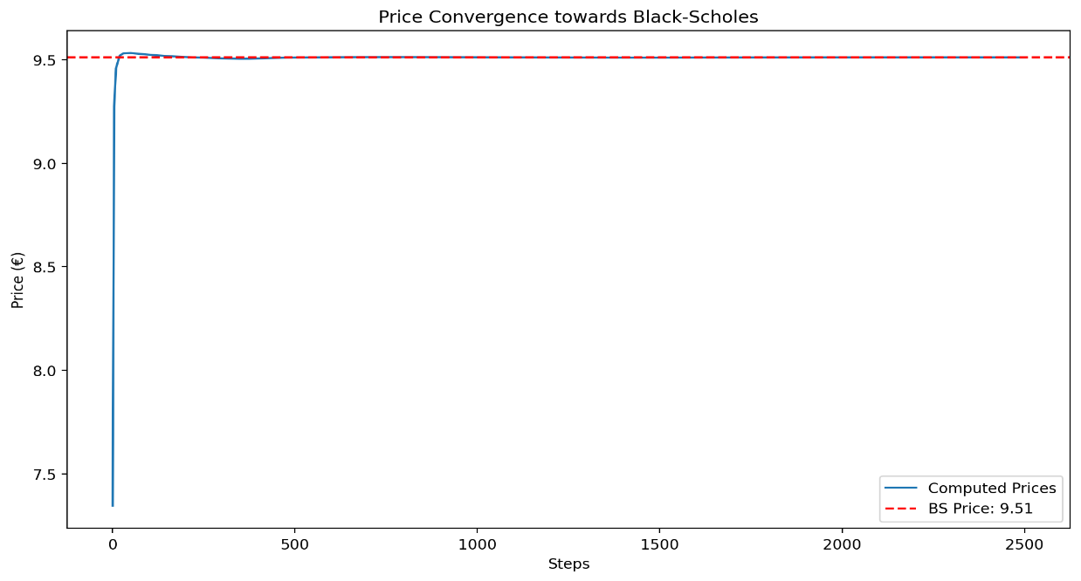
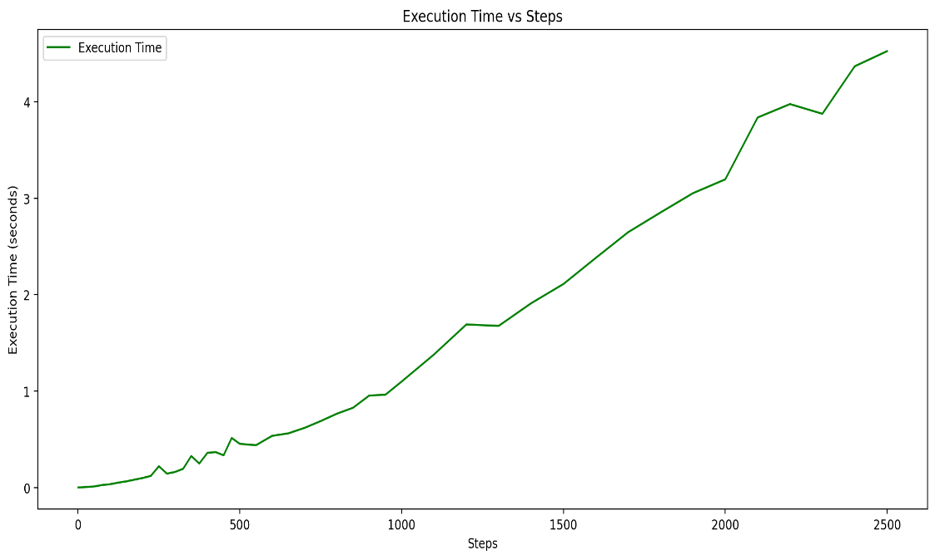
700 | 11.948228451 | 0.6171875 | 11.946724298 | -0.0015041533045 | -1.0529073132
750 | 11.948303365 | 0.6796875 | 11.946724298 | -0.0015790677325 | -1.1843007994
800 | 11.948269499 | 0.76953125 | 11.946724298 | -0.0015452013726 | -1.2361610981
850 | 11.948161456 | 0.85546875 | 11.946724298 | -0.0014371578385 | -1.2215841627
900 | 11.947994428 | 0.8984375 | 11.946724298 | -0.0012701304758 | -1.1431174282
950 | 11.947779121 | 1 | 11.946724298 | -0.0010548237102 | -1.0020825247
1000 | 11.947536146 | 1.01953125 | 11.946724298 | -0.00081184840281 | -0.81184840281
1100 | 11.946974619 | 1.34375 | 11.946724298 | -0.00025032116501 | -0.27535328151
1200 | 11.946367078 | 1.328125 | 11.946724298 | 0.0003572198014 | 0.42866376168
1300 | 11.945730931 | 1.546875 | 11.946724298 | 0.00099336641731 | 1.2913763425
1400 | 11.945087906 | 1.84765625 | 11.946724298 | 0.0016363916533 | 2.2909483146
1500 | 11.945023271 | 1.8125 | 11.946724298 | 0.0017010265613 | 2.5515398419
1600 | 11.945676741 | 2.109375 | 11.946724298 | 0.0010475568438 | 1.6760909501
1700 | 11.94615727 | 2.1328125 | 11.946724298 | 0.00056702751569 | 0.96394677667
1800 | 11.946500306 | 2.42578125 | 11.946724298 | 0.00022399128121 | 0.40318430617
1900 | 11.946731564 | 2.671875 | 11.946724298 | -7.2658270884E-06 | -0.013805071468
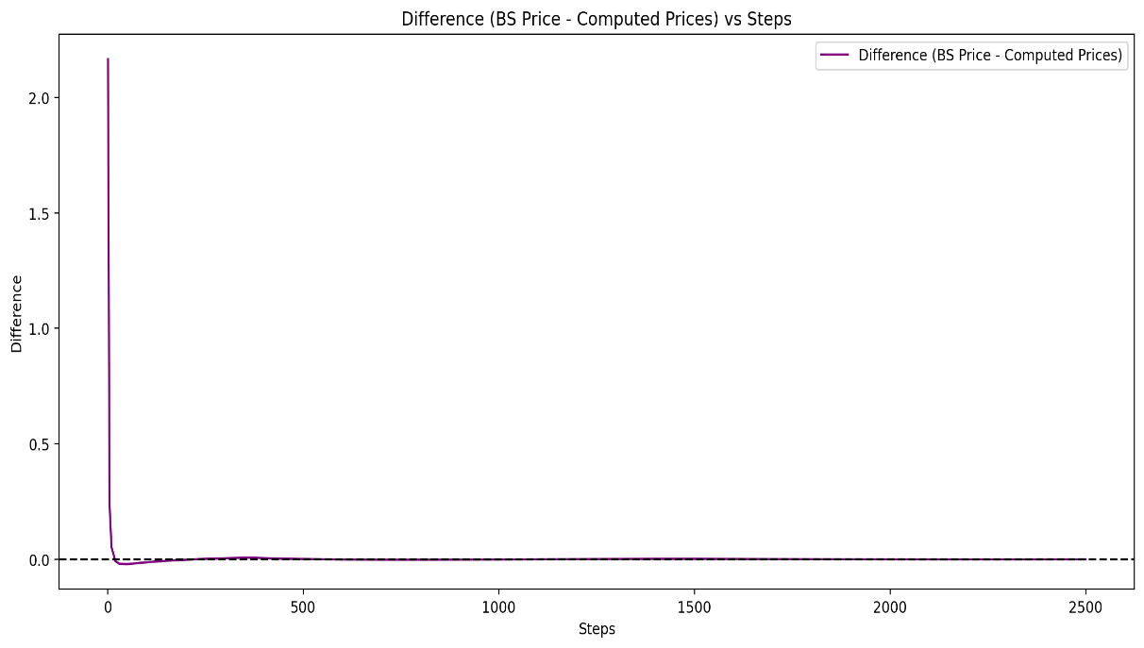
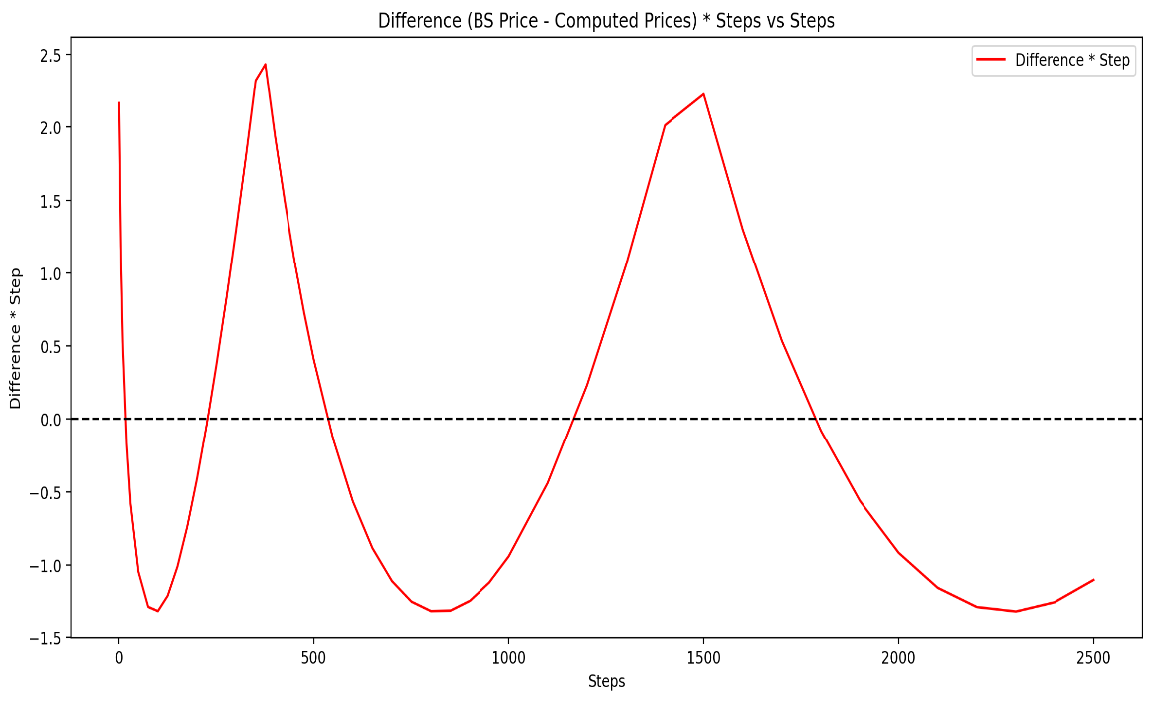
2000 | 11.946876665 | 2.7109375 | 11.946724298 | -0.00015236726585 | -0.3047345317
2100 | 11.946951885 | 3.04296875 | 11.946724298 | -0.00022758780587 | -0.47793439232
2200 | 11.946966373 | 3.1875 | 11.946724298 | -0.00024207536896 | -0.53256581172
2300 | 11.94693553 | 3.34375 | 11.946724298 | -0.00021123195675 | -0.48583350053
2400 | 11.946868111 | 3.515625 | 11.946724298 | -0.00014381326542 | -0.345151837
2500 | 11.946770032 | 3.81640625 | 11.946724298 | -4.5734209731E-05 | -0.11433552433

Gap Study
Gap Study

Tree and B&S Price vs Strike
 | Slope Tree | Slope B&S | Tree - B&S | Tree Price | B&S Price
85 |  |  | -0.019622336877 | 18.537831 | 18.557453521
86 | -0.76214302843 | -0.78469969673 | 0.0029343314234 | 17.775688 | 17.772753824
87 | -0.75864759133 | -0.76780960003 | 0.012096340123 | 17.017041 | 17.004944224
88 | -0.75864759133 | -0.75028688237 | 0.0037356311605 | 16.258393 | 16.254657342
89 | -0.75864759133 | -0.73218117492 | -0.022730785257 | 15.499745 | 15.522476167
90 | -0.68985509822 | -0.71354608424 | 0.00096020075807 | 14.809890 | 14.808930083
91 | -0.68094746767 | -0.69443855828 | 0.014451291372 | 14.128943 | 14.114491524
92 | -0.68094746767 | -0.67491823028 | 0.0084220539818 | 13.447995 | 13.439573294
93 | -0.68094746767 | -0.65504675311 | -0.017478660575 | 12.767048 | 12.784526541
94 | -0.62528642199 | -0.63488713588 | -0.0078779466841 | 12.141761 | 12.149639405
95 | -0.59275030365 | -0.61450309353 | 0.013874843203 | 11.549011 | 11.535136311
96 | -0.59275030365 | -0.59395841926 | 0.015082958819 | 10.956261 | 10.941177892
97 | -0.59275030365 | -0.5733163883 | -0.0043509565246 | 10.363511 | 10.367861504
98 | -0.57636968165 | -0.55263920026 | -0.028081437914 | 9.787141 | 9.8152223036
99 | -0.49846898665 | -0.53198746597 | 0.0054370414065 | 9.288672 | 9.2832348376
100 | -0.49846898665 | -0.5114197434 | 0.018387798151 | 8.790203 | 8.7718150942
101 | -0.49846898665 | -0.49099212592 | 0.010910937415 | 8.291734 | 8.2808229683
102 | -0.49846898665 | -0.47075788502 | -0.016800164214 | 7.793265 | 7.8100650833
103 | -0.45067054606 | -0.45076716836 | -0.016703541916 | 7.342594 | 7.3592979149
104 | -0.40355462839 | -0.43106675295 | 0.010808582648 | 6.939040 | 6.928231162
105 | -0.40355462839 | -0.41169985261 | 0.018953806873 | 6.535485 | 6.5165313094
106 | -0.40355462839 | -0.3927059776 | 0.0081051560822 | 6.131930 | 6.1238253318
107 | -0.40355462839 | -0.37412084402 | -0.021328628282 | 5.728376 | 5.7497044878
108 | -0.34861849643 | -0.35597632993 | -0.013970794783 | 5.379757 | 5.3937281578
109 | -0.31356914562 | -0.3383004744 | 0.010760533993 | 5.066188 | 5.0554276834
110 | -0.31356914562 | -0.32111751601 | 0.018308904379 | 4.752619 | 4.7343101674
111 | -0.31356914562 | -0.30444796637 | 0.0091877251239 | 4.439050 | 4.4298622011
112 | -0.31356914562 | -0.28830871472 | -0.016072705785 | 4.125481 | 4.1415534863
113 | -0.27469822128 | -0.2727131593 | -0.018057767766 | 3.850783 | 3.868840327
114 | -0.23322610911 | -0.25767136142 | 0.0063874845479 | 3.617556 | 3.6111689656
115 | -0.23322610911 | -0.24319021802 | 0.01635159346 | 3.384330 | 3.3679787476
* The sheet uses the parameters from the "Interface" sheet
Strike | Tree Price | B&S Price | Slope Tree | Slope B&S | Tree - B&S
85 | 18.537831 | 18.557453521 |  |  | -0.019622336877
86 | 17.775688 | 17.772753824 | -0.76214302843 | -0.78469969673 | 0.0029343314234
87 | 17.017041 | 17.004944224 | -0.75864759133 | -0.76780960003 | 0.012096340123
88 | 16.258393 | 16.254657342 | -0.75864759133 | -0.75028688237 | 0.0037356311605
89 | 15.499745 | 15.522476167 | -0.75864759133 | -0.73218117492 | -0.022730785257
90 | 14.809890 | 14.808930083 | -0.68985509822 | -0.71354608424 | 0.00096020075807
91 | 14.128943 | 14.114491524 | -0.68094746767 | -0.69443855828 | 0.014451291372
92 | 13.447995 | 13.439573294 | -0.68094746767 | -0.67491823028 | 0.0084220539818
93 | 12.767048 | 12.784526541 | -0.68094746767 | -0.65504675311 | -0.017478660575
94 | 12.141761 | 12.149639405 | -0.62528642199 | -0.63488713588 | -0.0078779466841
95 | 11.549011 | 11.535136311 | -0.59275030365 | -0.61450309353 | 0.013874843203
96 | 10.956261 | 10.941177892 | -0.59275030365 | -0.59395841926 | 0.015082958819
97 | 10.363511 | 10.367861504 | -0.59275030365 | -0.5733163883 | -0.0043509565246
98 | 9.787141 | 9.8152223036 | -0.57636968165 | -0.55263920026 | -0.028081437914
99 | 9.288672 | 9.2832348376 | -0.49846898665 | -0.53198746597 | 0.0054370414065
100 | 8.790203 | 8.7718150942 | -0.49846898665 | -0.5114197434 | 0.018387798151
101 | 8.291734 | 8.2808229683 | -0.49846898665 | -0.49099212592 | 0.010910937415
102 | 7.793265 | 7.8100650833 | -0.49846898665 | -0.47075788502 | -0.016800164214
103 | 7.342594 | 7.3592979149 | -0.45067054606 | -0.45076716836 | -0.016703541916
104 | 6.939040 | 6.928231162 | -0.40355462839 | -0.43106675295 | 0.010808582648
105 | 6.535485 | 6.5165313094 | -0.40355462839 | -0.41169985261 | 0.018953806873
106 | 6.131930 | 6.1238253318 | -0.40355462839 | -0.3927059776 | 0.0081051560822
107 | 5.728376 | 5.7497044878 | -0.40355462839 | -0.37412084402 | -0.021328628282
108 | 5.379757 | 5.3937281578 | -0.34861849643 | -0.35597632993 | -0.013970794783
109 | 5.066188 | 5.0554276834 | -0.31356914562 | -0.3383004744 | 0.010760533993
110 | 4.752619 | 4.7343101674 | -0.31356914562 | -0.32111751601 | 0.018308904379
111 | 4.439050 | 4.4298622011 | -0.31356914562 | -0.30444796637 | 0.0091877251239
112 | 4.125481 | 4.1415534863 | -0.31356914562 | -0.28830871472 | -0.016072705785
113 | 3.850783 | 3.868840327 | -0.27469822128 | -0.2727131593 | -0.018057767766
114 | 3.617556 | 3.6111689656 | -0.23322610911 | -0.25767136142 | 0.0063874845479
115 | 3.384330 | 3.3679787476 | -0.23322610911 | -0.24319021802 | 0.01635159346

