QCcan
msgID | Byte | Bits |  |  | Parameter | Description (official) | Resolution (range) | Unit | Source | Destination | Data update rate
100 | 0 | 7 | : | 0 |  |  |  |  | From EV | ChaDeMo station | 100ms | 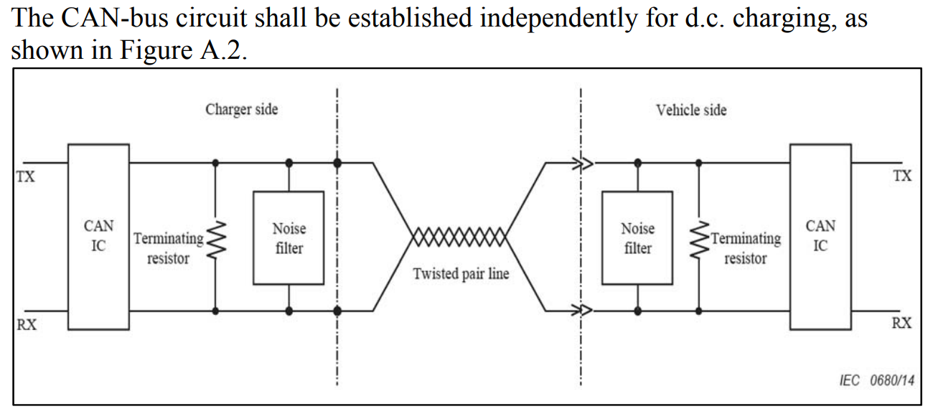 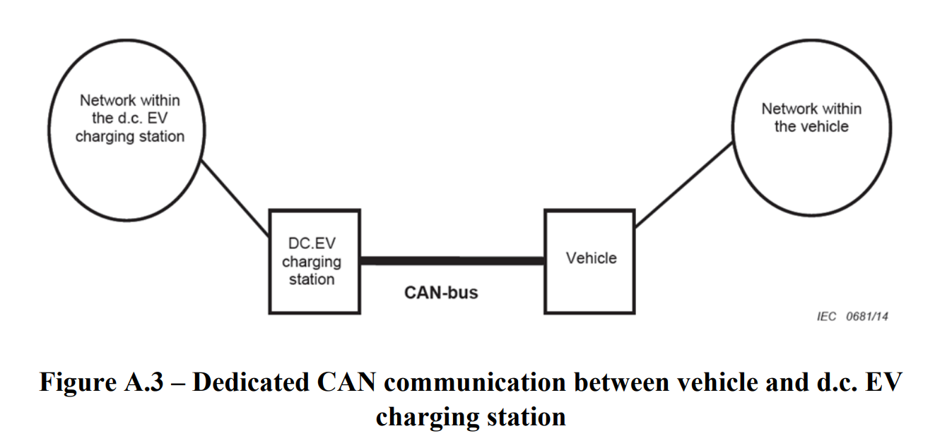
 | 1 | 7 | : | 0
 | 2 | 7 | : | 0
 | 3 | 7 | : | 0
 | 4 | 7 | : | 0 | Maximum battery voltage | The maximum battery voltage value at the vehicle inlet terminals, at which the station stops charging to protect the vehicle battery | 1V/bit | V
 | 5 | 7 | : | 0
 | 6 | 7 | : | 0 |  | Total Battery Capacity | 0.1kWh/bit
 | 6 | 7 | : | 0 | Constant of charging rate indication | Fixed value for charging rate indication which is the maximum charging rate (100%) of vehicle battery | 1% bit, 100%(fixed) | %
 | 7 | 7 | : | 0

101 | 0 | 7 | : | 0 |  |  |  |  | From EV | ChaDeMo station | 100ms
 | 1 | 7 | : | 0 |  | Max charge time | 1 min/bit
 | 1 | 7 | : | 0 | Maximum charging time (ste by 10s) | Maximum charging time permited by EV, set by 10s | 10s/bit (0 to 2540 s) | s
 | 2 | 7 | : | 0 |  | Max charge time (extended) | 1 min/bit
 | 2 | 7 | : | 0 | Maximum charging time (set by minute) | Maximum charging time permited by EV, set by minute | 1min/bit (0 to 255 min) | min
 | 3 | 7 | : | 0 | Estimatet charging time | Estimated remaining time before the end of charging calculated by EV | 1min/bit (0 to 254 min) | min
 | 4 | 7 | : | 0
 | 5 | 7 | : | 0 | Rated capacity of battery | Rated capacity of battery | 0.11kWh/bit | kWh
 | 6 | 7 | : | 0
 | 7 | 7 | : | 0

102 | 0 | 7 | : | 0 |  | CHAdeMO control protocol number |  |  | From EV | ChaDeMo station | 100ms
 | 0 | 7 | : | 0 | Control protocol number | Software version of control protocol to which EV corresponds | 1/bit (0 to 255)
 | 1 | 7 | : | 0 |  | Target Battery Voltage Low byte 16 bit | 1V/bit
 | 2 | 7 | : | 0 |  | Target Battery Voltage High byte
 | 1 | 7 | : | 0 | Target battery voltage | Target charging voltage at the vehicle inlet terminals | 1 V/bit (0 to 600V) | V
 | 2 | 7 | : | 0
 | 3 | 7 | : | 0 |  | Charging Current Request | 1 Amp/bit
 | 3 | 7 | : | 0 | Charging current request | Current value requested by EV during charging | 1 A/bit (0 to 255A) | A
 | 4 | Fault Flags
 | 4 | 4 |  |  | Battery voltage deviation error | Status flag indicating whether or not the vehicle battery voltage deviates from the output voltage measured by the station | 0: Normal 1: Fault
 | 4 | 3 |  |  | High battery temperature | Status flag indicating whether or not the temperature of vehicle battery exceeds the maximum limit | 0: Normal 1: Fault
 | 4 | 2 |  |  | Battery current deviation error | Status flag indicating whether or not the output current deviates from EV requested current | 0: Normal 1: Fault
 | 4 | 1 |  |  | Battery undervoltage | Status flag indicating whether or not the vehicle battery voltage is less than the lower limit specified by EV | 0: Normal 1: Fault
 | 4 | 0 |  |  | Battery overvoltage | Status flag indicating whether or not the vehicle battery voltage exceeds the maximum limit specified by EV | 0: Normal 1: Fault
 | 5 | Status Flags
 | 5 | 4 |  |  | Normal stop request before charging | Status flag indicating the request of EV to stop charging control | 0: no request 1: request to stop
 | 5 | 3 |  |  | Vehicle status | Status flag indicating the EV contactor status | 0: EV contactor closed or during welding detection 1: EV contactor open or welding detection finished
 | 5 | 2 |  |  | Charging system fault | Status flag indicating malfunction caused by EV or the station, and detected by EV | 0: normal 1: fault
 | 5 | 1 |  |  | Vehicle shift lever position | Status flag indicating the shift lever position | 0: "Parking" position 1: other position
 | 5 | 0 |  |  | Vechicle charging enabled | Status flag indicating charge permission status of EV | 0: disabled 1: enabled
 | 6 | 7 | : | 0 |  | Remaining Battery Capacity | 0.1 kWh/bit
 | 6 | 7 | : | 0 | Charging rate | Charging rate of vehicle battery | 1 %/bit (0 to 100%) | %
 | 7 | 7 | : | 0

108 | 0 | 7 | : | 0 |  | Welding Detection Flag | 0: Not Support |  | From ChaDeMo station | EV | 100ms
 | 0 | 7 | : | 0 | EV contactor welding detection support identifier | Identifier indicating whether or not the station deals with EV contactor welding detection | 0: Not supporting vehicle welding detection 1 or more: supporting vehicle welding detection
 | 1 | 7 | : | 0 |  | output voltage Max. Low byte | 1V per bit
 | 2 | 7 | : | 0 |  | output voltage Max. hight byte
 | 1 | 7 | : | 0 | Available output voltage | Maximum output voltage value at the vehicle connector terminals | 1 V/bit (0 to 600 V) | V
 | 2 | 7 | : | 0
 | 3 | 7 | : | 0 |  | Avalible Output Current | 1 Amp/bit
 | 3 | 7 | : | 0 | Available output current | Maximum output current value of the station | 1 A/bit (o to 255 A) | A
 | 4 | 7 | : | 0 |  | thres.voltage low byte | 1V per bit
 | 5 | 7 | : | 0 |  | thres. voltage high byte
 | 4 | 7 | : | 0 | Threshold voltage | Threshold voltage to stop the charging process in order to protect vehicle battery | 1 V/bit (0 to 600 V) | V
 | 5 | 7 | : | 0
 | 6 | 7 | : | 0
 | 7 | 7 | : | 0

109 | 0 | 7 | : | 0 |  | CHAdeMO control protocol number |  |  | From ChaDeMo station | EV | 100ms
 | 0 | 7 | : | 0 | Control protocol number | Software version number of control protocol or charging sequences that the station deal with | 1 /bit (0 to 255)
 | 1 | 7 | : | 0 |  | Output Voltage low byte | 1V per bit
 | 2 | 7 | : | 0 |  | Output Voltage high byte
 | 1 | 7 | : | 0 | Output voltage | Supply voltage value of the output circuit in the station | 1 V/bit (0 to 600 V) | V
 | 2 | 7 | : | 0
 | 3 | 7 | : | 0 |  | Output Current | 1 Amp/bit
 | 3 | 7 | : | 0 | Output current | Supply current value of the output circuit in the station | 1 A/bit (0 to 255 A) | A
 | 4 | 7 | : | 0
 | 5 | Status and Fault Flags
 | 5 | 5 |  |  | Charger stop control | Status flag indicating whether or not the status proceeds with shutdown process | 0: operating 1: shutdown or stop chaging
 | 5 | 4 |  |  | Charging system malfunction | Status flag indicating whether or not there is a problem with EV, such as improper connection | 0: normal 1: malfunction
 | 5 | 3 |  |  | Battery inclompatibility | Status flag indicating the compatibility of vehicle battery with the output voltage of station | 0: compatibile 1: incompatibile
 | 5 | 2 |  |  | Vehicle connector lock | Status flag indicating the electromagnetic lock status of the vehicle | 0: unlocked 1: locked
 | 5 | 1 |  |  | Station malfunction | Status flag indicating whether or not there is a malfunction caused by the station | 0: normal 1: fault
 | 5 | 0 |  |  | Station status | Status flag indicating the energy transfer from the station | 0: Standby 1: charging
 | 6 | 7 | : | 0 |  | Remaining charge time | 10 sec/bit
 | 6 | 7 | : | 0 | Remaining charging time (counted by 10s) | Remaining time before the end of charging (counted by 10 s) | 10 s/bit (0 to 2540 s) | s
 | 7 | 7 | : | 0 |  | Remaining charge time (extended) | 1 min/bit
 | 7 | 7 | : | 0 | Remaining charging time (counted by minutes) | Remaining time before the end of charging (counted by minutes) | 1 min/bit (0 to 255 min) | min

