Sheet1
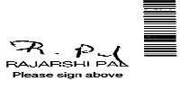
 | PayeeName | AC/NO | IFSC | Amount | Cheque MICR Number | Signature
0 | Anirban Sharma | 911010049001545 | UTIB0000426 | 110,000/ | U369 11 1U 566 10 DD D6 166U

